PURCHASELIST
管理番号 | ASIN番号 | SKU番号 | 分類① | 画像 | 分類② | 仕入価格 | 数量 | 金額
T001 | B077TZR4R8 | G3-7VTX-A8HN | イエロー | 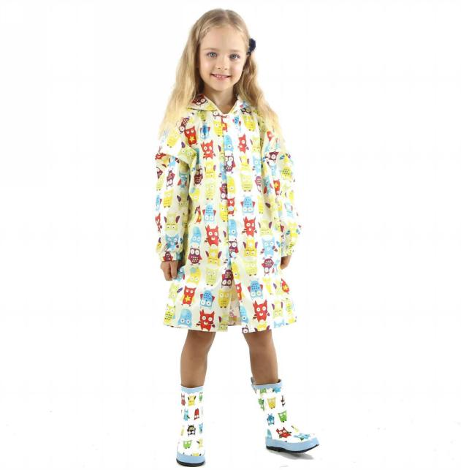 | S |  |  | 0
T001 | B077TT4WKS | ML-V17W-06MQ |  |  | M |  |  | 0
T001 | B077TYSS5Q | OO-N5NC-53SV |  |  | L |  |  | 0
T001 | B077TT44WS | 9F-4ETV-5M6M |  |  | XL |  |  | 0
T001 | B077TYM9G3 | 3C-S1I5-ZLXX |  |  | XXL |  |  | 0
T001 | B077TZ6DMJ | 8J-B84R-9FQ8 | ピンク | 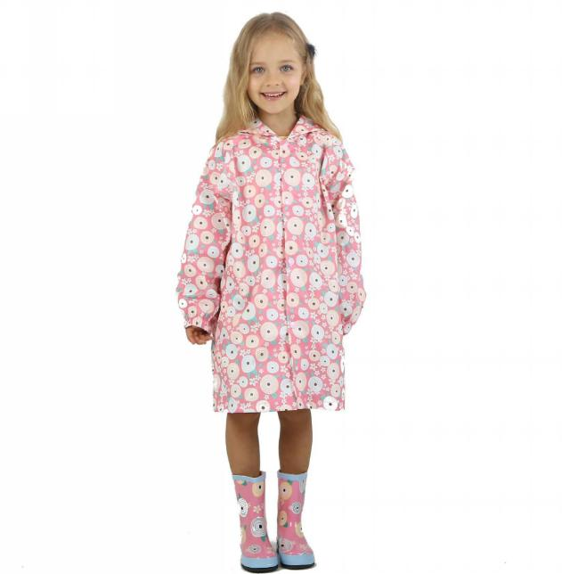 | S |  |  | 0
T001 | B077TX95H8 | HS-Z1MW-I06B |  |  | M |  |  | 0
T001 | B077V12V15 | ZX-E3Z1-XZXW |  |  | L |  |  | 0
T001 | B077TT3FF4 | AJ-KDS6-2KPZ |  |  | XL |  |  | 0
T001 | B077TZ3C77 | SM-SOZD-YCO1 |  |  | XXL |  |  | 0
T001 | B0784YYFKX | 6Z-HWUF-VHZ9 | ブルー | 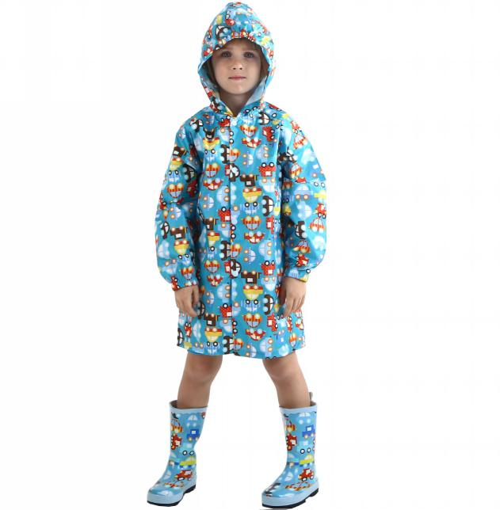 | S |  |  | 0
T001 | B077TT5D6K | WT-ZM65-5UK0 |  |  | M |  |  | 0
T001 | B077V1NWKX | 84-R9G1-922E |  |  | L |  |  | 0
T001 | B077TTV93C | 7R-CZ5K-RYAJ |  |  | XL |  |  | 0
T001 | B077TZ3C52 | 7S-9Z7A-9N5X |  |  | XXL |  |  | 0
T002 | B077V5TP9Z | 9F-8GXS-MQIG | ウマ | 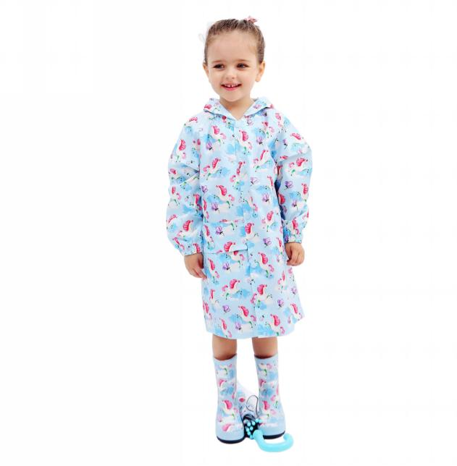 | S |  |  | 0
T002 | B077TVGM9Y | AE-2JRE-R33N |  |  | M |  |  | 0
T002 | B077V65KJV | YK-QIKK-R32H |  |  | L |  |  | 0
T002 | B077V547KW | 3I-5YMQ-78CH |  |  | XL |  |  | 0
T002 | B077TZ9FRY | PX-210E-61XS |  |  | XXL |  |  | 0
T002 | B077TVGFSG | 5K-BESC-9BL4 | トリ | 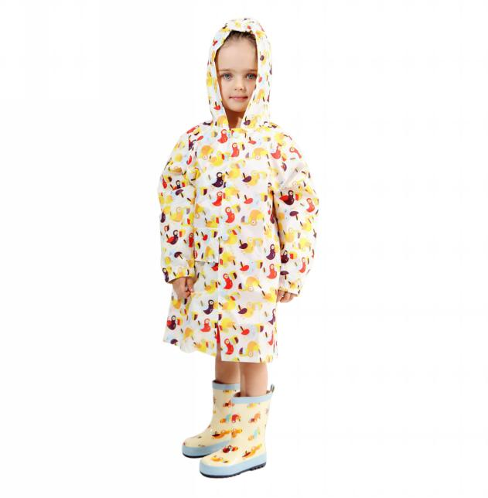 | S |  |  | 0
T002 | B077TZ5B3P | VI-FGWQ-U4JQ |  |  | M |  |  | 0
T002 | B077TVGDCQ | 87-E8P9-I7SP |  |  | L |  |  | 0
T002 | B077V2FCXS | 9W-X2Z4-B0TS |  |  | XL |  |  | 0
T002 | B077TVGNYX | 7W-0F9Q-FPBV |  |  | XXL |  |  | 0
T002 | B077V1SGCV | NW-P04L-6P5F | ヒョウ | 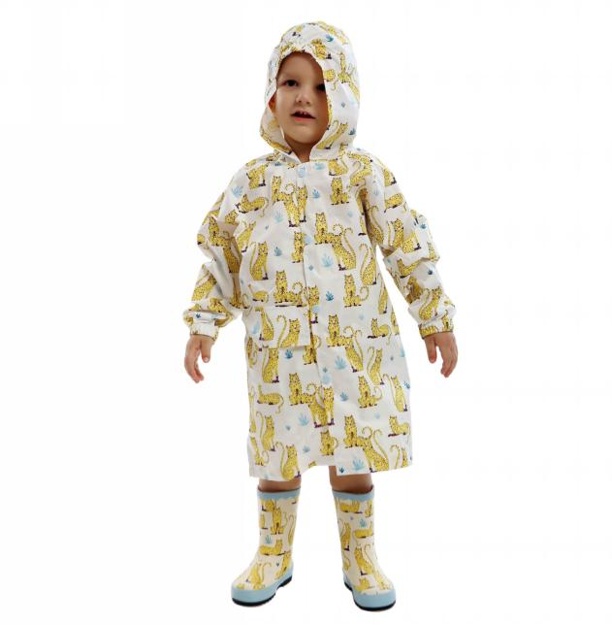 | S |  |  | 0
T002 | B077V2RBZC | UM-5DK5-4OOK |  |  | M |  |  | 0
T002 | B077V3BSHD | T2-P821-U7AD |  |  | L |  |  | 0
T002 | B077V15CP2 | ST-QL51-1O4P |  |  | XL |  |  | 0
T002 | B077V31B1F | S9-WMSI-0XRG |  |  | XXL |  |  | 0
T002 | B077V4KGYG | OZ-CR1T-VCNN | ペンギン | 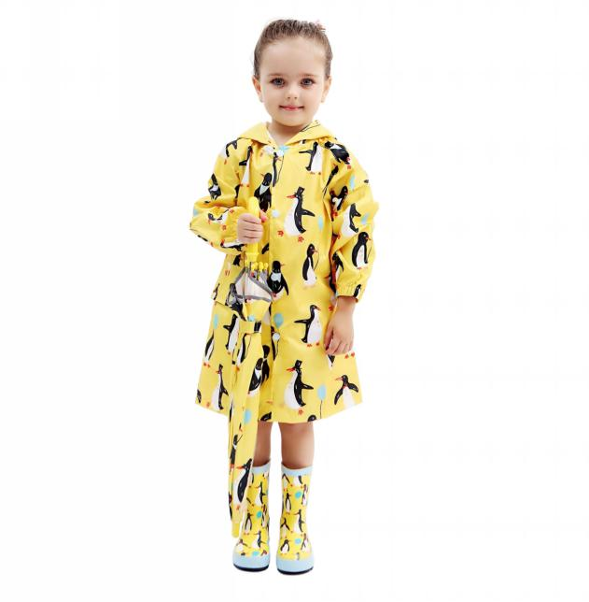 | S |  |  | 0
T002 | B077V3QCKG | QO-FHC9-QIWP |  |  | M |  |  | 0
T002 | B077V1SGXY | SK-DONL-JYYY |  |  | L |  |  | 0
T002 | B077TZ52JJ | 8I-ZLSJ-AKO0 |  |  | XL |  |  | 0
T002 | B077V63T99 | 3L-RKNM-171N |  |  | XXL |  |  | 0
T003 | B07STH4C75 | GD-JMWR-KLP3 | イエロー | 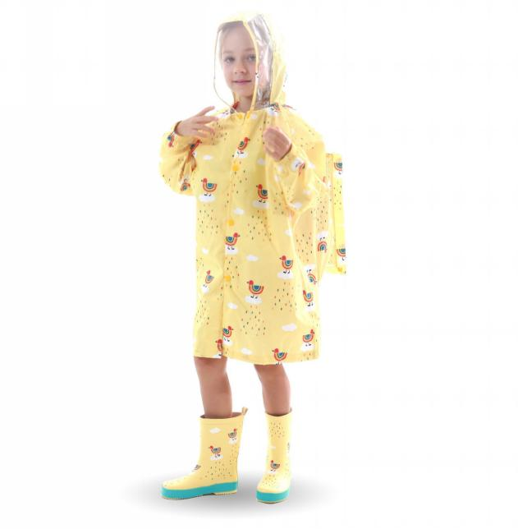 | S |  |  | 0
T003 | B07SRFJ9NM | DT-RMBK-MVUT |  |  | M |  |  | 0
T003 | B07SXR9R43 | ZF-2SU1-0BTA |  |  | L |  |  | 0
T003 | B07SSF9C9K | KU-4QVF-H97O |  |  | XL |  |  | 0
T003 | B07SWQ5NN2 | UJ-OP0B-GO35 |  |  | XXL |  |  | 0
T003 | B07SSJJQY6 | 70-ZTNW-C5FQ |  |  | XXXL |  |  | 0
T003 | B07STH5GK7 | EM-GSK7-J02B | ピンク | 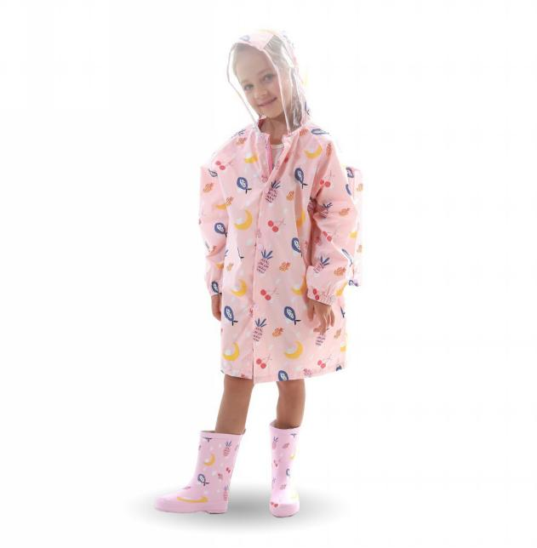 | S |  |  | 0
T003 | B07STH54RG | 29-0QHZ-UD4C |  |  | M |  |  | 0
T003 | B07SXQV8NQ | D3-A97R-HYD6 |  |  | L |  |  | 0
T003 | B07SVL7M3S | 7X-XMTH-ED40 |  |  | XL |  |  | 0
T003 | B07SSDVJYF | CR-UG42-OR8Z |  |  | XXL |  |  | 0
T003 | B07SSKF9KP | 6R-P7SR-5Z4X |  |  | XXXL |  |  | 0
T004 | B0782N7XDJ | FK-SQOE-Y997 | イエロー | 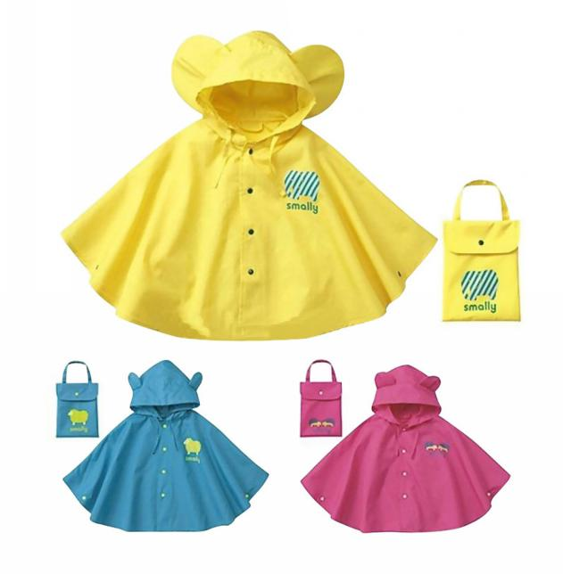 | S |  |  | 0
T004 | B0782VLBQ7 | SE-6APE-EDI4 |  |  | M |  |  | 0
T004 | B0786KYY7Y | 53-C8NZ-UF4D |  |  | L |  |  | 0
T004 | B098DVR5NR | 7K-1BQC-2KED |  |  | XL |  |  | 0
T004 | B098DWPJZR | 64-4C5P-CH1K |  |  | XXL |  |  | 0
T004 | B0782T4WWX | 8Y-B81U-KU22 | ピンク |  | S |  |  | 0
T004 | B0782RGD4B | FQ-TZLP-HWK1 |  |  | M |  |  | 0
T004 | B0782PTKL2 | MA-QSR9-916V |  |  | L |  |  | 0
T004 | B098DWYX41 | FC-5PIA-1JUZ |  |  | XL |  |  | 0
T004 | B098DWHYBR | KY-VS07-AZ19 |  |  | XXL |  |  | 0
T004 | B0782TQTTP | U2-MUDQ-N4ZK | ブルー |  | S |  |  | 0
T004 | B0782YMNPM | 22-BGZI-G4D5 |  |  | M |  |  | 0
T004 | B0782TSXGW | OC-VF51-U7VG |  |  | L |  |  | 0
T004 | B098DWC943 | GB-PC89-CELG |  |  | XL |  |  | 0
T004 | B098DWN14D | 6Q-6OGN-08FY |  |  | XXL |  |  | 0
T005 | B07K5QMCP2 | EQ-E9S7-QXE3 | イエロー | 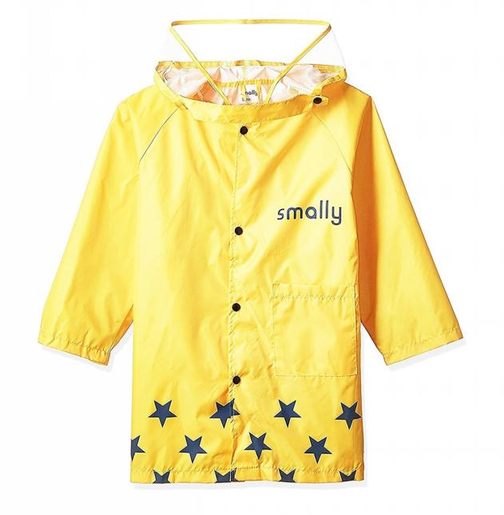 | S |  |  | 0
T005 | B07K5RYSRY | HB-E5PD-U2WL |  |  | M |  |  | 0
T005 | B07K5S9ZFC | N9-GB8J-KI9M |  |  | L |  |  | 0
T005 | B07K5R541S | LG-ANQR-6C9P |  |  | XL |  |  | 0
T005 | B07K5S245H | B5-LEZJ-XOXC |  |  | XXL |  |  | 0
T005 | B07K5S3Q81 | RX-2HFK-D2O4 | ピンク | 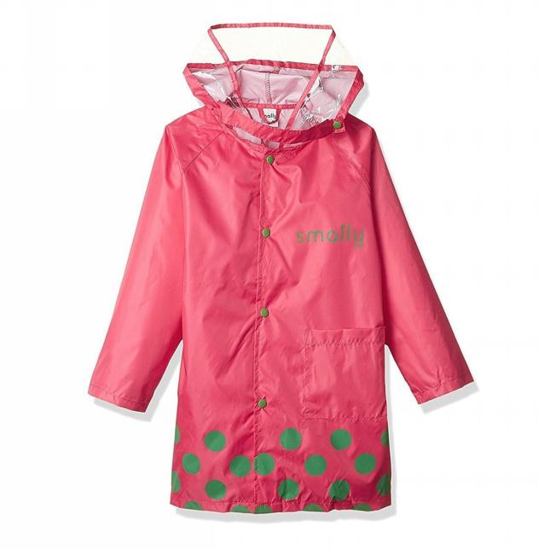 | S |  |  | 0
T005 | B07K5S4TZ9 | MO-6NAH-GNZ6 |  |  | M |  |  | 0
T005 | B07K5QW4S4 | X8-CEJ2-IGKF |  |  | L |  |  | 0
T005 | B07K5SMQ74 | NX-M2SX-8JR7 |  |  | XL |  |  | 0
T005 | B07K5RJJTC | 36-537G-65QK |  |  | XXL |  |  | 0
T005 | B07K5S1K82 | 9L-84XW-ZW1C | ブルー | 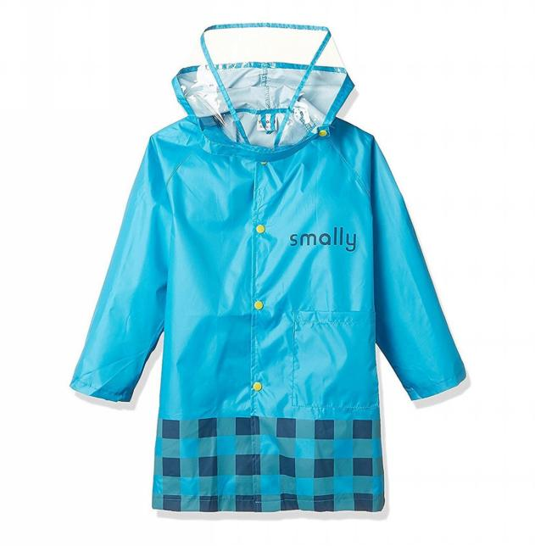 | S |  |  | 0
T005 | B07K5S3KNK | X8-MI20-UUAX |  |  | M |  |  | 0
T005 | B07K5SBZLJ | E5-S2IA-ES96 |  |  | L |  |  | 0
T005 | B07K5SL6NR | OJ-Q5O2-R6XK |  |  | XL |  |  | 0
T005 | B07K5SNL5L | 94-5N7D-MKR8 |  |  | XXL |  |  | 0
T006 | B07RSBWQL8 | X5-LK6D-Y7G3 | グレー | 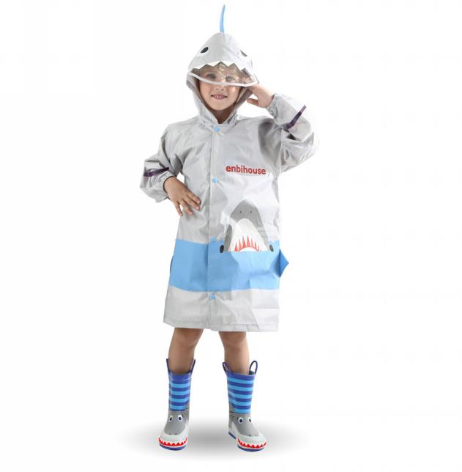 | S |  |  | 0
T006 | B07RN59781 | YB-YX5P-2VQT |  |  | M |  |  | 0
T006 | B07RR71B1P | 2T-HEXS-COB6 |  |  | L |  |  | 0
T006 | B07RP531NV | CO-9IM4-T6OQ |  |  | XL |  |  | 0
T006 | B07SSHRDYL | 0L-8U5H-FML5 |  |  | XXL |  |  | 0
T006 | B07RN54HFC | TL-QZQI-IY15 | ピンク | 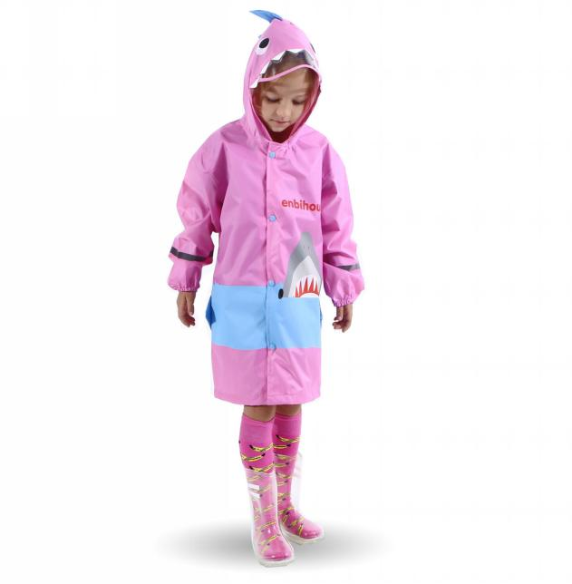 | S |  |  | 0
T006 | B07RP5SL37 | 1A-NZX0-PYW2 |  |  | M |  |  | 0
T006 | B07RS97TQ3 | O4-KJHQ-JLGU |  |  | L |  |  | 0
T006 | B07RQ5N9DN | H2-E3RM-NID1 |  |  | XL |  |  | 0
T006 | B07STK9L36 | OG-M4YQ-0HF3 |  |  | XXL |  |  | 0
T006 | B07RQ4P2QP | LH-V8JE-G68U | ブルー | 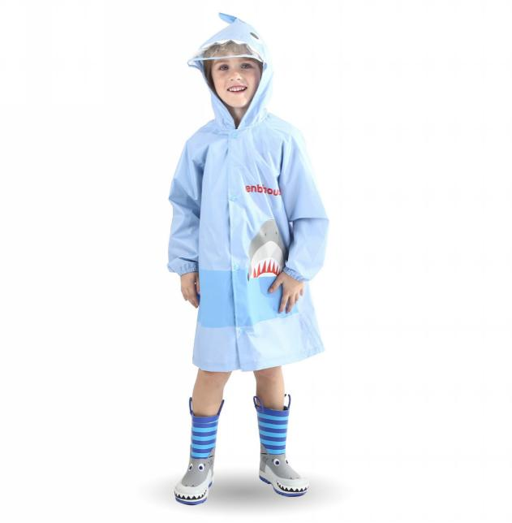 | S |  |  | 0
T006 | B07RR8Y437 | G7-BVYT-AI93 |  |  | M |  |  | 0
T006 | B07RP6WZZR | TG-10BG-Z2R9 |  |  | L |  |  | 0
T006 | B07RTH7YYW | 87-W2HM-4SWM |  |  | XL |  |  | 0
T006 | B07STJT6TQ | GC-NI2J-APAG |  |  | XXL |  |  | 0
T007 | B077VSSFGH | B1-V2N2-J8BN | ブラック | 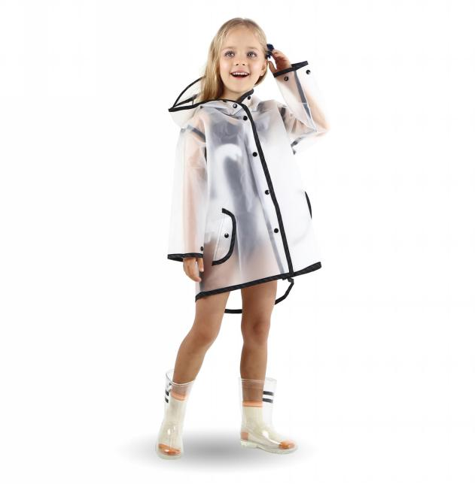 | S |  |  | 0
T007 | B077VTPBC2 | PK-LF7F-7NQF |  |  | M |  |  | 0
T007 | B077VVKF43 | ML-8QBG-3WLZ |  |  | L |  |  | 0
T007 | B077VSVXYC | M9-CRQJ-1EUU |  |  | XL |  |  | 0
T007 | B077VWS1WM | 6I-0H96-18IA |  |  | XXL |  |  | 0
T007 | B0785671P8 | EV-TGZ8-084V | ホワイト | 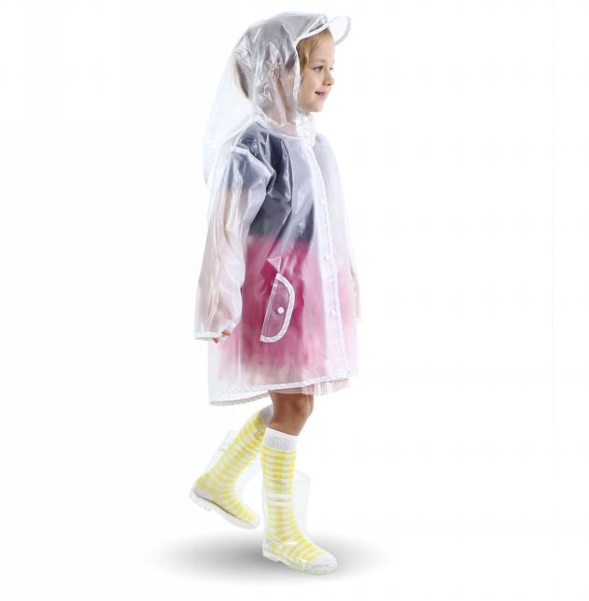 | S |  |  | 0
T007 | B077VSSXJX | O5-VCC0-95D9 |  |  | M |  |  | 0
T007 | B077VSN4H6 | YV-GX4F-U1JK |  |  | L |  |  | 0
T007 | B077VT3Z3N | U0-2W5T-JP0A |  |  | XL |  |  | 0
T007 | B077VYDWWP | MH-OWU7-QZ6B |  |  | XXL |  |  | 0
T008 | B07RQ5DN1M | GG-3VCR-CTG2 | グリーン | 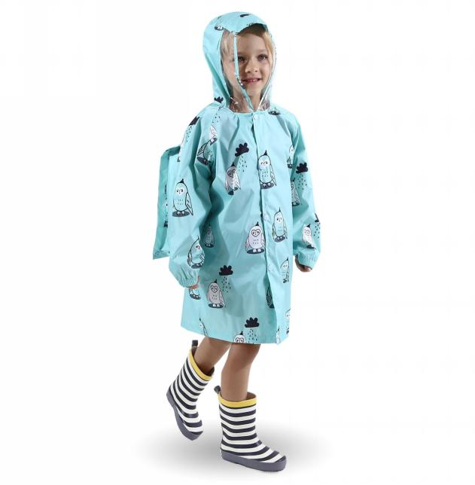 | S |  |  | 0
T008 | B07RP7495M | NN-HJCD-N9FE |  |  | M |  |  | 0
T008 | B07RR92VY8 | MZ-Z063-LUOE |  |  | L |  |  | 0
T008 | B07RQ5RH2Y | F2-12TH-TN4S |  |  | XL |  |  | 0
T008 | B07RQ4PJML | LM-W2YT-YFF8 |  |  | XXL |  |  | 0
T008 | B07RQ4P48F | X9-AILJ-IY98 |  |  | XXXL |  |  | 0
T008 | B07RN3QRFD | V6-3DBB-5J62 | グレー | 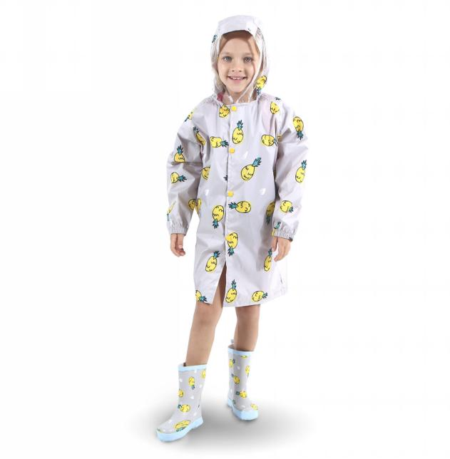 | S |  |  | 0
T008 | B07RP62386 | A6-0POG-ZP4D |  |  | M |  |  | 0
T008 | B07RP5F6PR | PR-MQFU-S8KG |  |  | L |  |  | 0
T008 | B07RQ4D55K | GX-E4TE-0RFF |  |  | XL |  |  | 0
T008 | B07RR6YYFZ | LQ-0N26-JIVF |  |  | XXL |  |  | 0
T008 | B07RVJTTB5 | I1-DFGF-BWEG |  |  | XXXL |  |  | 0
T008 | B07RN5DSBD | 9W-LC9N-P0NQ | ピンク | 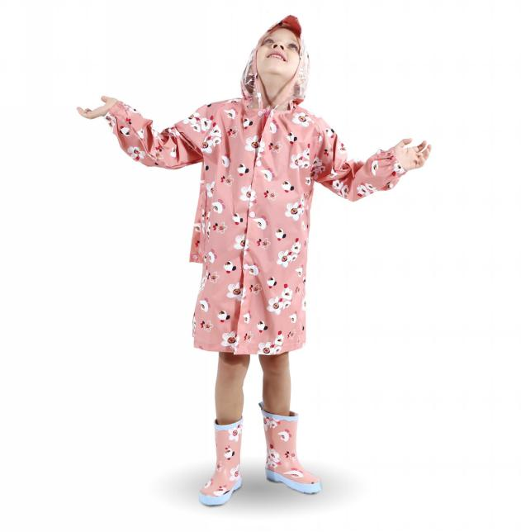 | S |  |  | 0
T008 | B07RP5RVVV | AF-0BOJ-58FU |  |  | M |  |  | 0
T008 | B07RQ5TWY8 | LV-LGP7-RH5F |  |  | L |  |  | 0
T008 | B07RN3R4CY | FN-VIR3-GDHQ |  |  | XL |  |  | 0
T008 | B07RS9PZVZ | LW-8PD5-8DC1 |  |  | XXL |  |  | 0
T008 | B07RN5DNXS | F6-ONE1-992E |  |  | XXXL |  |  | 0
T008 | B07RN4L7SQ | MD-TJTP-5QQW | ブルー | 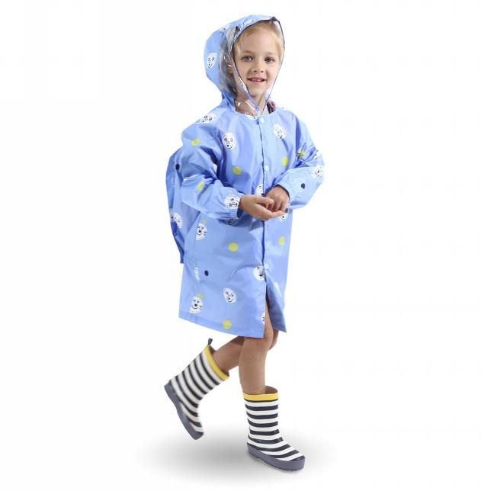 | S |  |  | 0
T008 | B07RQ5V9L2 | R2-8QYY-5OY0 |  |  | M |  |  | 0
T008 | B07RP5Y4R4 | 1M-UIA7-WLFP |  |  | L |  |  | 0
T008 | B07RS9GFCN | F0-6RN8-7FE6 |  |  | XL |  |  | 0
T008 | B07RSBVWBK | GY-5YV1-YMBZ |  |  | XXL |  |  | 0
T008 | B07RQ4X4HH | SC-L11G-UAEX |  |  | XXXL |  |  | 0
T009 | B07RP68X1C | HF-W0WE-2S93 |  | 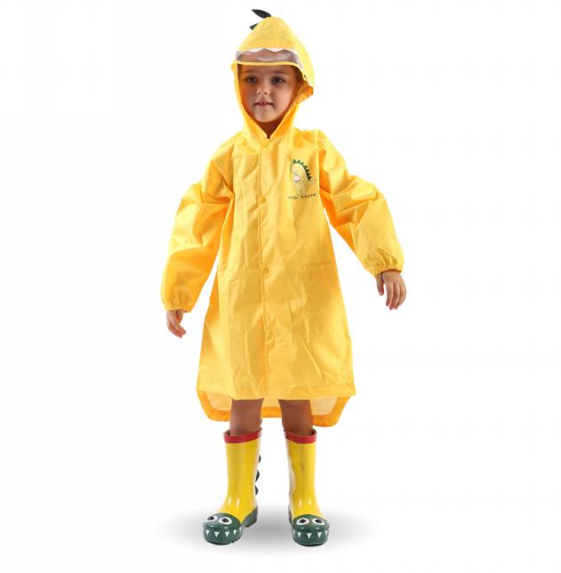 | S |  |  | 0
T009 | B07RN3F944 | PX-L66W-SATD |  |  | M |  |  | 0
T009 | B07RP5CMMY | TW-JZWW-KQAK |  |  | L |  |  | 0
T009 | B07RQ4M7ZG | 22-9KDS-HIZ1 |  |  | XL |  |  | 0
T010 | B07RQ4V5TL | D7-IW96-J4L1 | ピンク | 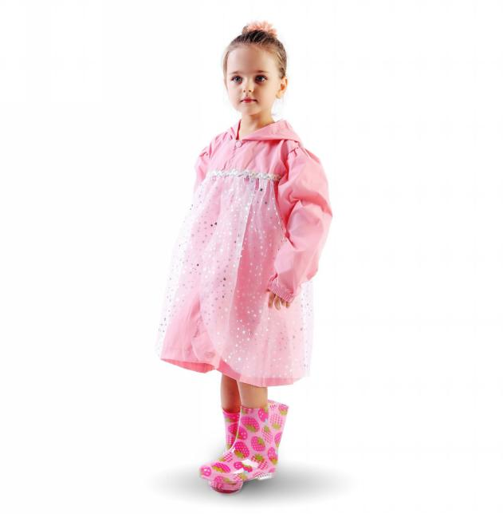 | S |  |  | 0
T010 | B07RP5YSYZ | KH-0RZG-S1GO |  |  | M |  |  | 0
T010 | B07RP581QF | M5-KPD9-RB5V |  |  | L |  |  | 0
T010 | B07RN3T64S | HU-4C3A-YQ59 |  |  | XL |  |  | 0
T010 | B07RP6Q7SK | L7-WXI9-AW9P |  |  | XXL |  |  | 0
T010 | B07RN4V5RG | J6-656F-SFOE | ブルー | 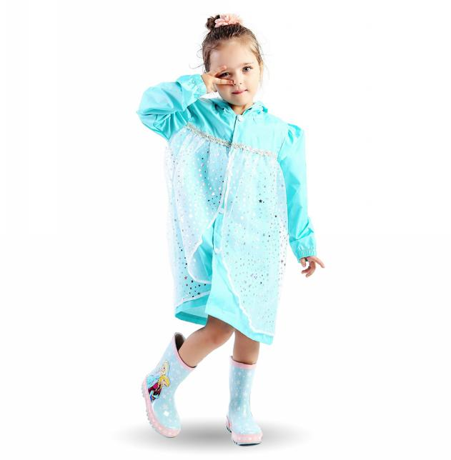 | S |  |  | 0
T010 | B07RTGGKQP | H3-D2Y7-HO7V |  |  | M |  |  | 0
T010 | B07RR6Y96L | F4-DJYL-ZFI7 |  |  | L |  |  | 0
T010 | B07RTHQ2KZ | DU-P06F-VJBB |  |  | XL |  |  | 0
T010 | B07RN46T9J | LU-ZKNB-TZVQ |  |  | XXL |  |  | 0
T011 | B0B1VKJGMK | I8-CAE1-HK48 | イエローライオン | 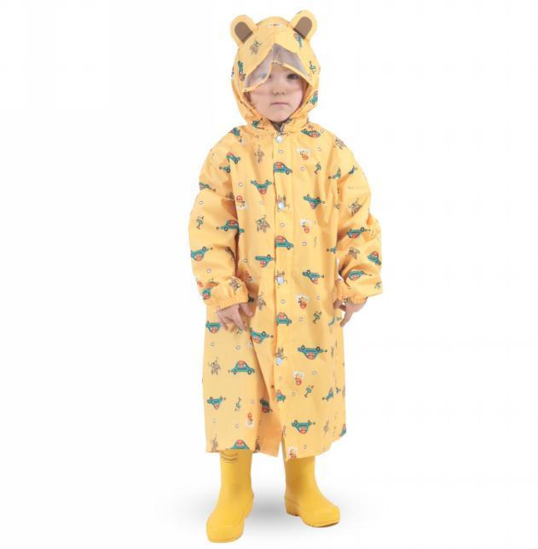 | S |  |  | 0
T011 | B0B1VKBBYS | UG-G9C2-NZ3H |  |  | M |  |  | 0
T011 | B0B1VMKBH6 | HE-EJK1-JZ8E |  |  | L |  |  | 0
T011 | B0B1VMNM1H | TK-HDPN-24QO |  |  | XL |  |  | 0
T011 | B0B1VM5KN9 | ZP-THGH-ZY7D |  |  | XXL |  |  | 0
T011 | B0B1VLRH1X | G5-83U4-1ZXA | ピンクウサギ | 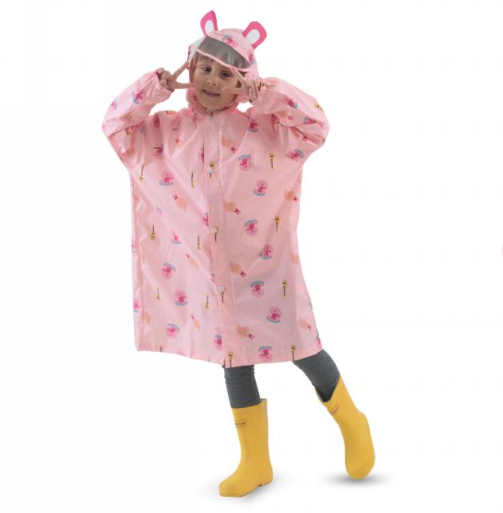 | S |  |  | 0
T011 | B0B1VNWCNW | 49-3LU5-0W12 |  |  | M |  |  | 0
T011 | B0B1VLLR8D | 4J-972F-LZOQ |  |  | L |  |  | 0
T011 | B0B1VMFDWP | Z1-VUU9-82P7 |  |  | XL |  |  | 0
T011 | B0B1VLCL1M | 29-81KW-WWVL |  |  | XXL |  |  | 0
T011 | B0B1VLWX5F | FM-61TW-KL1F | ブルー恐竜柄 | 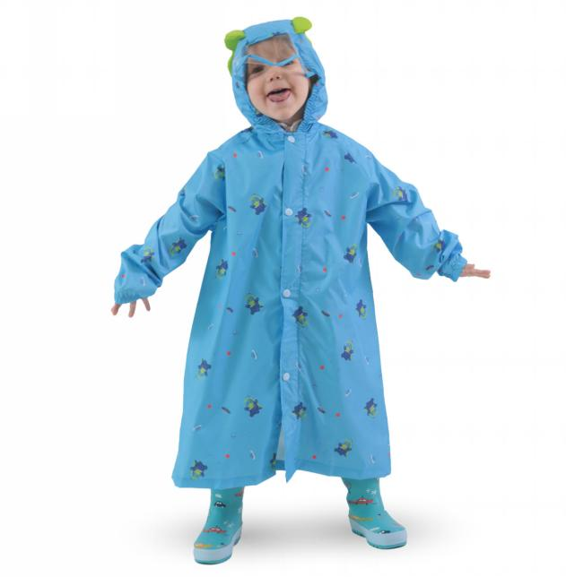 | S |  |  | 0
T011 | B0B1VL74HG | 9G-D1US-1N8Q |  |  | M |  |  | 0
T011 | B0B1VM8X4N | 0W-RCOB-4NRD |  |  | L |  |  | 0
T011 | B0B1VKKVDC | KV-H523-LEB2 |  |  | XL |  |  | 0
T011 | B0B1VKZFGV | U5-D45P-VL0B |  |  | XXL |  |  | 0
T011 | B0B1VLGZCP | IA-PET0-ITOQ | ライムイエローネコ | 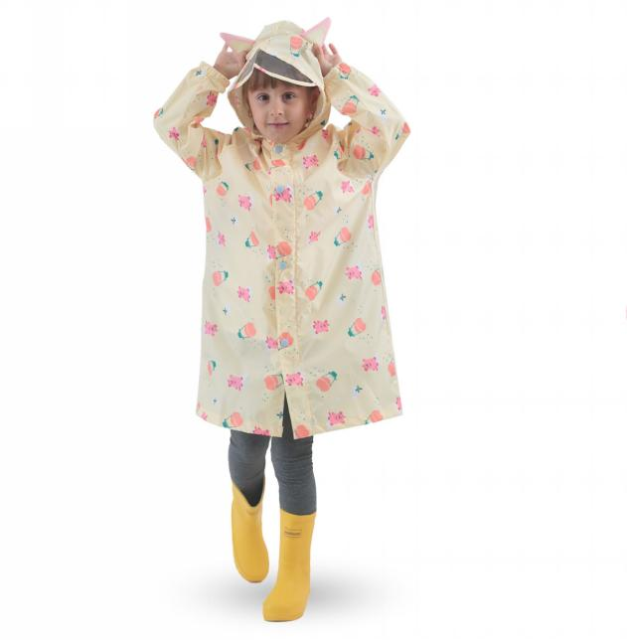 | S |  |  | 0
T011 | B0B1VR15Q9 | RX-2IJ5-L8XZ |  |  | M |  |  | 0
T011 | B0B1VKD81Q | IV-QEFH-STVU |  |  | L |  |  | 0
T011 | B0B1VKTV1B | 0D-X76G-A4UZ |  |  | XL |  |  | 0
T011 | B0B1VLFV4Q | 4T-5C9T-6EYC |  |  | XXL |  |  | 0
T012 | B0B1VQRNJR | US-OH0Y-DZJN | ウサギ | 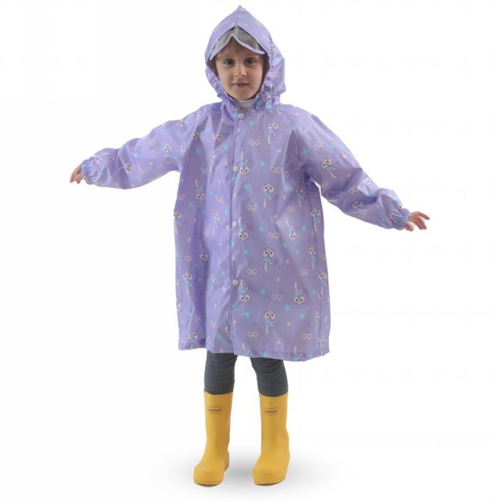 | S |  |  | 0
T012 | B0B1VR91S8 | 39-62ZM-5VA7 |  |  | M |  |  | 0
T012 | B0B1VQ33GC | MD-6D6Z-EUFT |  |  | L |  |  | 0
T012 | B0B1VMTL5F | YO-VMCX-X2PP |  |  | XL |  |  | 0
T012 | B0B1VPF2MH | CZ-F8XU-0AJY |  |  | XXL |  |  | 0
T013 | B0B3LXFVG9 | 57-5UCM-3YDR | 自動車柄 | 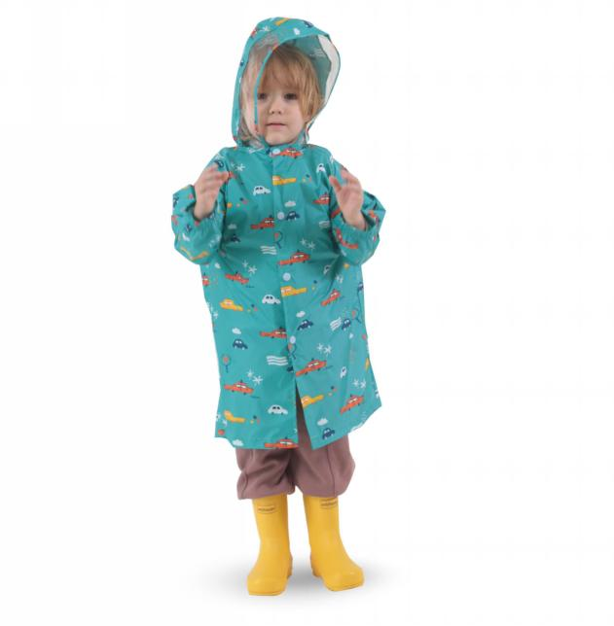 | S |  |  | 0
T013 | B0B3LJ11Q7 | T8-L5ZN-T8OW |  |  | M |  |  | 0
T013 | B0B3LRNJ4C | 7L-VIH8-AFE4 |  |  | L |  |  | 0
T013 | B0B3LWL1FQ | WJ-Q5ML-D1TD |  |  | XL |  |  | 0
T013 | B0B3LR181Y | T6-G4A1-RR8E |  |  | XXL |  |  | 0
T013 | B0B4NVH234 | 4E-8JAQ-UHTH |  |  | XXXL |  |  | 0
T303 | B089WGQJT1 | SH-OD0M-HDQG | イエロー | 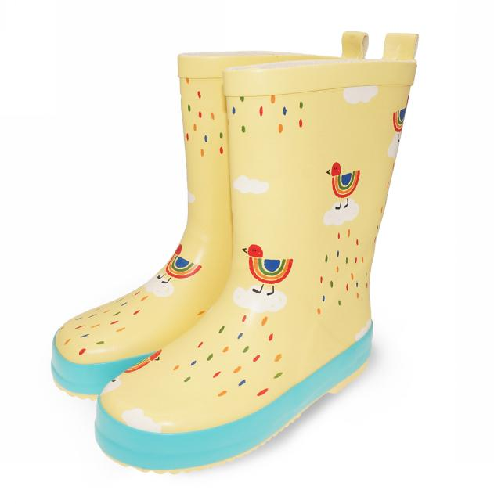 | 23 内寸15cm |  |  | 0
T303 | B089WGVVVS | 5E-IANH-I1KD |  |  | 24 内寸16cm |  |  | 0
T303 | B089WG1M7S | TR-8MGZ-II7N |  |  | 26 内寸17cm |  |  | 0
T303 | B089WH2RHR | 49-XIYM-U7XE |  |  | 28 内寸18.5cm |  |  | 0
T303 | B089WHDKSW | LD-NEWP-5XTB |  |  | 29 内寸19cm |  |  | 0
T303 | B089WG52FC | GU-26TQ-VQCD |  |  | 31 内寸20cm |  |  | 0
T303 | B089WG5M44 | TR-7WMM-B1MU |  |  | 32 内寸21cm |  |  | 0
T303 | B089WG5M44 | TR-7WMM-B1MU |  |  | 32 内寸21cm |  |  | 0
T303 | B098DYTNQM | 74-MTWF-NKK7 |  |  | 34 内寸22.5cm |  |  | 0
T303 | B089WG4GNW | F6-17RZ-7XNS | ピンク | 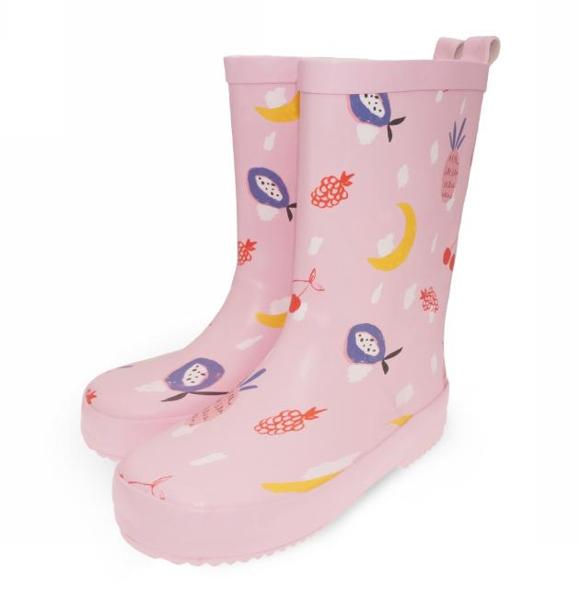 | 23 内寸15cm |  |  | 0
T303 | B089WHDKSV | Z6-YMP1-EWGJ |  |  | 24 内寸16cm |  |  | 0
T303 | B089WFCXXN | P9-1NZZ-WWI3 |  |  | 26 内寸17cm |  |  | 0
T303 | B089WGVH9V | EY-8OND-A9O0 |  |  | 28 内寸18.5cm |  |  | 0
T303 | B089WH1W1T | 9I-ACXI-QZ5Y |  |  | 29 内寸19cm |  |  | 0
T303 | B089WHDBNT | 3N-Y4NV-OZB5 |  |  | 31 内寸20cm |  |  | 0
T303 | B089WGKK93 | HU-8Z2R-UHYK |  |  | 32 内寸21cm |  |  | 0
T303 | B089WGKK93 | HU-8Z2R-UHYK |  |  | 32 内寸21cm |  |  | 0
T303 | B098DXXPTC | 86-XZB0-HL4R |  |  | 34 内寸22.5cm |  |  | 0
T306 | B089WJCGT7 | 0R-13SI-4BUS | サメ柄 | 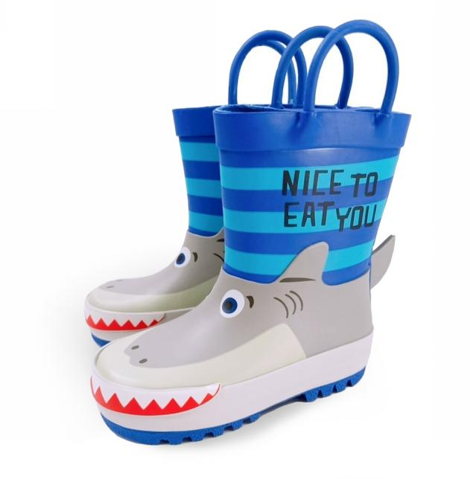 | 23 内寸15cm |  |  | 0
T306 | B089WHLQGT | EW-TDOM-26PY |  |  | 24 内寸16cm |  |  | 0
T306 | B089WHXT1Z | SN-NFFV-BYW0 |  |  | 26 内寸17cm |  |  | 0
T306 | B089WGPBWW | N4-FJS5-AX0C |  |  | 28 内寸18.5cm |  |  | 0
T306 | B089WH17QK | UY-Y0MP-V8FJ |  |  | 29 内寸19cm |  |  | 0
T306 | B089WGW78M | EV-5CEC-EMJP |  |  | 31 内寸20cm |  |  | 0
T306 | B089WH8GWJ | XA-MQVG-UFQV |  |  | 32 内寸21cm |  |  | 0
T306 | B089WH8GWJ | XA-MQVG-UFQV |  |  | 32 内寸21cm |  |  | 0
T306 | B08GG8RKG3 | E5-G387-R7Z0 | 恐竜柄 | 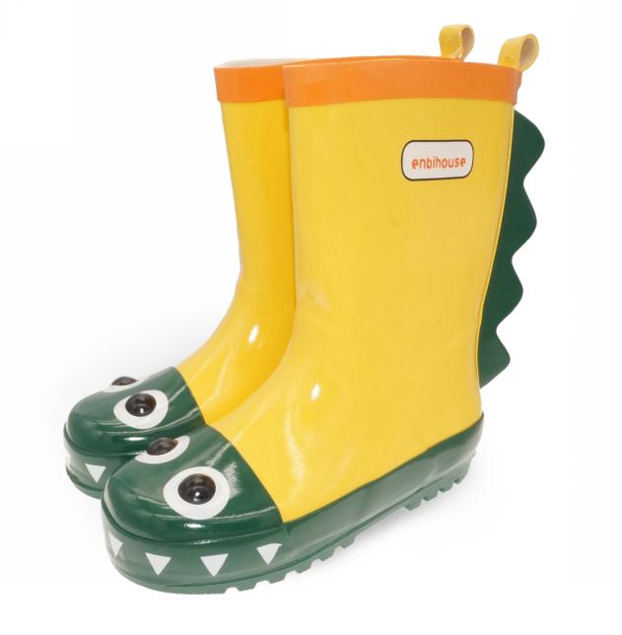 | 23 内寸15cm |  |  | 0
T306 | B08GG87RFR | 1J-TXWH-FIOJ |  |  | 24 内寸16cm |  |  | 0
T306 | B08GG8QJ4Y | 6S-3OY9-PWTU |  |  | 26 内寸17cm |  |  | 0
T306 | B08GG8S24J | GV-5KOA-V4XJ |  |  | 28 内寸18.5cm |  |  | 0
T306 | B08GG8RX1P | 74-WOSV-C2AH |  |  | 29 内寸19cm |  |  | 0
T306 | B08GGBQGFP | C7-0SVD-ARIO |  |  | 31 内寸20cm |  |  | 0
T306 | B08GG94YT2 | OY-R9CB-PGTG |  |  | 32 内寸21cm |  |  | 0
T306 | B08GG94YT2 | OY-R9CB-PGTG |  |  | 32 内寸21cm |  |  | 0
T306 | B08B1RTBC9 | BL-6R6N-YARS | 人魚柄 | 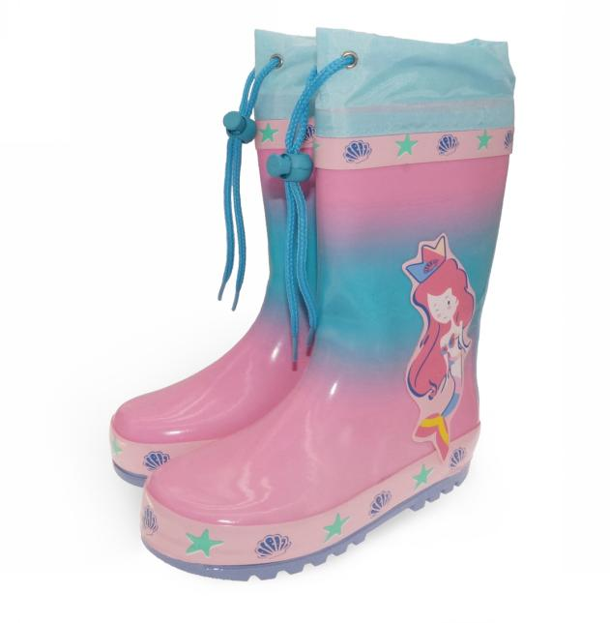 | 23 内寸15cm |  |  | 0
T306 | B08B1SB1DP | WD-OW75-PHRJ |  |  | 24 内寸16cm |  |  | 0
T306 | B08B1RJPWV | K1-2G6E-3NBD |  |  | 26 内寸17cm |  |  | 0
T306 | B08B1RFP7K | I7-KNSX-WX6Y |  |  | 28 内寸18.5cm |  |  | 0
T306 | B08B1RN7V3 | F8-C25M-QJFW |  |  | 29 内寸19cm |  |  | 0
T306 | B08B1RQFSX | GW-QI46-YDN9 |  |  | 31 内寸20cm |  |  | 0
T306 | B08B1SCB4C | AM-5SQ0-118U |  |  | 32 内寸21cm |  |  | 0
T306 | B08B1SCB4C | AM-5SQ0-118U |  |  | 32 内寸21cm |  |  | 0
T308 | B089Y2T8BZ | IJ-I7ZU-ZNHG | グリーン | 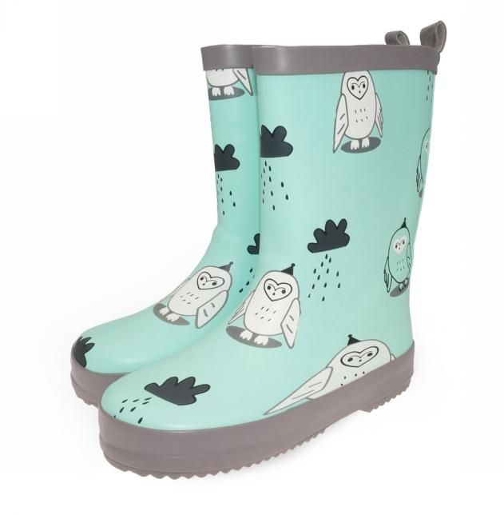 | 23 内寸15cm |  |  | 0
T308 | B089YBK6VH | I6-UJFU-XBSO |  |  | 24 内寸16cm |  |  | 0
T308 | B089Y3K8VM | 6W-T59B-X4CS |  |  | 26 内寸17cm |  |  | 0
T308 | B089Y1Z47X | J3-4N2I-PGG1 |  |  | 28 内寸18.5cm |  |  | 0
T308 | B089XT4HBK | SX-5OGR-3BLH |  |  | 29 内寸19cm |  |  | 0
T308 | B089Y6YY1T | A5-0ORL-RJOS |  |  | 31 内寸20cm |  |  | 0
T308 | B089Y5BKR6 | HI-AN83-A4ZL |  |  | 32 内寸21cm |  |  | 0
T308 | B089Y5BKR6 | HI-AN83-A4ZL |  |  | 32 内寸21cm |  |  | 0
T308 | B098DWTGXY | 28-JBW4-RJOM |  |  | 34 内寸22.5cm |  |  | 0
T308 | B089YBYJDS | Q0-HG8U-P1E5 | ピンク | 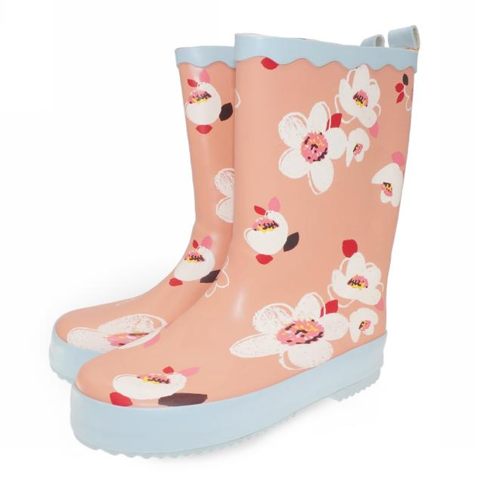 | 23 内寸15cm |  |  | 0
T308 | B089Y5K3LH | A2-8C3Q-TP3H |  |  | 24 内寸16cm |  |  | 0
T308 | B089XZRV3Z | 9N-4FPK-JMKR |  |  | 26 内寸17cm |  |  | 0
T308 | B089XVJJ3C | 0F-QOYL-CX4N |  |  | 28 内寸18.5cm |  |  | 0
T308 | B089Y5Q82W | CT-Q374-BJ1E |  |  | 29 内寸19cm |  |  | 0
T308 | B089Y1Z47W | Z1-3OLT-QHNT |  |  | 31 内寸20cm |  |  | 0
T308 | B089YK77LM | T4-YR3Z-ZGYO |  |  | 32 内寸21cm |  |  | 0
T308 | B089YK77LM | T4-YR3Z-ZGYO |  |  | 32 内寸21cm |  |  | 0
T308 | B098DWFVRW | NM-TVF4-T6PJ |  |  | 34 内寸22.5cm |  |  | 0
T308 | B089XXZG2B | MP-V48A-NX79 | ブルー | 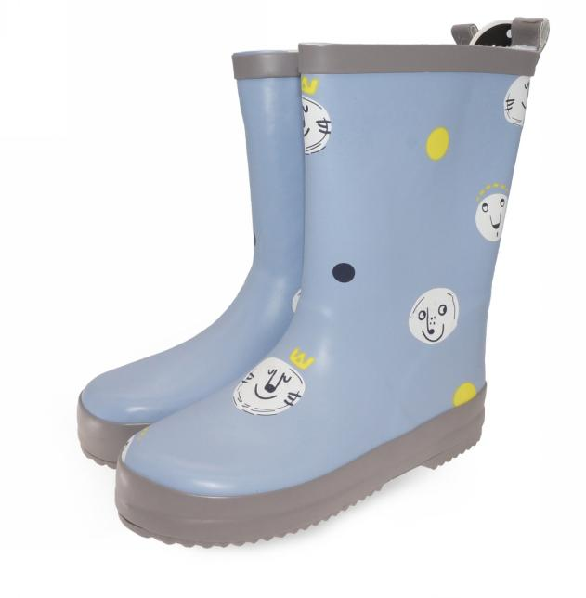 | 23 内寸15cm |  |  | 0
T308 | B089Y996WK | ZC-60UA-LMFU |  |  | 24 内寸16cm |  |  | 0
T308 | B089YFH2HZ | E3-46MA-X1C7 |  |  | 26 内寸17cm |  |  | 0
T308 | B089Y37ZLW | TU-NT1P-94U3 |  |  | 28 内寸18.5cm |  |  | 0
T308 | B089XVC243 | 2H-KCMM-7HS3 |  |  | 29 内寸19cm |  |  | 0
T308 | B089Y7WWQ5 | 2T-ZO0G-08M7 |  |  | 31 内寸20cm |  |  | 0
T308 | B089Y42MCJ | 1W-V35B-OQU4 |  |  | 32 内寸21cm |  |  | 0
T308 | B089Y42MCJ | 1W-V35B-OQU4 |  |  | 32 内寸21cm |  |  | 0
T308 | B098DW4D5R | BZ-KCIJ-LMF9 |  |  | 34 内寸22.5cm |  |  | 0
T308 | B089Y4QLXH | BD-BCHN-38VX | ホワイト | 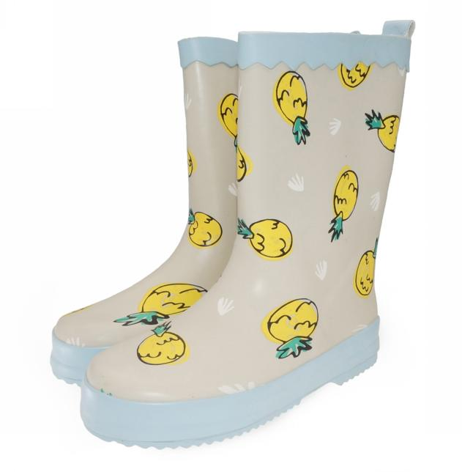 | 23 内寸15cm |  |  | 0
T308 | B089Y6X7PH | WU-IPMQ-5LQ3 |  |  | 24 内寸16cm |  |  | 0
T308 | B089XWCQPT | SP-KYR9-PT7T |  |  | 26 内寸17cm |  |  | 0
T308 | B089XVNZVJ | A5-E10V-I6VF |  |  | 28 内寸18.5cm |  |  | 0
T308 | B089XYRGZB | SX-6PUQ-K56B |  |  | 29 内寸19cm |  |  | 0
T308 | B089Y5T5HG | NO-T7XI-7XIR |  |  | 31 内寸20cm |  |  | 0
T308 | B089Y9LF2J | RV-6PGA-WUBW |  |  | 32 内寸21cm |  |  | 0
T308 | B089Y9LF2J | RV-6PGA-WUBW |  |  | 32 内寸21cm |  |  | 0
T308 | B098DY7FKV | 8Y-61YG-X1OY |  |  | 34 内寸22.5cm |  |  | 0
T309 | B09838BD2Z | IZ-KJI2-9ICQ | イエロー | 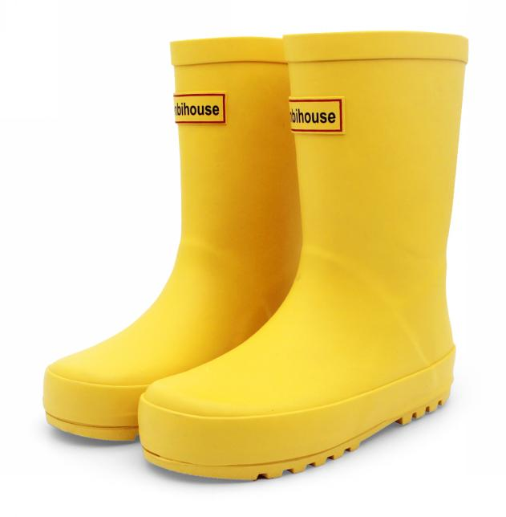 | 24 内寸15.5cm |  |  | 0
T309 | B09838WLPH | MM-RGM0-JIRO |  |  | 26 内寸17cm |  |  | 0
T309 | B09837WP97 | IU-YYJQ-NCR5 |  |  | 28 内寸18cm |  |  | 0
T309 | B09838LPZC | GP-7JNG-JM04 |  |  | 30 内寸19.5cm |  |  | 0
T309 | B09837JSYS | 9G-33E6-R3JX |  |  | 32 内寸21cm |  |  | 0
T309 | B09837JSYS | 9G-33E6-R3JX |  |  | 32 内寸21cm |  |  | 0
T309 | B09838NFL3 | 91-6HG1-LVP0 |  |  | 34 内寸22.5cm |  |  | 0
T309 | B0983P7ZQ2 | TV-KRHB-L7VJ |  |  | 36 内寸24.5cm |  |  | 0
W001 | B0888D9C3Y | 2N-YXQP-8NK5 |  |  | S |  |  | 0
W001 | B0888BSL15 | 57-JBDV-873U |  |  | M |  |  | 0
W001 | B0888BTMJQ | JW-V3Y7-VVWA |  |  | L |  |  | 0
W001 | B0888CBJL3 | 2T-CEDX-VBNH |  |  | XL |  |  | 0
W002 | B093JZ2JB9 | 01-ESOX-AV8Q | A |  | S |  |  | 0
W002 | B093KN1JQR | JW-7LG8-28A1 |  |  | M |  |  | 0
W002 | B093K5D4MD | 4H-Z807-Q82E |  |  | L |  |  | 0
W002 | B093KCMXG4 | L5-0F9K-3CIA |  |  | XL |  |  | 0
W002 | B07RNDMKL4 | LW-7QAC-4VPC | B | 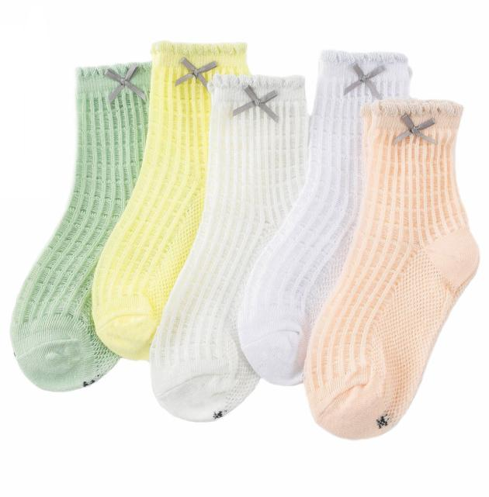 | S |  |  | 0
W002 | B07RQDTBS5 | 8Y-2G1L-L551 |  |  | M |  |  | 0
W002 | B07RPGFKYW | MH-HDGL-UPY9 |  |  | L |  |  | 0
W002 | B07RRJ3FXS | PZ-MY3D-O8VJ |  |  | XL |  |  | 0
W003 | B07RRJ3RVV | 91-7A3K-7U8I |  | 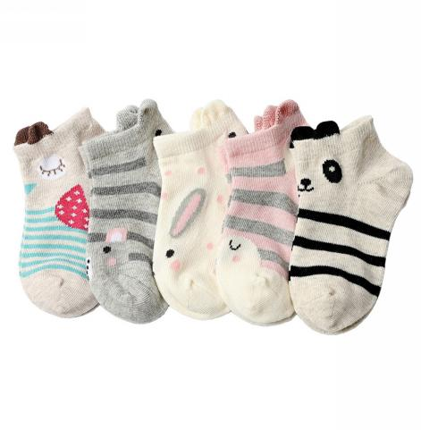 | S |  |  | 0
W003 | B07RNDMDMY | NR-5Z4P-2YBS |  |  | M |  |  | 0
W003 | B07RNDP5VC | 3T-Y9S7-7048 |  |  | L |  |  | 0
W004 | B07RQDXCK5 | TT-YB22-DG26 |  |  | S |  |  | 0
W004 | B07RNDPTNQ | YC-MZU6-0SLW |  |  | M |  |  | 0
W004 | B07RQDXKKW | 23-SVOF-WCB1 |  |  | L |  |  | 0
W004 | B08L537TYN | 0R-RVC0-FYJE |  |  | XL |  |  | 0
W005 | B07RRJ2MLN | QU-WN46-REY2 |  | 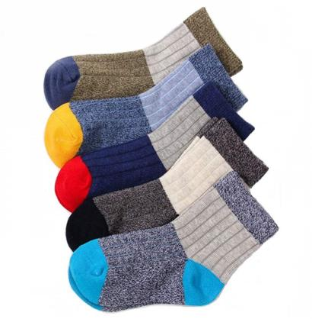 | S |  |  | 0
W005 | B07RRJ5TNV | C8-VY3A-HL06 |  |  | M |  |  | 0
W005 | B07RNDQ5S7 | 8Q-VTYS-YQ5Z |  |  | L |  |  | 0
W006 | B07RTNMVT2 | KG-RIPQ-GZ7M |  | 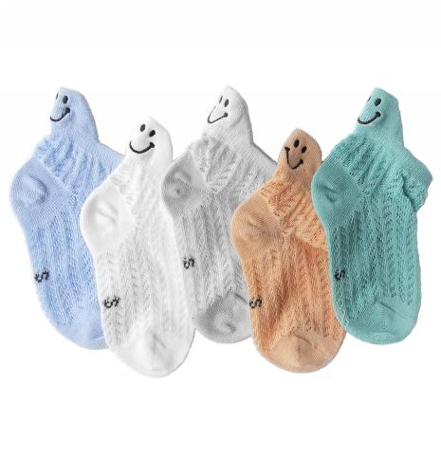 | S |  |  | 0
W006 | B07RSL2W2K | D9-5648-KNY4 |  |  | M |  |  | 0
W006 | B07RTLC13X | BE-B6BI-INN8 |  |  | L |  |  | 0
W006 | B093G4J9DN | E4-2YPH-CGMT |  |  | XL |  |  | 0
W007 | B07RTT7GB1 | 8C-6LFJ-DUQM | 女 | 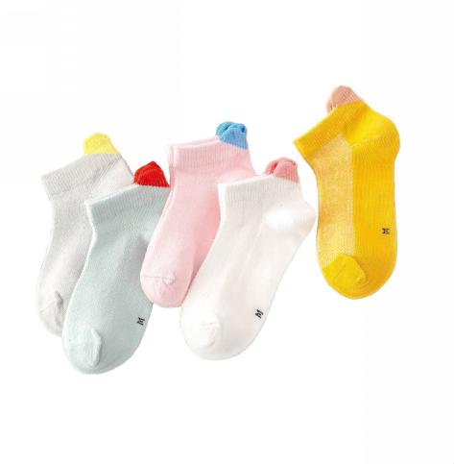 | S |  |  | 0
W007 | B07RPJH3V7 | SS-EB2Y-ZYLL |  |  | M |  |  | 0
W007 | B07RTQM5SH | BK-MBDJ-FND9 |  |  | L |  |  | 0
W007 | B093G4YTGH | 50-RB4X-I0UD |  |  | XL |  |  | 0
W007 | B07RQGYK5R | 6G-28VM-5OPH | 男 | 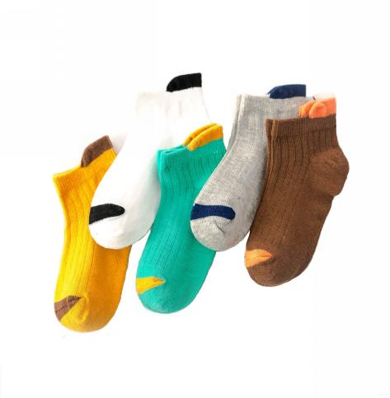 | S |  |  | 0
W007 | B07RSN6319 | 8U-Q7NJ-DRW2 |  |  | M |  |  | 0
W007 | B07RRL7Q84 | 4O-JFNX-RKMV |  |  | L |  |  | 0
W007 | B093G52XGN | Y0-3WF8-8RHS |  |  | XL |  |  | 0
W008 | B07RRJ26W4 | 1Y-ZHNR-8I9D |  |  | S |  |  | 0
W008 | B07RTM1RM4 | KY-7KUB-0CGL |  |  | M |  |  | 0
W008 | B07RNDRFD3 | 8Q-AVCO-R7GF |  |  | L |  |  | 0
W009 | B07RRJ6MV5 | SE-OQ4V-FPIJ | カバ | 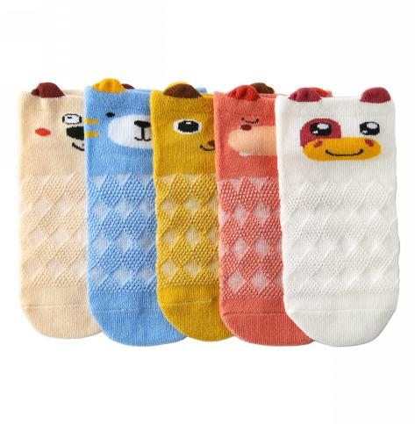 | S |  |  | 0
W009 | B07RSJKTMR | 2Z-OH3T-ZZA7 |  |  | M |  |  | 0
W009 | B07RRJ6YRS | VB-1HM8-YF5D |  |  | L |  |  | 0
W009 | B093K694W6 | VQ-VE96-KZ9J |  |  | XL |  |  | 0
W009 | B07RTLQZM8 | 6W-YIXA-ZQ6P | 車 | 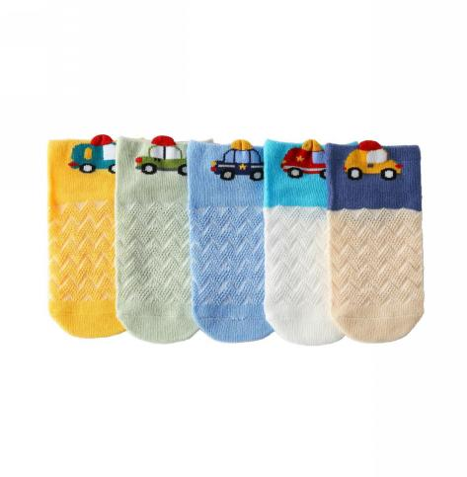 | S |  |  | 0
W009 | B07RNDRGNN | RY-0PQG-6BUX |  |  | M |  |  | 0
W009 | B07RTNM2SG | Q5-QNUI-E1XW |  |  | L |  |  | 0
W009 | B093KC4M19 | J5-L7JS-HX8H |  |  | XL |  |  | 0
W010 | B07RTK9R3K | 92-Y7D9-GO9Q |  | 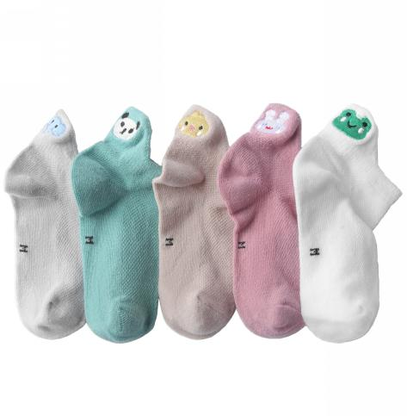 | S |  |  | 0
W010 | B07RSL86XB | 4A-DTGP-MQP7 |  |  | M |  |  | 0
W010 | B07RNDRCZX | P8-FVLY-MOEO |  |  | L |  |  | 0
W010 | B093K7DL66 | D6-EUV7-9J98 |  |  | XL |  |  | 0
W012 | B07RPGL2LF | IV-F3AS-6A46 |  |  | S |  |  | 0
W012 | B07RTNMPDX | 23-0YER-18BE |  |  | M |  |  | 0
W012 | B07RPGLCMB | TW-JA59-AXIP |  |  | L |  |  | 0
W012 | B08L4M4DJK | UF-7C9K-DWZX |  |  | XL |  |  | 0
W013 | B07RNDSMR4 | TS-SRTW-58DX |  |  | S |  |  | 0
W013 | B07RQF1SR2 | EC-RXI6-ZRMS |  |  | M |  |  | 0
W013 | B07RRJ9NF3 | FK-YHDF-YOTK |  |  | L |  |  | 0
W013 | B08L4MNN3W | T7-32LY-785E |  |  | XL |  |  | 0
W014 | B07RQDYY46 | VD-ECRR-8PWJ |  |  | S |  |  | 0
W014 | B07RTMCHRB | GF-U2DD-UGPU |  |  | M |  |  | 0
W014 | B07RTPF5FL | R9-SF7M-ULZR |  |  | L |  |  | 0
W015 | B07SPW68PB | 2C-JXSK-JWTF |  |  | S |  |  | 0
W015 | B07SNH78Z7 | LB-1ZU1-OVGV |  |  | M |  |  | 0
W015 | B07SNH74XS | ZB-T4K8-P7B6 |  |  | L |  |  | 0
W016 | B07SPX94WQ | 5T-VATW-H4Y5 |  |  | S |  |  | 0
W016 | B07SMBZ2ZB | GT-XJD0-RZ3X |  |  | M |  |  | 0
W016 | B07SPJCH1F | S7-QK3R-7GMW |  |  | L |  |  | 0
W017 | B07SPWL813 | 2A-4FUA-XKMU |  |  | S |  |  | 0
W017 | B07SPV611N | NS-7N9U-DWR1 |  |  | M |  |  | 0
W017 | B07SPWQD3T | F7-VUUV-OD1C |  |  | L |  |  | 0
W017 | B07SPZGD94 | BT-GNOC-X8Y0 |  |  | XL |  |  | 0
W017 | B07SPZD9NB | JH-6QHS-4DIJ |  |  | XXL |  |  | 0
W018 | B07SX74HGW | GR-TOHD-5ZNC | イチゴ |  | S |  |  | 0
W018 | B07STYCDP1 | Z9-4PQK-E7RU |  |  | M |  |  | 0
W018 | B07SX88GB9 | 6J-QKBU-6SG4 |  |  | L |  |  | 0
W018 | B093KPR8GB | L7-MHJQ-NXY2 |  |  | XL |  |  | 0
W018 | B07SW2B54C | X0-H4Z5-SJF8 | クマ |  | S |  |  | 0
W018 | B07STYQ8JN | 7P-W5QU-9AH9 |  |  | M |  |  | 0
W018 | B07SZT7FVL | 78-4IOZ-0IOA |  |  | L |  |  | 0
W018 | B093JQLHCX | VM-8MQ2-4OQG |  |  | XL |  |  | 0
W019 | B07SZTK5TQ | QQ-ASB4-1792 |  |  | S |  |  | 0
W019 | B07SY7458S | T1-N2NB-Q1TX |  |  | M |  |  | 0
W019 | B07STZSQF2 | UT-1YAF-6G6B |  |  | L |  |  | 0
W019 | B08L4KJDDL | RD-N19Y-ZKZI |  |  | XL |  |  | 0
W022 | B088D7Y6DL | 1R-KND6-P8AN | 多彩色のアルファベット |  | S |  |  | 0
W022 | B088D9NYBR | U8-VYCR-TAH1 |  |  | M |  |  | 0
W022 | B088D89BND | CZ-Y1O5-T1HH |  |  | L |  |  | 0
W022 | B088DB7MFP | CR-BD6G-5J99 |  |  | XL |  |  | 0
W022 | B09QHWKVSQ | 1T-LQ5G-BT2E | 動物柄 |  | S |  |  | 0
W022 | B09QHX365G | 8I-RTUV-OM87 |  |  | M |  |  | 0
W022 | B09QHW3DXH | 6P-O9LV-C5GR |  |  | L |  |  | 0
W022 | B09QHVNT46 | 47-P9CG-5ZX5 |  |  | XL |  |  | 0
W023 | B088D9QHN6 | VW-UYK8-9S5O | 菊柄-女 |  | S |  |  | 0
W023 | B088DC5DLS | NA-LBRP-JCFJ |  |  | M |  |  | 0
W023 | B088D9V9JQ | CV-ME1O-7VA7 |  |  | L |  |  | 0
W023 | B088D9MCN7 | WV-DEOA-5NE7 |  |  | XL |  |  | 0
W023 | B088D9KVNL | 84-5DVO-ARVI | 菊柄-男 |  | S |  |  | 0
W023 | B088D9VVRN | 7L-FLPL-4Y5Y |  |  | M |  |  | 0
W023 | B088DBY77F | 0M-3ELQ-5SV4 |  |  | L |  |  | 0
W023 | B088DC1H3M | RJ-QO5B-DDJC |  |  | XL |  |  | 0
W023 | B088DBDXMZ | OV-SBKN-9JIK | 純色-女 |  | S |  |  | 0
W023 | B088D9R3SN | NL-SBP4-N28Y |  |  | M |  |  | 0
W023 | B088D9PNV5 | SE-YQ47-WTHF |  |  | L |  |  | 0
W023 | B088D9QLWQ | RE-XZHV-3VSX |  |  | XL |  |  | 0
W023 | B088DBN1XC | O0-KL84-VM4X | 純色-男 |  | S |  |  | 0
W023 | B088DCBV8Y | QW-57FQ-HJ97 |  |  | M |  |  | 0
W023 | B088D9FFCY | 1X-DIVO-2ZYZ |  |  | L |  |  | 0
W023 | B088D9JHGN | 92-B6HQ-0C1S |  |  | XL |  |  | 0
W023 | B088D9MBWM | PM-8S2O-C57C | 笑い顔 |  | S |  |  | 0
W023 | B088D9QHN4 | PU-JOP6-FC5A |  |  | M |  |  | 0
W023 | B088DBMSHR | ZP-JI1N-PJUM |  |  | L |  |  | 0
W023 | B088D9BHZQ | SV-6F4C-ZW42 |  |  | XL |  |  | 0
W023 | B088D9KG8Z | 37-CWWU-73D3 | 動物柄 |  | S |  |  | 0
W023 | B088D9MRR4 | CW-JQI7-PL9B |  |  | M |  |  | 0
W023 | B088D9MYLT | 8B-NUB8-J7O4 |  |  | L |  |  | 0
W023 | B088DB1KY2 | UC-BNLP-88EH |  |  | XL |  |  | 0
W023 | B088D9XNFV | 3Z-60WN-SCCV | 白色 |  | S |  |  | 0
W023 | B088DBXRFV | OL-JWJ3-NTJ0 |  |  | M |  |  | 0
W023 | B088D9RP7W | ZR-DBKV-52F5 |  |  | L |  |  | 0
W023 | B088DC7C67 | 8X-KI9X-KUS0 |  |  | XL |  |  | 0
W024 | B087T2J4XV | J7-57G6-GT5G | A |  | S |  |  | 0
W024 | B087T7DKQQ | B4-YG71-8BI6 |  |  | M |  |  | 0
W024 | B087TFYLX5 | GD-76AL-SJNQ |  |  | L |  |  | 0
W024 | B087T3QWSB | F6-272O-7I6N | B |  | S |  |  | 0
W024 | B087TNYN2M | YL-430X-R4DB |  |  | M |  |  | 0
W024 | B087TJR3F7 | GN-G5T3-NA3I |  |  | L |  |  | 0
W024 | B087T2WK3T | IC-5K6W-77K3 | C |  | S |  |  | 0
W024 | B087TJKZPF | L1-DYSL-GLZP |  |  | M |  |  | 0
W024 | B087TJWH38 | JT-5YXJ-F172 |  |  | L |  |  | 0
W024 | B087T9HYDD | G3-SW24-6UI5 | D |  | S |  |  | 0
W024 | B087TH19W5 | M0-MBM1-G70I |  |  | M |  |  | 0
W024 | B087TD97FL | S0-A4RL-7QPA |  |  | L |  |  | 0
W024 | B087TBDY65 | 5C-HWA3-8XAM | E |  | S |  |  | 0
W024 | B087T5M36D | 38-MPSA-WEAS |  |  | M |  |  | 0
W024 | B087THPMM3 | SX-U8BR-RS05 |  |  | L |  |  | 0
W051 | B0888R8X1K | HP-WX5Y-2GXD | A（6足セット） |  | フリーサイズ |  |  | 0
W051 | B0888RXNZ1 | L1-K6FZ-V3I7 | B（6足セット） |  | フリーサイズ |  |  | 0
W051 | B0888QJ5MZ | 6A-XW56-AMDW | C（5足セット） |  | フリーサイズ |  |  | 0
W052 | B08R8LRV1V | VQ-EGVZ-VS1Q | クリスマス |  | S |  |  | 0
W052 | B08R8LXBYP | 58-ARG0-SH3W |  |  | M |  |  | 0
W052 | B08R8N3XZN | P8-3K70-NIJ4 |  |  | L |  |  | 0
W052 | B08R8N7SJT | NV-UN7X-U5RA |  |  | XL |  |  | 0
W101 | B07SY8KW7D | Z3-XTHR-KMEU |  |  | S |  |  | 0
W101 | B07STZQL61 | IL-1DYL-IXMN |  |  | M |  |  | 0
W101 | B07SV1BD6S | M9-RIG5-DRKF |  |  | L |  |  | 0
W102 | B07SW26RJM | TO-QMDL-C4AW |  |  | S |  |  | 0
W103 | B08R7F5X1M | DF-YQPU-FUA7 |  |  | S |  |  | 0
W103 | B08R7CRGQ2 | PJ-0JYF-XNE8 |  |  | M |  |  | 0
W103 | B08R7DQGW1 | CF-H81Q-36HT |  |  | L |  |  | 0
W103 | B08R7F2GXX | MJ-BMA6-349G |  |  | XL |  |  | 0
W104 | B07WWLJJXQ | 75-9G6N-8Y15 |  |  | S |  |  | 0
W104 | B07WYGC1WZ | 9G-GPV5-48BE |  |  | M |  |  | 0
W104 | B07WXPWX36 | T0-1970-RGBK |  |  | L |  |  | 0
W106 | B07WYQ47NG | 08-AUIO-RMCP |  |  | S |  |  | 0
W106 | B07WYZM98N | O5-6S5E-LOM7 |  |  | M |  |  | 0
W106 | B07WYZ4KGR | UO-BDNS-6X77 |  |  | L |  |  | 0
W107 | B07WYZ9RR4 | 6B-6VHD-51SG |  |  | S |  |  | 0
W107 | B07WZ18RDF | 1T-DNJW-2ZEQ |  |  | M |  |  | 0
W107 | B07WZ1RL1P | GL-XU62-YFCJ |  |  | L |  |  | 0
W108 | B07Z8NWYYS | DM-UQJE-0JJG | 車柄 |  | S |  |  | 0
W108 | B07Z8NLR5Z | WK-KJTY-O5PK |  |  | M |  |  | 0
W108 | B07Z8NK8VY | 49-4L7N-RWKA |  |  | L |  |  | 0
W109 | B07Z8QMKPJ | WU-UT4G-81B4 | 動物柄 |  | S |  |  | 0
W109 | B07Z8QBSQ7 | O0-DTB4-PWO0 |  |  | M |  |  | 0
W109 | B07Z8RB2PC | GW-0E0B-4VOQ |  |  | L |  |  | 0
W110 | B0829SLDXV | 2G-4M7E-CPTT | キリン柄 |  | S |  |  | 0
W110 | B0829SQV45 | SA-R75U-T8UJ |  |  | M |  |  | 0
W110 | B0829T2RHN | 8L-YZ5B-QMPT |  |  | L |  |  | 0
W110 | B0829RCZH4 | 2C-OMB5-LWES |  |  | XL |  |  | 0
W110 | B0829TMRDC | 7Z-W2HV-53GW | 自動車柄 |  | S |  |  | 0
W110 | B0829SMZW4 | OI-7LCF-JR5P |  |  | M |  |  | 0
W110 | B0829SF92W | Q4-WVP1-WFSX |  |  | L |  |  | 0
W110 | B0829T96PP | S0-6P3X-ACUO |  |  | XL |  |  | 0
W111 | B0829V456N | N3-RIAC-JHCV | 円柄 |  | S |  |  | 0
W111 | B0829T1XGR | L5-KRB8-08ZT |  |  | M |  |  | 0
W111 | B082B9T6BT | XG-5MA1-JP7A |  |  | L |  |  | 0
W401 | B093G8RXDS | VF-4T5V-BQWE | ウサギ2色セット |  | 2組セット |  |  | 0
W401 | B093G8VPJL | 1Y-5L5D-QYMK | クマ2色セット |  | 2組セット |  |  | 0
W401 | B093G83MXN | DH-BSJW-QLKQ | ライオン2色セット |  | 2組セット |  |  | 0
W501 | B07WXPPYD1 | QU-M5I1-C3KP | A |  | XS |  |  | 0
W501 | B07WXP6K11 | FN-PBNR-8JYV |  |  | S |  |  | 0
W501 | B07WYFS66X | AO-Y7F1-6RIG | B |  | XS |  |  | 0
W501 | B07Z8NVJ85 | 22-ZTAL-HTTC |  |  | S |  |  | 0
W501 | B07Z8P8FT4 | T0-1NR7-6BZT | C |  | XS |  |  | 0
W501 | B07Z8K9VY5 | L0-TJT5-O1PC |  |  | S |  |  | 0
W501 | B07SX64T59 | YF-SMQ4-JDE6 | D |  | XS |  |  | 0
W501 | B07SW2G6Q1 | AB-FKI2-ZULN |  |  | S |  |  | 0
W502 | B0BLKW8TLN | 7A-1UM9-KFHO | A |  | XS |  |  | 0
W502 | B0BLKV154N | WN-Q3B5-M7JW |  |  | S |  |  | 0
W502 | B0BLKXQ747 | 0W-EVIV-L8EC | B |  | XS |  |  | 0
W502 | B0BLKVPDPR | IU-VDAV-F134 |  |  | S |  |  | 0
W502 | B0BLKV4XT9 | NK-W0VD-N42D | C |  | XS |  |  | 0
W502 | B0BLKV9T7G | MP-Q5QB-4DR8 |  |  | S |  |  | 0
W502 | B0BLKSVLLV | AI-F2Z3-MENO | D |  | XS |  |  | 0
W502 | B0BLKW97Q3 | HW-5LZP-Q60U |  |  | S |  |  | 0
W503 | B0BLKRVXVT | GG-8PU8-I38E | ピンク |  | XS |  |  | 0
W503 | B0BLKRMCKG | YZ-CNWL-I4W6 |  |  | S |  |  | 0
W503 | B0BLKRB774 | S6-VLPP-LUI4 | ブルー |  | XS |  |  | 0
W503 | B0BLKRRWV3 | MB-IMUI-M887 |  |  | S |  |  | 0
W601 | B0BNGCXRN7 | JF-8TCP-BT89 | A |  | L |  |  | 0
W601 | B0BNGCLJTJ | TO-UX17-OIAP | B |  | L |  |  | 0
W601 | B0BNGB51Y3 | V5-G7YT-42OQ | C |  | L |  |  | 0
W601 | B0BNGC9ZTH | RC-VY99-TAQC | D |  | L |  |  | 0
W602 | B0BNGCVS2B | D5-1VCC-BVAW | A |  | M |  |  | 0
W602 | B0BNGF1FXH | LP-LIFZ-F44N | B |  | M |  |  | 0
W602 | B0BNGF6Y4D | Q9-5CG2-RZUN | C |  | M |  |  | 0
W602 | B0BNGDD8RW | R2-YCF8-Z5J4 | D |  | M |  |  | 0
P001 | B07ZDDV5G7 | 47-C4M2-5IGT | Best layers |  | 90cm |  |  | 0
P001 | B07ZDDSYD7 | 56-GPZ1-N4VR |  |  | 100cm |  |  | 0
P001 | B07ZDD5T4V | J9-94I6-9LXS |  |  | 110cm |  |  | 0
P001 | B07ZDD72KP | OT-1NRN-02AU |  |  | 120cm |  |  | 0
P001 | B07ZDDHLKC | M4-DHXK-KG7S |  |  | 130cm |  |  | 0
P001 | B07ZDF918T | LD-I0VS-L6WL | ピンクペンギン |  | 90cm |  |  | 0
P001 | B07ZDFFCRN | DQ-3THL-NTCB |  |  | 100cm |  |  | 0
P001 | B07ZDDL9MM | HR-B1DE-AHZ2 |  |  | 110cm |  |  | 0
P001 | B07ZDDGYCG | TJ-CNH6-19LX |  |  | 120cm |  |  | 0
P001 | B07ZDD4WLZ | OY-Q0PD-GBQO |  |  | 130cm |  |  | 0
P001 | B07ZDCZWF8 | Z2-RKNI-R052 | ピンク森 |  | 90cm |  |  | 0
P001 | B07ZDCX7QY | Z0-88HN-5GJI |  |  | 100cm |  |  | 0
P001 | B07ZDCY8YD | 47-ETP2-PRDO |  |  | 110cm |  |  | 0
P001 | B07ZDCMTSZ | UC-Q0G9-F94S |  |  | 120cm |  |  | 0
P001 | B07ZDCPB8Y | HW-3LSQ-LI50 |  |  | 130cm |  |  | 0
P001 | B07ZDDVQT1 | CT-AEZM-LEP3 | ブルー森 |  | 90cm |  |  | 0
P001 | B07ZDDPPQW | LO-WGEK-KN8B |  |  | 100cm |  |  | 0
P001 | B07ZDD9RTM | NX-F1QN-X0J4 |  |  | 110cm |  |  | 0
P001 | B07ZD8D36Y | 83-IIFW-0IH8 |  |  | 120cm |  |  | 0
P001 | B07ZDDDXT6 | EB-77OU-5T9F |  |  | 130cm |  |  | 0
P002 | B09NHN3MBN | LM-A6Y1-2K0H | ウサギ柄 |  | 100cm |  |  | 0
P002 | B09NJBRDCD | 1M-UAV8-BEOV |  |  | 110cm |  |  | 0
P002 | B09NHPHTSJ | QH-M533-IZEL |  |  | 120cm |  |  | 0
P002 | B09NHMXRTZ | 8G-OTZ5-Q7FY |  |  | 130cm |  |  | 0
P002 | B09NHNPGS3 | TI-2W16-L26O |  |  | 140cm |  |  | 0
P002 | B09NHPFTJN | A2-QYCP-2JFZ |  |  | 150cm |  |  | 0
P002 | B07ZD961DN | BF-WQP4-AD1S | オレンジ鹿 |  | 90cm |  |  | 0
P002 | B07ZDDFMHG | V9-SRNT-6O22 |  |  | 100cm |  |  | 0
P002 | B07ZDF2949 | A8-5E1R-YROC |  |  | 110cm |  |  | 0
P002 | B07ZDDRS9W | FG-HD5J-04QR |  |  | 120cm |  |  | 0
P002 | B07ZDDP87D | K9-Y27N-DG0Z |  |  | 130cm |  |  | 0
P002 | B09NHP7NVD | TS-NJQY-I7B3 | キリン柄 |  | 100cm |  |  | 0
P002 | B09NHN1572 | 1W-OT81-6YJZ |  |  | 110cm |  |  | 0
P002 | B09NJCRRZ4 | 9X-DKOD-YDZ9 |  |  | 120cm |  |  | 0
P002 | B09NHPKPWB | GM-LRGS-Y4VG |  |  | 130cm |  |  | 0
P002 | B09NHMC9QZ | 7V-TX8I-6JT1 |  |  | 140cm |  |  | 0
P002 | B09NHNK4KV | 4M-R6F0-TJRC |  |  | 150cm |  |  | 0
P002 | B07ZDFRRMS | YU-P2UP-W9LC | グレー花柄 |  | 90cm |  |  | 0
P002 | B07ZDDDCCZ | P0-UT25-UFX6 |  |  | 100cm |  |  | 0
P002 | B07ZDDDMBX | TM-2RVC-QEMP |  |  | 110cm |  |  | 0
P002 | B07ZDD4DSM | 85-HT3S-M7FJ |  |  | 120cm |  |  | 0
P002 | B07ZDFBP7C | ZP-CTZR-2XIR |  |  | 130cm |  |  | 0
P002 | B09NSNCVGG | 9Z-9UTZ-BE8A | バス柄 |  | 100cm |  |  | 0
P002 | B09NSN9VVQ | M7-PIGM-QQAP |  |  | 110cm |  |  | 0
P002 | B09NSMQLBW | UC-ZL16-GS2Z |  |  | 120cm |  |  | 0
P002 | B09NSN6XQR | XC-TINZ-9RK6 |  |  | 130cm |  |  | 0
P002 | B09NSMXPW7 | Z6-LBKA-FDG9 |  |  | 140cm |  |  | 0
P002 | B09NSMTXTY | 9N-8MWL-FE1O |  |  | 150cm |  |  | 0
P002 | B09N2Q6J6K | O7-P2TB-P88J | パンダ柄 |  | 100cm |  |  | 0
P002 | B09N2RQ19M | R8-3KTU-5B08 |  |  | 110cm |  |  | 0
P002 | B09N2R39T8 | ZG-5AI3-DLD9 |  |  | 120cm |  |  | 0
P002 | B09N2QCCDD | 56-XSBC-TM3R |  |  | 130cm |  |  | 0
P002 | B09N2QJQQX | 68-D7NZ-8LQG |  |  | 140cm |  |  | 0
P002 | B09N2PR4CB | K4-93OB-9REW |  |  | 150cm |  |  | 0
P002 | B07ZDDL4ZF | 74-6APK-MB74 | ピンク花柄 |  | 90cm |  |  | 0
P002 | B07ZDCLLB7 | 3G-9UQB-UWC8 |  |  | 100cm |  |  | 0
P002 | B07ZDCTTPN | VA-E18X-JGS1 |  |  | 110cm |  |  | 0
P002 | B07ZDDHD1Q | P2-GPKI-NCD6 |  |  | 120cm |  |  | 0
P002 | B07ZDFP7CC | SA-EEPG-BNMR |  |  | 130cm |  |  | 0
P002 | B09NJF2HY6 | A1-QYHS-GTNN | ブルー恐竜柄 |  | 100cm |  |  | 0
P002 | B09NJD697S | EO-0LNC-NHMG |  |  | 110cm |  |  | 0
P002 | B09NJD26KC | K0-FLHZ-7ZA5 |  |  | 120cm |  |  | 0
P002 | B09NHP9DGC | LX-RA4O-U3NE |  |  | 130cm |  |  | 0
P002 | B09NJD2MCR | ZA-LRIH-XNSO |  |  | 140cm |  |  | 0
P002 | B09NHPB9GJ | D5-WGY2-NJ46 |  |  | 150cm |  |  | 0
P002 | B07ZDDTWQ1 | EU-XHVX-NDCN | ブルー鹿 |  | 90cm |  |  | 0
P002 | B07ZDCJ8VZ | XP-0S2T-TY8Z |  |  | 100cm |  |  | 0
P002 | B07ZDF5LC6 | UZ-I6JW-6LOC |  |  | 110cm |  |  | 0
P002 | B07ZDDNXF6 | L8-9KTN-4UJ3 |  |  | 120cm |  |  | 0
P002 | B07ZDDNJXQ | L3-JQ85-GRB6 |  |  | 130cm |  |  | 0
P002 | B09NJF7F8W | 16-2SWK-FX0E | 自動車柄 |  | 100cm |  |  | 0
P002 | B09NJD4MWR | OL-SMR2-XQ5N |  |  | 110cm |  |  | 0
P002 | B09NHPM8PF | FZ-115Y-OM14 |  |  | 120cm |  |  | 0
P002 | B09NHPLTXS | 52-F9G7-9VMA |  |  | 130cm |  |  | 0
P002 | B09NJBQTNV | XN-MFE0-GATL |  |  | 140cm |  |  | 0
P002 | B09NHNWZMQ | MM-O4D6-SHDG |  |  | 150cm |  |  | 0
P002 | B09NJFLF6Q | VZ-6OKF-E98Z | 肌色恐竜柄 |  | 100cm |  |  | 0
P002 | B09NJFB849 | 6K-UOLL-BKSO |  |  | 110cm |  |  | 0
P002 | B09NJD42CQ | RN-Y0CG-THR9 |  |  | 120cm |  |  | 0
P002 | B09NJDPY87 | GH-FJDY-ZE58 |  |  | 130cm |  |  | 0
P002 | B09NHPK496 | G1-CRSY-V1RT |  |  | 140cm |  |  | 0
P002 | B09NJDZ2ZK | WV-C417-6OVT |  |  | 150cm |  |  | 0
T101 | B07RRD55DH | SI-EW2B-SYU1 | ユニコーン |  |  |  |  | 0
T101 | B07RRCXLD1 | CB-0QZI-OQCR | ワニ |  |  |  |  | 0
A002 | B07BD2HCRJ | ZF-WFSJ-A6ZF | グリーン |  | 5.5インチ |  |  | 0
A002 | B07Y6LMBJY | E7-37BR-EYUS |  |  | 6.3インチ |  |  | 0
A002 | B07BD2VKPB | HH-C9NW-XDRS | バラ |  | 5.5インチ |  |  | 0
A002 | B07BD1W3F7 | NX-2DLF-APGH | ピンク |  | 5.5インチ |  |  | 0
A002 | B07Y6LN4V3 | 1P-I3VI-EH3R |  |  | 6.3インチ |  |  | 0
A002 | B07BCZTFC5 | 7F-XFK6-NVFO | 浅いブルー |  | 5.5インチ |  |  | 0
A064 | B085WBNCVC | BF-50OB-E7VJ |  |  | iPhone11 Pro |  |  | 0
A064 | B085WCJJJV | 9C-BE03-VN10 |  |  | iPhone11 Pro Max |  |  | 0
A092 | B085WB5TRF | DK-1E2Z-9AM5 | ブラック |  | iPhone11 |  |  | 0
A092 | B085WCHYF5 | AH-1IKT-5MTL |  |  | iPhone11 Pro |  |  | 0
A092 | B085WBBQY9 | X4-HL8V-M2GG |  |  | iPhone11 Pro Max |  |  | 0
A131 | B07F7MYFKZ | VO-S3QE-R9I5 |  |  | S9 |  |  | 0
A131 | B07F7P2JWC | MS-UPHH-GB7X |  |  | S9+ |  |  | 0
A131 | B08668YR4R | 8O-25IU-CIFQ |  |  | S10 |  |  | 0
A131 | B086698W5M | UN-HVX0-P7HZ |  |  | S10+ |  |  | 0
A134 | B07F875T7D | HP-XX4G-Y96M |  |  | Mate 10 lite |  |  | 0
A134 | B07F853C5Z | U7-A3GW-AF6H |  |  | Mate 10 Pro |  |  | 0
A134 | B07F867MKG | T0-GEBV-U0AN |  |  | P10 |  |  | 0
A134 | B07F84V2FX | WO-V9HK-H27X |  |  | P10 lite |  |  | 0
A201 | B07MKY84W1 | IO-35A9-LU5F | ピンク |  |  |  |  | 0
A201 | B07MDRBKJ7 | 77-4R3H-SUVB | ブラック |  |  |  |  | 0
A203 | B07MDRK79L | 52-9PLM-VHO3 | ピンク |  |  |  |  | 0
A203 | B07MKYDFHS | 5V-NUYV-7HP2 | ブルー |  |  |  |  | 0
A203 | B07MDRKGF2 | F8-AU52-G4DY | レッド |  |  |  |  | 0
A203 | B07RJ133RM | 8L-CAKA-B7DR | 浅いブルー |  |  |  |  | 0
A204 | B07M6HK5G2 | JN-DHGJ-DWWY | グリーン |  |  |  |  | 0
A204 | B07MHFCHP1 | L3-XJSG-VH5X | ピンク |  |  |  |  | 0
A204 | B07MB7M4RV | AI-A6LA-J87W | ブラック |  |  |  |  | 0
A204 | B07MRHS7YW | WC-M9OE-61R9 | ブルー |  |  |  |  | 0
A205 | B075J2J79H | HT-W1DG-6WOZ | グリーン |  |  |  |  | 0
A205 | B07SBR9Q99 | 9J-60C5-FYD2 | グレー |  |  |  |  | 0
A205 | B07SCRR4RB | SB-5L0Z-3D3H | ピンク |  |  |  |  | 0
A205 | B075J32HGN | T7-YGR3-EG0W | ブラック |  |  |  |  | 0
A205 | B075J34S4T | 3D-BXB0-JGLM | ブルー |  |  |  |  | 0
A205 | B075J2YM5Q | L9-6997-MQL3 | レッド |  |  |  |  | 0
B022 | B07KP4QGRH | 42-24RS-JSM4 |  |  | iPhoneXR |  |  | 0
B022 | B07YW5FMNQ | XG-EL8T-I35Q |  |  | iPhone11 |  |  | 0
B022 | B07YW57VPP | 90-Y6H2-JWHH |  |  | iPhone11 Pro/iPhone11 Pro Max |  |  | 0
B023 | B07KP4TB6N | 6D-LT0R-DX53 | ゴールド |  | iPhoneXR |  |  | 0
B023 | B07Z42VXSK | VB-ILMQ-2BOI |  |  | iPhone11 |  |  | 0
B023 | B07Z42JTKC | V1-E0U7-BMWN |  |  | iPhone11 Pro/iPhone11 Pro Max |  |  | 0
B023 | B07KP55GVS | C6-8ESQ-Z2P1 | シルバー |  | iPhoneXR |  |  | 0
B023 | B07KNTXQ1P | WJ-6Y9G-6WLW |  |  | iPhoneXS/iPhoneXS Max |  |  | 0
B023 | B07Z3ZR1JK | Z2-EQ52-JK9S |  |  | iPhone11 |  |  | 0
B023 | B07Z41NC6W | KL-TWRH-7GL2 |  |  | iPhone11 Pro/iPhone11 Pro Max |  |  | 0
B023 | B07KP5462Z | W0-Y3W7-XAAQ | ブラック |  | iPhoneXR |  |  | 0
B023 | B07Z3ZNTF9 | BD-7A87-W5M6 |  |  | iPhone11 |  |  | 0
B023 | B07Z42PJHT | M0-LTH1-PW3A |  |  | iPhone11 Pro/iPhone11 Pro Max |  |  | 0
B023 | B07KP4ZY8C | GX-1IWD-GA6R | ブルー |  | iPhoneXR |  |  | 0
B023 | B087493PY6 | 5Q-DBBG-5FCZ | レッド |  | iPhoneXS/iPhoneXS Max |  |  | 0
B023 | B07KP59R4B | H6-FTBW-K4NZ | ロースゴールド |  | iPhoneXR |  |  | 0
B023 | B07KP4WNLT | GY-5VQW-7JDH |  |  | iPhoneXS/iPhoneXS Max |  |  | 0
B044 | B07X164M4M | XS-9SRI-TI6I |  |  | P30 |  |  | 0
B044 | B07X1555L5 | MR-JP4P-NV6M |  |  | P30 lite/P30 lite Premium |  |  | 0
B044 | B07X14JPV4 | EA-JJS3-3HNI |  |  | P30 Pro |  |  | 0
B045 | B09CNV7XDY | VV-CL8S-2YCV |  |  | 10xZoom |  |  | 0
B045 | B07YJD5WRM | 6M-QN1M-EHNH |  |  | AX7 |  |  | 0
B045 | B07YJ9WTY3 | XP-ZE01-2LOO |  |  | R15Neo |  |  | 0
B045 | B07YJBV3KB | SD-8N46-G8ZU |  |  | R17 Pro |  |  | 0
B045 | B07YJBK3SR | Q9-I3RF-FGQL |  |  | R17Neo |  |  | 0
B049 | B07MDDZFX4 | 7A-CKO1-GFG3 |  |  | Note9 |  |  | 0
B051 | B07WPM1YWQ | W1-UPMG-YJK6 |  |  | S9 |  |  | 0
B051 | B07WYR3NNX | R4-00L8-6NE1 |  |  | S9 Plus |  |  | 0
B051 | B07WZ3WJGK | X8-HSTT-L3E8 |  |  | S10/S10 Plus |  |  | 0
B104 | B07WXTV6LH | VL-ZPFL-ZNLY |  |  | A30 |  |  | 0
C034 | B07S4K7DXF | IR-I1X3-ET6M |  |  | ホワイト |  |  | 0
E011 | B079D8V35R | S2-ZGL0-S1YY | ゴールド |  |  |  |  | 0
E011 | B079D8B6MB | AE-JUFV-NCYO | シルバー |  |  |  |  | 0
E011 | B079D86DWF | DK-T737-A3K3 | 迷彩ゴールド |  |  |  |  | 0
E011 | B079D758GG | C9-MM9X-GIU6 | 迷彩ブルー |  |  |  |  | 0
E012 | B075FW8FR8 | 3S-HT41-C1YX | ゴールド |  |  |  |  | 0
E012 | B075FVZSZS | EO-OZKU-9AFO | シルバー |  |  |  |  | 0
E012 | B075FRSVYB | K6-SFZC-RV6Q | ハッカグリーン |  |  |  |  | 0
E012 | B075FS1NY4 | SQ-X4FX-KVHI | ブラック |  |  |  |  | 0
E012 | B075FWY281 | AP-2YQN-JN2I | ブルー |  |  |  |  | 0
E012 | B075FRVHGY | 1O-KWPS-O0IF | レッド |  |  |  |  | 0
E012 | B075FVND4Z | SJ-9K67-9FA3 | ロースゴールド |  |  |  |  | 0
E013 | B0BDGFTPYW | KC-8ZTI-64WH | ゴールド |  |  |  |  | 0
E013 | B0BDGFS6LP | R7-7LQK-MVQ3 | シャンペン |  |  |  |  | 0
E013 | B0BDGHRHQY | ME-ETAE-GQNM | シルバー |  |  |  |  | 0
E013 | B0BDGJ8YGC | E3-Y1I9-YMMX | ブラック |  |  |  |  | 0
E013 | B0BDGJBF4F | IL-NDTM-ERFJ | ブルー |  |  |  |  | 0
E013 | B0BDGL6LLY | 7V-FKV2-EZBZ | レッド |  |  |  |  | 0
E014 | B0BDVWKJYM | HU-M96V-5BX9 | ゴールド |  |  |  |  | 0
E014 | B0BDVTN6SZ | Z6-0KON-YZXT | シルバー |  |  |  |  | 0
E014 | B0BDVVLCVC | R2-UDQP-WYP7 | ブラック |  |  |  |  | 0
E014 | B0BDVX165M | C1-1RON-UU4X | ロースゴールド |  |  |  |  | 0
E015 | B075HKDBLX | 7Y-BBJC-HSZ5 | スター型 (ゴールド) |  |  |  |  | 0
E015 | B075HLL1FN | QM-VZZN-MPA1 | スター型 (シルバー) |  |  |  |  | 0
E015 | B075HLBJ6C | R2-MSJY-7BCU | スター型 (ブラック) |  |  |  |  | 0
E015 | B075HJMRRM | 7N-U68Y-9FXD | スター型 (ロースゴールド) |  |  |  |  | 0
E016 | B078CQTFVB | NO-1LUF-FKZC | ゴールド |  |  |  |  | 0
E016 | B087JTYPD1 | YM-9WR9-8MLJ | ゴールド(艶消し) |  |  |  |  | 0
E016 | B077WBKVWH | 5G-3Q50-SPXK | シルバー |  |  |  |  | 0
E016 | B087JDKQKP | V1-GOKZ-LZTR | シルバー(艶消し) |  |  |  |  | 0
E016 | B077WGWLSL | RJ-HRS2-0QH1 | ブラック |  |  |  |  | 0
E016 | B087JD5WDQ | WE-JWY3-JZZB | ブラック(艶消し) |  |  |  |  | 0
E016 | B07858PBRQ | K0-E2OF-6MKQ | ロースゴールド |  |  |  |  | 0
E016 | B087JRD27C | 37-HF6Y-WKFG | ロースゴールド(艶消し) |  |  |  |  | 0
E017 | B0BDXM4CBF | KU-G0LT-S0AM | ゴールド |  |  |  |  | 0
E017 | B0BDXNTCZR | 85-QF8G-VOZ6 | シルバー |  |  |  |  | 0
E017 | B0BDXLST27 | KC-LDES-R7ZF | ハッカグリーン |  |  |  |  | 0
E017 | B0BDXLTGN2 | 3C-MR7Y-UGC1 | ブラック |  |  |  |  | 0
E017 | B0BDXMVJYC | C0-IOD4-U0NT | ホワイト |  |  |  |  | 0
E017 | B0BDXKJLS5 | J6-KSFA-LMQU | ロースゴールド |  |  |  |  | 0
E018 | B0BF5VQ34X | CI-7IL9-RFKZ | ゴールド |  |  |  |  | 0
E018 | B0BF5X2DM4 | 4O-P7KL-43AE | シルバー |  |  |  |  | 0
E018 | B0BF5YRMXV | 9R-RQ2E-ZD29 | ブラック |  |  |  |  | 0
E018 | B0BF5V2BBK | F9-56YE-Z5U9 | ロースゴールド |  |  |  |  | 0
E019 | B0BFBQLD1B | AL-392U-9UI3 | ゴールド |  |  |  |  | 0
E019 | B0BFBM972B | X9-K7DM-YD55 | シルバー |  |  |  |  | 0
E019 | B0BFBPVB65 | W0-0J61-LYTM | ブラック |  |  |  |  | 0
E019 | B0BFBNKH9B | 1R-552I-O1G6 | ロースゴールド |  |  |  |  | 0
G020 | B082XN27MC | BQ-4KCB-Q3G7 | シルバー |  |  |  |  | 0
G020 | B07S7M5PXD | TF-2OKT-36TG | ブラック |  |  |  |  | 0
G021 | B075PQQ82W | 4W-MBIG-SNSS | シルバー |  |  |  |  | 0
G021 | B07S8L6LD4 | A3-AIYT-1RLD | ブラック |  |  |  |  | 0
G022 | B07SR6GSLT | JC-9CLM-Q8BL | ー |  | ー |  |  | 0
N009 | B075SL9TG7 | 87-W95M-7OVU | ブラック |  |  |  |  | 0
N009 | B075SGCRRV | Y2-POQD-JZLK | ホワイト |  |  |  |  | 0
N011 | B07YJ636ML | 0I-SDHD-P10S | 改進版-黒 |  |  |  |  | 0
N011 | B089S367N2 | NR-KXVH-IGJ2 | 改進版-黒(Type-C) |  |  |  |  | 0
N011 | B089S35VY8 | 5R-19HH-5WB5 | 改進版-白(Type-C) |  |  |  |  | 0
N013 | B07YJ66QCD | PO-1QJJ-NLXD | ブラック |  |  |  |  | 0
N013 | B07YJ74NJC | XF-YJEH-9UXM | ホワイト |  |  |  |  | 0
O021 | B07ZMFZTN4 | D5-BQDA-9KSD | パープル |  |  |  |  | 0
O021 | B08QDLTXNP | AZ-KB9V-WOXZ | ブラウン |  |  |  |  | 0
O021 | B077WJ3XKY | 6H-040M-0Z6H | ブラック |  |  |  |  | 0
O021 | B077WKV76K | O6-48G1-BEO9 | 深いブルー |  |  |  |  | 0
O022 | B0B9NZ86R9 | AU-FN03-HI94 | グレー |  |  |  |  | 0
O022 | B0B9P1H94H | 92-4A5S-OC9X | ブラック |  |  |  |  | 0
O022 | B0B9P3N38Z | EQ-WA5K-9R2V | 深いブルー |  |  |  |  | 0
O023 | B0B9P1VWBZ | J2-2MJ8-2ZQH | パープル |  |  |  |  | 0
O023 | B0B9P3683C | 8C-8ECQ-F6EJ | ブラック |  |  |  |  | 0
O023 | B0B9P2J6VG | DK-2RUB-YGHH | 深いブルー |  |  |  |  | 0
O024 | B0B9PKP3X6 | HV-JIHG-96GB | グレー |  |  |  |  | 0
O024 | B0B9PDS58Z | BR-DCUJ-1C46 | ブラック |  |  |  |  | 0
O024 | B0B9P36CR8 | C9-6YYC-ZB4Z | レッド |  |  |  |  | 0
O024 | B0B9P486L6 | 1Y-QW64-9HOO | 深いブルー |  |  |  |  | 0
S017 | B07C7KGKBH | HM-5URZ-2K38 | パープル |  |  |  |  | 0
S017 | B07C76HMBS | EC-FOVX-FOBJ | バラ |  |  |  |  | 0
S017 | B07C76HLX1 | 8Q-579N-RMNK | ピンク |  |  |  |  | 0
S017 | B07C7NS57M | JQ-MLRE-AH9L | ブラック |  |  |  |  | 0
S017 | B07C7JX67Y | 97-W48L-K89A | ホワイト |  |  |  |  | 0
S017 | B07C7PVL42 | T8-FSOJ-B0V1 | レッド |  |  |  |  | 0
S017 | B09P8SVSXS | N7-DJHE-BRRC | 三色セットA |  |  |  |  | 0
S017 | B09P8V2ZC7 | LR-3KLG-FCBD | 三色セットB |  |  |  |  | 0
S018 | B09Y99KC38 | DC-2LS2-5Z5Z | パープル |  |  |  |  | 0
S018 | B09Y98VNYK | 7A-L7QB-XML7 | ピンク |  |  |  |  | 0
S018 | B09Y985544 | 06-YRWT-IFB9 | ブラック |  |  |  |  | 0
S018 | B09Y99ZVKG | H2-VZNF-D697 | ベージュ |  |  |  |  | 0
S018 | B09Y97SQRN | 8B-7ZE5-EVBI | ホワイト |  |  |  |  | 0
S018 | B09Y99SSXR | 9Y-6PRY-JAPY | レッド |  |  |  |  | 0

