Illustration
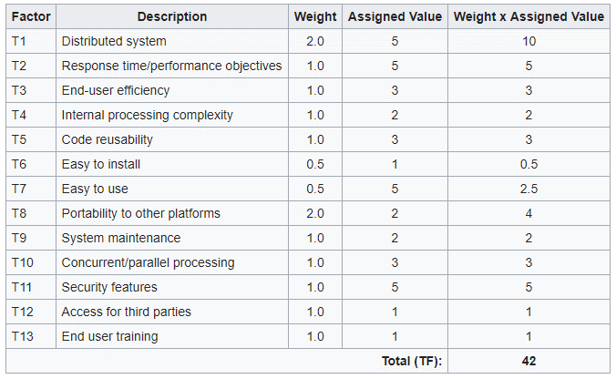
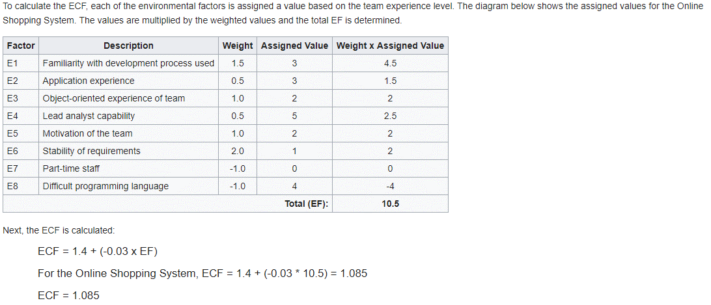
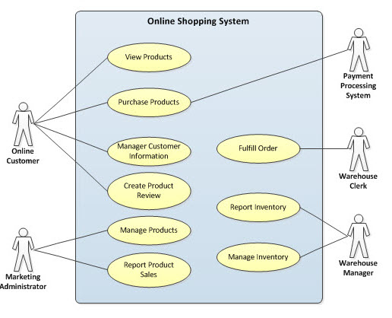
 | Glossary
To illustrate the process of calculating the UCP, an Online Shopping System is being used. The diagram below depicts the Use Case Diagram for the system to be developed. | UUCW | Unadjusted Use Case Weight
 | UAW | Unadjusted Actor Weight
 | TCF | Technical Complexity Factor
 | ECF | Environmental Complexity Factor
 | UCP | Use Case Points
 | UUCP | Unadjusted Use-Case Points = UUCW + UAW
 | TF | Technical Factor

 | Steps to Calculate Use Case Points
 | For all tabs, enter values only in the highlighted cells
 | 1 | Identify Use Cases on the Use Case tab
 | 2 | Identify Actors on the Actor tab
 | 3 | Enter Technical Complexity Factors on the Technical tab
 | 4 | Enter Environemental Factors on the Environmental tab

