Sheet1
Test Shape specified in (x, y, z) coordinates
 | x | y | z | h
a | 0 | 0 | 0 | 1
aa | 28 | 30 | 70 | 1
ab | 76 | 30 | 70 | 1
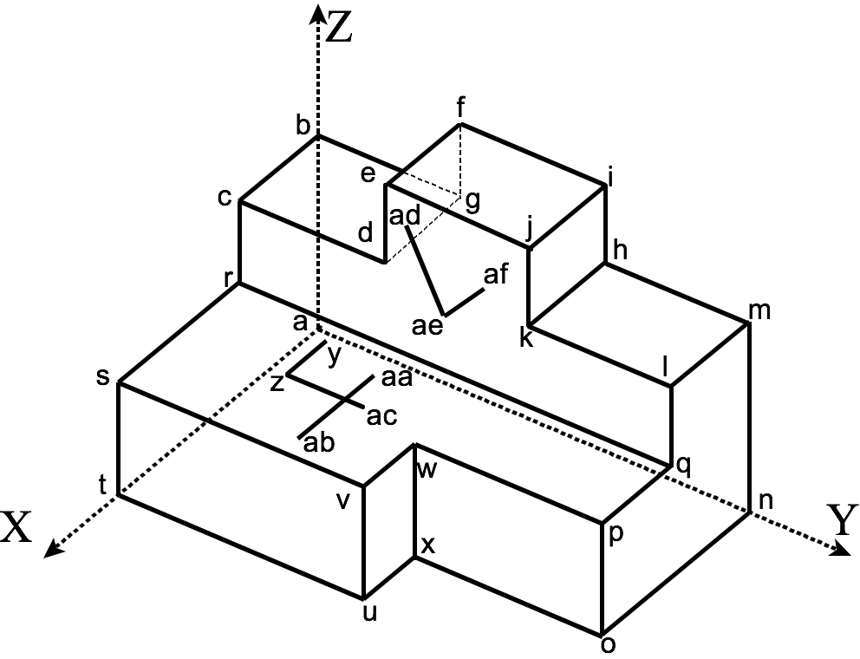
ac | 48 | 50 | 70 | 1
ad | 16 | 35 | 315 | 1
ae | 16 | 50 | 175 | 1
af | 16 | 65 | 210 | 1
ag | 80 | 100 | 70 | 1
b | 0 | 0 | 210 | 1
c | 16 | 0 | 210 | 1
d | 16 | 30 | 210 | 1
e | 16 | 30 | 350 | 1
f | 0 | 30 | 350 | 1
g | 0 | 30 | 210 | 1
h | 0 | 70 | 210 | 1
I | 0 | 70 | 350 | 1
need explanation of visibility: uvn system is right-handed, therefore, with vertices ccw, calculated normal is outward from face, therefore visibility when angle between v and lofs is greater than 90 deg, cos theta neg, so dot product is negative.
step 11: for each face
list of verts ccw: 2 marks
calc of v: 4 marks
lofs: 1 mark
dot prod: 1 mark
interp: 1 mark
total 9 each, for 18 in all
Step 11, cont'd: 2 marks for explanation of visibility criterion.
step 13: nothing to mark -- I must have accidentally deleted the instruction to print out the results, etc. so step 11 is the last step requiring proof of work.
if use u*v*n*, -4 marks.
j | 16 | 70 | 350 | 1
k | 16 | 70 | 210 | 1
l | 16 | 100 | 210 | 1
m | 0 | 100 | 210 | 1
n | 0 | 100 | 0 | 1
o | 56 | 100 | 0 | 1
p | 56 | 100 | 70 | 1
q | 16 | 100 | 70 | 1
r | 16 | 0 | 70 | 1
s | 80 | 0 | 70 | 1
t | 80 | 0 | 0 | 1
u | 80 | 40 | 0 | 1
v | 80 | 40 | 70 | 1
w | 56 | 40 | 70 | 1
x | 56 | 40 | 0 | 1
y | 20 | 15 | 70 | 1
z | 48 | 15 | 70 | 1

