What's in each model
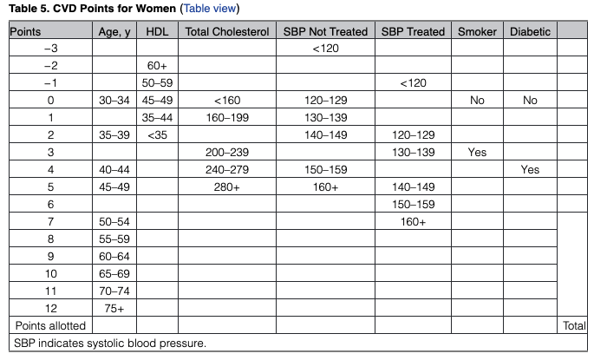
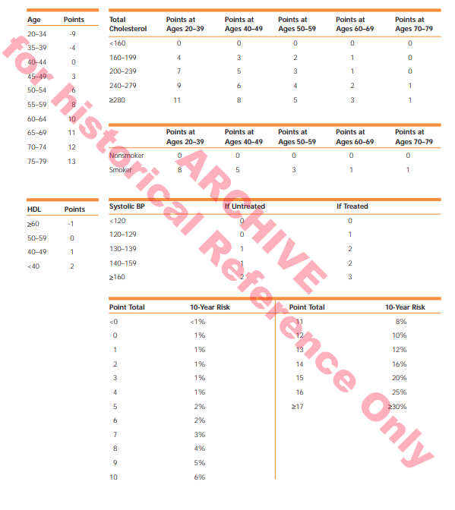
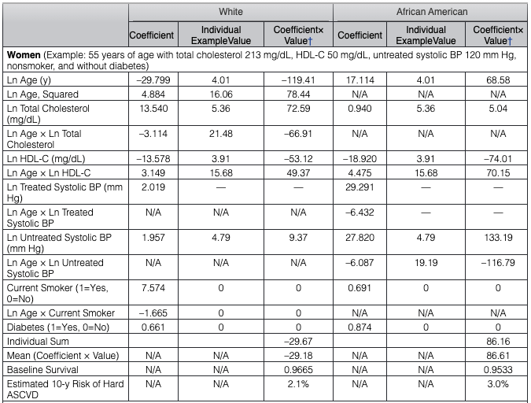
Old Framingham ^* | ATP3** ^ | Pooled Cohort
age | age | age
 | agesq ***
sex | sex | sex
 |  | race
totchol | totchol | totchol
 | age x totchol
hdl | hdl | hdl
 | age x hdl
sbp | sbp | sbp
current smoker | current smoker | current smoker
 | age x current smoker
diabetic |  | diabetic
 | treated ****

 | ^ points based, but translatable to 10-year risk profiles
 | * CVD risk
 | ** based on AfricanAmerican and White only sample
 | *** this interaction is only in the model for females
 | **** are you currently taking medication for hypertension/high blood pressure

 | Old Framingham |  | ATP3 | Pooled Cohort

All
Heart Disease Risk
 | ATP III |  | FHS | series 4 | ACC-AHA | series 6
1976-1980 | 0.10765511 | 0.10765511 | 0.1070276 | 0.1070276 | 0.0763977 | 0.0763977
 |  | 0.09976436 |  | 0.1043256 |  | 0.074972
1988-1991 | 0.09187361 | 0.09187361 | 0.1016236 | 0.1016236 | 0.0735463 | 0.0735463
1992-1994 | 0.08977661 | 0.08977661 | 0.1004407 | 0.1004407 | 0.0739017 | 0.0739017
 |  | 0.08635531 |  | 0.0956658 |  | 0.07148475
1999-2000 | 0.08293401 | 0.08293401 | 0.0908909 | 0.0908909 | 0.0690678 | 0.0690678
2001-2002 | 0.07955338 |  | 0.0857108 |  | 0.0648254
2003-2004 | 0.07889079 |  | 0.0829296 |  | 0.0634567
2005-2006 | 0.07290465 |  | 0.0775185 |  | 0.0608483
2007-2008 | 0.07402834 |  | 0.0792176 |  | 0.0628437
2009-2010 | 0.06974643 |  | 0.0747679 |  | 0.0587944
2011-2012 | 0.06967825 |  | 0.0754903 |  | 0.0586559
2013-2014 | 0.06828027 |  | 0.0741871 |  | 0.0597262
2015-2016 | 0.06829974 |  | 0.0765344 |  | 0.0597912
2017-2018 | 0.06648154 |  | 0.0755868 |  | 0.060925

Cholesterol
Cholesterol Trends
 | Total Cholesterol |  | HDL
1988-91 | 223.2714 |  | 51.72928
1992-94 | 218.8188 | 218.82 | 50.30893 | 50.31
 |  | 217.03 |  | 50.95
1999-00 | 215.2425 | 215.24 | 51.59385 | 51.59
2001-02 | 211.5606 |  | 53.1118
2003-04 | 208.959 |  | 54.82845
2005-06 | 205.0195 |  | 55.83755
2007-08 | 202.2142 |  | 52.82069
2009-10 | 202.2506 |  | 54.36357
2011-12 | 201.7394 |  | 53.97254
2013-14 | 194.1554 |  | 54.47526
2015-16 | 199.7664 |  | 56.8188
2017-18 | 194.4354 |  | 54.19771

Cholesterol - By Education
Cholesterol - By Education
 | <HS | HS | Some College | College Grad
1988-91 | 241.04 | 237.51 | 225.52 | 227.70
1992-94 | 227.85 | 231.57 | 218.32 | 220.49 | 227.85 | 231.57 | 218.32 | 220.49
 |  |  |  |  | 222.52 | 225.72 | 216.03 | 215.58
1999-2000 | 217.18 | 219.88 | 213.73 | 210.67 | 217.18 | 219.88 | 213.73 | 210.67
2001-02 | 208.11 | 214.21 | 214.30 | 210.91
2003-04 | 209.26 | 208.20 | 212.75 | 203.86
2005-06 | 206.32 | 204.33 | 206.27 | 204.42
2007-08 | 203.46 | 200.50 | 205.67 | 200.69
2009-10 | 202.35 | 204.13 | 202.10 | 202.22
2011-12 | 199.89 | 202.56 | 204.93 | 200.99
2013-14 | 190.48 | 194.09 | 195.01 | 195.02
2015-16 | 192.19 | 199.85 | 201.46 | 200.39
2017-18 | 192.67 | 195.10 | 194.89 | 193.96

Diabetes
Diabetes Rate
1988-91 | 0.09609559
1992-94 | 0.09577885 | 0.10
 |  | 0.11
1999-00 | 0.1251555 | 0.13
2001-02 | 0.1108703
2003-04 | 0.1224906
2005-06 | 0.1083492
2007-08 | 0.154837
2009-10 | 0.1239505
2011-12 | 0.1181139
2013-14 | 0.1395927
2015-16 | 0.1546007
2017-18 | 0.1823967

