All
1976-1980 | 17.45437
 | 17.1898
1988-1991 | 16.92523
1992-1994 | 17.15446
 | 16.352115
1999-2000 | 15.54977
2001-2002 | 16.56362
2003-2004 | 16.44241
2005-2006 | 15.95104
2007-2008 | 15.95847
2009-2010 | 15.73647
2011-2012 | 15.8222
2013-2014 | 15.64003
2015-2016 | 15.97547
2017-2018 | 16.03966

By Education
 | 18.01324 | 16.99082 | 16.91962 | 17.60715
 | 18.126995 | 16.83875 | 16.523855 | 16.740025
 | 18.24075 | 16.68668 | 16.12809 | 15.8729
 | 18.78538 | 17.10621 | 16.06445 | 15.96953
 | 17.950685 | 18.36567 | 15.769735 | 14.784615
 | 17.11599 | 15.74787 | 15.47502 | 13.5997
 | 17.88102 | 17.34266 | 15.57315 | 16.05367
 | 17.79674 | 16.22504 | 16.35623 | 15.80801
 | 17.66972 | 16.41431 | 15.51789 | 15.04747
 | 17.06499 | 16.48962 | 15.91767 | 14.70082
 | 16.63424 | 16.15269 | 16.10617 | 14.43683
 | 16.40571 | 16.08065 | 16.10323 | 15.1394
 | 16.37307 | 16.19633 | 15.76581 | 14.79676
 | 16.92993 | 16.13217 | 16.15167 | 15.35552
 | 17.27181 | 16.6574 | 15.61366 | 15.50634

What's in each model
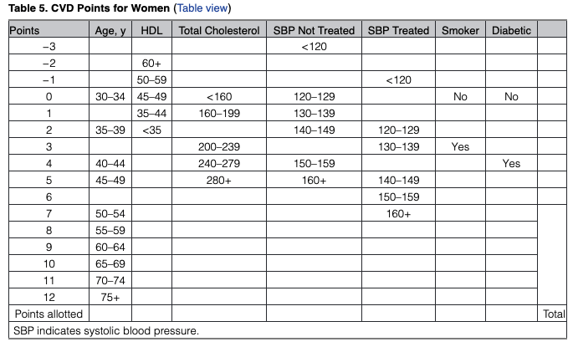
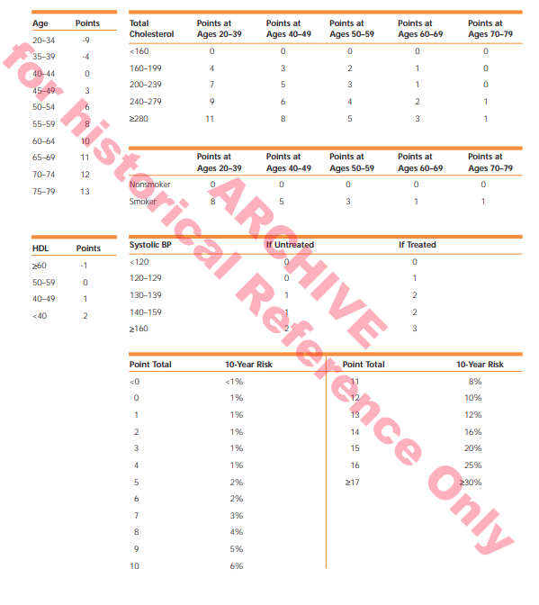
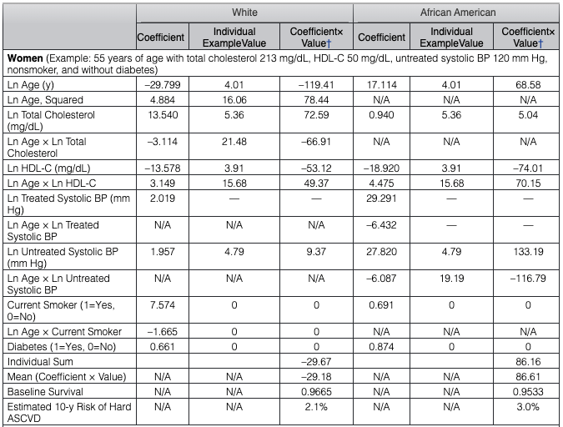
Old Framingham ^* | ATP3** | Pooled Cohort ^ | ^ points based, but translatable to 10-year risk profiles
age | age | race
sex | agesq *** | age
totchol | sex | sex
hdl | totchol | totchol
sbp | age x totchol | hdl
current smoker | hdl | sbp
diabetic | age x hdl | current smoker
 | sbp | diabetic
* CVD risk | current smoker
 | age x current smoker
 | treated ****

 | ** based on AfricanAmerican and White only sample
 | *** this interaction is only in the model for females
 | **** are you currently taking medication for hypertension/high blood pressure

 |  |  |  | ATP3
 | Old Frmaingham |  |  |  | Pooled Cohort

Cholesterol
Cholesterol Trends
 | Total Cholesterol |  | HDL
1988-91 | 223.2714 |  | 51.72928
1992-94 | 218.8188 | 218.82 | 50.30893 | 50.31
 |  | 217.03 |  | 50.95
1999-00 | 215.2425 | 215.24 | 51.59385 | 51.59
2001-02 | 211.5606 |  | 53.1118
2003-04 | 208.959 |  | 54.82845
2005-06 | 205.0195 |  | 55.83755
2007-08 | 202.2142 |  | 52.82069
2009-10 | 202.2506 |  | 54.36357
2011-12 | 201.7394 |  | 53.97254
2013-14 | 194.1554 |  | 54.47526
2015-16 | 199.7664 |  | 56.8188
2017-18 | 194.4354 |  | 54.19771

Cholesterol - By Education
Cholesterol - By Education
 | <HS | HS | Some College | College Grad
1988-91 | 241.04 | 237.51 | 225.52 | 227.70
1992-94 | 227.85 | 231.57 | 218.32 | 220.49 | 227.85 | 231.57 | 218.32 | 220.49
 |  |  |  |  | 222.52 | 225.72 | 216.03 | 215.58
1999-2000 | 217.18 | 219.88 | 213.73 | 210.67 | 217.18 | 219.88 | 213.73 | 210.67
2001-02 | 208.11 | 214.21 | 214.30 | 210.91
2003-04 | 209.26 | 208.20 | 212.75 | 203.86
2005-06 | 206.32 | 204.33 | 206.27 | 204.42
2007-08 | 203.46 | 200.50 | 205.67 | 200.69
2009-10 | 202.35 | 204.13 | 202.10 | 202.22
2011-12 | 199.89 | 202.56 | 204.93 | 200.99
2013-14 | 190.48 | 194.09 | 195.01 | 195.02
2015-16 | 192.19 | 199.85 | 201.46 | 200.39
2017-18 | 192.67 | 195.10 | 194.89 | 193.96

Diabetes
Diabetes Rate
1988-91 | 0.09609559
1992-94 | 0.09577885 | 0.10
 |  | 0.11
1999-00 | 0.1251555 | 0.13
2001-02 | 0.1108703
2003-04 | 0.1224906
2005-06 | 0.1083492
2007-08 | 0.154837
2009-10 | 0.1239505
2011-12 | 0.1181139
2013-14 | 0.1395927
2015-16 | 0.1546007
2017-18 | 0.1823967

