Example
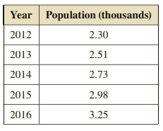
Example
1. Model the data using exponential model and calculate the MAPE.
2. Model the data using linear model and calculate the MAPE.
3. Compare the two models to decide the better one. Use the better model to predict the population in 2017.

SOLUTION

1. Exponential Model

Year | Population
2012 | 2.3
2013 | 2.51
2014 | 2.73
2015 | 2.98
2016 | 3.25

Since the exponential equation has the number 9E-76, we will adjust the data so that the two variables are in a similar scale.

Year (Since 2012) | Population | Esitmated Pop | Absolute Error Percentage
0 | 2.3 | 2.3002 | 8.6956521739E-05
1 | 2.51 | 2.5075246609 | 0.00098619086119
2 | 2.73 | 2.7335361817 | 0.0012953046628
3 | 2.98 | 2.9799188711 | 2.7224470376E-05
4 | 3.25 | 3.24850885 | 0.00045881537732

 |  |  | MAPE | 0.00057089837869

2. Linear Model

Year (Since 2012) | Population | Estimated Pop | Absolute Error Percentage
0 | 2.3 | 2.28 | 0.0086956521739
1 | 2.51 | 2.517 | 0.0027888446215
2 | 2.73 | 2.754 | 0.0087912087912
3 | 2.98 | 2.991 | 0.0036912751678
4 | 3.25 | 3.228 | 0.0067692307692

 |  |  | MAPE | 0.0061472423047

3. Since the MAPE of the exponential model is smaller, the exponential model is the better model.

The estimated/predicted pop. for 2017 is

 | 3.5413077353

Assignment 11
Assignment 11

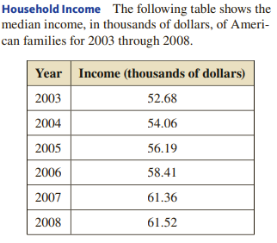

 | 0 | 52.68
 | 1 | 54.06
 | 2 | 56.19
 | 3 | 58.41
 | 4 | 61.36
 | 5 | 61.52

1. Model the data using exponential model and calculate the MAPE.
2. Model the data using linear model and calculate the MAPE.
3. Compare the two models to decide the better one. Use the better model to predict the median income of 2009

