Example
Example

Given the dataset.
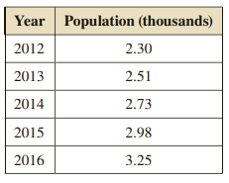

1. Model the dataset using exponential model and calculate the MAPE of the model.
2. Model the dataset using linear model and calculate the MAPE of the model.
3. Compare the models in term of MAPE to decide the better model. Use the better model to predict the population in 2017.

SOLUTION

1. Exponential Model

Year | Population (000s)
2012 | 2.3
2013 | 2.51
2014 | 2.73
2015 | 2.98
2016 | 3.25

Since we observe the number 9E-76 in the equation, we will rescale the data so that the two variables are in a similar scale.

Year | Population
2012 | 2300
2013 | 2510
2014 | 2730
2015 | 2980
2016 | 3250

We still observe the "too small" number (9E-73). Let rescale the year.

Year (since 2012) | Population (000s) | Estimated Pop | Absolute Error Percentage (AEP)
0 | 2.3 | 2.3002 | 8.6956521739E-05
1 | 2.51 | 2.5075246609 | 0.00098619086119
2 | 2.73 | 2.7335361817 | 0.0012953046628
3 | 2.98 | 2.9799188711 | 2.7224470376E-05
4 | 3.25 | 3.24850885 | 0.00045881537732
5
 |  |  | MAPE | 0.00057089837869

 | Population (000s)
0 | 2.3
1 | 2.51
2 | 2.73
3 | 2.98
4 | 3.25

2. Linear Model.

Year (since 2012) | Population (000s) | Estimated Pop | Absolute Error Percentage
0 | 2.3 | 2.28 | 0.0086956521739
1 | 2.51 | 2.517 | 0.0027888446215
2 | 2.73 | 2.754 | 0.0087912087912
3 | 2.98 | 2.991 | 0.0036912751678
4 | 3.25 | 3.228 | 0.0067692307692

 |  |  | MAPE | 0.0061472423047

3. Since the MAPE of the exponential model is smaller, it is a better model.

To predict the pop for 2017, we just need to plug x = 5 into the exponential equation

3.5413077353

Assignment 11
Assignment 11

Given the dataset.

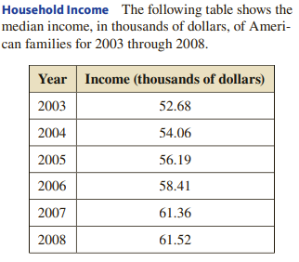

1. Model the dataset using exponential model and calculate the MAPE of the model.
2. Model the dataset using linear model and calculate the MAPE of the model.
3. Compare the models in term of MAPE to decide the better model. Use the better model to predict the median income in 2009.

