simple vs. compund
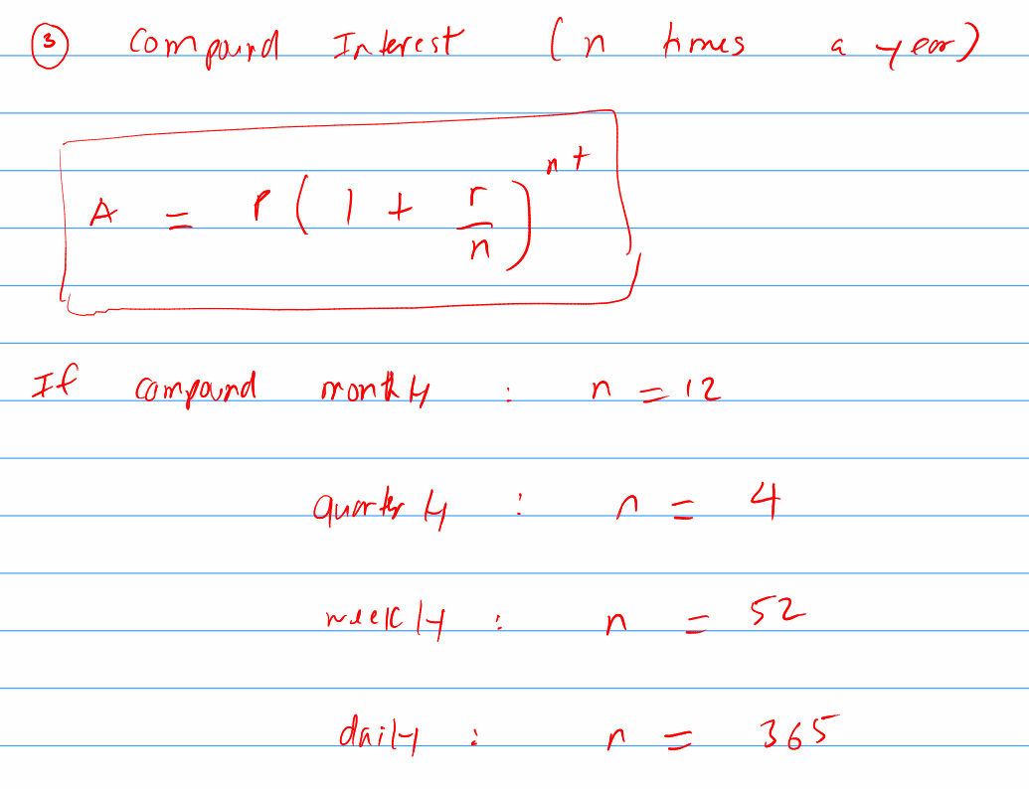
Principal (P) | 10000 | time (t) | Amount of Money (A) - Simple | Amount of Money (A) - Compound | Compound n times a year | Continous Compund
Interest Rate (r) | 0.045 | 0 | 10000 | 10000 | 10000 | 10000
 |  | 1 | 10450 | 10450 | 10460.278573 | 10460.278599
 |  | 2 | 10900 | 10920.25 | 10941.742782 | 10941.742837
 |  | 3 | 11350 | 11411.66125 | 11445.367758 | 11445.367844
 |  | 4 | 11800 | 11925.186006 | 11972.173512 | 11972.173631
 |  | 5 | 12250 | 12461.819377 | 12523.227006 | 12523.227162
 |  | 6 | 12700 | 13022.601248 | 13099.644311 | 13099.644507
 |  | 7 | 13150 | 13608.618305 | 13702.59287 | 13702.59311
 |  | 8 | 13600 | 14221.006128 | 14333.29386 | 14333.294146
 |  | 9 | 14050 | 14860.951404 | 14993.024664 | 14993.025001
 |  | 10 | 14500 | 15529.694217 | 15683.121464 | 15683.121855
 |  | 11 | 14950 | 16228.530457 | 16404.981941 | 16404.982391
 |  | 12 | 15400 | 16958.814328 | 17160.068108 | 17160.068622
Frequency (n) | 31536000 | 13 | 15850 | 17721.960972 | 17949.909274 | 17949.909856
 |  | 14 | 16300 | 18519.449216 | 18776.105137 | 18776.105793
 |  | 15 | 16750 | 19352.824431 | 19640.329025 | 19640.32976
 |  | 16 | 17200 | 20223.70153 | 20544.331287 | 20544.332106
 |  | 17 | 17650 | 21133.768099 | 21489.942835 | 21489.943747
 |  | 18 | 18100 | 22084.787664 | 22479.078858 | 22479.079867
Number e | 2.7182818285 | 19 | 18550 | 23078.603108 | 23513.742692 | 23513.743806
 |  | 20 | 19000 | 24117.140248 | 24596.029885 | 24596.031112

