Regression
Example

 | x | y
 | 1 | 3
 | 3 | 9
 | 5 | 14
 | 7 | 21
 | 9 | 28
 | 11 | 32
 | 14 | 40

Correlation r = |  | 0.99797546473

We observe that x and y are highly correlated.

Question 1: if you know x, can you predict y?

Question 2: How conffident we are with the orediction?/How accurate the prediction?/How good is the prediction?

We will use "linear regression" to answer this two questions.

We will establish a linear equation between x and y and use the equation to make the prediction.
Why we use linear equation?

The equation obtained is y = 2.8913x +0.3468

Predict y if x = 20.

We just need to plug in the value of x into the equation to calculate y:

y = 2.8913*20 + 0.3468 = 58.1728

Therefore the predicted y for x =20 is 58.1728.

Assignment 9:

Question 1. Find three examples of correlation does not imply causation. Illustrate the examples with plots.

Question 2. Given the prices of two stocks MSFT and TSLA in May, 2025.

 | Microsoft (x) | Tesla (y)
 | 425.4 | 280.52
 | 435.28 | 287.21
 | 436.17 | 280.26
 | 433.31 | 275.35
 | 433.35 | 276.22
 | 438.17 | 284.82
 | 438.73 | 298.26
 | 449.26 | 318.38
 | 449.14 | 334.07
 | 452.94 | 347.68
 | 453.13 | 342.82
 | 454.27 | 349.98
 | 458.87 | 342.09
 | 458.17 | 343.82
 | 452.57 | 334.62
 | 454.86 | 341.04
 | 450.18 | 339.34
 | 460.69 | 362.89
 | 457.36 | 356.9
 | 458.68 | 358.43
 | 460.36 | 346.46

 | 1. Calculate the correlation of these stocks.
 | 2. Plot the scatter plot of these stocks with the linear equation.
 | 3. Predict the Tesla's price if the Microsoft's price is $500.

Correlation vs. Causation
Example 1

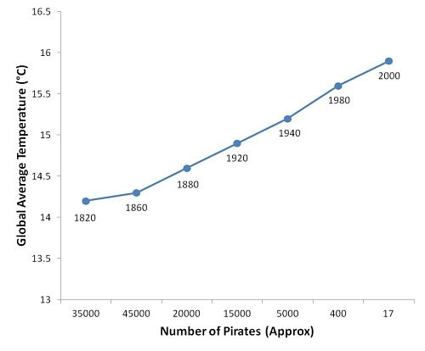

(Correlation) The scatter plot of Number of Pirates and Global Temp. suggest that they are highly positively correlated.
(Causation) Does this mean: the higher the global temp causes the higher number of pirates?

Example 2.

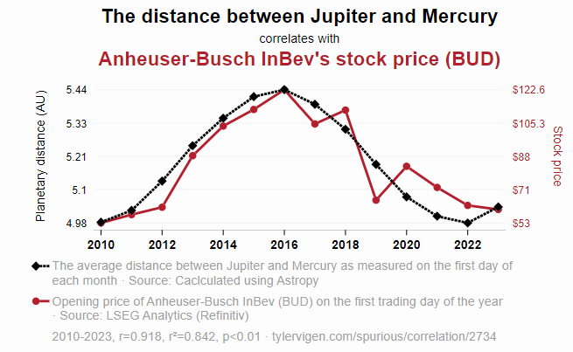

This is not a scatter plot.
(correlation) The plot shows that the distance between Jupiter and Mercury and the BUD stock are postively highly correlated. The correlation coefficient being 0.918 confirms this.
(Causation) Does this means the further the distance implies the higher stock price?

Example 3.


(Correlation) Very positively high.
(Causation) Does changes in MS Education Degrees causes changes in GMO use in corn grown in Ohio?

Correlation does not imply causation!

Just because two quatities are highly correlated, it does not automatically mean that one causes the other.

Correlation and Stocks
1. Stocks Data in Excel.

 | Stocks | Market cap | Price | Industry | P/E | Volume average
 |  | $1,108,879,000,000 | $331.12 | Automobiles & Auto Parts | 182.24 | 104,607,943
 |  | $3,457,953,933,280 | $465.25 | Software & IT Services | 35.96 | 22,430,686
 |  | $3,036,005,000,000 | $205.56 | Computers, Phones & Household Electronics | 29.03 | 54,672,340
 |  | $2,024,947,000,000 | $168.47 | Software & IT Services | 18.79 | 28,701,872
 |  | $1,705,644,006,990 | $678.37 | Software & IT Services | 25.94 | 14,437,259

2. History Data of Stocks.

 | Microsoft |  |  | TESLA |  |  | Apple |  | NVDA
 | Date | Close |  | Date | Close |  | Date | Close | Date | Close
 | 45778 | 425.4 |  | 45778 | 280.52 |  | 45778 | 213.32 | 45778 | 111.61
 | 45779 | 435.28 |  | 45779 | 287.21 |  | 45779 | 205.35 | 45779 | 114.5
 | 45782 | 436.17 |  | 45782 | 280.26 |  | 45782 | 198.89 | 45782 | 113.82
 | 45783 | 433.31 |  | 45783 | 275.35 |  | 45783 | 198.51 | 45783 | 113.54
 | 45784 | 433.35 |  | 45784 | 276.22 |  | 45784 | 196.25 | 45784 | 117.06
 | 45785 | 438.17 |  | 45785 | 284.82 |  | 45785 | 197.49 | 45785 | 117.37
 | 45786 | 438.73 |  | 45786 | 298.26 |  | 45786 | 198.53 | 45786 | 116.65
 | 45789 | 449.26 |  | 45789 | 318.38 |  | 45789 | 210.79 | 45789 | 123
 | 45790 | 449.14 |  | 45790 | 334.07 |  | 45790 | 212.93 | 45790 | 129.93
 | 45791 | 452.94 |  | 45791 | 347.68 |  | 45791 | 212.33 | 45791 | 135.34
 | 45792 | 453.13 |  | 45792 | 342.82 |  | 45792 | 211.45 | 45792 | 134.83
 | 45793 | 454.27 |  | 45793 | 349.98 |  | 45793 | 211.26 | 45793 | 135.4
 | 45796 | 458.87 |  | 45796 | 342.09 |  | 45796 | 208.78 | 45796 | 135.57
 | 45797 | 458.17 |  | 45797 | 343.82 |  | 45797 | 206.86 | 45797 | 134.38
 | 45798 | 452.57 |  | 45798 | 334.62 |  | 45798 | 202.09 | 45798 | 131.8
 | 45799 | 454.86 |  | 45799 | 341.04 |  | 45799 | 201.36 | 45799 | 132.83
 | 45800 | 450.18 |  | 45800 | 339.34 |  | 45800 | 195.27 | 45800 | 131.29
 | 45804 | 460.69 |  | 45804 | 362.89 |  | 45804 | 200.21 | 45804 | 135.5
 | 45805 | 457.36 |  | 45805 | 356.9 |  | 45805 | 200.42 | 45805 | 134.81
 | 45806 | 458.68 |  | 45806 | 358.43 |  | 45806 | 199.95 | 45806 | 139.19
 | 45807 | 460.36 |  | 45807 | 346.46 |  | 45807 | 200.85 | 45807 | 135.13

 | Correlation between Microsoft and Tesla Stocks |  |  | 0.95779999704

 | Correlation between Microsoft and Apple Stocks |  |  | 0.11842796768

 | Correlation between Microsoft and NVDA Stocks |  |  | 0.96110428483

Scatter Plot of MSFT and NVDA

Assignment 8

1. Create a table of Stocks with the price values for at least 10 stocks.
2. Calculate the correlation of Microsoft stocks and SMCI stocks for the last two months. Plot the scatter plot of these stocks. Plot the two stocks with the date variables in one plot.
3. Find two stocks with the high negative correlation. Calculate the correlation of these two stocks in the last two months. Plot the scatter plot of these stocks. Plot the two stocks with the date variables in one plot.
4. Find two stocks with the high positive correlation. Calculate the correlation of these two stocks in the last two months. Plot the scatter plot of these stocks. Plot the two stocks with the date variables in one plot.

Correlation
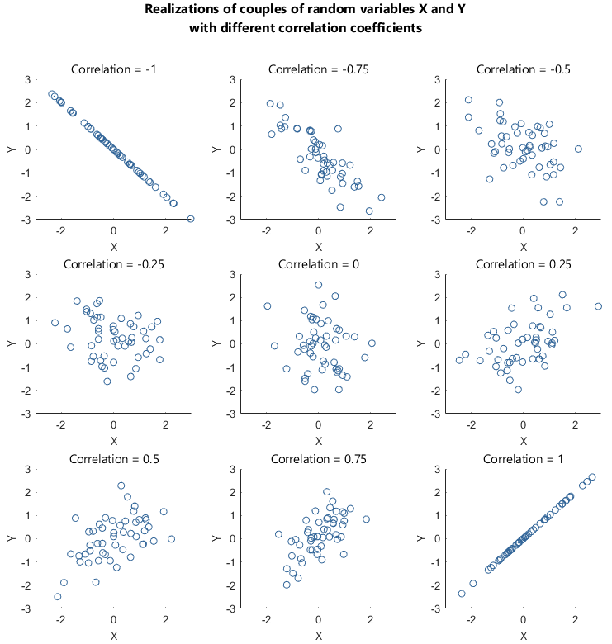
Example 1

 | x | y
 | 1 | 3
 | 3 | 9
 | 5 | 14
 | 7 | 21
 | 9 | 28
 | 11 | 32
 | 14 | 40

 | We have two quantities (variables) x and y.
 | Is there any linear relation between x and y?

 | Let study the scatter plot between x and y.

 | The scatter plot suggests that there is a linear relation between x and y.

Example 2

 | x | z |  |  | Is there any linear relation between x and z?
 | 1 | 10
 | 3 | 3
 | 5 | 1
 | 7 | 0
 | 9 | 30
 | 11 | 50
 | 14 | 25

 |  |  |  |  | The scatter plot suggests that there is no linear relation between x and z.
 |  |  |  |  | We can also say the relation between x and z is non-linear.

Example 3

 | x | y | t
 | 1 | 3 | 2
 | 3 | 9 | 6
 | 5 | 14 | 10
 | 7 | 21 | 14
 | 9 | 28 | 18
 | 11 | 32 | 22
 | 14 | 40 | 28

 | The scatter plot suggest that there is also a linear relation between x and t.

 | Linear relation 1: The linear relation between x and y.
 | Linear relation 2: The linear relation between x and t.

 | Question: Which linear relation is stronger?

 | The two scatter plots do not show clearly which linear relation is stronger.

 | We need to "quantify" these linear relation.
 | We use "correlation coefficients".
 | The correlation coefficient, or correlation, is used to measure how strong a linear relation is between two variables.

 | Correlation between (x, y) is |  |  | 0.99797546473

 | Correlation between (x, t) is |  |  | 1

 | The linear relation between x and t is stronger than the linear relation between x and y.

How to interpret correlation coefficients?

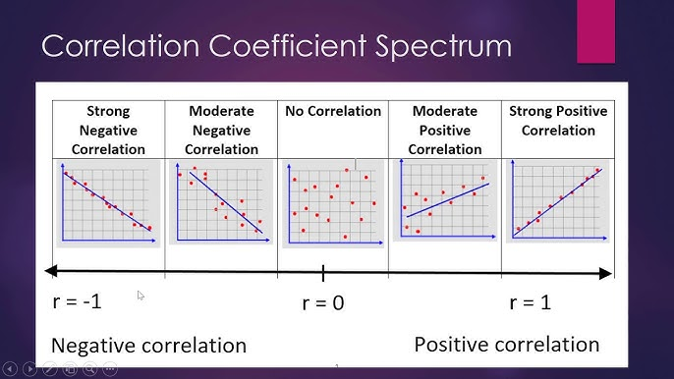

 | Notice that the correlation can never be bigger than 1 or smaller -1.
 | When the correlation is 1, we have the absolute or 100% positive linear correlation.
 | When the correlation is -1, we have the absolute or 100% negative linear correlation.

