Solution
Norton Engines - End of Module case:

You are a department manager of Norton engines responsible for producing Type A and Type B engines.

Type A engine production requires 2 hours on "Type A" Assembly line, 2 hours for forging and 1 hour for machining.
Type B engine production requires 3 hours on "Type B" Assembly line, 2 hours for forging and 2 hour for machining.
Hint: (forginng and machining are shared resurces)

As a manager, you have following staff available to perform different tasks
Type of Job | Hours
Type A Assembly | 2,500
Type B Assembly | 2,250
Forging | 3,000
Machining | 2,000

For Norton Engines, the contribution per Type A engine is $3600 and per Type B engine is $6000.

As a Manager of Norton Engines, your goal is to maximize the contribution by your department towards overall profit of the company
1 | Set up the business problem in excel and visualize how the contribution would vary by Type A production and Type B production
2 | Calculate maximum contrubution and the # of Type A and Type B machines to be produced

Model: |  | A | B | Total | Column C formulas | Column E formulas
 | Assemply line hrs | 2 | 3
 | Staff hours | 2500 | 2250
 | Forging | 2 | 2 | 3000
 | Machining | 1 | 2 | 2000
 | Profit (contribution/engine $) | $3,600.00 | $6,000.00

By Changing: | Amount (Units) | 1000 | 500

Objective | Profit | $6,600,000.00 |  |  | =SUMPRODUCT(C27:D27,C29:D29)

Constraints |  | Hours |  |  |  |  | Slack:
 | "Type A" Assemply line hrs | 2000 | <= | 2500 | =SUMPRODUCT(C23,C29) | =C24 | 500
 | "Type B" Assemply line | 1500 | <= | 2250 | =SUMPRODUCT(D23,D29) | =D24 | 750
 | Forging | 3000 | <= | 3000 | =SUMPRODUCT(C25:D25,C29:D29) | =E25 | 0
 | Machining | 2000 | <= | 2000 | =SUMPRODUCT(C26:D26,C29:D29) | =E26 | 0
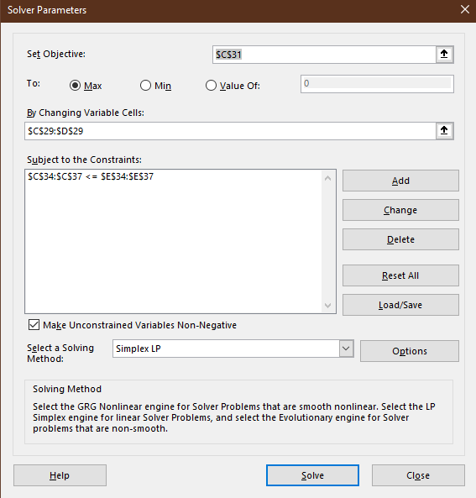

3 | Analyze answer reports and sensitivity reports and graphically represent the linear programming equations to highlight the optimization curve.
 | "Sensitivity Report 2" Tab | Further explanation in presentation.

4 | Analyze if there is any slack in your system, and if yes, provide options to utilize the slack to maximize the contribution even further.
 | "Answer Report 2" Tab | Further explanation in presentation.

Graph
Forging Constraint
A | B | 2FA+2FB <= 3000
1500 | 0 | MA+2MB<=2000
0 | 1500

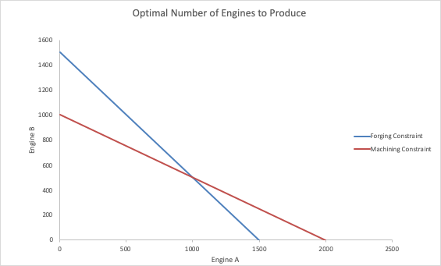
Machining Constraint
A | B
2000 | 0
0 | 1000

Assembly
A
2500

B
2250

