Normalized
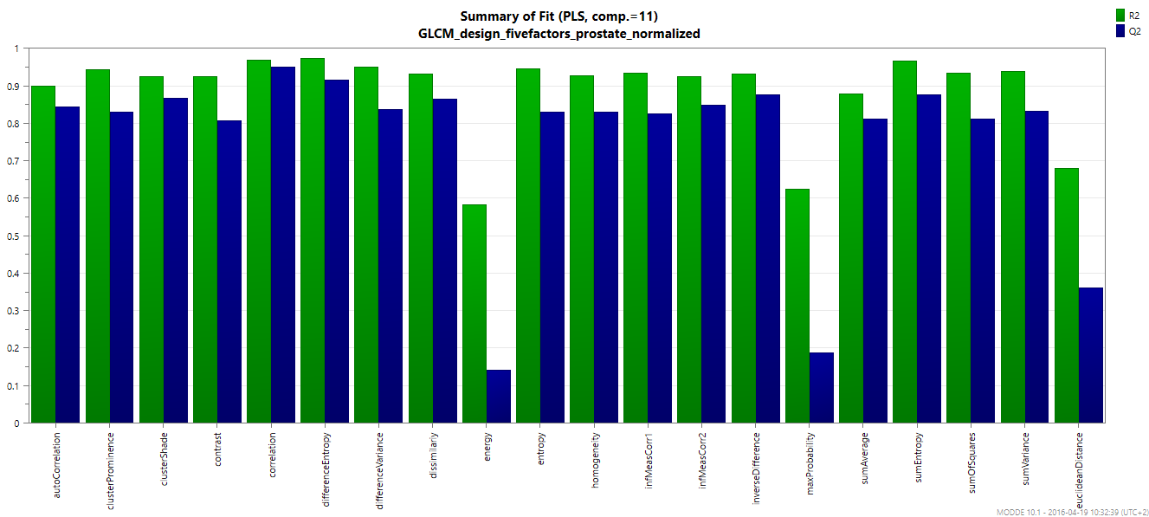
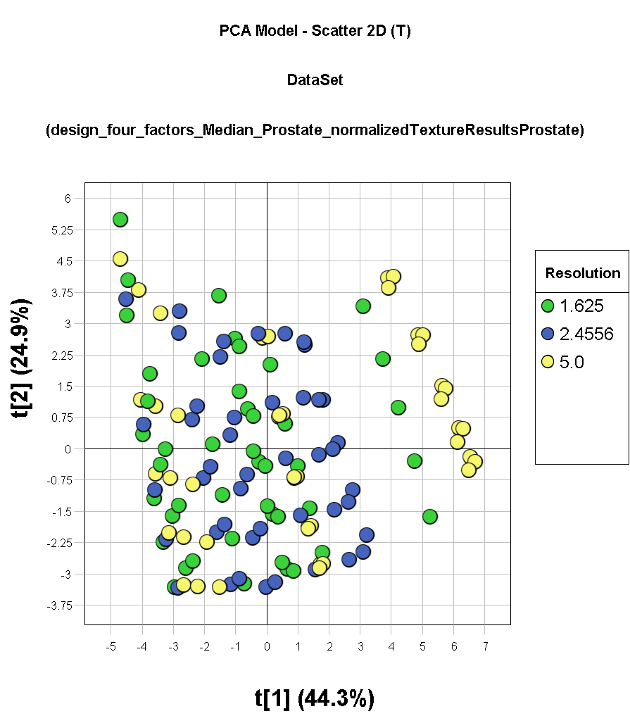
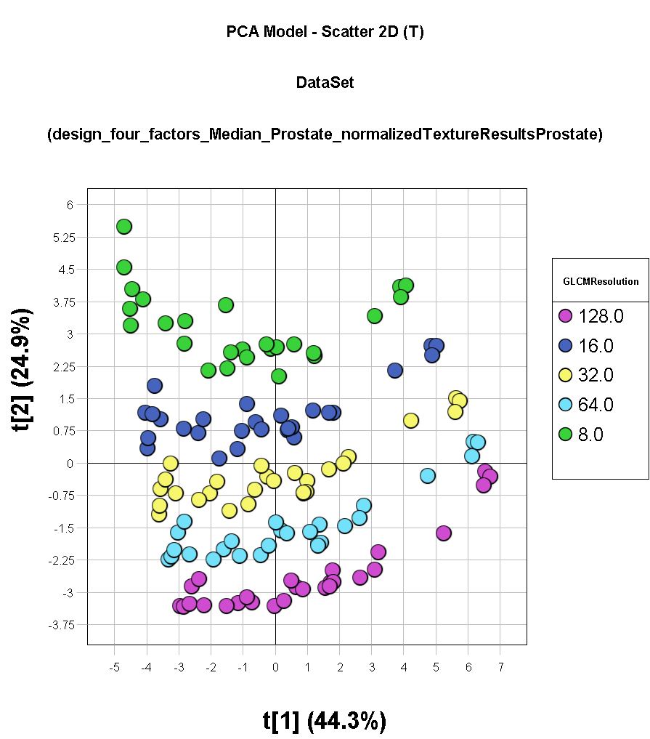
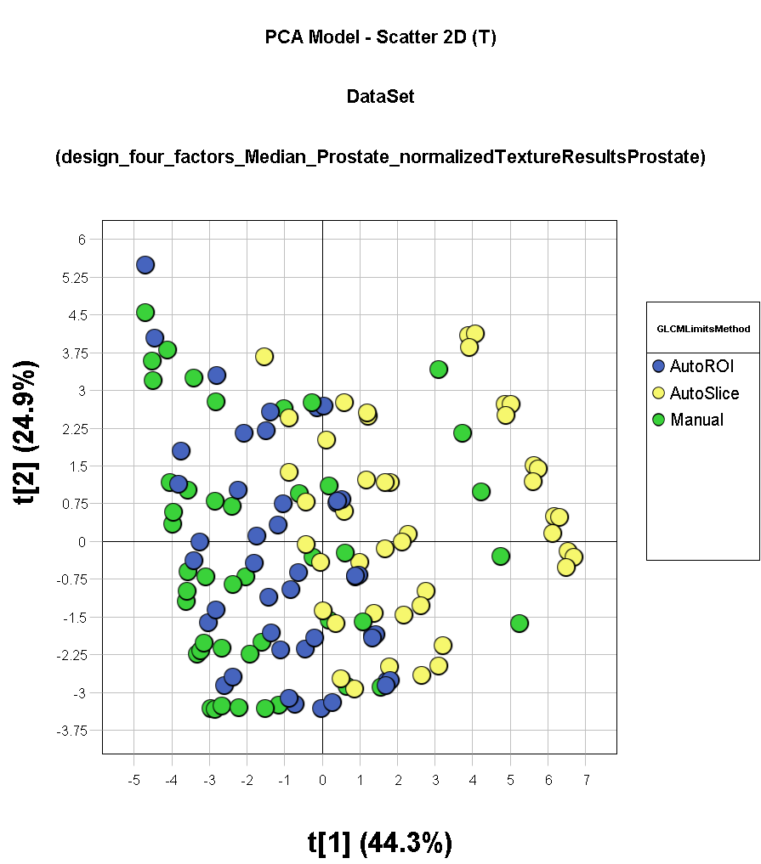
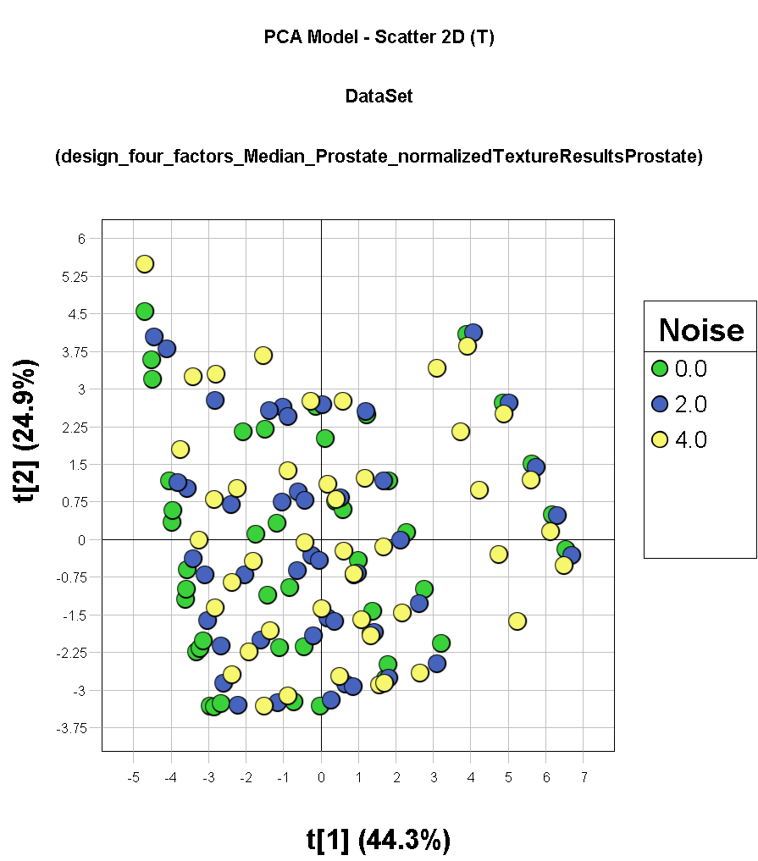
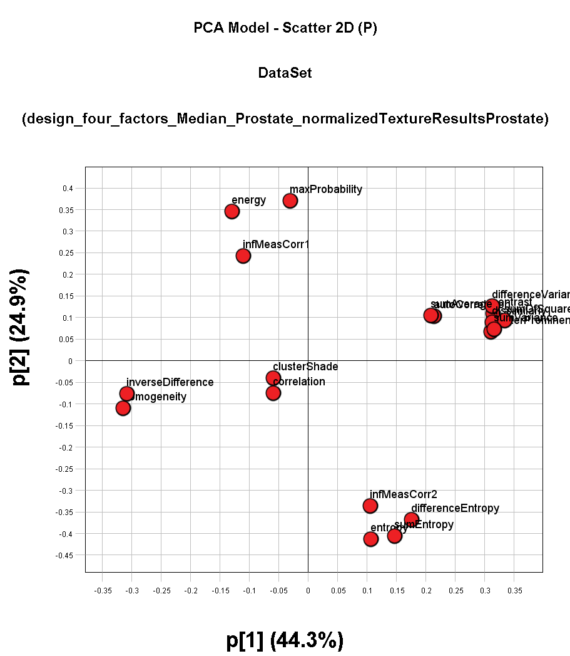

X Label | Num | R2 | Q2
autoCorrelation | 1 | 0.901112 | 0.845346
clusterProminence | 2 | 0.944115 | 0.832035
clusterShade | 3 | 0.925687 | 0.867336
contrast | 4 | 0.926583 | 0.808334
correlation | 5 | 0.970432 | 0.951348
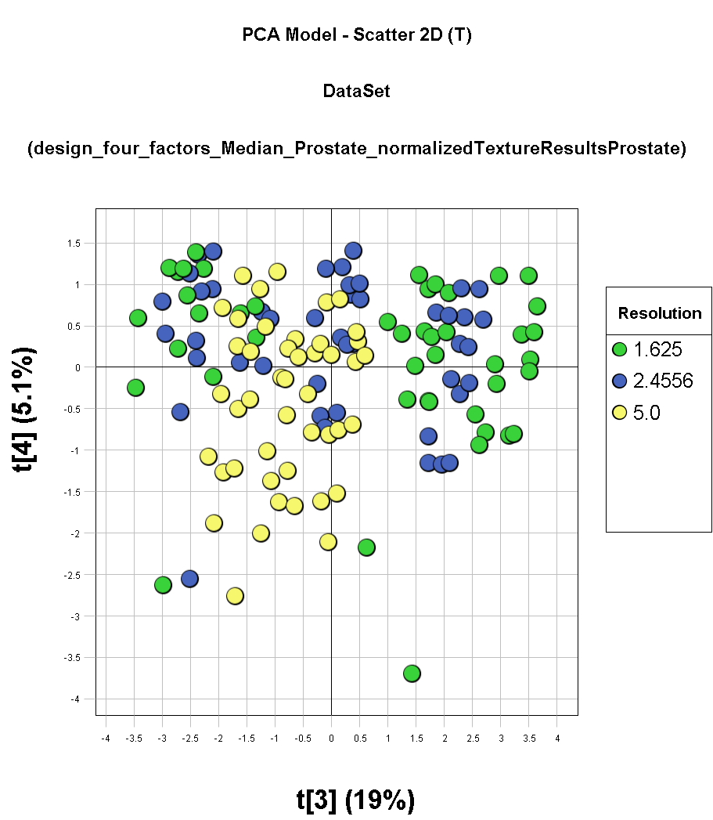
differenceEntropy | 6 | 0.973949 | 0.916315
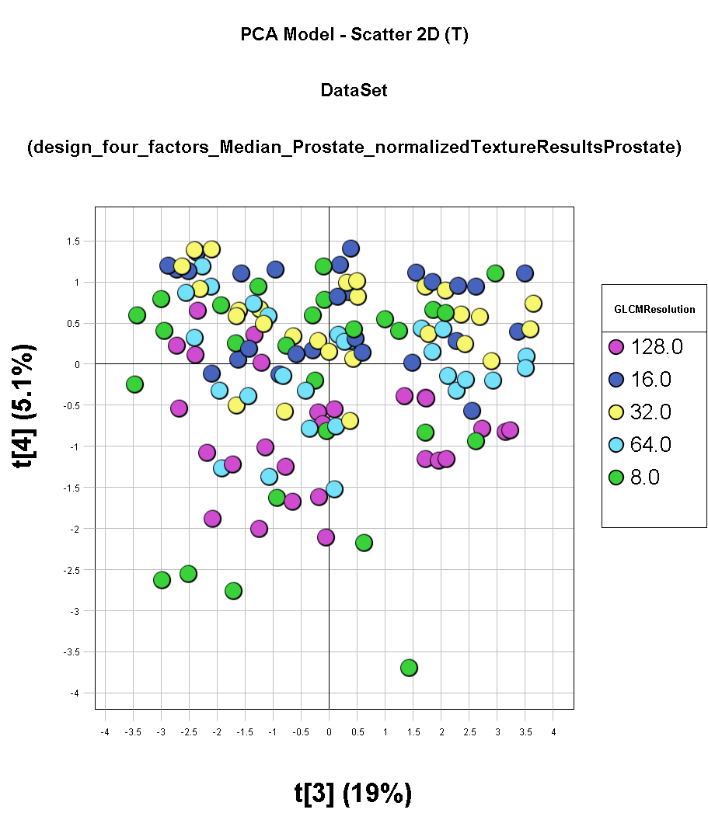
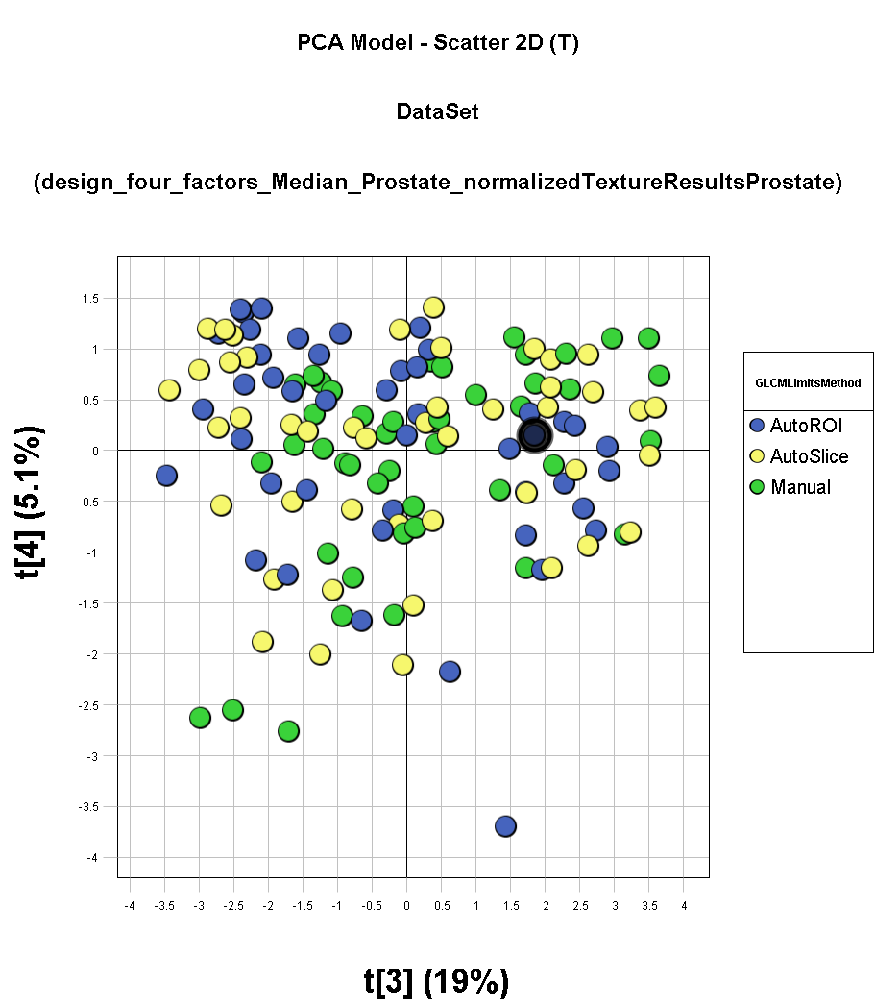
differenceVariance | 7 | 0.951603 | 0.838262
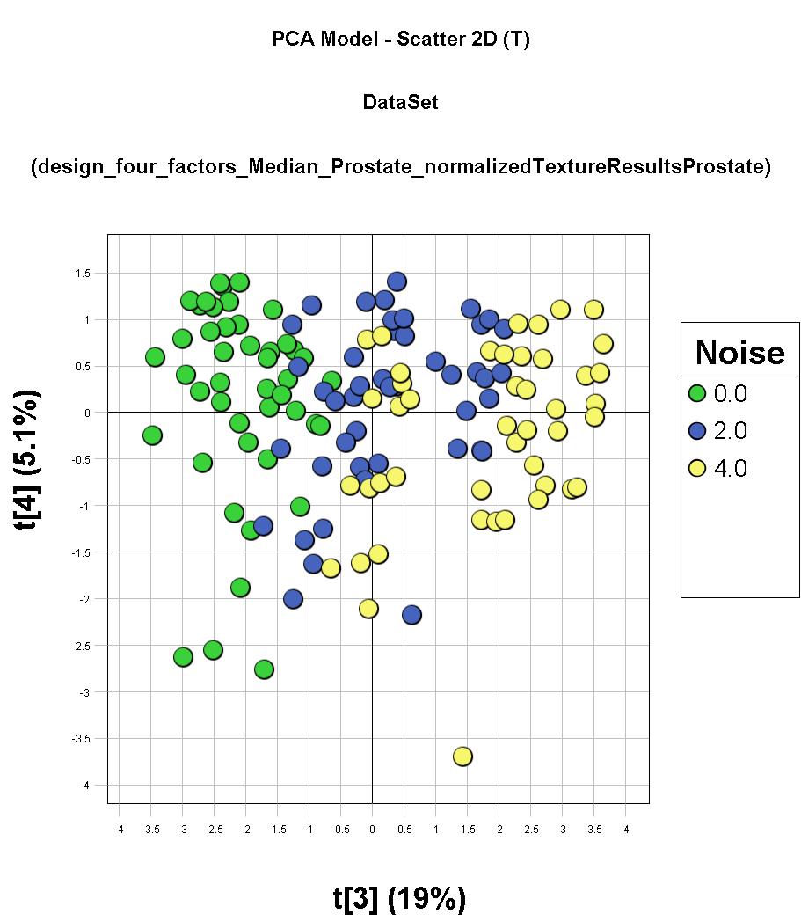
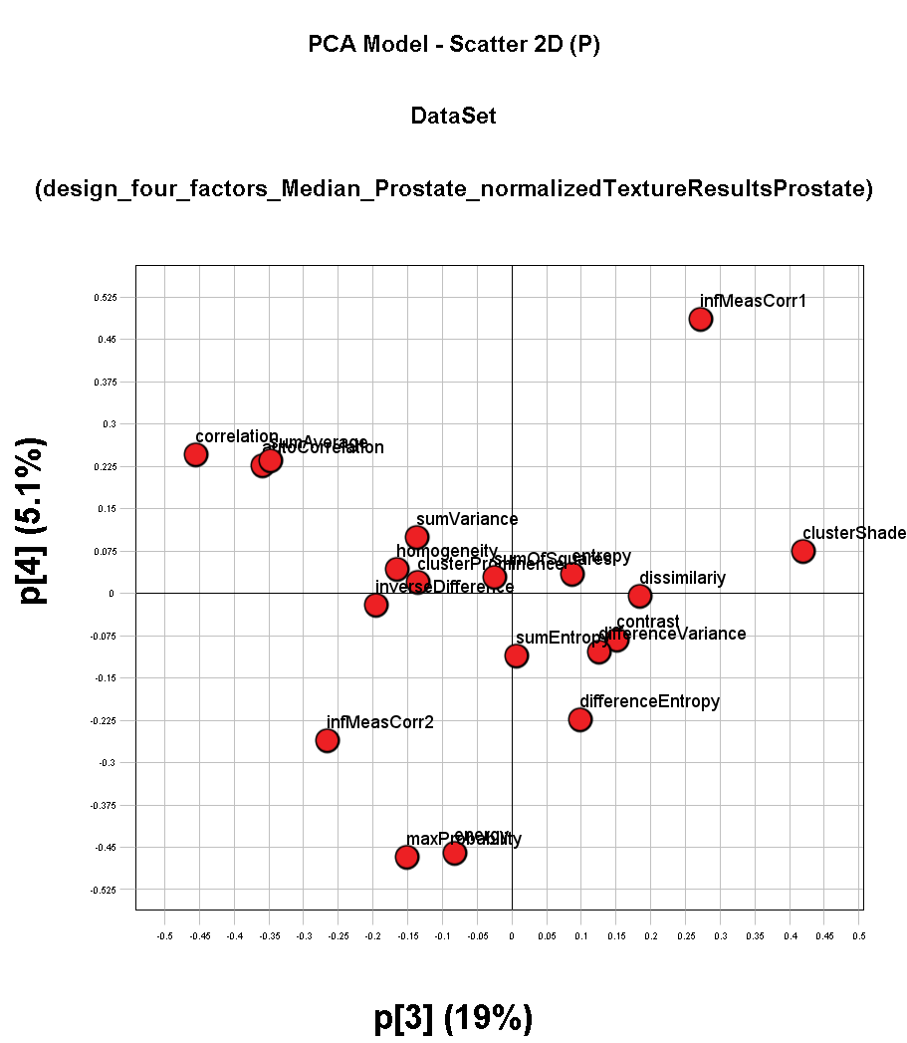
dissimilariy | 8 | 0.93244 | 0.865986
energy | 9 | 0.583061 | 0.141435
entropy | 10 | 0.947457 | 0.830362
homogeneity | 11 | 0.929056 | 0.831197
infMeasCorr1 | 12 | 0.934647 | 0.827173
infMeasCorr2 | 13 | 0.924937 | 0.849496
inverseDifference | 14 | 0.933203 | 0.876522
maxProbability | 15 | 0.626176 | 0.189043
sumAverage | 16 | 0.879659 | 0.812811
sumEntropy | 17 | 0.966897 | 0.876476
sumOfSquares | 18 | 0.934978 | 0.812979
sumVariance | 19 | 0.939437 | 0.833713
euclideanDistance | 20 | 0.681239 | 0.360566

Original
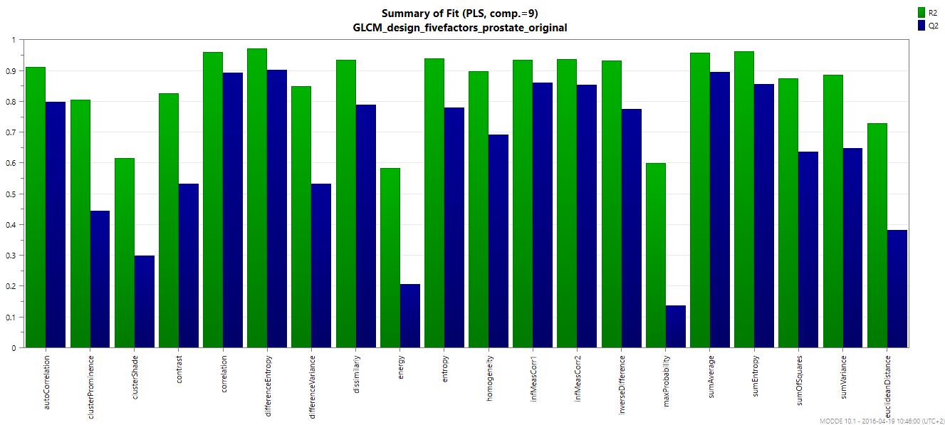
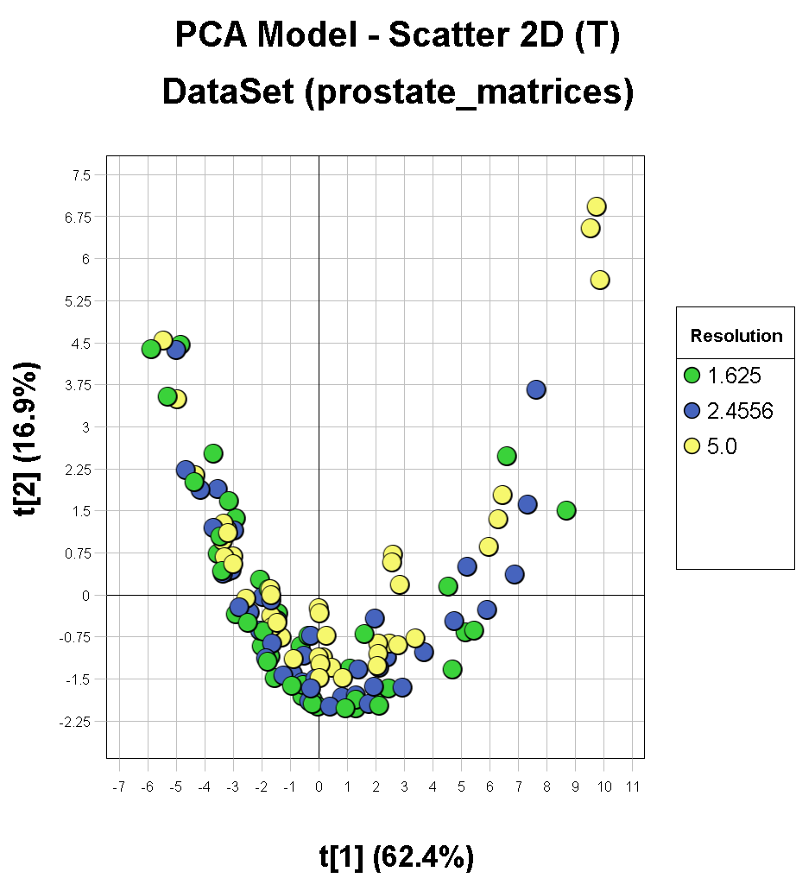
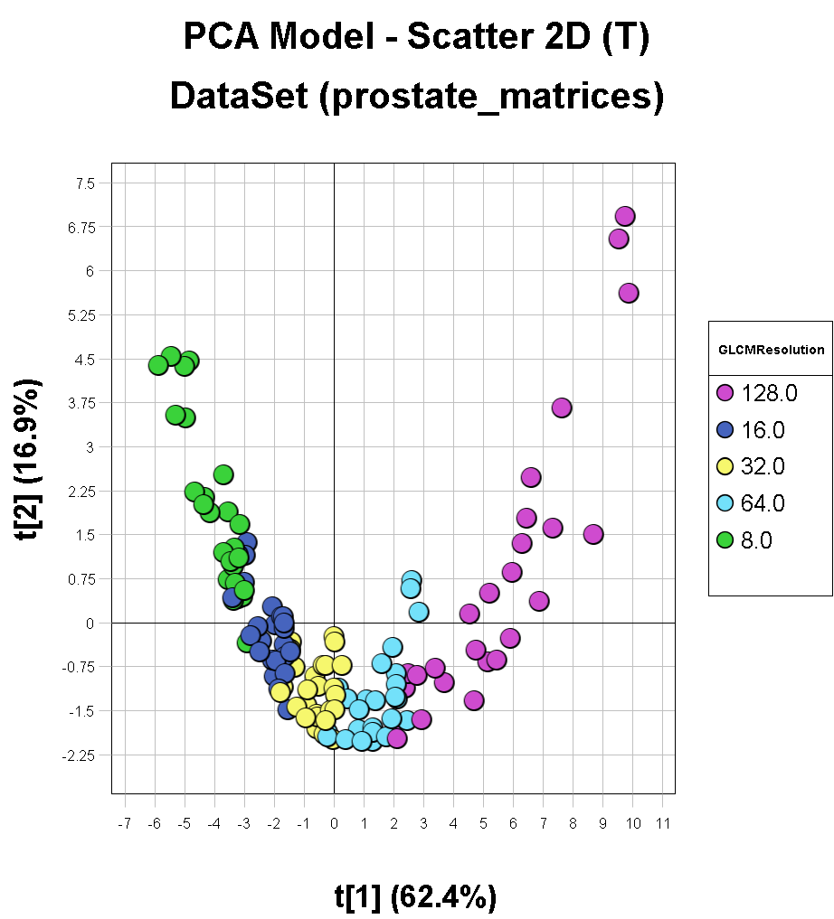
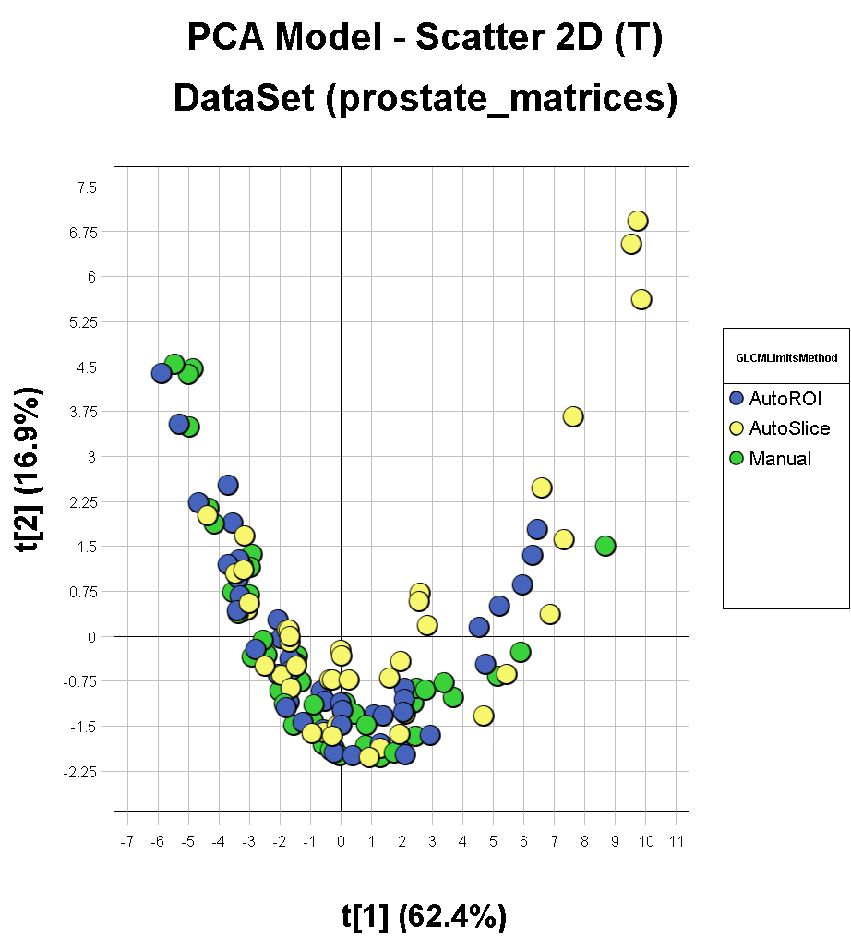
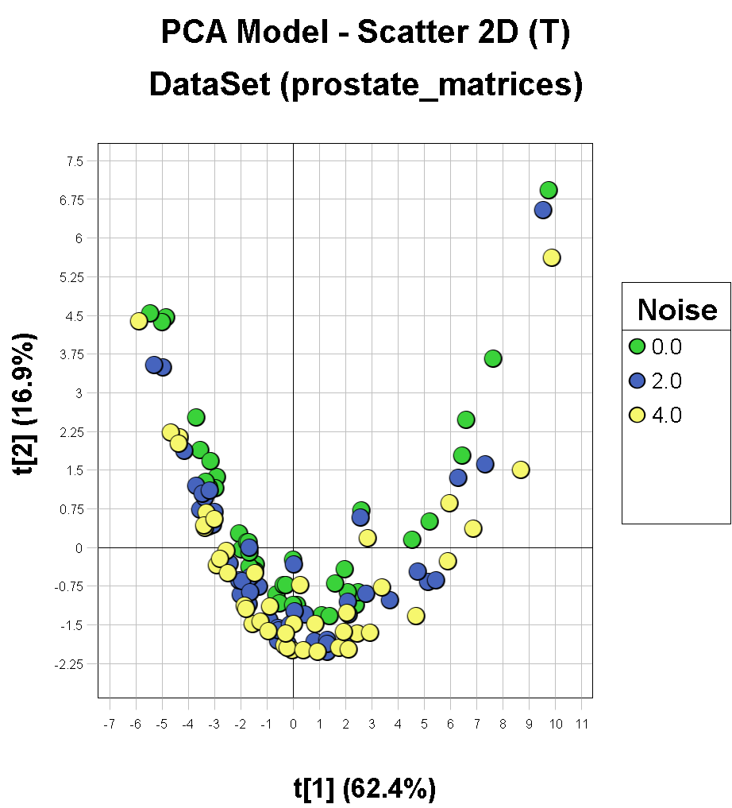
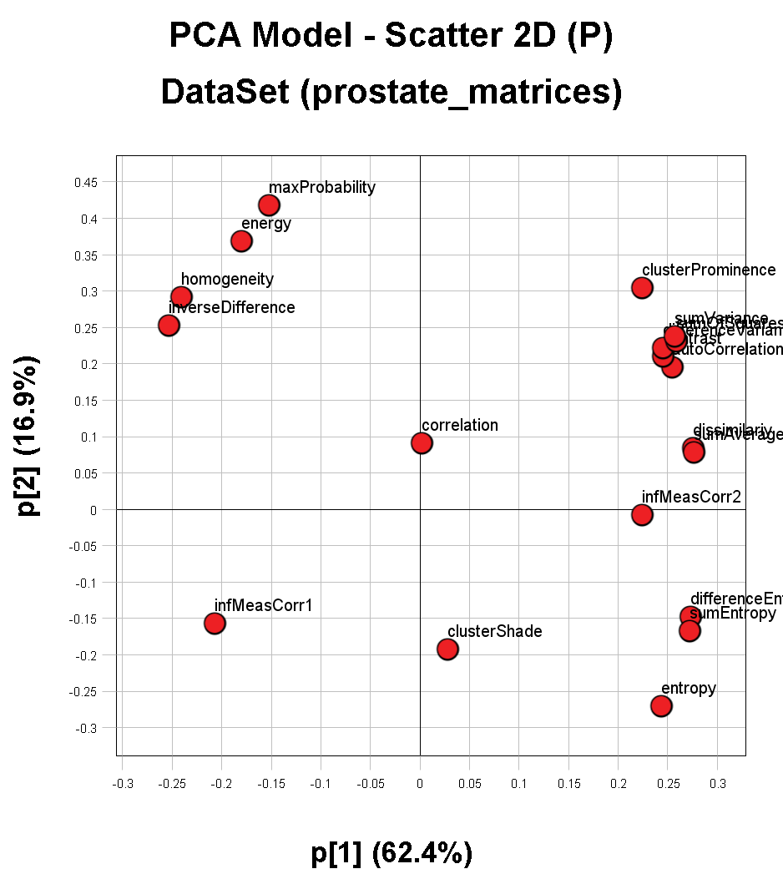

X Label | Num | R2 | Q2
autoCorrelation | 1 | 0.911253 | 0.797487
clusterProminence | 2 | 0.806013 | 0.443922
clusterShade | 3 | 0.616504 | 0.300135
contrast | 4 | 0.827395 | 0.533771
correlation | 5 | 0.960012 | 0.893821
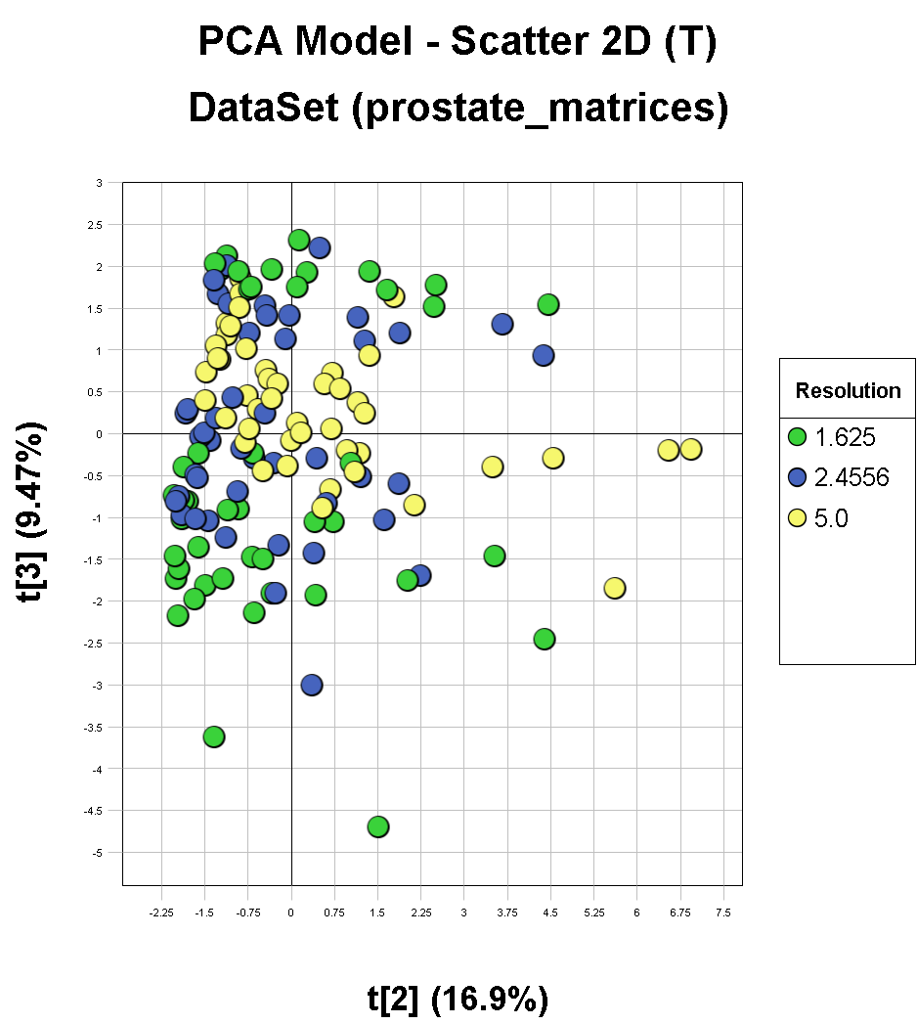
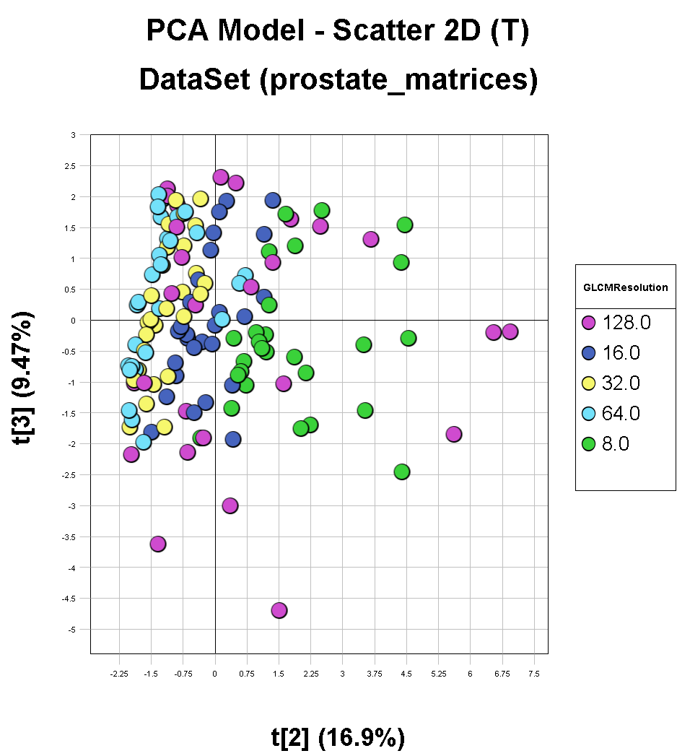
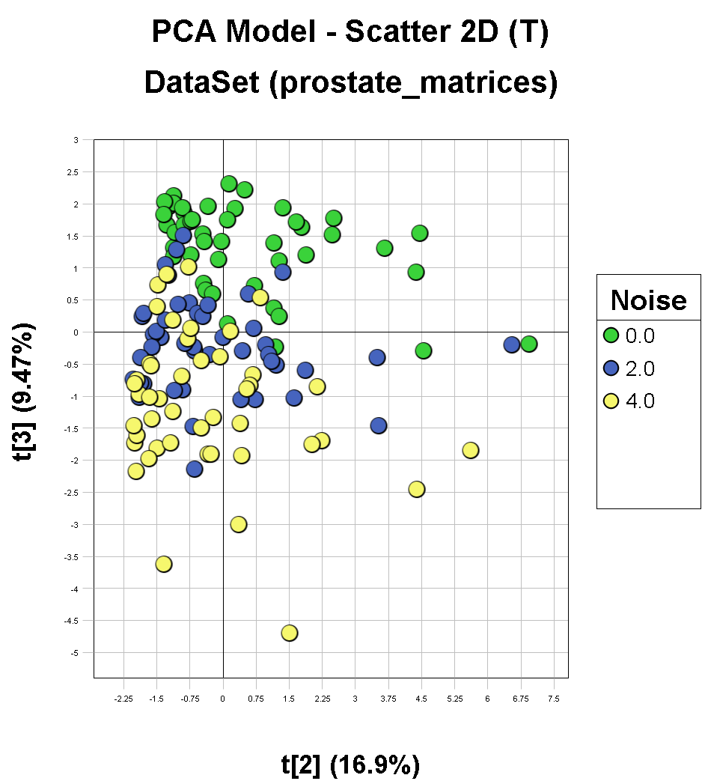
differenceEntropy | 6 | 0.971177 | 0.902282
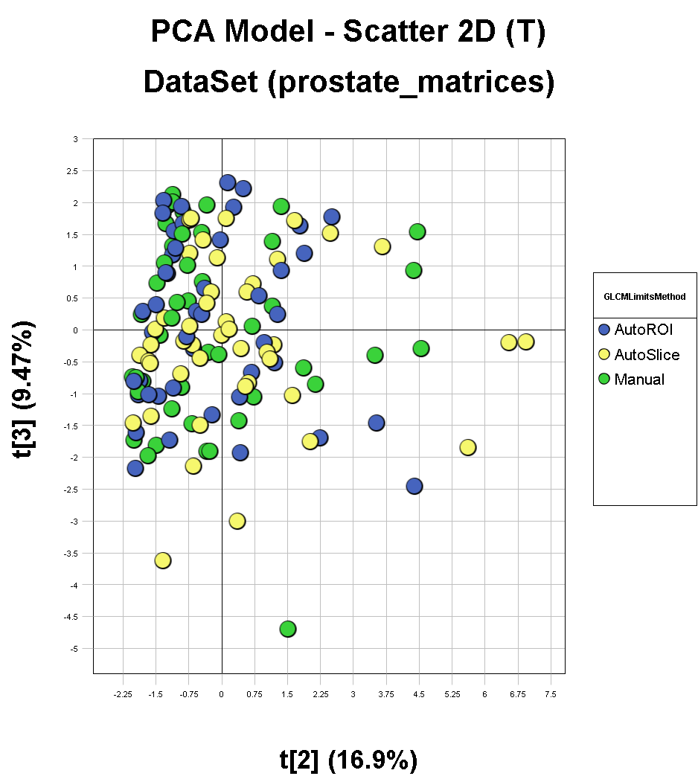
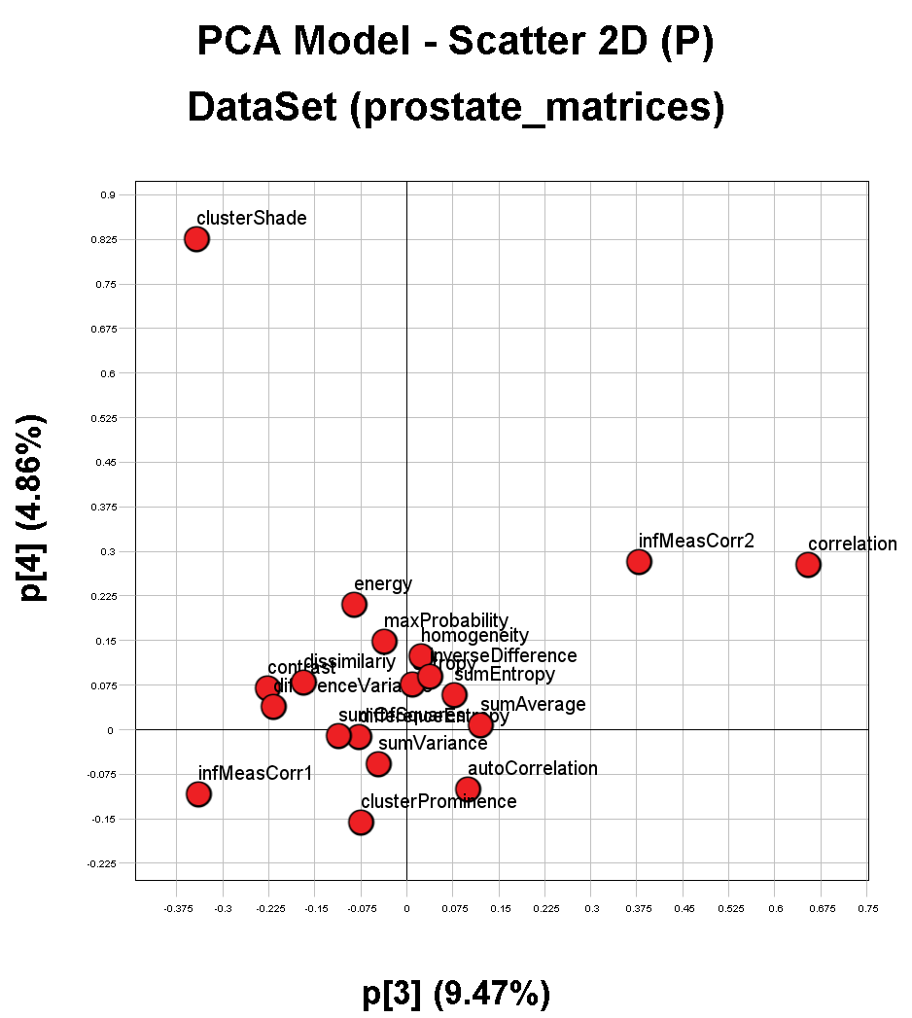
differenceVariance | 7 | 0.849773 | 0.533439
dissimilariy | 8 | 0.935472 | 0.789446
energy | 9 | 0.583515 | 0.20759
entropy | 10 | 0.938626 | 0.780731
homogeneity | 11 | 0.898494 | 0.693398
infMeasCorr1 | 12 | 0.935712 | 0.860281
infMeasCorr2 | 13 | 0.937225 | 0.855124
inverseDifference | 14 | 0.93187 | 0.775796
maxProbability | 15 | 0.598867 | 0.138276
sumAverage | 16 | 0.958492 | 0.8962
sumEntropy | 17 | 0.962249 | 0.856251
sumOfSquares | 18 | 0.874565 | 0.637708
sumVariance | 19 | 0.886938 | 0.649061
euclideanDistance | 20 | 0.729749 | 0.382746

