Workflow
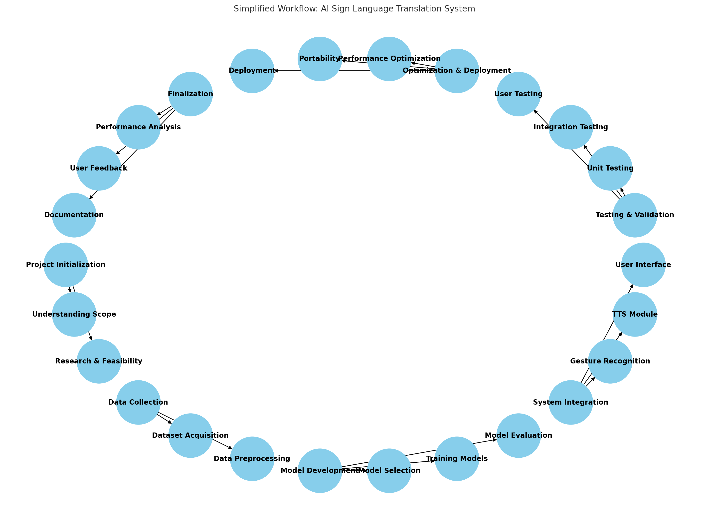
AI and Computer Vision Driven Sign Language Translation System

Phase | Sub-Phase | Task | Status
Project Initialization | Understanding Project Scope | Define and clarify the project scope. | Completed
Project Initialization | Understanding Project Scope | Identify the target users (deaf and mute individuals). | Completed
Project Initialization | Understanding Project Scope | Confirm requirements with stakeholders. | Completed
Project Initialization | Research & Feasibility Analysis | Study existing Sign Language Recognition (SLR) models. | Completed
Project Initialization | Research & Feasibility Analysis | Analyze different datasets (ASL dataset or a new dataset). | Completed
Project Initialization | Research & Feasibility Analysis | Evaluate deep learning models (CNNs, RNNs, Transformers). | Completed
Project Initialization | Research & Feasibility Analysis | Research hardware and software dependencies. | Completed
Data Collection & Preprocessing | Dataset Acquisition | Obtain relevant sign language datasets. | Completed
Data Collection & Preprocessing | Dataset Acquisition | Label gestures manually or use pre-labeled datasets. | Completed
Data Collection & Preprocessing | Data Preprocessing | Resize images/videos for uniformity. | Completed
Data Collection & Preprocessing | Data Preprocessing | Convert hand gestures into structured data. | Completed
Data Collection & Preprocessing | Data Preprocessing | Normalize pixel values and apply data augmentation. | Completed
Data Collection & Preprocessing | Data Preprocessing | Split dataset into training, validation, and testing sets. | Completed
Model Selection & Training | Model Selection | Choose between TensorFlow, PyTorch, and MediaPipe for hand tracking. | Completed
Model Selection & Training | Model Selection | Implement different architectures (CNNs, RNNs, Transformers, HMMs). | Completed
Model Selection & Training | Model Selection | Optimize models for real-time recognition. | Completed
Model Selection & Training | Training Models | Train the model using gesture dataset. | Completed
Model Selection & Training | Training Models | Fine-tune hyperparameters (learning rate, batch size, number of epochs). | Completed
Model Selection & Training | Training Models | Validate model performance. | Completed
Model Selection & Training | Model Evaluation | Measure accuracy, response time, and robustness in different conditions. | Completed
Model Selection & Training | Model Evaluation | Conduct tests under various lighting conditions, hand positions, and sizes. | Completed
Model Selection & Training | Model Evaluation | Perform real-time testing. | Completed
System Integration | Gesture Recognition Pipeline | Implement hand detection and tracking using OpenCV & MediaPipe. | Completed
System Integration | Gesture Recognition Pipeline | Feed detected hand landmarks into a trained model for classification. | Completed
System Integration | Gesture Recognition Pipeline | Display detected gestures in real-time. | Completed
System Integration | Text-to-Speech (TTS) Module | Convert recognized gestures into English text. | Completed
System Integration | Text-to-Speech (TTS) Module | Integrate pyttsx3 or Google Text-to-Speech API. | Completed
System Integration | Text-to-Speech (TTS) Module | Ensure smooth speech output. | Completed
System Integration | User Interface Development | Build a simple UI using Tkinter, HTML, CSS, JavaScript. | Completed
System Integration | User Interface Development | Display real-time recognized text on the UI. | Completed
System Integration | User Interface Development | Allow users to select between text or speech output. | Completed
Testing & Validation | Unit Testing | Test individual components: hand tracking, gesture recognition, TTS module. | Completed
Testing & Validation | Unit Testing | Ensure each module functions correctly before full integration. | Completed
Testing & Validation | Integration Testing | Test the full pipeline in a real-world scenario. | Completed
Testing & Validation | Integration Testing | Ensure smooth flow from hand gesture recognition to text and speech output. | Completed
Testing & Validation | User Testing | Gather feedback from deaf and mute users. | Completed
Testing & Validation | User Testing | Evaluate usability and improve UI/UX. | Completed
Optimization & Deployment | Performance Optimization | Optimize model efficiency for real-time detection. | Completed
Optimization & Deployment | Performance Optimization | Reduce latency by using TensorFlow Lite for edge devices. | Completed
Optimization & Deployment | Performance Optimization | Enhance gesture recognition accuracy. | Completed
Optimization & Deployment | Portability | Explore mobile app integration (using Flutter/Django for backend). | Completed
Optimization & Deployment | Portability | Ensure cross-platform compatibility. | Completed
Optimization & Deployment | Deployment | Package the application using PyInstaller. | Completed
Optimization & Deployment | Deployment | Deploy on a local machine, cloud, or mobile device. | Completed
Optimization & Deployment | Deployment | Create a user manual and documentation. | Completed
Project Evaluation & Documentation | Performance Analysis | Compare recognition accuracy against benchmarks. | Completed
Project Evaluation & Documentation | Performance Analysis | Measure response time and error rates. | Completed
Project Evaluation & Documentation | User Feedback & Improvements | Collect feedback and iterate over UI/UX. | Completed
Project Evaluation & Documentation | User Feedback & Improvements | Add additional error handling mechanisms for smooth performance. | Completed
Project Evaluation & Documentation | Final Documentation | Complete final project report. | Completed
Project Evaluation & Documentation | Final Documentation | Create a presentation with demo video. | Completed

