Sheet3
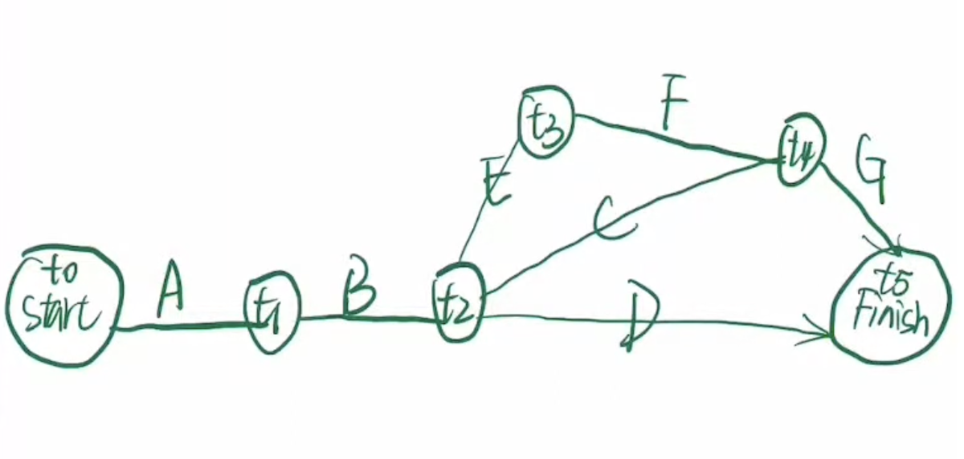
 | decision variables |  |  |  |  |  | 26
 | t0 | t1 | t2 | t3 | t4 | t5
 | 0 | 5 | 13 | 17 | 23 | 26

 | t0 | t1 | t2 | t3 | t4 | t5 | Constraint |  | Duration
A | -1 | 1 | 0 | 0 | 0 | 0 | 5 | >= | 5
B | 0 | -1 | 1 | 0 | 0 | 0 | 8 | >= | 8
C | 0 | 0 | -1 | 0 | 1 | 0 | 10 | >= | 10
D | 0 | 0 | -1 | 0 | 0 | 1 | 13 | >= | 5
E | 0 | 0 | -1 | 1 | 0 | 0 | 4 | >= | 4
F | 0 | 0 | 0 | -1 | 1 | 0 | 6 | >= | 6
G | 0 | 0 | 0 | 0 | -1 | 1 | 3 | >= | 3

