expected
 | input cells

taskID | task | predecessorTaskIDs | bestCaseHours | expectedHours | worstCaseHours | projectManager | frontendDeveloper | backendDeveloper | dataScientist | dataEngineer
A | Describe product |  | 7.20 | 8 | 8.80
B | Develop marketing strategy |  | 36.00 | 40 | 44.00
C | Design brochure | A | 36.00 | 40 | 44.00
D | Develop product prototype |  |  | 336
D1 | Requirements analysis | A | 14.40 | 16 | 17.60
D2 | Software design | D1 | 108.00 | 120 | 132.00
D3 | System design | D1 | 36.00 | 40 | 44.00
D4 | Coding | D2, D3 | 72.00 | 80 | 88.00
D5 | Write documentation | D4 | 36.00 | 40 | 44.00
D6 | Unit testing | D4 | 36.00 | 40 | 44.00
D7 | System testing | D6 | 36.00 | 40 | 44.00
D8 | Package deliverables | D5, D7 | 36.00 | 40 | 44.00
E | Survey potential market | B, C | 36.00 | 40 | 44.00
F | Develop pricing plan | D8, E | 21.60 | 24 | 26.40
G | Develop implementation plan | A, D8 | 21.60 | 24 | 26.40
H | Write client proposal | F, G | 36 | 40 | 44

D. Develop product prototype

Decision Variables |  | Changing Cells
 |  | d0 | d1 | d2 | d3 | d4 | d5 | d6 | d7 | d8
 |  | 0 | 16 | 136 | 56 | 216 | 296 | 256 | 296 | 336

Objective |  | Objective Cell
 | minimize completion time | 336.00

Constraints (expected hours) | Node 0 to Node 1 | -1 | 1 |  |  |  |  |  |  |  | 16 | >= | 16
 | Node 1 to Node 2 |  | -1 | 1 |  |  |  |  |  |  | 120 | >= | 120
 | Node 1 to Node 3 |  | -1 |  | 1 |  |  |  |  |  | 40 | >= | 40
 | Node 3 to Node 2 |  |  | 1 | -1 |  |  |  |  |  | 80 | >= | -
 | Node 2 to Node 4 |  |  | -1 |  | 1 |  |  |  |  | 80 | >= | 80
 | Node 4 to Node 5 |  |  |  |  | -1 | 1 |  |  |  | 80 | >= | 40
 | Node 4 to Node 6 |  |  |  |  | -1 |  | 1 |  |  | 40 | >= | 40
 | Node 6 to Node 7 |  |  |  |  |  |  | -1 | 1 |  | 40 | >= | 40
 | Node 7 to Node 5 |  |  |  |  |  | 1 |  | -1 |  | 0 | >= | -
 | Node 5 to Node 8 |  |  |  |  |  | -1 |  |  | 1 | 40 | >= | 40

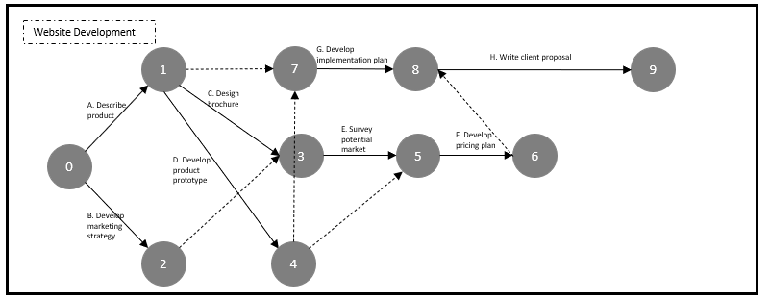
Website Development

Decision Variables |  | Changing Cells
 |  | t0 | t1 | t2 | t3 | t4 | t5 | t6 | t7 | t8 | t9
 |  | 0 | 8 | 304 | 304 | 344 | 344 | 368 | 368 | 344 | 408

Objective |  | Objective Cell
 | minimize completion time | 408.00

Constraints (expected hours) | Node 0 to Node 1 | -1 | 1 |  |  |  |  |  |  |  |  | 8 | >= | 8
 | Node 0 to Node 2 | -1 |  | 1 |  |  |  |  |  |  |  | 304 | >= | 40
 | Node 1 to Node 4 |  | -1 |  |  | 1 |  |  |  |  |  | 336 | >= | 336
 | Node 1 to Node 3 |  | -1 |  | 1 |  |  |  |  |  |  | 296 | >= | 40
 | Node 2 to Node 3 |  |  | -1 | 1 |  |  |  |  |  |  | 0 | >= | -
 | Node 4 to Node 7 |  |  |  |  | -1 |  |  |  | 1 |  | 0 | >= | -
 | Node 4 to Node 5 |  |  |  |  | -1 | 1 |  |  |  |  | 0 | >= | -
 | Node 3 to Node 5 |  |  |  | -1 |  | 1 |  |  |  |  | 40 | >= | 40
 | Node 5 to Node 6 |  |  |  |  |  | -1 | 1 |  |  |  | 24 | >= | 24
 | Node 7 to Node 8 |  |  |  |  |  |  |  | 1 | -1 |  | 24 | >= | 24
 | Node 6 to Node 8 |  |  |  |  |  |  | -1 | 1 |  |  | 0 | >= | -
 | Node 1 to Node 7 |  | -1 |  |  |  |  |  |  | 1 |  | 336 | >= | -
 | Node 8 to Node 9 |  |  |  |  |  |  |  | -1 |  | 1 | 40 | >= | 40

