Sheet5
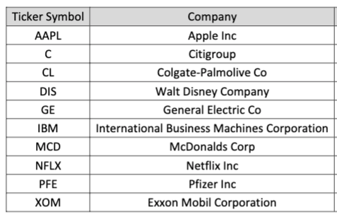
Beta | Market rise (7.5%) | Market fall (5%)
1.19 | 0.08925 | -0.0595
1.39 | 0.10425 | -0.0695
0.64 | 0.048 | -0.032
0.93 | 0.06975 | -0.0465
1.03 | 0.07725 | -0.0515
0.88 | 0.066 | -0.044
0.61 | 0.04575 | -0.0305
1.61 | 0.12075 | -0.0805
0.88 | 0.066 | -0.044
0.96 | 0.072 | -0.048

Sheet3
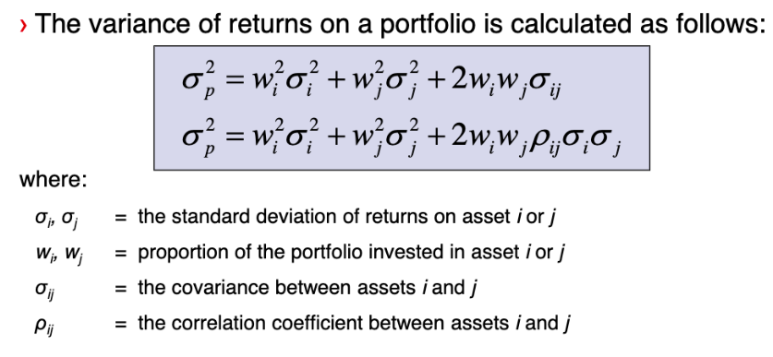
Q4
 |  | Expected return | Indnvidual SD | Individual VAR |  | Corr | 0.55
a) | Commbank | 14.91% | 5.33% | 0.28%
 | CSL | 16.85% | 7.14% | 0.51%

 | Expected returns | 15.88%

 | Portfolio Var | 0.303%
 | Portfolio SD | 5.506%

b) | perfect corr | corr | 1 |  | Expected return doesn’t change
 | Portfolio Var | 0.389%
 | Portfolio SD | 6.235%

 | perf neg | corr | -1 |  | Expected return doesn’t change
 | Portfolio Var | 0.00819%
 | Portfolio SD | 0.905%

C)

Sheet4
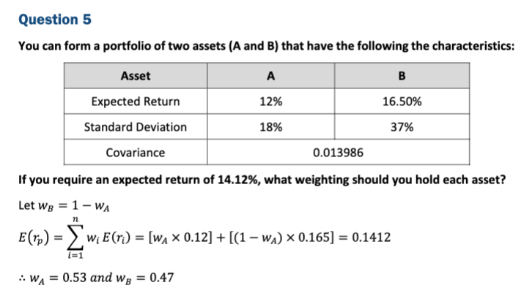
Q5

Sheet10
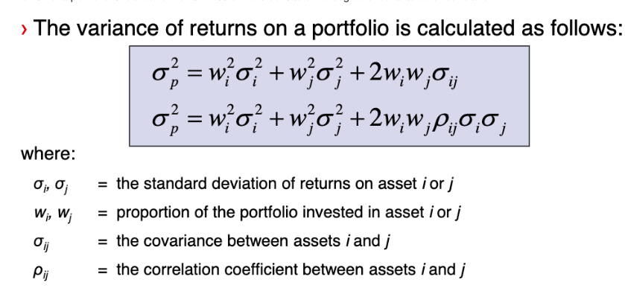
 | Dabber | Hertz | corr | -0.2
weight | 0.5 | 0.5
SD | 10% | 5%

 | var | 0.002625
 | SD | 5.12%

SD(DABBER) - SD(portfolio) | 4.88%

