dominion_match_dev
https://www.dominionenergy.com/library/domcom/media/about-us/making-energy/renewable-generation/va-nc-renewables-map.pdf?la=en

Index on Map | Map Name | Map County | Manually Matched EIA Name | Manually Matched EIA Code | Map Capacity | Matched EIA Capacity | note
30 | IS37 | Anson | Innovative Solar 37 | 59665 | 79 | 100
31 | Clipperton | Sampson | Clipperton Holdings | 59213 | 5 | 5
32 | Freemont | Lenoir | Lenoir Farm LLC | 58333 | 5 | 5
33 | Pikeville | Wayne | Pikeville Farm, LLC | 61404 | 5 | 5
34 | Moorings 2 | Lenoir | Moorings Farm 2 | 61405 | 5 | 5
35 | Gutenberg | Northampton |  |  | 79.9 | 0 | included w/ NC Solar
36 | Pecan | Northampton |  |  | 74.9 | 0 | included w/ NC Solar
37 | Morgans Corner | Pasquotank | Morgan's Corner | 60422 | 20 | 20
38 | Summit Farmes | Currituck | Summit Farms Solar | 60611 | 60 | 60
39 | NC Solar | Multiple |  |  | 575 | 0
39m | NC Solar chosen match | Currituck | Shawboro PV1 | 59155 | 0 | 20
39m | NC Solar chosen match | Currituck | Ranchland Solar, LLC | 61813 | 0 | 60
39m | NC Solar chosen match | Martin | Green Farm | 59148 | 0 | 5
39m | NC Solar chosen match | Martin | Jakana Solar | 59170 | 0 | 5
39m | NC Solar chosen match | Martin | Williamston Solar | 59176 | 0 | 5
39m | NC Solar chosen match | Martin | Meadows PV 1 | 59513 | 0 | 20
39m | NC Solar chosen match | Martin | Flat Meeks PV 1 | 59514 | 0 | 5
39m | NC Solar chosen match | Martin | Everetts Wildcat Solar, LLC | 59549 | 0 | 5
39m | NC Solar chosen match | Martin | MC1 Solar | 60395 | 0 | 5
39m | NC Solar chosen match | Martin | Hardison Farm Solar, LLC | 60415 | 0 | 5.2
39m | NC Solar chosen match | Martin | Modlin Solar Farm | 60417 | 0 | 4.9
39m | NC Solar chosen match | Martin | Williamston West Farm, LLC | 60484 | 0 | 4.9
39m | NC Solar chosen match | Martin | Williamston Speight Solar, LLC | 60787 | 0 | 15
39m | NC Solar chosen match | Northampton | 510 REPP One | 57363 | 0 | 1.3
39m | NC Solar chosen match | Northampton | Woodland Solar | 59175 | 0 | 5
39m | NC Solar chosen match | Northampton | Schell Solar Farm | 59591 | 0 | 5
39m | NC Solar chosen match | Northampton | Garysburg Solar | 59641 | 0 | 5
39m | NC Solar chosen match | Northampton | Gaston Solar | 59642 | 0 | 5
39m | NC Solar chosen match | Northampton | Seaboard Solar LLC | 59643 | 0 | 5
39m | NC Solar chosen match | Northampton | Turkey Creek PV1 | 60000 | 0 | 13.5
39m | NC Solar chosen match | Northampton | Hemlock Solar | 60207 | 0 | 5
39m | NC Solar chosen match | Northampton | Long Farm 46 Solar, LLC | 60208 | 0 | 5
39m | NC Solar chosen match | Northampton | White Farm Solar, LLC | 60363 | 0 | 5.2
39m | NC Solar chosen match | Northampton | Floyd Road Solar Farm | 61031 | 0 | 5
39m | NC Solar chosen match | Washington | Plymouth Solar LLC | 58480 | 0 | 5
39m | NC Solar chosen match | Washington | Creswell Alligood Solar, LLC | 59548 | 0 | 14
39m | NC Solar chosen match | Hertford | Solar Star North Carolina II LLC | 57435 | 0 | 6.5
39m | NC Solar chosen match | Hertford | Simons Farm | 59149 | 0 | 5
39m | NC Solar chosen match | Hertford | Bradley PV1 | 59154 | 0 | 5
39m | NC Solar chosen match | Hertford | Winton Solar | 59177 | 0 | 5
39m | NC Solar chosen match | Hertford | Downs Farm Solar | 59429 | 0 | 5
39m | NC Solar chosen match | Hertford | Benthall Bridge PV 1 | 59515 | 0 | 5
39m | NC Solar chosen match | Hertford | Baker PV 1 | 59517 | 0 | 5
39m | NC Solar chosen match | Hertford | Vaughn Creek PV1 | 60001 | 0 | 20
39m | NC Solar chosen match | Hertford | River Road Solar, LLC | 60487 | 0 | 5
39m | NC Solar chosen match | Beaufort | Washington White Post Solar LLC | 58135 | 0 | 12.4
39m | NC Solar chosen match | Beaufort | Chocowinity Solar LLC | 58675 | 0 | 5
39m | NC Solar chosen match | Beaufort | Pamlico Partners Solar | 58799 | 0 | 5
39m | NC Solar chosen match | Beaufort | Washington Airport Solar LLC | 58845 | 0 | 5
39m | NC Solar chosen match | Beaufort | Washington Millfield Solar, LLC | 58846 | 0 | 5
39m | NC Solar chosen match | Beaufort | Beaufort Solar, LLC | 59887 | 0 | 15
39m | NC Solar chosen match | Beaufort | Choco Solar, LLC | 59899 | 0 | 5
39m | NC Solar chosen match | Beaufort | TWE Chocowinity Solar, LLC | 60048 | 0 | 4.5
39m | NC Solar chosen match | Pasquotank | Pasquotank | 59530 | 0 | 20
39m | NC Solar chosen match | Pasquotank | Barnhill Road Solar, LLC | 60782 | 0 | 3.1
39m | NC Solar chosen match | Bertie | Windsor Cooper HIill Solar, LLC | 58847 | 0 | 5
39m | NC Solar chosen match | Bertie | Windsor Solar | 59171 | 0 | 5
39m | NC Solar chosen match | Bertie | Lewiston Solar | 59174 | 0 | 5
39m | NC Solar chosen match | Bertie | Kelford | 59527 | 0 | 20
39m | NC Solar chosen match | Bertie | Kelford | 59796 | 0 | 5
39m | NC Solar chosen match | Gates | Gates Solar LLC | 58673 | 0 | 5
39m | NC Solar chosen match | Gates | SoINCPower6, LLC | 59856 | 0 | 5
39m | NC Solar chosen match | Gates | Sugar Run Solar | 60189 | 0 | 5
39m | NC Solar chosen match | Halifax | Dogwood Solar, LLC | 58844 | 0 | 20
39m | NC Solar chosen match | Halifax | Halifax | 58943 | 0 | 20
39m | NC Solar chosen match | Halifax | American Legion PV 1 | 59516 | 0 | 16
39m | NC Solar chosen match | Halifax | SunEnergy1-Scotland Neck, LLC | 59898 | 0 | 3
39m | NC Solar chosen match | Halifax | HXNAir Solar One | 60209 | 0 | 5
39m | NC Solar chosen match | Halifax | Cork Oak Solar | 60637 | 0 | 20
39m | NC Solar chosen match | Halifax | Sunflower Solar | 60638 | 0 | 16
39m | NC Solar chosen match | Pitt | Flemming Solar Center LLC | 58808 | 0 | 5
39m | NC Solar chosen match | Pitt | Littlefield Solar Center LLC | 58809 | 0 | 5
39m | NC Solar chosen match | Pitt | Rams Horn Solar Center LLC | 58810 | 0 | 5
39m | NC Solar chosen match | Pitt | Bethel Price Solar, LLC | 58843 | 0 | 5
39m | NC Solar chosen match | Pitt | Bethel Solar | 59173 | 0 | 5
39m | NC Solar chosen match | Pitt | Augustus Farm, LLC | 60313 | 0 | 4.9
39m | NC Solar chosen match | Perquimans | GKS Solar | 59426 | 0 | 5
39m | NC Solar chosen match | Perquimans | Two Mile Solar | 59427 | 0 | 5
39m | NC Solar chosen match | Perquimans | Hertford Solar Farm | 60384 | 0 | 5
39m | NC Solar chosen match | Perquimans | Davis Lane Solar, LLC | 61581 | 0 | 5
39m | NC Solar chosen match | Edgecombe | QVC Inc | 56966 | 0 | 3.9
39m | NC Solar chosen match | Edgecombe | QVC Inc | 56966 | 0 | 3.9
39m | NC Solar chosen match | Edgecombe | Tarboro Solar | 59648 | 0 | 5
39m | NC Solar chosen match | Edgecombe | Conetoe II Solar, LLC | 59944 | 0 | 80
39m | NC Solar chosen match | Edgecombe | Conetoe Solar | 60188 | 0 | 5
39m | NC Solar chosen match | Edgecombe | Leggett Solar, LLC | 60783 | 0 | 5
39m | NC Solar chosen match | Edgecombe | Tolson Solar | 61131 | 0 | 3
39m | NC Solar chosen match | Greene | Arba Solar, LLC | 58801 | 0 | 2
39m | NC Solar chosen match | Greene | Snow Hill Solar 2 LLC | 59106 | 0 | 2
39m | NC Solar chosen match | Greene | Thornton PV1 | 59152 | 0 | 5
39m | NC Solar chosen match | Greene | Innovative Solar 63, LLC | 60053 | 0 | 4.9
39m | NC Solar chosen match | Alexander | Taylorsville Solar LLC | 57402 | 0 | 1.2
39m | NC Solar chosen match | Alexander | Stikeleather Farm | 59595 | 0 | 5
39m | NC Solar chosen match | Mecklenburg | DE Solar 10240 Old Dowd Rd | 57334 | 0 | 1.9
40 | Wakefield | Wake | Wakefield Solar | 61536 | 5 | 5
41 | Mustang | Moore |  |  | 5 | 0
42 | Siler | Chatham | Siler 421 Farm, LLC | 61019 | 4.5 | 5
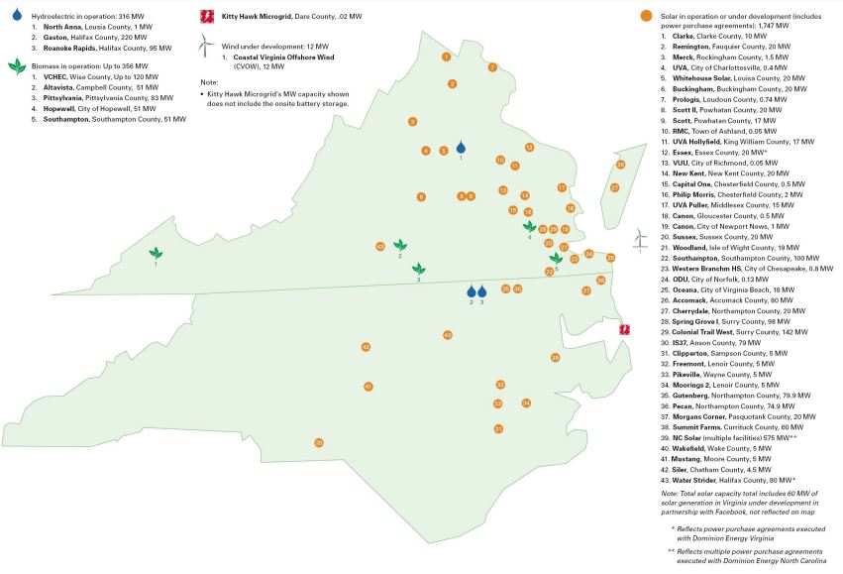
 |  |  |  |  | 923.3 | 923.2
 |  |  |  |  |  |  | likely dominion | county | capacity |  | county capacity
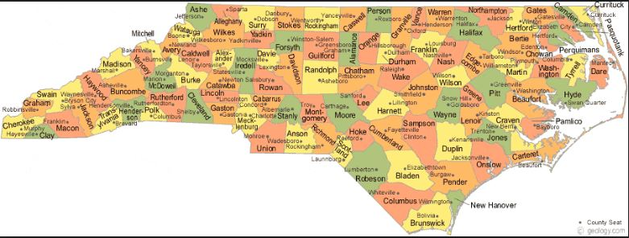
 |  |  |  |  |  |  |  | Bladen | 256.9 |  | 898.2
 |  |  |  |  |  |  |  | Robeson | 185.6
 |  |  |  |  |  |  |  | Cumberland | 152.3
 |  |  |  |  |  |  |  | Duplin | 141.5
 |  |  |  |  |  |  | 1 | Currituck | 140
 |  |  |  |  |  |  |  | Wilson | 128.4
 |  |  |  |  |  |  |  | Scotland | 126.8
 |  |  |  |  |  |  |  | Anson | 125
 |  |  |  |  |  |  |  | Nash | 109.8
 |  |  |  |  |  |  |  | Vance | 102.8
 |  |  |  |  |  |  |  | Catawba | 102
 |  |  |  |  |  |  | 1 | Edgecombe | 101.9
 |  |  |  |  |  |  | 1 | Halifax | 100
 |  |  |  |  |  |  | 1 | Martin | 97
 |  |  |  |  |  |  |  | Richmond | 95.7
 |  |  |  |  |  |  |  | Union | 92.3
 |  |  |  |  |  |  |  | Burke | 88.4
 |  |  |  |  |  |  |  | Wayne | 85.1
 |  |  |  |  |  |  | 1 | Northampton | 82.8
 |  |  |  |  |  |  | 1 | Washington | 80.3
 |  |  |  |  |  |  |  | Cleveland | 79.3
 |  |  |  |  |  |  |  | Rutherford | 77.8
 |  |  |  |  |  |  |  | Johnston | 66.4
 |  |  |  |  |  |  | 1 | Hertford | 61.5
 |  |  |  |  |  |  | 1 | Beaufort | 56.9
 |  |  |  |  |  |  |  | Orange | 56.2
 |  |  |  |  |  |  |  | Warren | 55.8
 |  |  |  |  |  |  |  | Franklin | 55.7
 |  |  |  |  |  |  |  | Lenoir | 50.9
 |  |  |  |  |  |  |  | Columbus | 44.5
 |  |  |  |  |  |  |  | Montgomery | 43.9
 |  |  |  |  |  |  | 1 | Pasquotank | 43.1
 |  |  |  |  |  |  | 1 | Bertie | 40
 |  |  |  |  |  |  |  | Lee | 33.4
 |  |  |  |  |  |  |  | Granville | 32.7
 |  |  |  |  |  |  |  | Rowan | 31.5
 |  |  |  |  |  |  |  | Davie | 30.4
 |  |  |  |  |  |  | 1 | Pitt | 29.9
 |  |  |  |  |  |  |  | Rockingham | 27
 |  |  |  |  |  |  |  | Harnett | 27
 |  |  |  |  |  |  |  | Moore | 25.2
 |  |  |  |  |  |  |  | Wake | 24.9
 |  |  |  |  |  |  |  | Alamance | 23.2
 |  |  |  |  |  |  | 1 | Greene | 21.7
 |  |  |  |  |  |  |  | Sampson | 20.7
 |  |  |  |  |  |  | 1 | Perquimans | 20
 |  |  |  |  |  |  |  | Jones | 19.9
 |  |  |  |  |  |  |  | Chatham | 19.2
 |  |  |  |  |  |  |  | Craven | 19
 |  |  |  |  |  |  |  | Durham | 16.5
 |  |  |  |  |  |  |  | Person | 15.5
 |  |  |  |  |  |  | 1 | Gates | 15
 |  |  |  |  |  |  |  | Randolph | 15
 |  |  |  |  |  |  |  | Caswell | 14.9
 |  |  |  |  |  |  |  | Onslow | 12.8
 |  |  |  |  |  |  |  | Gaston | 11
 |  |  |  |  |  |  |  | Yadkin | 10.5
 |  |  |  |  |  |  |  | Cabarrus | 10.1
 |  |  |  |  |  |  |  | Lincoln | 10
 |  |  |  |  |  |  |  | Stanly | 10
 |  |  |  |  |  |  |  | Hoke | 9.8
 |  |  |  |  |  |  |  | Haywood | 8.7
 |  |  |  |  |  |  |  | Forsyth | 7.3
 |  |  |  |  |  |  |  | Iredell | 6.4
 |  |  |  |  |  |  |  | Guilford | 6.3
 |  |  |  |  |  |  | 1 | Alexander | 6.2 | done to true
 |  |  |  |  |  |  |  | Buncombe | 5.1
 |  |  |  |  |  |  |  | Pender | 5
 |  |  |  |  |  |  |  | Pamlico | 5
 |  |  |  |  |  |  |  | Surry | 4.7
 |  |  |  |  |  |  |  | Stokes | 4
 |  |  |  |  |  |  |  | Henderson | 4
 |  |  |  |  |  |  |  | Cherokee | 3
 |  |  |  |  |  |  |  | New Hanover | 2.8
 |  |  |  |  |  |  | 1 | Mecklenburg | 1.9 | done to true
 |  |  |  |  |  |  |  | Caldwell | 1.1

