Sheet1
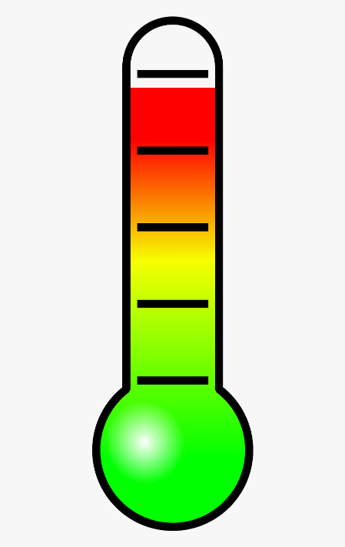

CPU Temperature Monitor

raspberry.png

Raspberry Pi 4
CPU Temperature

