Validation
Gusset - Kinoshita's method
Kinoshita No2
 | Stiffener | No Stiffener
L13 | 271.53 | 271.53
L23 | 291.2 | 291.2
L34 | 425.62 | 425.62
abHa | 142.68 | 142.68
abHb | 424.69 | 424.69
acHa | 133.04 | 133.04 |  |  |  |  |  |  |  |  |  |  |  | tg | ts,AB | ts,AC | ts,AD | ns | θ | Lf | wb | we | ws | hc | he | hs | ARAB | ARAC | ARBD | θA | θB | KAB | KAC | KBD | K | Kino.
acHc | 191.44 | 191.44 |  |  |  |  |  |  |  |  |  |  |  | mm |  |  |  |  | deg | mm | mm | mm | mm | mm | mm | mm |  |  |  | deg | deg | kNm/rad | kNm/rad | kNm/rad | kNm/rad | kNm/rad
bdHb | 270.94 | 270.94 |  |  |  |  |  |  |  |  |  | No. 1 | D | 16 |  | 12 |  | 2 | 45 | 441.53 |  |  |  |  |  |  |  |  |  |  |  |  |  |  |  | 59.9
bdHd | 301.38 | 301.38 |  |  |  |  |  |  |  |  |  | No. 2 | C | 16 |  | 12 |  | 2 | 45 | 271.53 | 600.6 | 423.82 | 0 | 400.6 | 223.82 | 198.82 | 0.479 | 0.897 | 0.744 | 29.3 | 93.8 | 0.0 | 0.0 | 0.0 | 0.0 | 1453.2 | 0%
 |  |  |  |  |  |  |  |  |  |  |  | No. 3 | B | 16 |  | 12 |  | 2 | 45 | 271.53 | 600.6 | 423.82 | 0 | 400.6 | 223.82 | 0 | 0.384 | 0.624 | 0.744 | 68.2 | 93.8 | 0.0 | 0.0 | 0.0 | 0.0 | 336.5 | 0%
E | 205000 | 205000 |  |  |  |  |  |  |  |  |  | No. 4 | C | 12 |  | 9 |  | 2 | 45 | 271.53 | 600.6 | 423.82 | 0 | 400.6 | 223.82 | 198.82 | 0.479 | 0.897 | 0.744 | 29.3 | 93.8 | 0.0 | 0.0 | 0.0 | 0.0 | 619.3 | 0%
v | 0.3 | 0.3 |  |  |  |  |  |  |  |  |  | No. 5 | C | 12 |  | 9 |  | 2 | 45 | 421.53 | 600.6 | 423.82 | 0 | 400.6 | 223.82 | 198.82 | 0.743 | 1.339 | 0.737 | 19.5 | 74.0 | 0.0 | 0.0 | 0.0 | 0.0 | 2017.8 | 0%
tg | 16 | 16 |  |  |  |  |  |  |  |  |  | No. 6 | C | 16 |  | 12 |  | 2 | 45 |  |  |  | 0 | 400.6 | 223.82 | 198.82 | 0.000 | #NUM! | #NUM! | 82.9 | 90.0 | 0.0 | #NUM! | #NUM! | #NUM! | 0.0 | #NUM!
ts | 12 |  |  |  |  |  |  |  |  |  |  | No. 7 | C | 16 |  | 12 |  | 2 | 60 |  |  |  | 0 | 400.6 | 223.82 | 198.82 | 0.000 | #NUM! | #NUM! | 83.5 | 90.0 | 0.0 | #NUM! | #NUM! | #NUM! |  | #NUM!
 |  |  |  |  |  |  |  |  |  |  |  | No. 8 | C | 16 |  | 12 |  | 2 | 45 |  |  |  | 0 | 400.6 | 223.82 | 198.82 | 0.000 | #NUM! | #NUM! | 82.9 | 90.0 | 0.0 | #NUM! | #NUM! | #NUM! |  | #NUM!
kab | 73599119.283 | 73599119.283 |  |  |  |  |  |  |  |  |  | No. 9 | C | 16 |  | 12 |  | 2 | 45 |  |  |  | 0 | 400.6 |  |  | 0.000 | #NUM! | #NUM! | 90.0 | 90.0 | 0.0 | #NUM! | #NUM! | #NUM! |  | #NUM!
kac | 254464168.31 | 138014464.17
kbd | 114367932.69 | 114367932.69

Kab | 3399.4196721 | 3399.4196721 | N/mm
Kac | 14376.797794 | 7797.5852442 | N/mm
Kbd | 1557.9661516 | 1557.9661516 | N/mm
Kg | 19.334183618 | 12.754971068 | kN/mm

Lf | 271.53 | 271.53
Lj | 408.47 | 408.47
Kg* | 7.72 | 5.09
err | 0.78 | 0.77
Kg*/err | 9.90 | 6.61
Test | 10.09 | 6.80
 | 98% | 97%

Section Properties |  |  |  |  | Calculated |  |  |  | GSA |  |  |  | Error
Section | D | t/tf/td | B | tw/tb |  | Iyy | Izz | J | A | Iyy | Izz | J
Rectangle | 100 | 50 |  |  | 5.00E+03 | 1.04E+10 | 1.04E+10 |  | 5.00E+03 | 4.17E+06 | 1.04E+06 |  | 100% | 249998% | 999968%
CHS | 300 | 10 |  |  | 9.11E+03 | 9.59E+07 | 9.59E+07 | 1.92E+08 | 9.11E+03 | 9.59E+07 | 9.59E+07 | 1.92E+08 | 100% | 100% | 100% | 100%
RHS | 300 | 10 | 100 | 5 | 4.80E+03 | 6.04E+07 | 7.99E+06 | 2.25E+07 | 4.80E+03 | 6.04E+07 | 7.99E+06 | 2.25E+07 | 100% | 100% | 100% | 100%
SHS | 300 | 10 |  |  | 1.16E+04 | 1.63E+08 | 1.63E+08 | 2.44E+08 | 1.16E+04 | 1.63E+08 | 1.63E+08 | 2.44E+08 | 100% | 100% | 100% | 100%
I | 300 | 10 | 200 | 5 | 5.40E+03 | 9.33E+07 | 1.33E+07 | 1.46E+05 | 5.40E+03 | 9.33E+07 | 1.33E+07 | 1.41E+05 | 100% | 100% | 100% | 104%
Cruciform | 300 | 10 | 200 | 5 | 3.95E+03 | 2.25E+07 | 3.36E+06 |  | 3.95E+03 | 2.25E+07 | 3.36E+06 |  | 100% | 100% | 100%

Buckling
fy | 300
E | 205000

 |  | fcr/fy
strut curve |  | Euler |  | Eurocode 3 |  |  |  |  |  | BS5950
λ | λ |  |  | a0 | a | b | c | d |  | a | b | c | d |  | a0 | a | b | c | d
0 | 0.00 | 1.00 |  | 1.00 | 1.00 | 1.00 | 1.00 | 1.00 |  | 1.00 | 1.00 | 1.00 | 1.00 |  | 1.00 | 1.00 | 1.00 | 1.00 | 1.00
fcr/fy
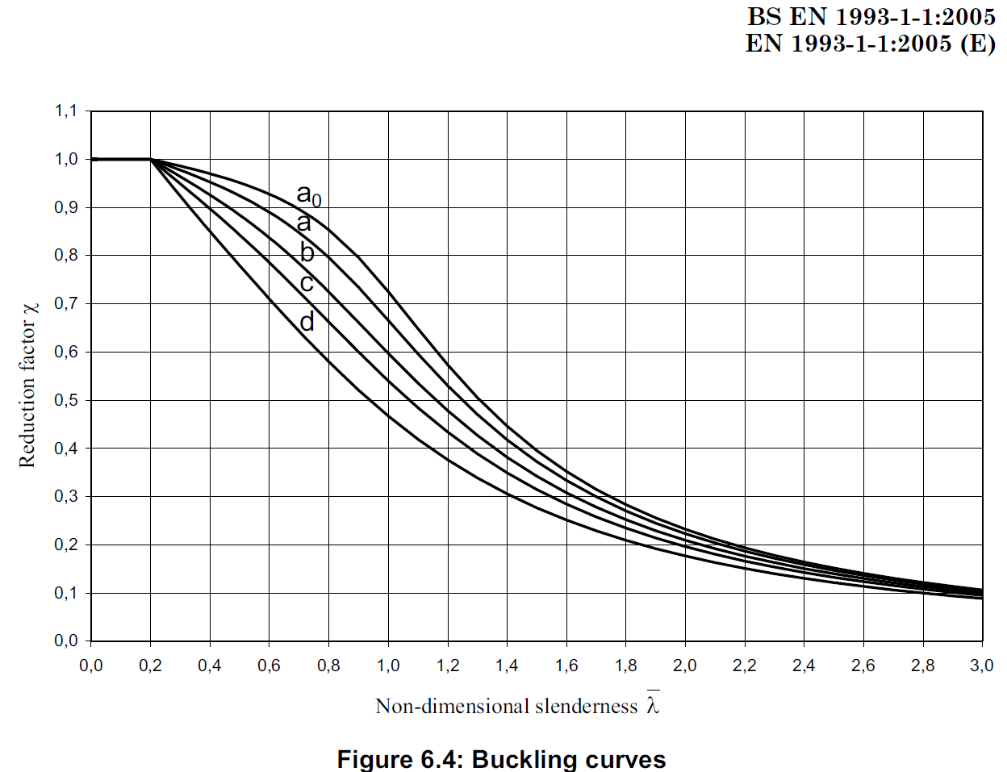
8 | 0.10 | 1.00 |  | 1.00 | 1.00 | 1.00 | 1.00 | 1.00 |  | 1.00 | 1.00 | 1.00 | 1.00 |  | #VALUE! | #VALUE! | #VALUE! | #VALUE! | #VALUE!
16 | 0.20 | 1.00 |  | 1.00 | 1.00 | 1.00 | 1.00 | 1.00 |  | 1.00 | 1.00 | 1.00 | 1.00 |  | #VALUE! | #VALUE! | #VALUE! | #VALUE! | #VALUE!
25 | 0.30 | 1.00 |  | 0.99 | 0.98 | 0.96 | 0.95 | 0.92 |  | 0.98 | 0.97 | 0.95 | 0.93 |  | #VALUE! | #VALUE! | #VALUE! | #VALUE! | #VALUE!
33 | 0.40 | 1.00 |  | 0.97 | 0.95 | 0.93 | 0.90 | 0.85 |  | 0.96 | 0.94 | 0.90 | 0.87 |  | #VALUE! | #VALUE! | #VALUE! | #VALUE! | #VALUE!
41 | 0.50 | 1.00 |  | 0.95 | 0.92 | 0.88 | 0.84 | 0.78 |  | 0.94 | 0.90 | 0.85 | 0.80 |  | #VALUE! | #VALUE! | #VALUE! | #VALUE! | #VALUE!
49 | 0.60 | 1.00 |  | 0.93 | 0.89 | 0.84 | 0.79 | 0.71 |  | 0.91 | 0.86 | 0.80 | 0.74 |  | #VALUE! | #VALUE! | #VALUE! | #VALUE! | #VALUE!
57 | 0.70 | 1.00 |  | 0.90 | 0.85 | 0.78 | 0.72 | 0.64 |  | 0.87 | 0.81 | 0.74 | 0.67 |  | #VALUE! | #VALUE! | #VALUE! | #VALUE! | #VALUE!
66 | 0.80 | 1.00 |  | 0.85 | 0.80 | 0.72 | 0.66 | 0.58 |  | 0.83 | 0.75 | 0.68 | 0.61 |  | #VALUE! | #VALUE! | #VALUE! | #VALUE! | #VALUE!
74 | 0.90 | 1.00 |  | 0.80 | 0.73 | 0.66 | 0.60 | 0.52 |  | 0.77 | 0.69 | 0.61 | 0.55 |  | #VALUE! | #VALUE! | #VALUE! | #VALUE! | #VALUE!
82 | 1.00 | 1.00 |  | 0.73 | 0.67 | 0.60 | 0.54 | 0.47 |  | 0.70 | 0.62 | 0.55 | 0.49 |  | #VALUE! | #VALUE! | #VALUE! | #VALUE! | #VALUE!
90 | 1.10 | 0.83 |  | 0.65 | 0.60 | 0.54 | 0.48 | 0.42 |  | 0.62 | 0.56 | 0.50 | 0.44 |  | #VALUE! | #VALUE! | #VALUE! | #VALUE! | #VALUE!
99 | 1.20 | 0.69 |  | 0.57 | 0.53 | 0.48 | 0.43 | 0.38 |  | 0.55 | 0.50 | 0.44 | 0.40 |  | #VALUE! | #VALUE! | #VALUE! | #VALUE! | #VALUE!
107 | 1.30 | 0.59 |  | 0.51 | 0.47 | 0.43 | 0.39 | 0.34 |  | 0.49 | 0.44 | 0.40 | 0.36 |  | #VALUE! | #VALUE! | #VALUE! | #VALUE! | #VALUE!
115 | 1.40 | 0.51 |  | 0.45 | 0.42 | 0.38 | 0.35 | 0.31 |  | 0.43 | 0.40 | 0.36 | 0.32 |  | #VALUE! | #VALUE! | #VALUE! | #VALUE! | #VALUE!
123 | 1.50 | 0.44 |  | 0.40 | 0.37 | 0.34 | 0.31 | 0.28 |  | 0.39 | 0.35 | 0.32 | 0.29 |  | #VALUE! | #VALUE! | #VALUE! | #VALUE! | #VALUE!
131 | 1.60 | 0.39 |  | 0.35 | 0.33 | 0.31 | 0.28 | 0.25 |  | 0.34 | 0.32 | 0.29 | 0.26 |  | #VALUE! | #VALUE! | #VALUE! | #VALUE! | #VALUE!
140 | 1.70 | 0.35 |  | 0.31 | 0.30 | 0.28 | 0.26 | 0.23 |  | 0.31 | 0.29 | 0.26 | 0.24 |  | #VALUE! | #VALUE! | #VALUE! | #VALUE! | #VALUE!
148 | 1.80 | 0.31 |  | 0.28 | 0.27 | 0.25 | 0.23 | 0.21 |  | 0.28 | 0.26 | 0.24 | 0.22 |  | #VALUE! | #VALUE! | #VALUE! | #VALUE! | #VALUE!
156 | 1.90 | 0.28 |  | 0.26 | 0.24 | 0.23 | 0.21 | 0.19 |  | 0.25 | 0.24 | 0.22 | 0.20 |  | #VALUE! | #VALUE! | #VALUE! | #VALUE! | #VALUE!
164 | 2.00 | 0.25 |  | 0.23 | 0.22 | 0.21 | 0.20 | 0.18 |  | 0.23 | 0.21 | 0.20 | 0.18 |  | #VALUE! | #VALUE! | #VALUE! | #VALUE! | #VALUE!
172 | 2.10 | 0.23 |  | 0.21 | 0.20 | 0.19 | 0.18 | 0.16 |  | 0.21 | 0.20 | 0.18 | 0.17 |  | #VALUE! | #VALUE! | #VALUE! | #VALUE! | #VALUE!
181 | 2.20 | 0.21 |  | 0.19 | 0.19 | 0.18 | 0.17 | 0.15 |  | 0.19 | 0.18 | 0.17 | 0.16 |  | #VALUE! | #VALUE! | #VALUE! | #VALUE! | #VALUE!
189 | 2.30 | 0.19 |  | 0.18 | 0.17 | 0.16 | 0.15 | 0.14 |  | 0.18 | 0.17 | 0.16 | 0.14 |  | #VALUE! | #VALUE! | #VALUE! | #VALUE! | #VALUE!
197 | 2.40 | 0.17 |  | 0.16 | 0.16 | 0.15 | 0.14 | 0.13 |  | 0.16 | 0.15 | 0.14 | 0.13 |  | #VALUE! | #VALUE! | #VALUE! | #VALUE! | #VALUE!
205 | 2.50 | 0.16 |  | 0.15 | 0.15 | 0.14 | 0.13 | 0.12 |  | 0.15 | 0.14 | 0.13 | 0.13 |  | #VALUE! | #VALUE! | #VALUE! | #VALUE! | #VALUE!
214 | 2.60 | 0.15 |  | 0.14 | 0.14 | 0.13 | 0.12 | 0.11 |  | 0.14 | 0.13 | 0.13 | 0.12 |  | #VALUE! | #VALUE! | #VALUE! | #VALUE! | #VALUE!
222 | 2.70 | 0.14 |  | 0.13 | 0.13 | 0.12 | 0.12 | 0.11 |  | 0.13 | 0.12 | 0.12 | 0.11 |  | #VALUE! | #VALUE! | #VALUE! | #VALUE! | #VALUE!
230 | 2.80 | 0.13 |  | 0.12 | 0.12 | 0.11 | 0.11 | 0.10 |  | 0.12 | 0.12 | 0.11 | 0.10 |  | #VALUE! | #VALUE! | #VALUE! | #VALUE! | #VALUE!
238 | 2.90 | 0.12 |  | 0.11 | 0.11 | 0.11 | 0.10 | 0.09 |  | 0.11 | 0.11 | 0.10 | 0.10 |  | #VALUE! | #VALUE! | #VALUE! | #VALUE! | #VALUE!
246 | 3.00 | 0.11 |  | 0.11 | 0.10 | 0.10 | 0.10 | 0.09 |  | 0.11 | 0.10 | 0.10 | 0.09 |  | #VALUE! | #VALUE! | #VALUE! | #VALUE! | #VALUE!

