Introduction
Energy Storage Grand Challenge (ESGC)
Cost and Performance Assessment LCOS Workbook v.2024

LCOS estimates the average revenue per kilowatt-hour throughput that must be obtained in order to cover costs required to build and operate a storage asset over a specified time period. This workbook calculates the LCOS in real terms and is usable for a range of storage technology types and may be used to compare diverse technologies with a common metric. For the most up-to-date energy storage cost and performance metrics, please visit Pacific Northwest National Laboratory's Energy Storage Grand Challenge Energy Storage Cost and Performance Database website (https://www.pnnl.gov/ESGC-cost-performance).

Contents
Introduction
LCOS Calculator
Terms & Abbreviations
Assumptions & Parameters

Acknowledgement
We’d like to acknowledge and thank the US Department of Energy (DOE) Office of Clean Energy Demonstration (OCED), US DOE Office of Electricity (OE), and the US DOE Office of Energy Efficiency and Renewable Energy (EERE) for their funding and support of this effort.

Disclaimer
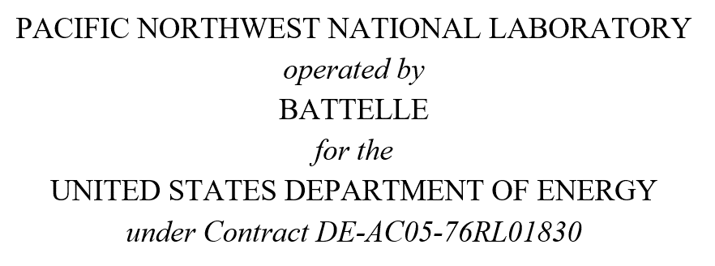 This material was prepared as an account of work sponsored by an agency of the United States Government. Neither the United States Government nor the United States Department of Energy, nor the Contractor, nor any or their employees, nor any jurisdiction or organization that has cooperated in the development of these materials, makes any warranty, express or implied, or assumes any legal liability or responsibility for the accuracy, completeness, or usefulness or any information, apparatus, product, software, or process disclosed, or represents that its use would not infringe privately owned rights. Reference herein to any specific commercial product, process, or service by trade name, trademark, manufacturer, or otherwise does not necessarily constitute or imply its endorsement, recommendation, or favoring by the United States Government or any agency thereof, or Battelle Memorial Institute. The views and opinions of authors expressed herein do not necessarily state or reflect those of the United States Government or any agency thereof.

