Comparison
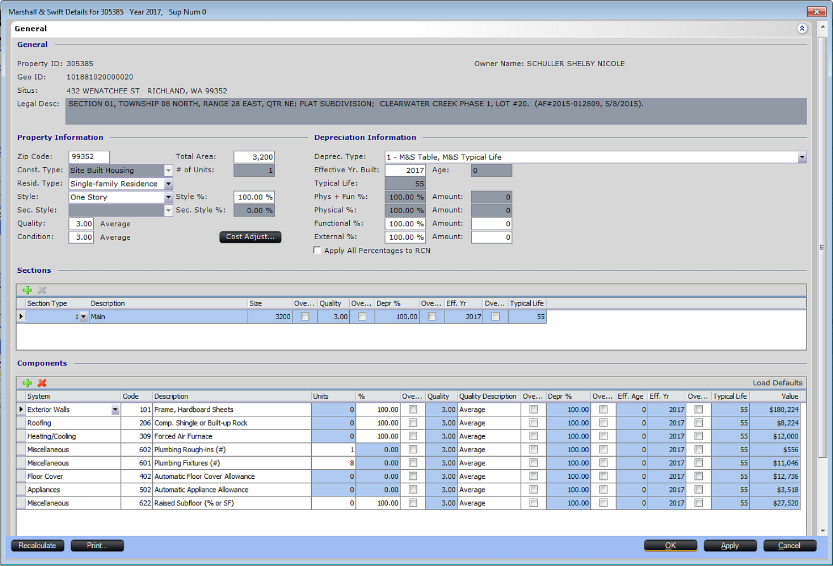
2017 Build Avg/Avg 1 Story

Total Area | M&S Book | M&S PACS | Difference
600 | 100.53 | 112.27 | 11.74
800 | 95.26 | 105.43 | 10.17
1000 | 91.37 | 100.58 | 9.21
1200 | 88.31 | 96.86 | 8.55
1300 | 86.99 | 95.30 | 8.31
1400 | 85.80 | 93.90 | 8.10
1500 | 84.70 | 92.60 | 7.90
1600 | 83.68 | 91.41 | 7.73
1700 | 82.74 | 90.32 | 7.58
1800 | 81.86 | 89.31 | 7.45
1900 | 81.03 | 88.36 | 7.33
2000 | 80.26 | 87.50 | 7.24
2100 | 79.53 | 86.66 | 7.13
2200 | 78.84 | 85.88 | 7.04
2400 | 77.57 | 84.45 | 6.88
2600 | 76.42 | 83.16 | 6.74
2800 | 75.36 | 81.99 | 6.63
3000 | 74.40 | 80.92 | 6.52
3200 | 73.51 | 79.95 | 6.44

Patio
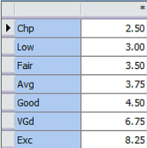
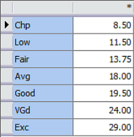
 | Chp | Low | Fair | Avg | Good | VGd | Exc
40 | 100 | 120 | 140 | 150 | 180 | 270 | 330
50
60
80
100
150
200
300
500 | 1250 | 1560 | 1690 | 1840 | 2200 | 3370 | 4080

