Sheet
Name | Image | QTY | BRANCH QTY | TOTAL QTY | Path | Depth | LVL: 1 | LVL: 2 | LVL: 3 | LVL: 4 | LVL: 5 | LVL: 6 | LVL: 7
7U-BOTTOM.ASM |  | 1 | 0 | 1 | 7U-BOTTOM.ASM [QTY 1] | 1 | X
7U-BOTTOM-RIVET.ASM | 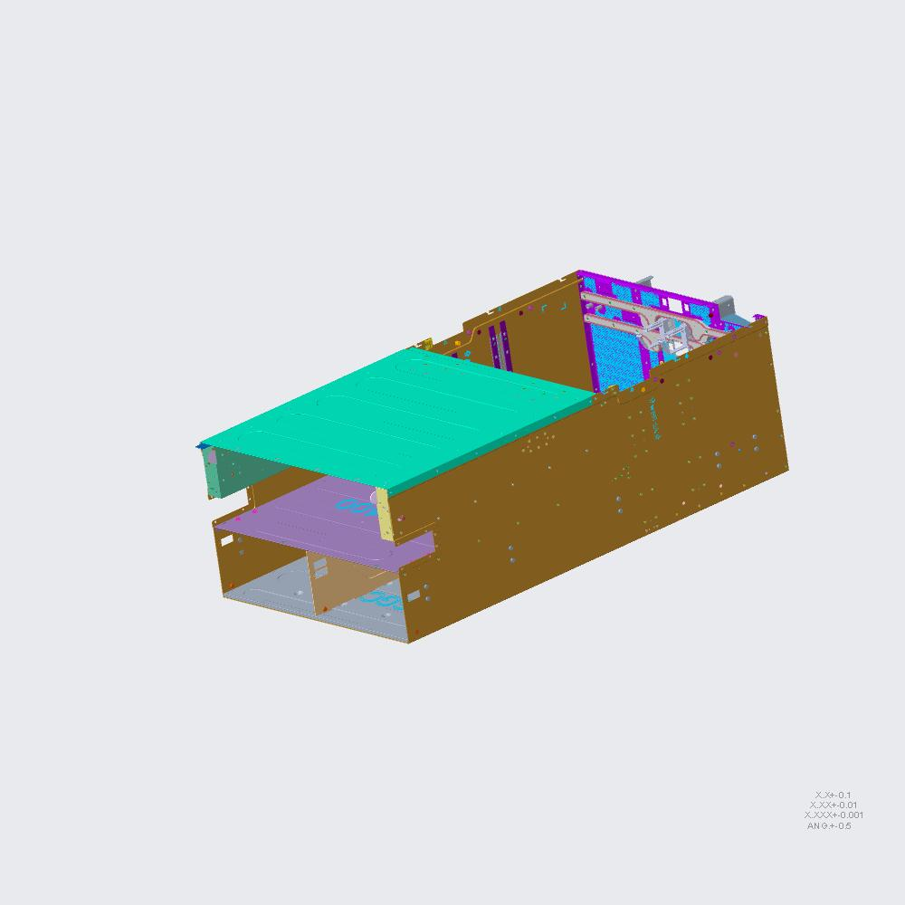 | 1 | 1 | 1 | 7U-BOTTOM-RIVET.ASM [QTY 1]-> 7U-BOTTOM [QTY 1] | 2 |  | X
RM7922000201-101-BOTTOM-BASE.ASM | 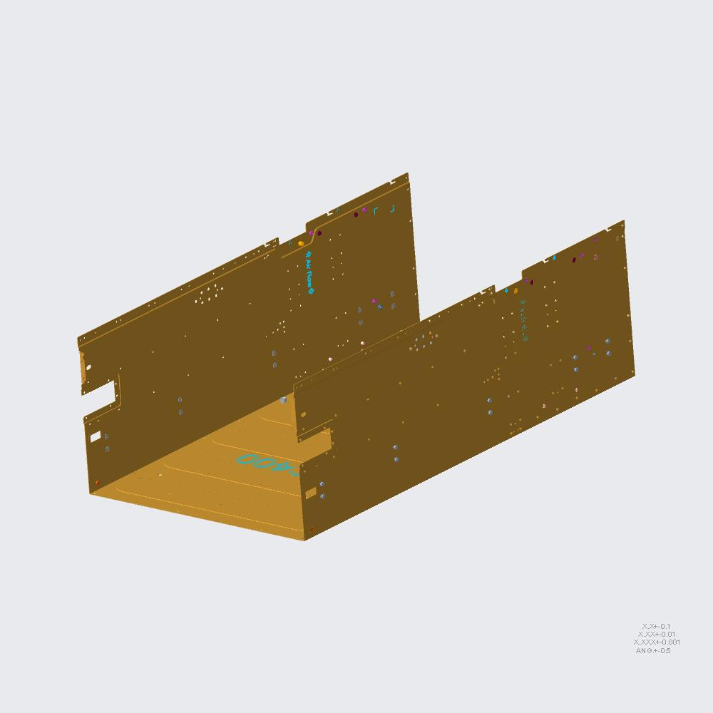 | 1 | 1 | 1 | RM7922000201-101-BOTTOM-BASE.ASM [QTY 1]-> 7U-BOTTOM-RIVET [QTY 1]-> 7U-BOTTOM [QTY 1] | 3 |  |  | X
RM7922000201-101-BOTTOM-BASE.PRT | 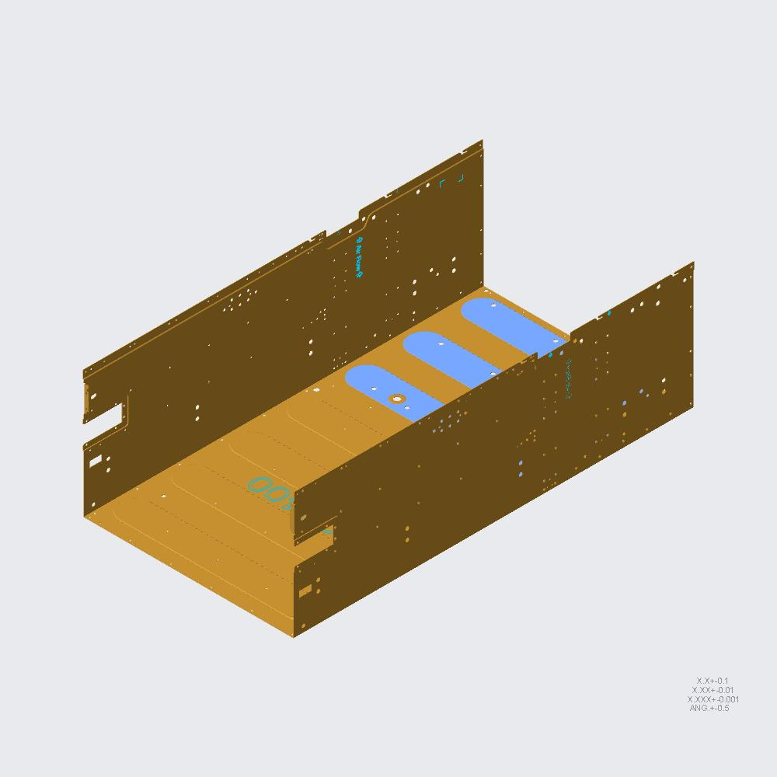 | 1 | 1 | 1 | RM7922000201-101-BOTTOM-BASE.PRT [QTY 1]-> RM7922000201-101-BOTTOM-BASE [QTY 1]-> 7U-BOTTOM-RIVET [QTY 1]-> 7U-BOTTOM [QTY 1] | 4 |  |  |  | X
RM7922000201-101-S06.PRT | 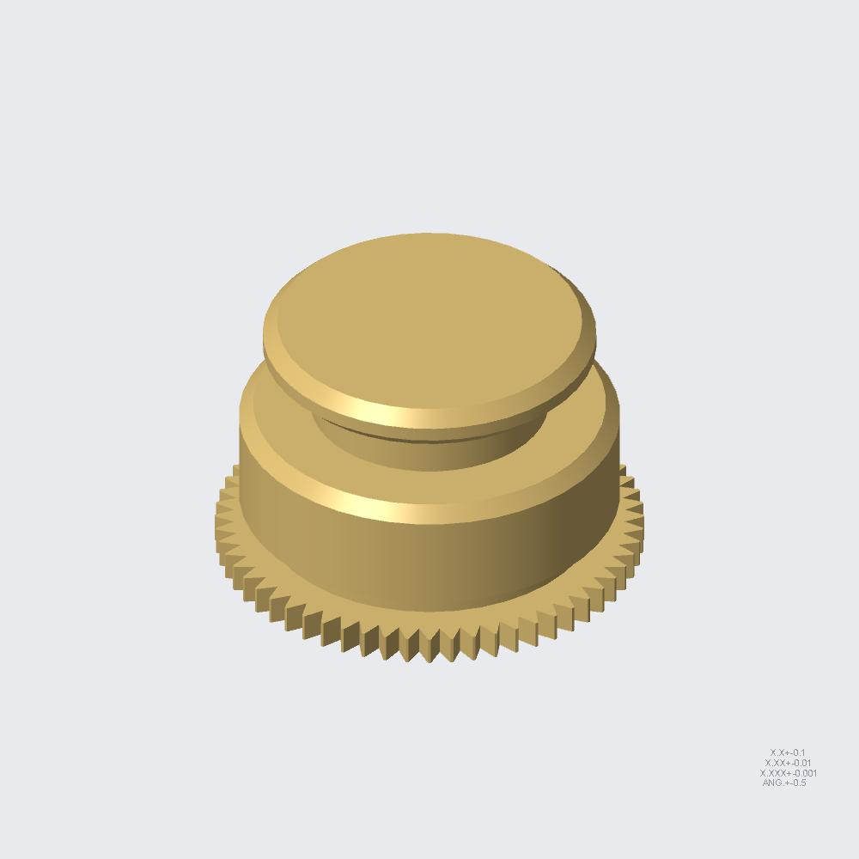 | 1 | 1 | 1 | RM7922000201-101-S06.PRT [QTY 1]-> RM7922000201-101-BOTTOM-BASE [QTY 1]-> 7U-BOTTOM-RIVET [QTY 1]-> 7U-BOTTOM [QTY 1] | 4 |  |  |  | X
RM7922000201-101-S01.PRT | 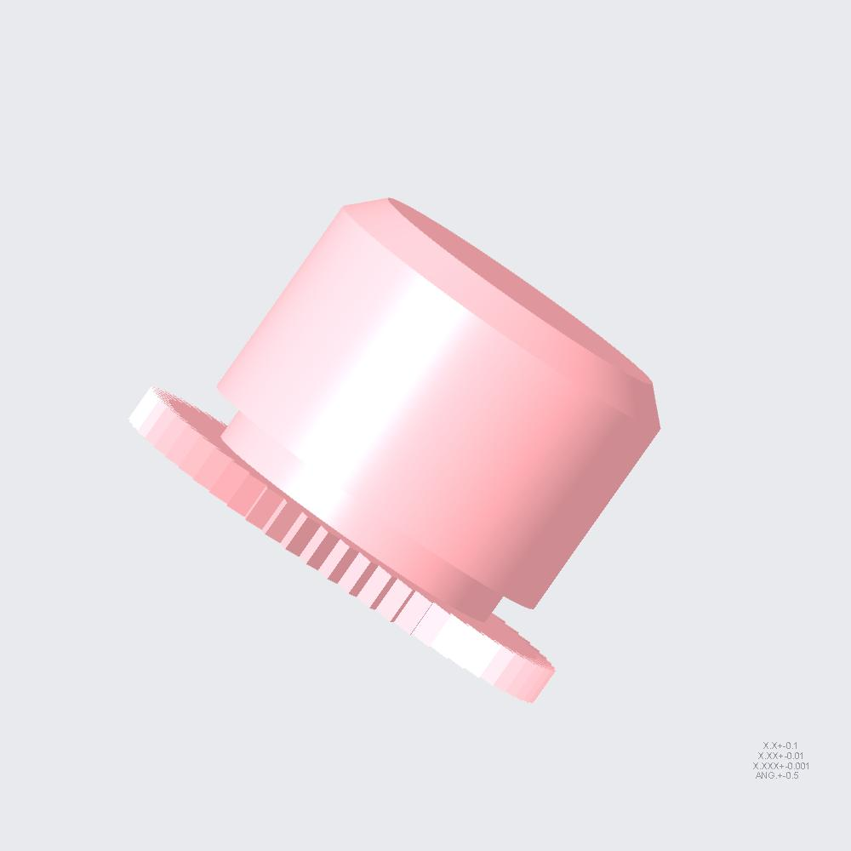 | 4 | 4 | 4 | RM7922000201-101-S01.PRT [QTY 4]-> RM7922000201-101-BOTTOM-BASE [QTY 1]-> 7U-BOTTOM-RIVET [QTY 1]-> 7U-BOTTOM [QTY 1] | 4 |  |  |  | X
RM7922000201-101-S10.PRT | 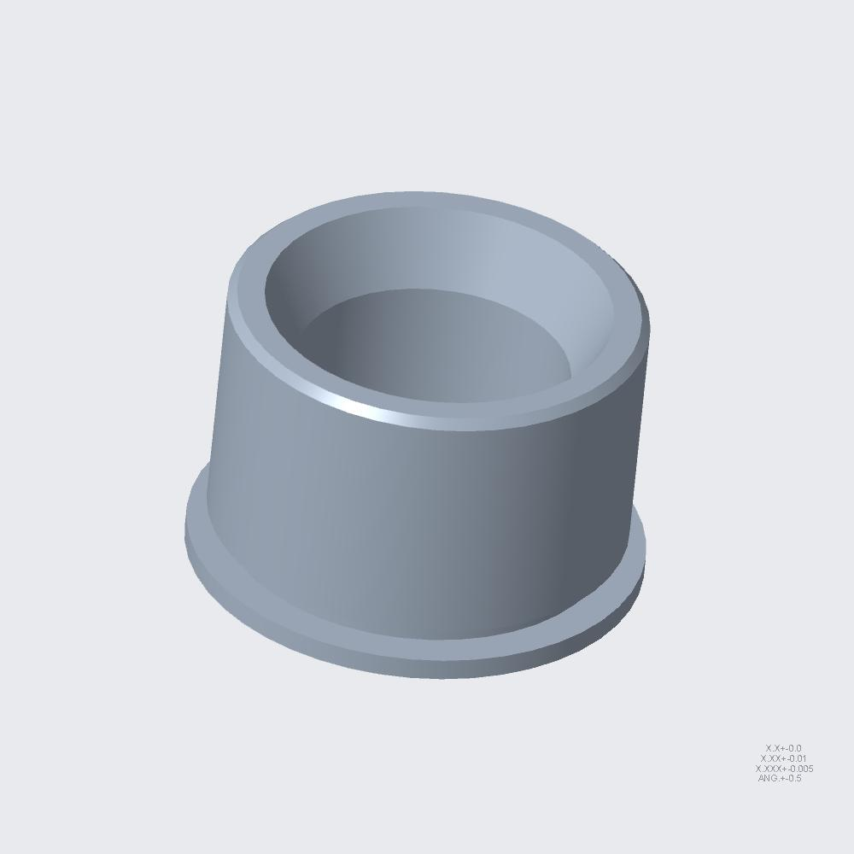 | 2 | 2 | 2 | RM7922000201-101-S10.PRT [QTY 2]-> RM7922000201-101-BOTTOM-BASE [QTY 1]-> 7U-BOTTOM-RIVET [QTY 1]-> 7U-BOTTOM [QTY 1] | 4 |  |  |  | X
RM7922000201-101-S11.PRT | 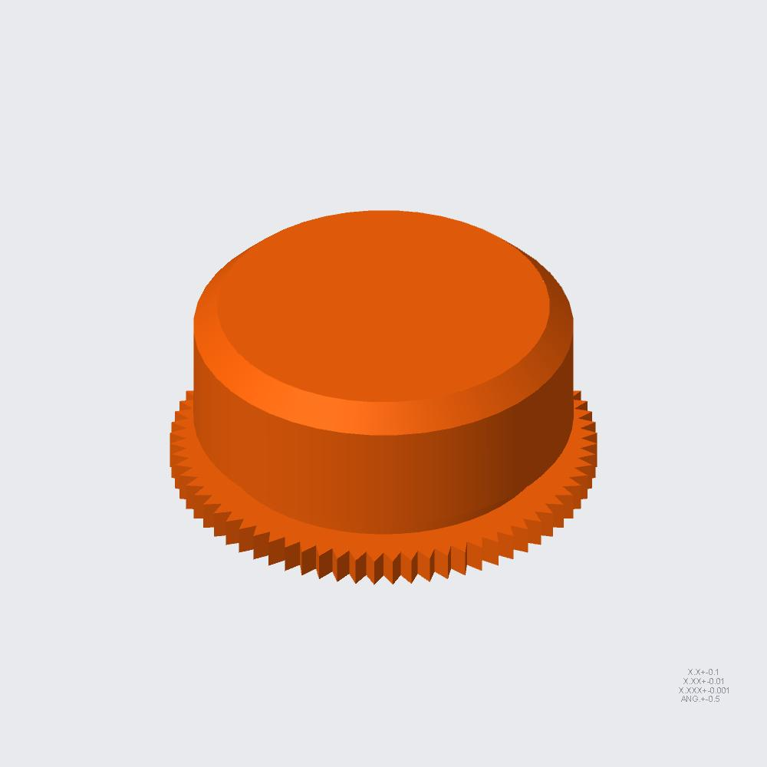 | 2 | 2 | 2 | RM7922000201-101-S11.PRT [QTY 2]-> RM7922000201-101-BOTTOM-BASE [QTY 1]-> 7U-BOTTOM-RIVET [QTY 1]-> 7U-BOTTOM [QTY 1] | 4 |  |  |  | X
RM59901-101-S01.PRT | 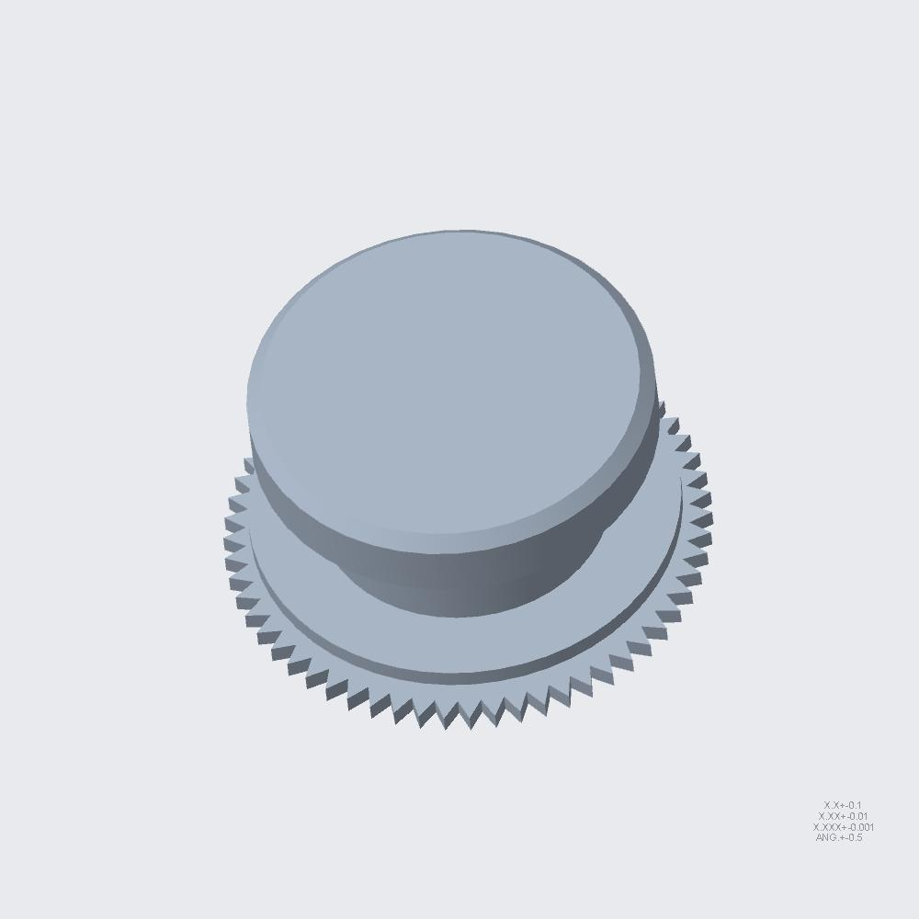 | 20 | 20 | 20 | RM59901-101-S01.PRT [QTY 20]-> RM7922000201-101-BOTTOM-BASE [QTY 1]-> 7U-BOTTOM-RIVET [QTY 1]-> 7U-BOTTOM [QTY 1] | 4 |  |  |  | X
RM7922000201-101-S05.PRT | 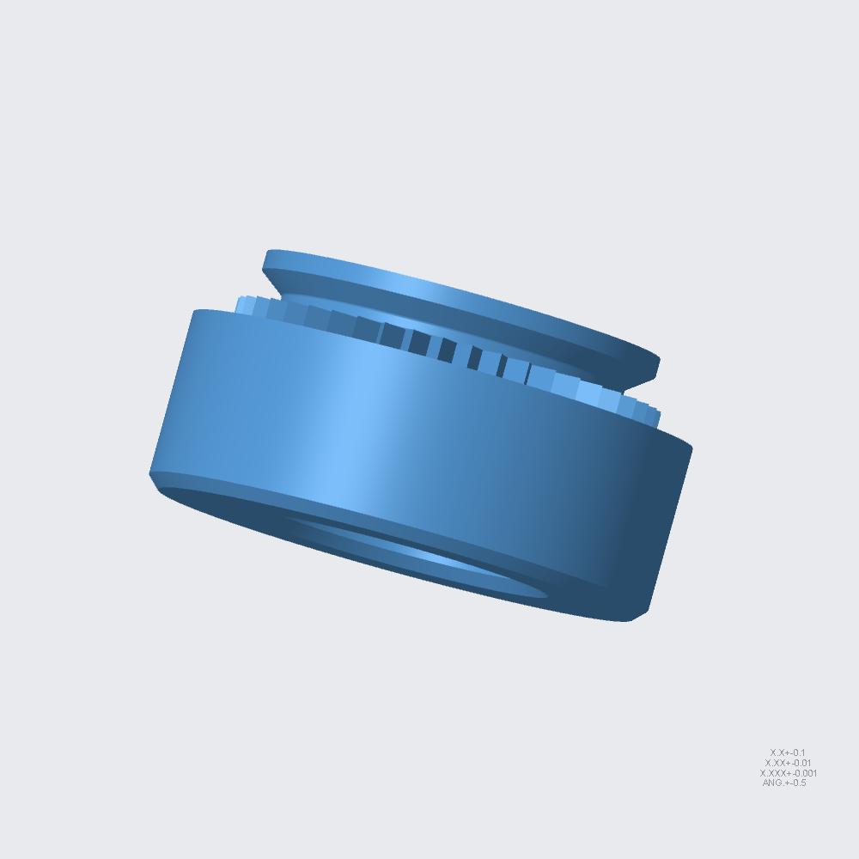 | 2 | 2 | 2 | RM7922000201-101-S05.PRT [QTY 2]-> RM7922000201-101-BOTTOM-BASE [QTY 1]-> 7U-BOTTOM-RIVET [QTY 1]-> 7U-BOTTOM [QTY 1] | 4 |  |  |  | X
RM7922000201-101-S08.PRT | 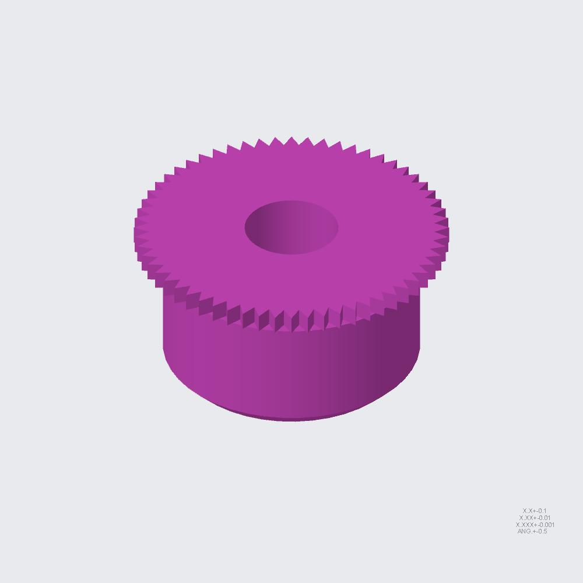 | 7 | 7 | 7 | RM7922000201-101-S08.PRT [QTY 7]-> RM7922000201-101-BOTTOM-BASE [QTY 1]-> 7U-BOTTOM-RIVET [QTY 1]-> 7U-BOTTOM [QTY 1] | 4 |  |  |  | X
RM7922000201-101-S12.PRT | 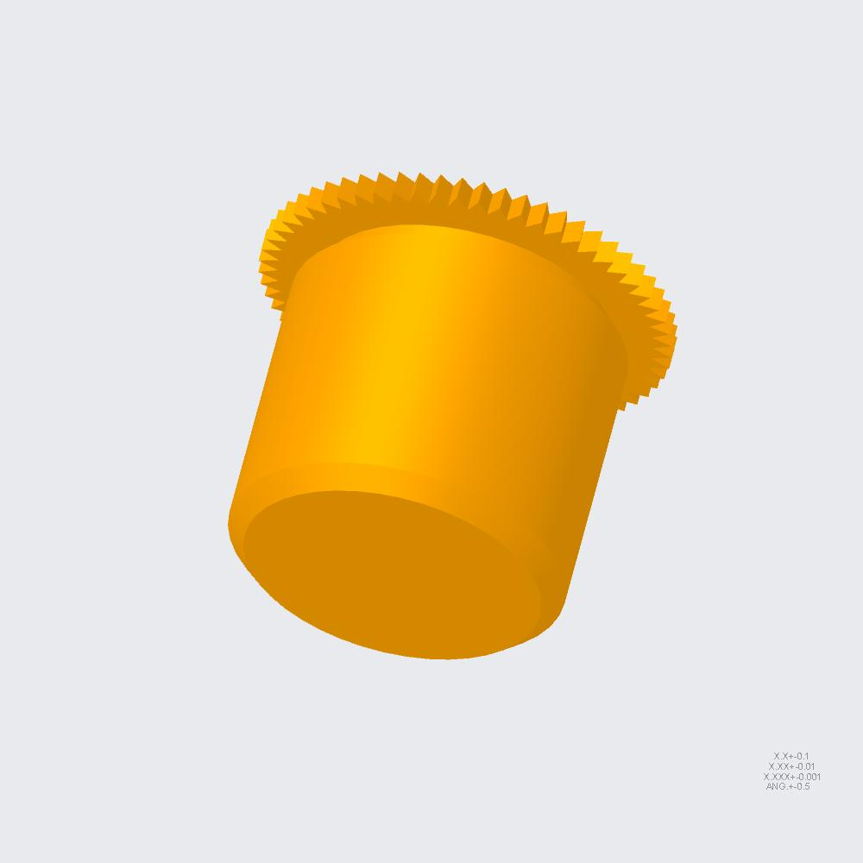 | 2 | 2 | 2 | RM7922000201-101-S12.PRT [QTY 2]-> RM7922000201-101-BOTTOM-BASE [QTY 1]-> 7U-BOTTOM-RIVET [QTY 1]-> 7U-BOTTOM [QTY 1] | 4 |  |  |  | X
RM7922000201-101-S09.PRT | 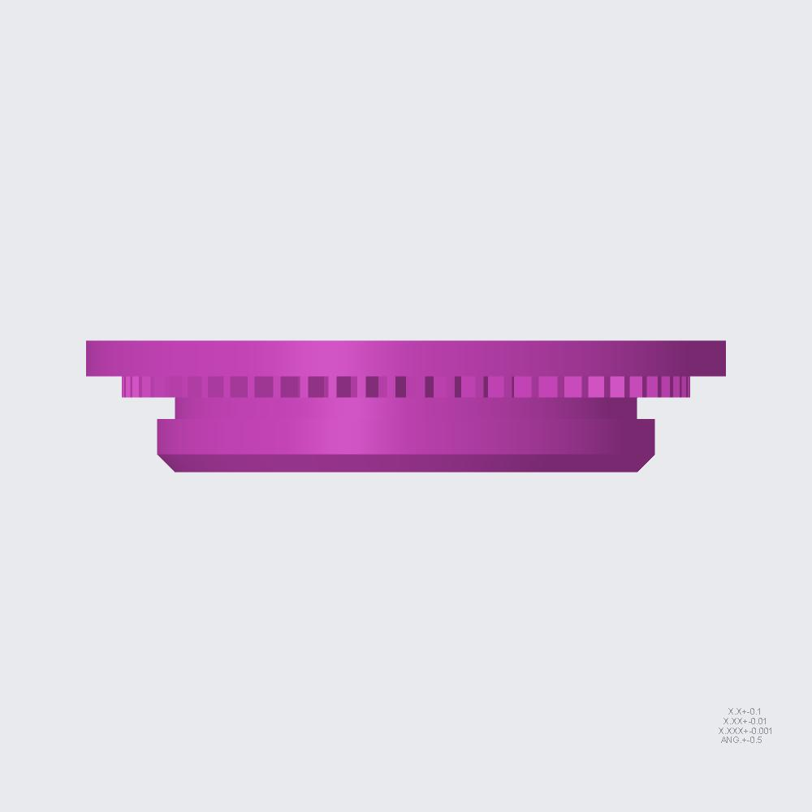 | 2 | 2 | 2 | RM7922000201-101-S09.PRT [QTY 2]-> RM7922000201-101-BOTTOM-BASE [QTY 1]-> 7U-BOTTOM-RIVET [QTY 1]-> 7U-BOTTOM [QTY 1] | 4 |  |  |  | X
RM7922000201-101-S03.PRT | 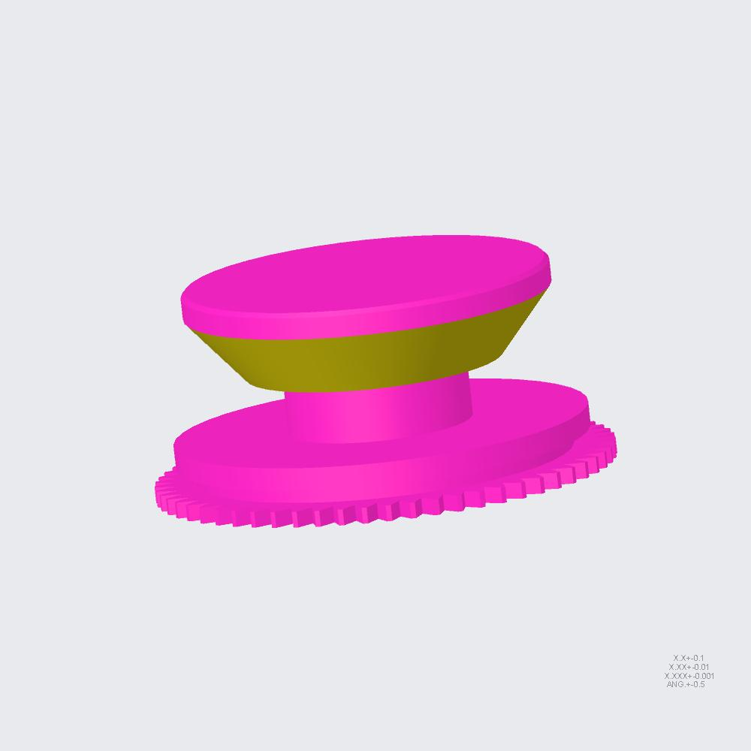 | 12 | 12 | 12 | RM7922000201-101-S03.PRT [QTY 12]-> RM7922000201-101-BOTTOM-BASE [QTY 1]-> 7U-BOTTOM-RIVET [QTY 1]-> 7U-BOTTOM [QTY 1] | 4 |  |  |  | X
RM7922000201-101-S04.PRT | 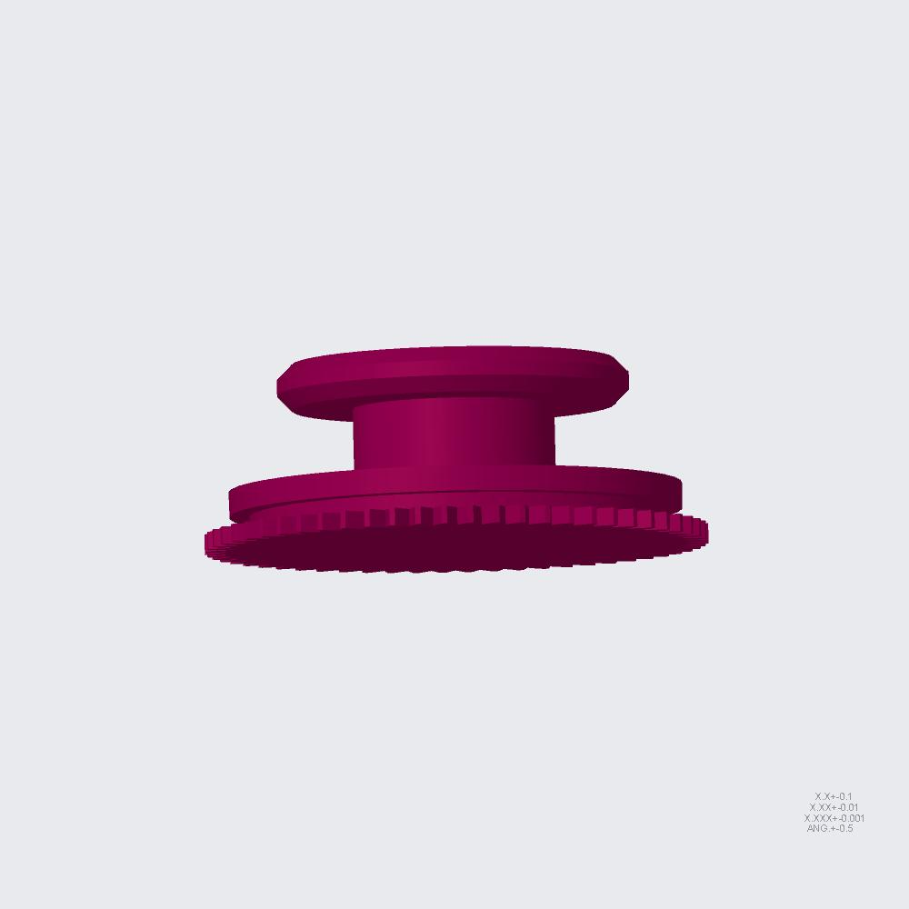 | 4 | 4 | 4 | RM7922000201-101-S04.PRT [QTY 4]-> RM7922000201-101-BOTTOM-BASE [QTY 1]-> 7U-BOTTOM-RIVET [QTY 1]-> 7U-BOTTOM [QTY 1] | 4 |  |  |  | X
RM7922000201-101-S13.PRT | 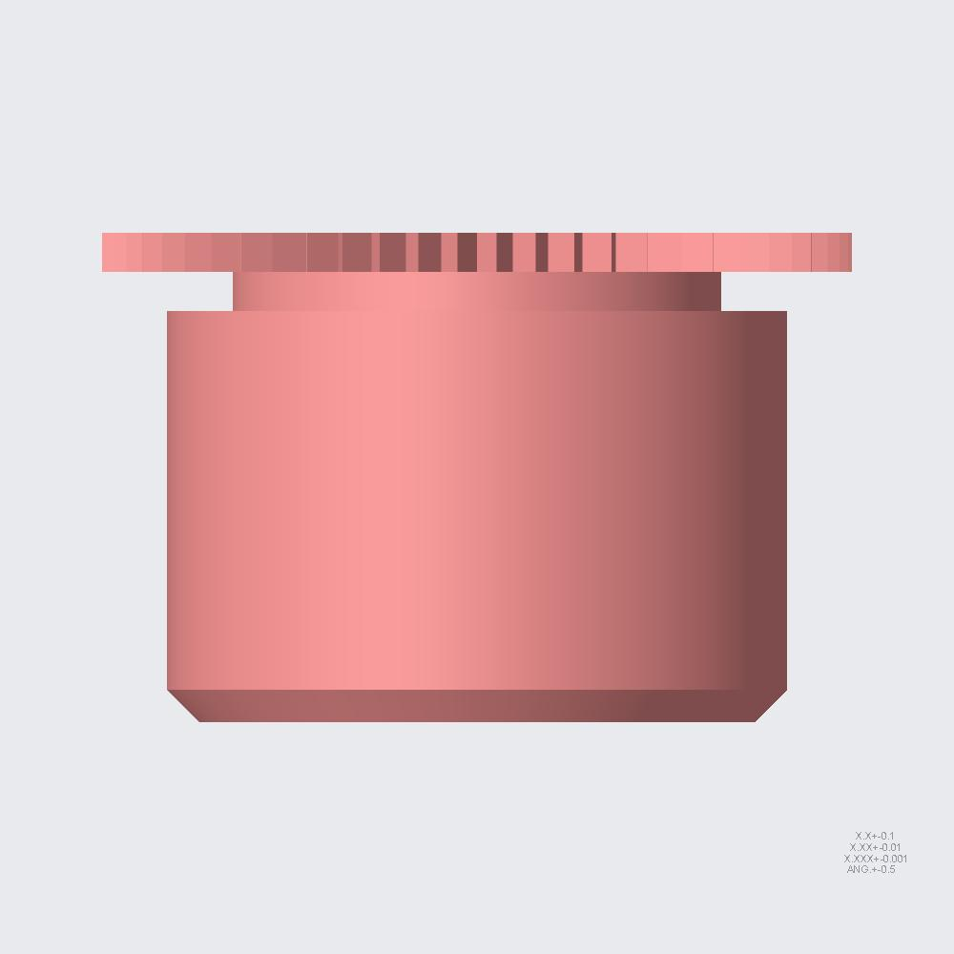 | 1 | 1 | 1 | RM7922000201-101-S13.PRT [QTY 1]-> RM7922000201-101-BOTTOM-BASE [QTY 1]-> 7U-BOTTOM-RIVET [QTY 1]-> 7U-BOTTOM [QTY 1] | 4 |  |  |  | X
RM7922000201-102-COV-TOP-FRONT.ASM | 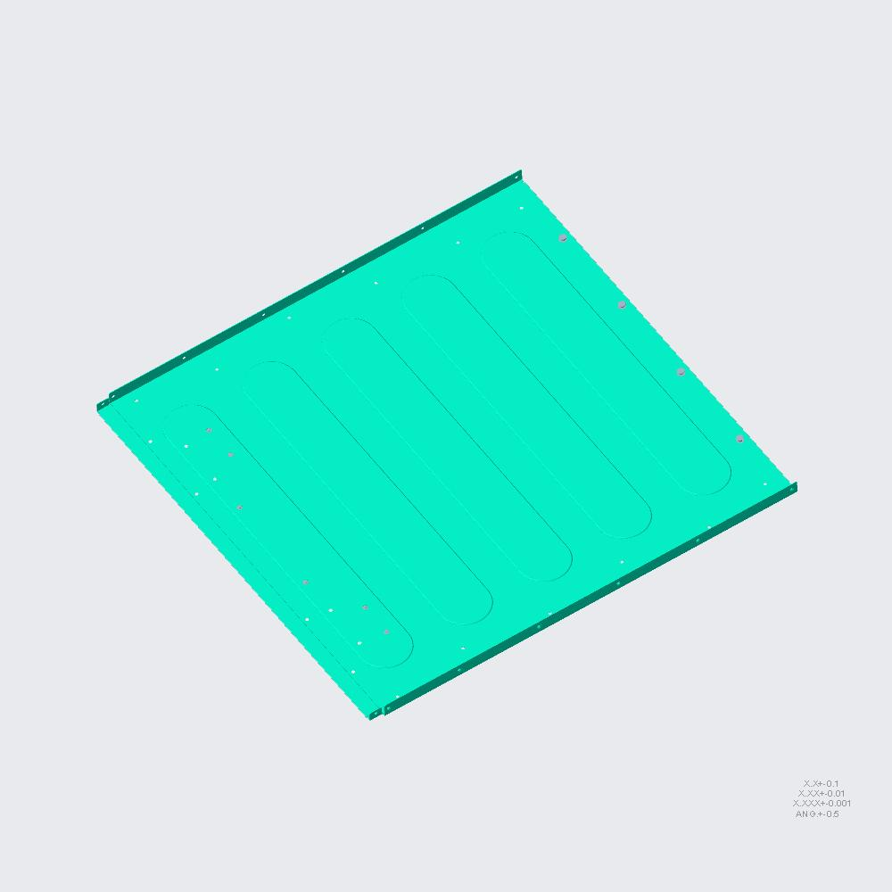 | 1 | 1 | 1 | RM7922000201-102-COV-TOP-FRONT.ASM [QTY 1]-> 7U-BOTTOM-RIVET [QTY 1]-> 7U-BOTTOM [QTY 1] | 3 |  |  | X
RM7922000201-102-COV-TOP-FRONT.PRT |  | 1 | 1 | 1 | RM7922000201-102-COV-TOP-FRONT.PRT [QTY 1]-> RM7922000201-102-COV-TOP-FRONT [QTY 1]-> 7U-BOTTOM-RIVET [QTY 1]-> 7U-BOTTOM [QTY 1] | 4 |  |  |  | X
RM7922000201-102-S01.PRT | 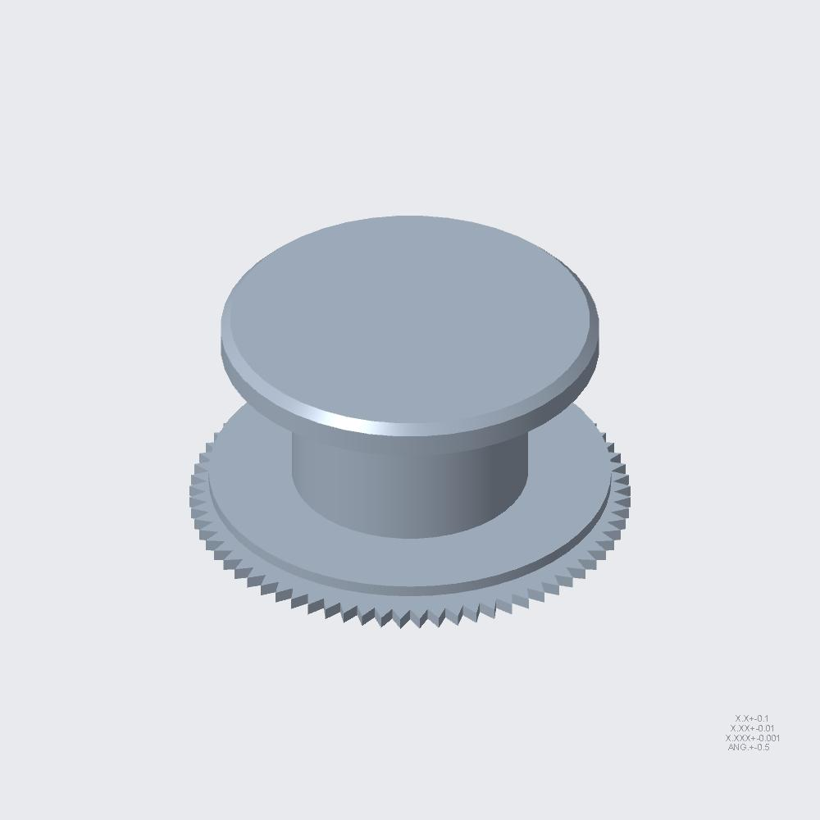 | 4 | 4 | 4 | RM7922000201-102-S01.PRT [QTY 4]-> RM7922000201-102-COV-TOP-FRONT [QTY 1]-> 7U-BOTTOM-RIVET [QTY 1]-> 7U-BOTTOM [QTY 1] | 4 |  |  |  | X
SI-0135-60H703200-022.PRT | 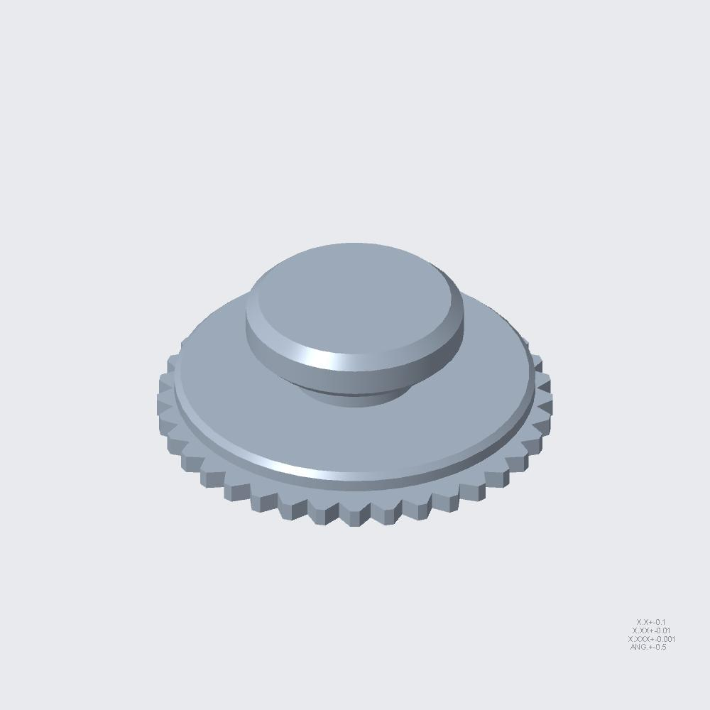 | 6 | 6 | 6 | SI-0135-60H703200-022.PRT [QTY 6]-> RM7922000201-102-COV-TOP-FRONT [QTY 1]-> 7U-BOTTOM-RIVET [QTY 1]-> 7U-BOTTOM [QTY 1] | 4 |  |  |  | X
7U-BOTTOM-BASE-SUPPORT.ASM | 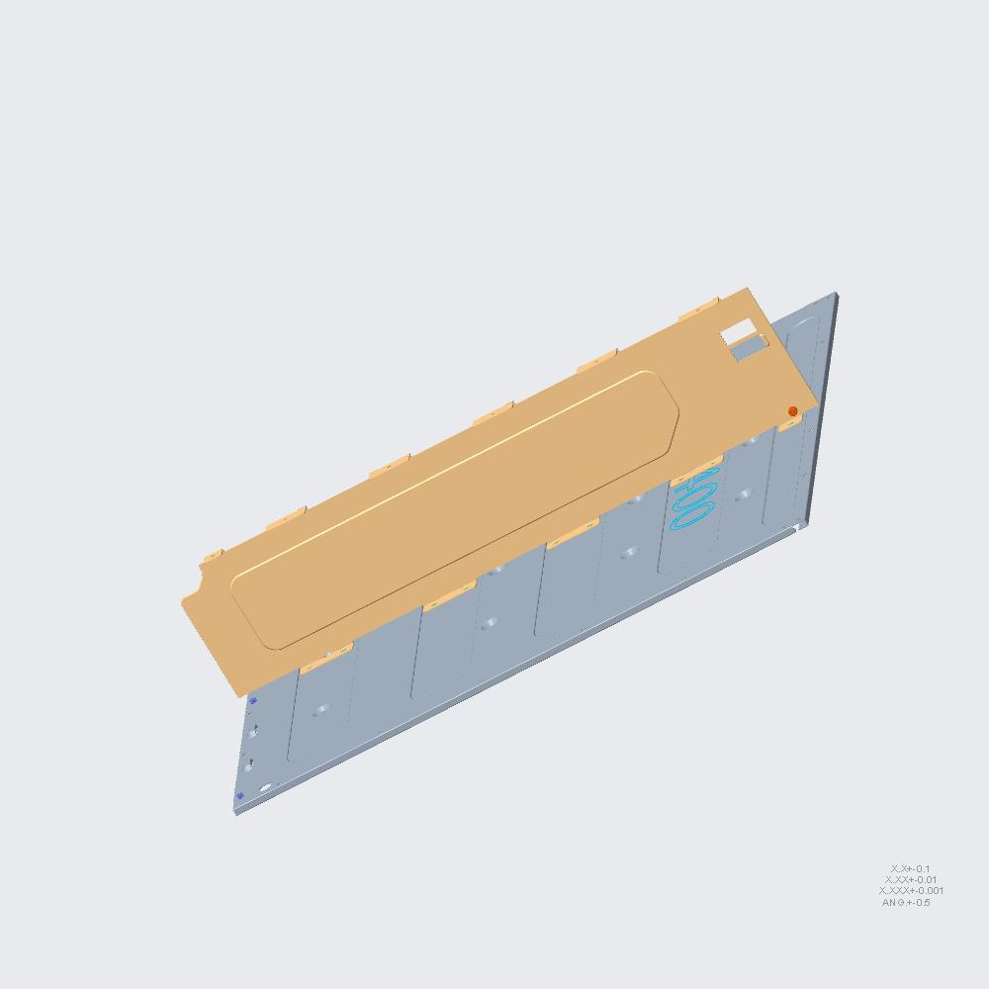 | 1 | 1 | 1 | 7U-BOTTOM-BASE-SUPPORT.ASM [QTY 1]-> 7U-BOTTOM-RIVET [QTY 1]-> 7U-BOTTOM [QTY 1] | 3 |  |  | X
RM7922000201-105-BOTTOM-SUPPORT.ASM | 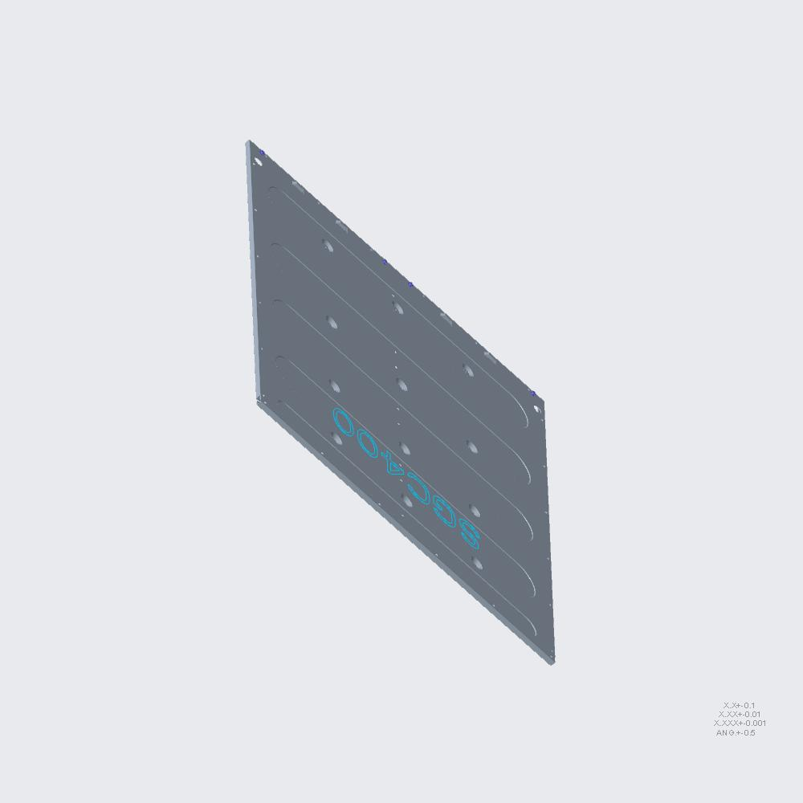 | 1 | 1 | 1 | RM7922000201-105-BOTTOM-SUPPORT.ASM [QTY 1]-> 7U-BOTTOM-BASE-SUPPORT [QTY 1]-> 7U-BOTTOM-RIVET [QTY 1]-> 7U-BOTTOM [QTY 1] | 4 |  |  |  | X
RM7922000201-105-BOTTOM-SUPPORT.PRT | 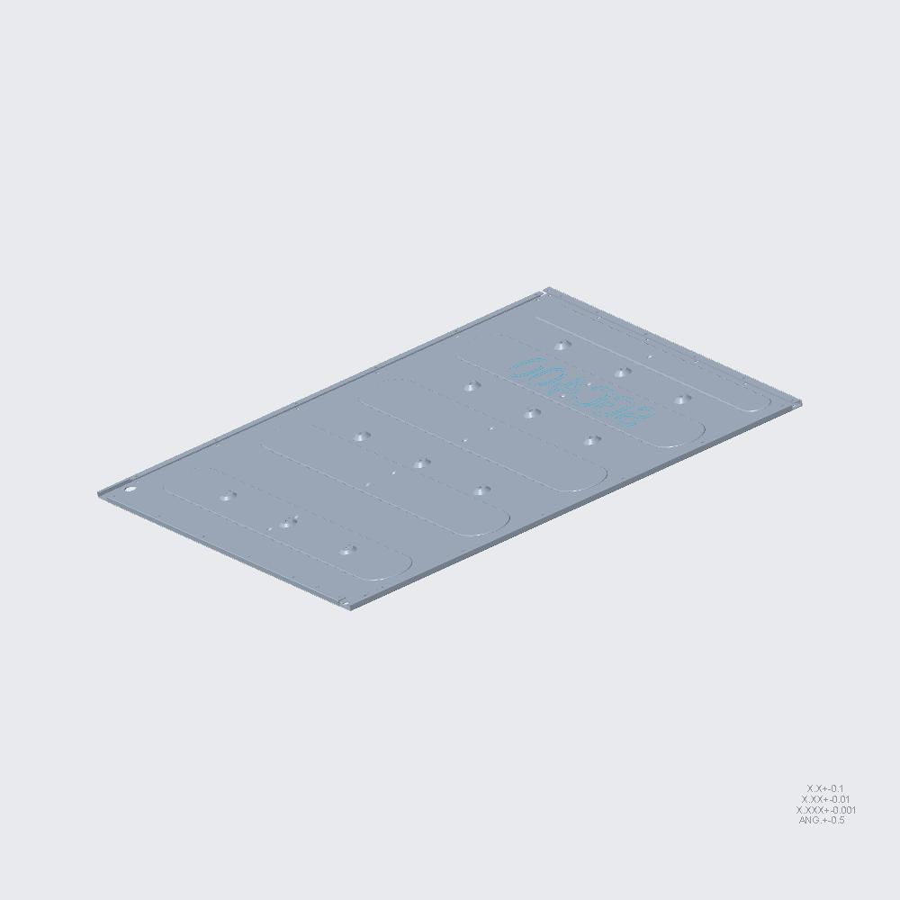 | 1 | 1 | 1 | RM7922000201-105-BOTTOM-SUPPORT.PRT [QTY 1]-> RM7922000201-105-BOTTOM-SUPPORT [QTY 1]-> 7U-BOTTOM-BASE-SUPPORT [QTY 1]-> 7U-BOTTOM-RIVET [QTY 1]-> 7U-BOTTOM [QTY 1] | 5 |  |  |  |  | X
SI-0123-60H703000-155.PRT | 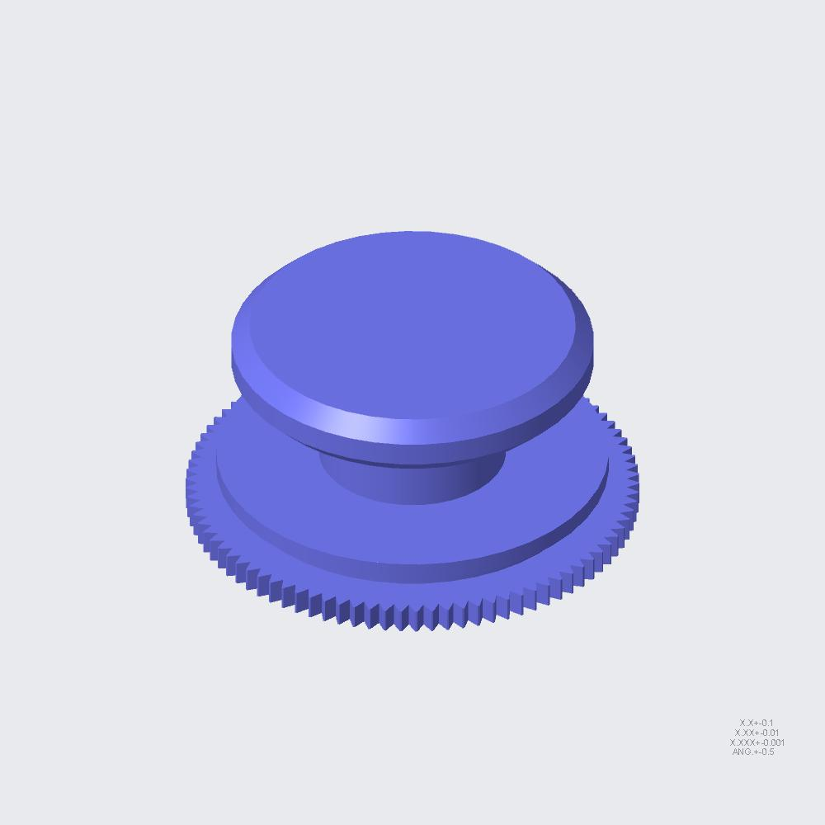 | 4 | 4 | 4 | SI-0123-60H703000-155.PRT [QTY 4]-> RM7922000201-105-BOTTOM-SUPPORT [QTY 1]-> 7U-BOTTOM-BASE-SUPPORT [QTY 1]-> 7U-BOTTOM-RIVET [QTY 1]-> 7U-BOTTOM [QTY 1] | 5 |  |  |  |  | X
RM7922000201-106-BOTTOM-PAR-V.ASM | 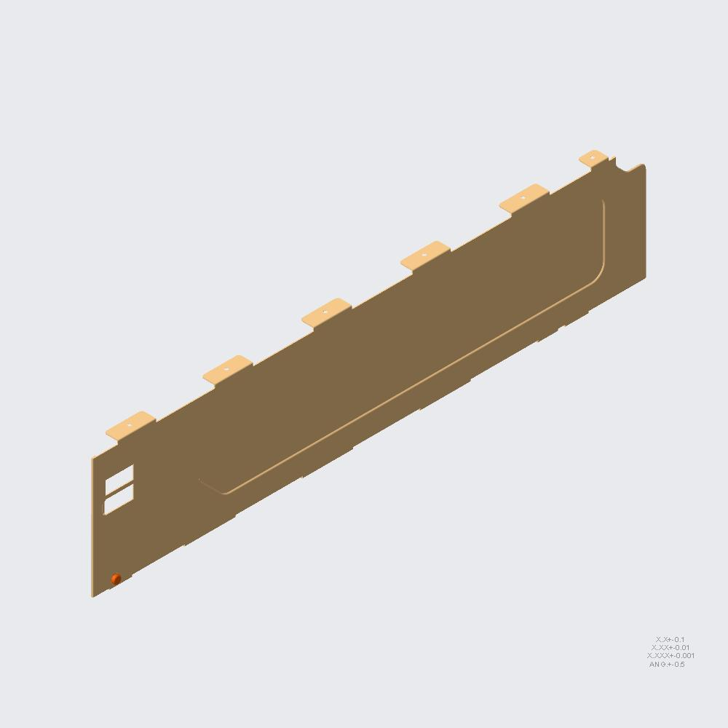 | 1 | 1 | 1 | RM7922000201-106-BOTTOM-PAR-V.ASM [QTY 1]-> 7U-BOTTOM-BASE-SUPPORT [QTY 1]-> 7U-BOTTOM-RIVET [QTY 1]-> 7U-BOTTOM [QTY 1] | 4 |  |  |  | X
RM7922000201-106-BOTTOM-PAR-V.PRT | 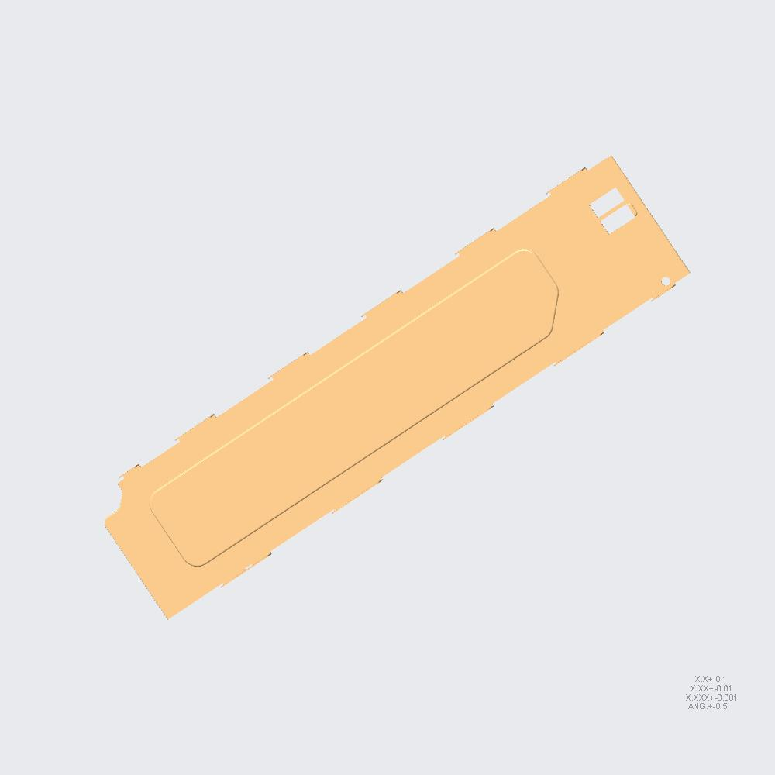 | 1 | 1 | 1 | RM7922000201-106-BOTTOM-PAR-V.PRT [QTY 1]-> RM7922000201-106-BOTTOM-PAR-V [QTY 1]-> 7U-BOTTOM-BASE-SUPPORT [QTY 1]-> 7U-BOTTOM-RIVET [QTY 1]-> 7U-BOTTOM [QTY 1] | 5 |  |  |  |  | X
RM7922000201-106-S01.PRT | 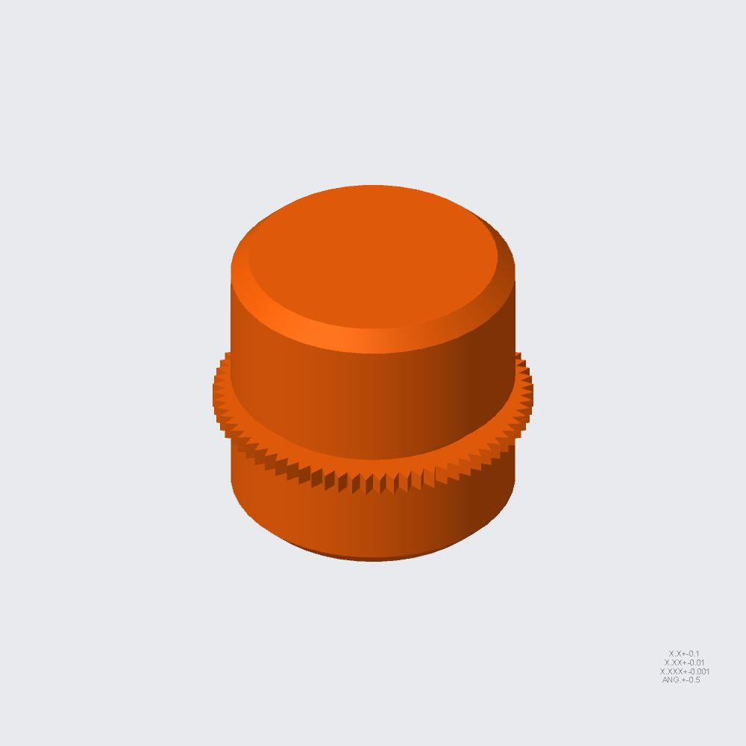 | 1 | 1 | 1 | RM7922000201-106-S01.PRT [QTY 1]-> RM7922000201-106-BOTTOM-PAR-V [QTY 1]-> 7U-BOTTOM-BASE-SUPPORT [QTY 1]-> 7U-BOTTOM-RIVET [QTY 1]-> 7U-BOTTOM [QTY 1] | 5 |  |  |  |  | X
RIVET-60H453232A021.PRT | 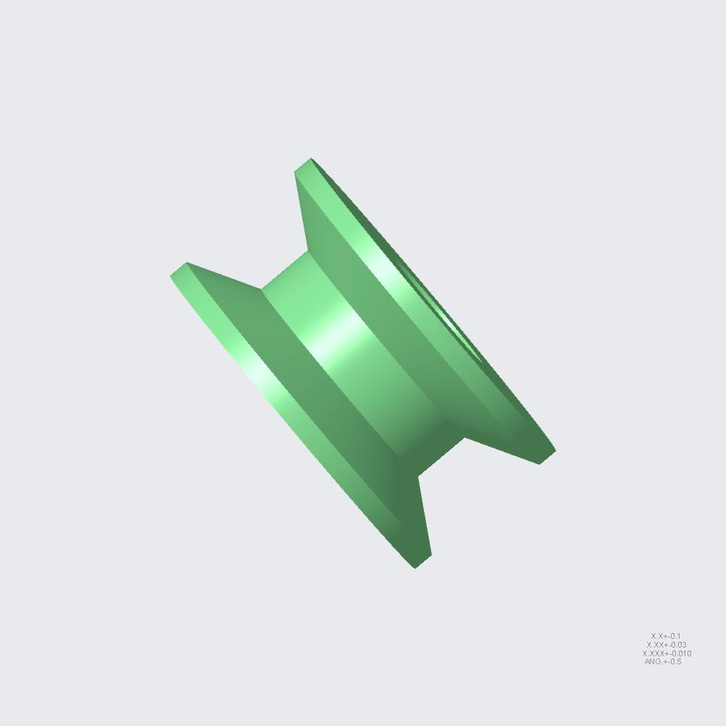 | 9 | 9 | 497 | RIVET-60H453232A021.PRT [QTY 9]-> 7U-BOTTOM-BASE-SUPPORT [QTY 1]-> 7U-BOTTOM-RIVET [QTY 1]-> 7U-BOTTOM [QTY 1] | 4 |  |  |  | X
RM7922000201-107-BOTTOM-PAR-H.ASM | 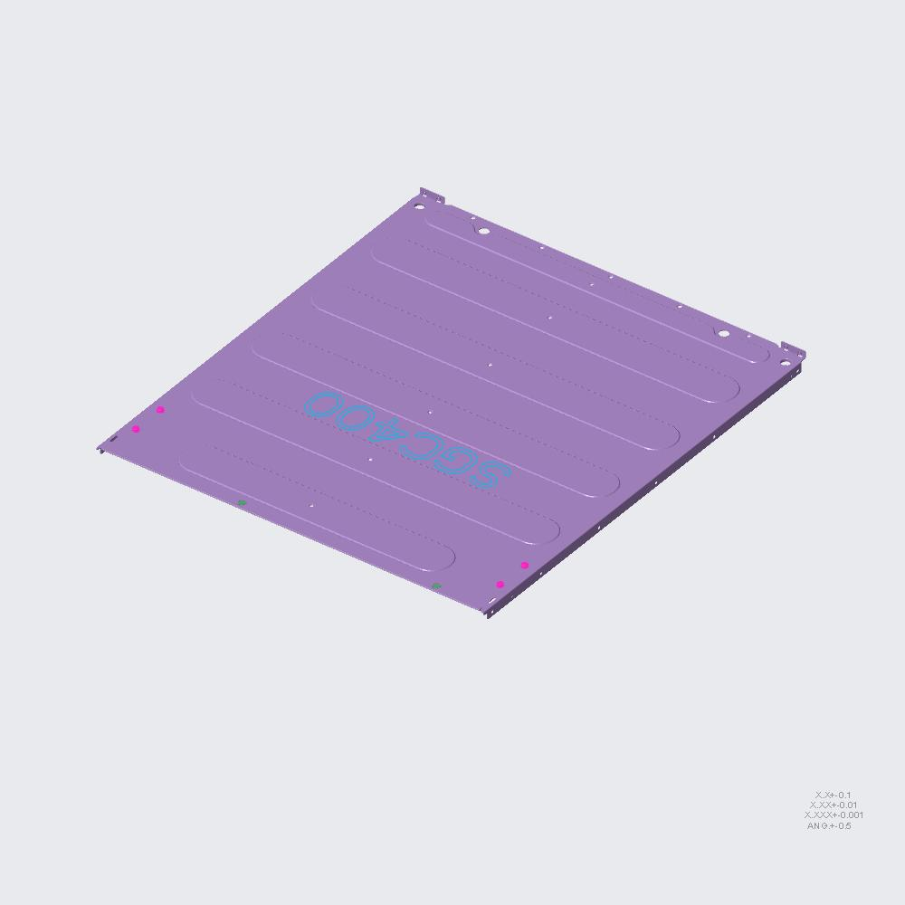 | 1 | 1 | 1 | RM7922000201-107-BOTTOM-PAR-H.ASM [QTY 1]-> 7U-BOTTOM-RIVET [QTY 1]-> 7U-BOTTOM [QTY 1] | 3 |  |  | X
RM7922000201-107-BOTTOM-PAR-H.PRT |  | 1 | 1 | 1 | RM7922000201-107-BOTTOM-PAR-H.PRT [QTY 1]-> RM7922000201-107-BOTTOM-PAR-H [QTY 1]-> 7U-BOTTOM-RIVET [QTY 1]-> 7U-BOTTOM [QTY 1] | 4 |  |  |  | X
RM7922000201-107-S01.PRT | 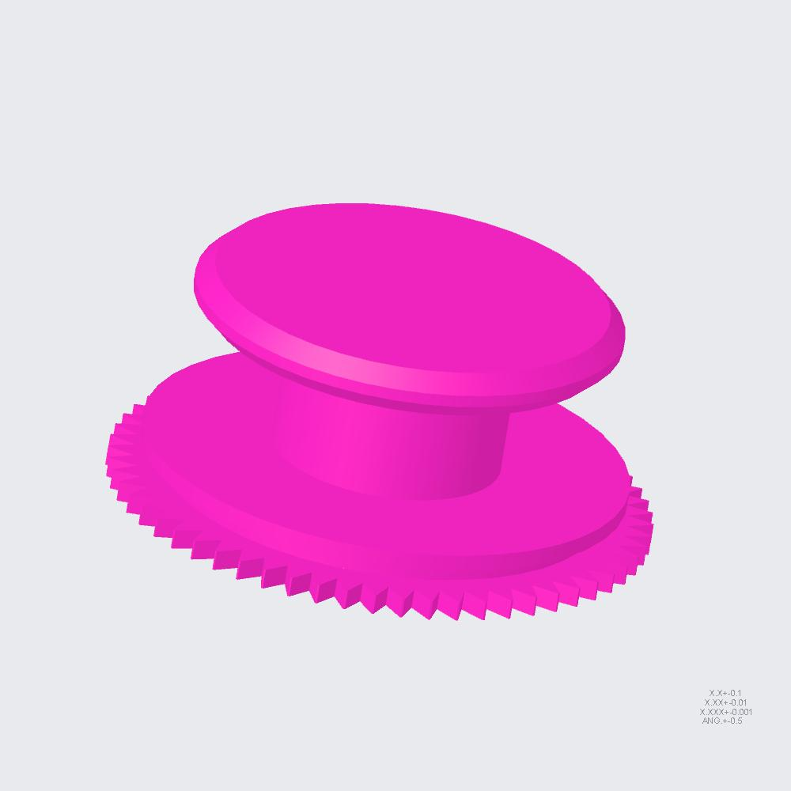 | 4 | 4 | 4 | RM7922000201-107-S01.PRT [QTY 4]-> RM7922000201-107-BOTTOM-PAR-H [QTY 1]-> 7U-BOTTOM-RIVET [QTY 1]-> 7U-BOTTOM [QTY 1] | 4 |  |  |  | X
RM7922000201-107-S02.PRT | 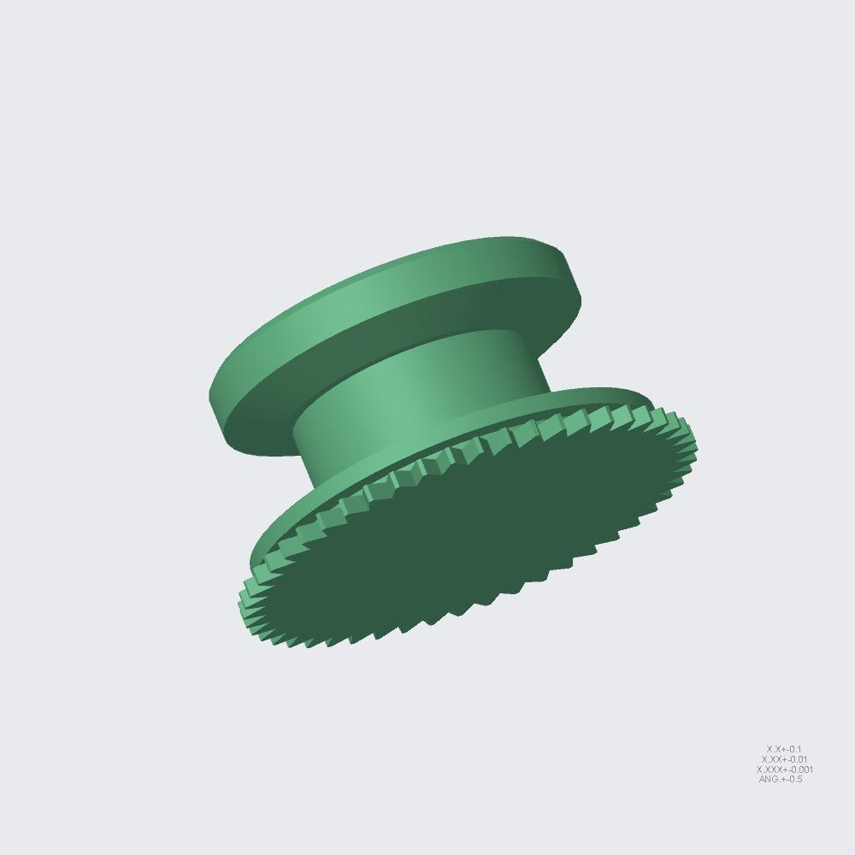 | 2 | 2 | 2 | RM7922000201-107-S02.PRT [QTY 2]-> RM7922000201-107-BOTTOM-PAR-H [QTY 1]-> 7U-BOTTOM-RIVET [QTY 1]-> 7U-BOTTOM [QTY 1] | 4 |  |  |  | X
RM7922000201-108-CANISTER-BAR.ASM | 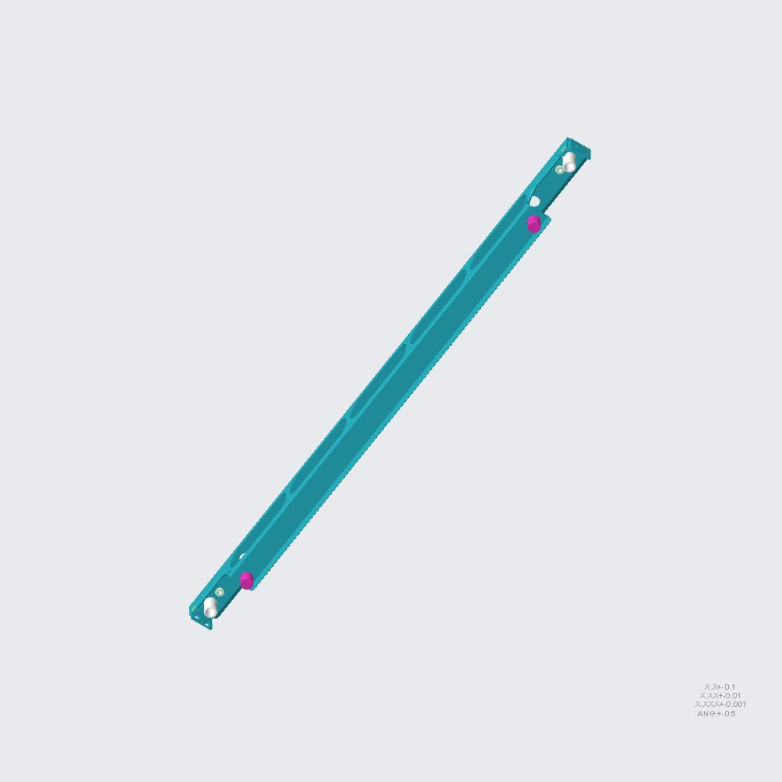 | 1 | 1 | 1 | RM7922000201-108-CANISTER-BAR.ASM [QTY 1]-> 7U-BOTTOM-RIVET [QTY 1]-> 7U-BOTTOM [QTY 1] | 3 |  |  | X
RM7922000201-108-CANISTER-BAR.PRT |  | 1 | 1 | 1 | RM7922000201-108-CANISTER-BAR.PRT [QTY 1]-> RM7922000201-108-CANISTER-BAR [QTY 1]-> 7U-BOTTOM-RIVET [QTY 1]-> 7U-BOTTOM [QTY 1] | 4 |  |  |  | X
RM7922000201-108-S01.PRT | 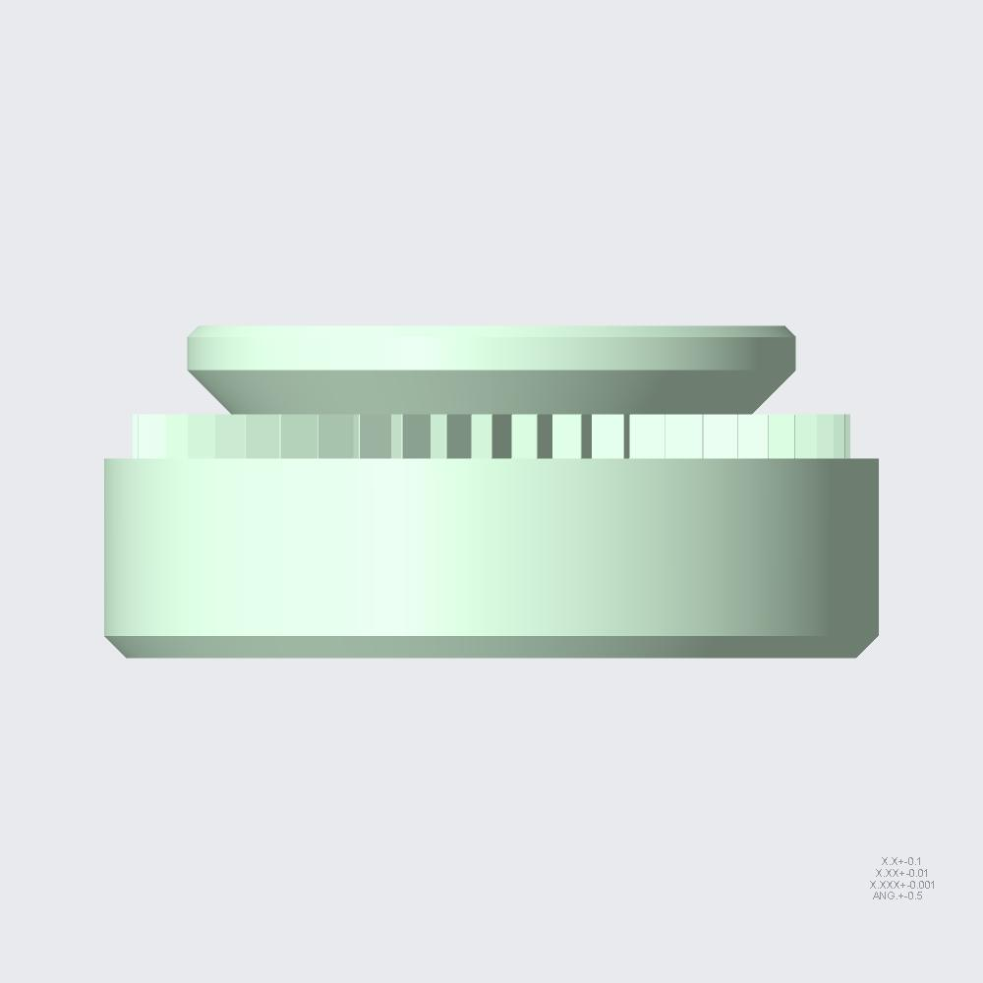 | 2 | 2 | 2 | RM7922000201-108-S01.PRT [QTY 2]-> RM7922000201-108-CANISTER-BAR [QTY 1]-> 7U-BOTTOM-RIVET [QTY 1]-> 7U-BOTTOM [QTY 1] | 4 |  |  |  | X
BUSHING.PRT | 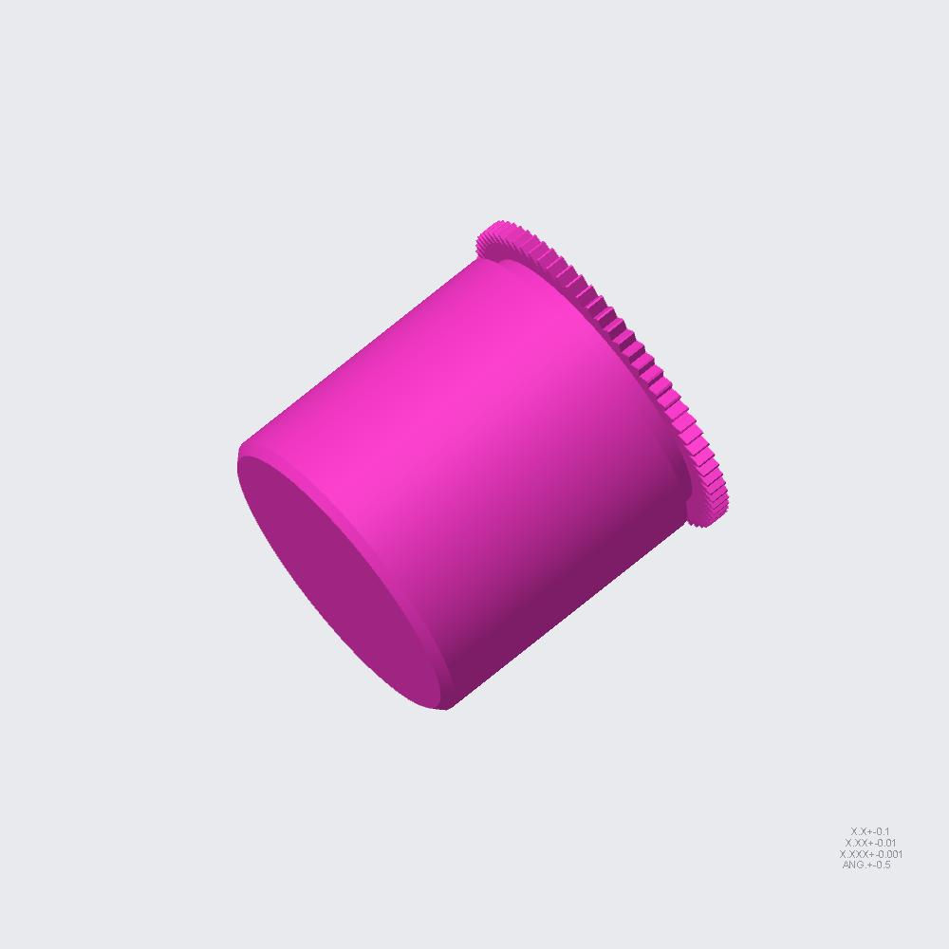 | 2 | 2 | 2 | BUSHING.PRT [QTY 2]-> RM7922000201-108-CANISTER-BAR [QTY 1]-> 7U-BOTTOM-RIVET [QTY 1]-> 7U-BOTTOM [QTY 1] | 4 |  |  |  | X
GUIDE-STD.PRT | 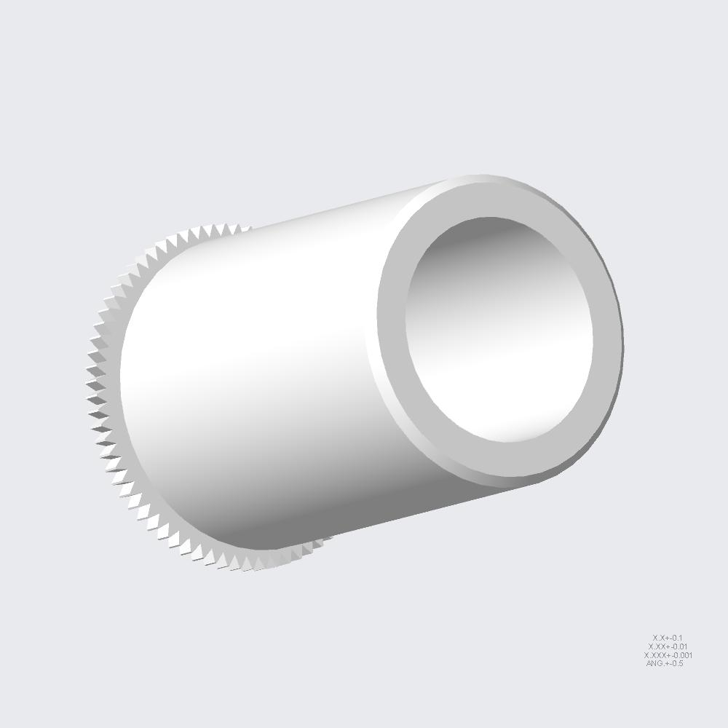 | 2 | 2 | 2 | GUIDE-STD.PRT [QTY 2]-> RM7922000201-108-CANISTER-BAR [QTY 1]-> 7U-BOTTOM-RIVET [QTY 1]-> 7U-BOTTOM [QTY 1] | 4 |  |  |  | X
RIVET-60H453232A021.PRT |  | 2 | 2 | 497 | RIVET-60H453232A021.PRT [QTY 2]-> RM7922000201-108-CANISTER-BAR [QTY 1]-> 7U-BOTTOM-RIVET [QTY 1]-> 7U-BOTTOM [QTY 1] | 4 |  |  |  | X
RM7922000201-109-TOP-PUSH-BKT.PRT | 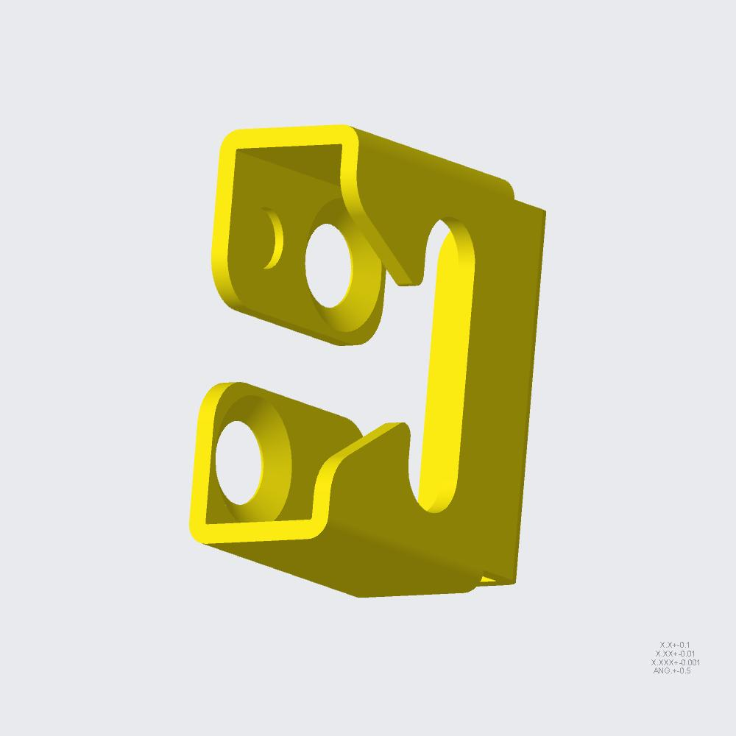 | 2 | 2 | 2 | RM7922000201-109-TOP-PUSH-BKT.PRT [QTY 2]-> 7U-BOTTOM-RIVET [QTY 1]-> 7U-BOTTOM [QTY 1] | 3 |  |  | X
RM7922000201-CHASSIS-SUP-BKT-L.ASM | 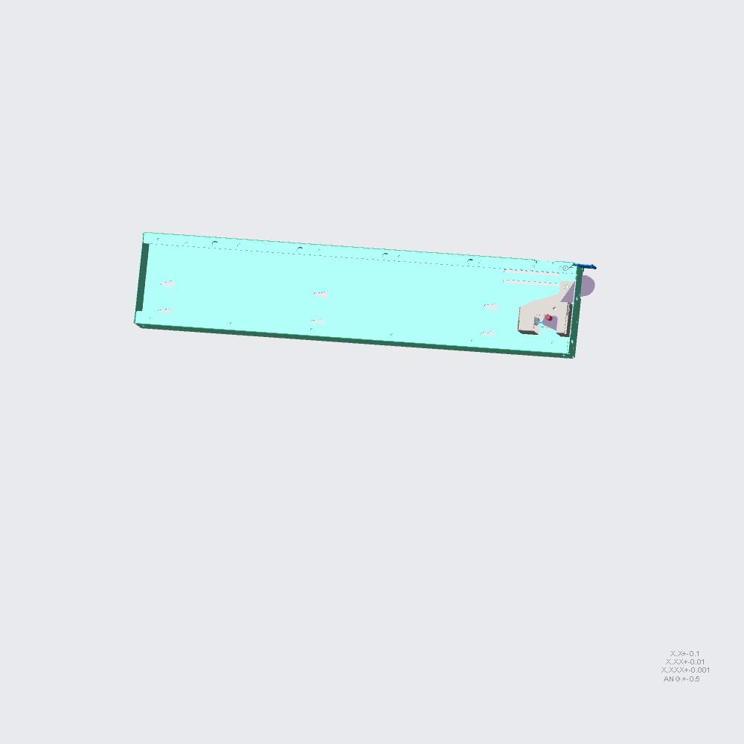 | 1 | 1 | 1 | RM7922000201-CHASSIS-SUP-BKT-L.ASM [QTY 1]-> 7U-BOTTOM-RIVET [QTY 1]-> 7U-BOTTOM [QTY 1] | 3 |  |  | X
RM7922000201-110-CHASSIS-SUP-BK.ASM | 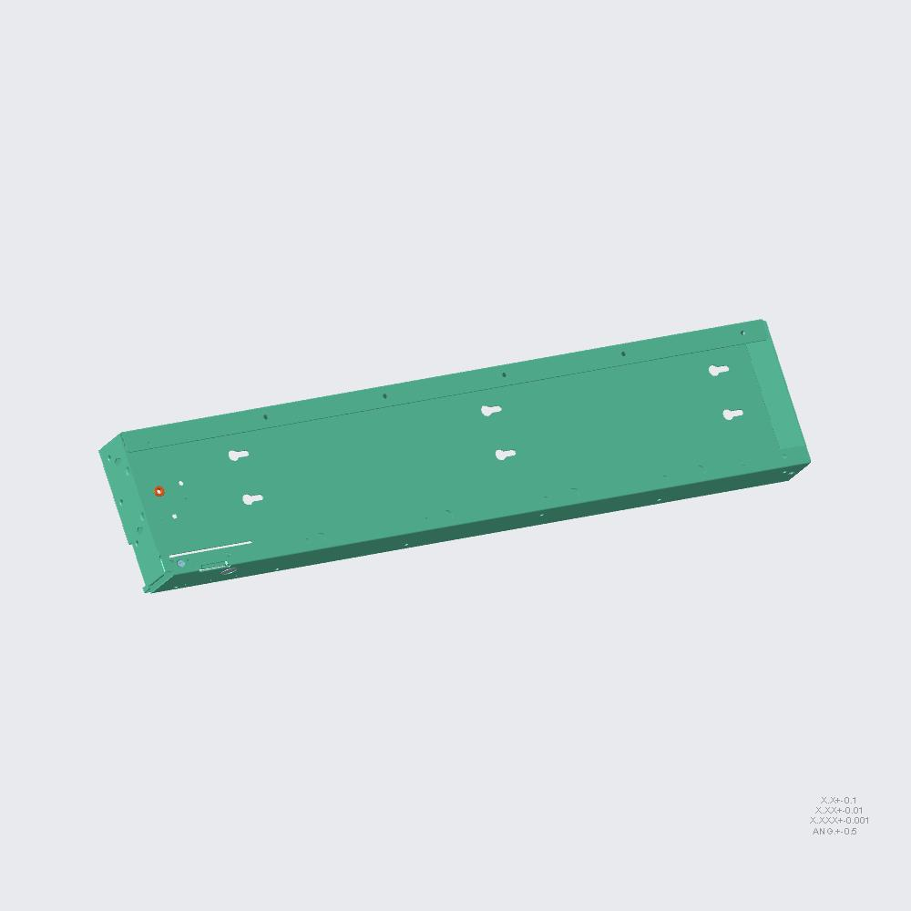 | 1 | 1 | 1 | RM7922000201-110-CHASSIS-SUP-BK.ASM [QTY 1]-> RM7922000201-CHASSIS-SUP-BKT-L [QTY 1]-> 7U-BOTTOM-RIVET [QTY 1]-> 7U-BOTTOM [QTY 1] | 4 |  |  |  | X
RM7922000201-110-CHASSIS-SUP-BK.PRT | 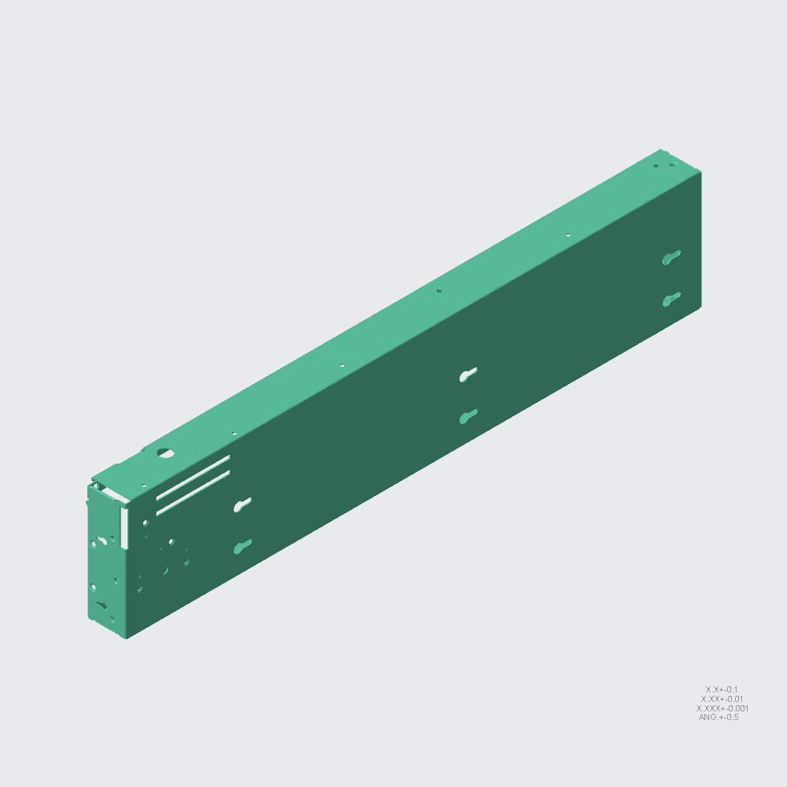 | 1 | 1 | 1 | RM7922000201-110-CHASSIS-SUP-BK.PRT [QTY 1]-> RM7922000201-110-CHASSIS-SUP-BK [QTY 1]-> RM7922000201-CHASSIS-SUP-BKT-L [QTY 1]-> 7U-BOTTOM-RIVET [QTY 1]-> 7U-BOTTOM [QTY 1] | 5 |  |  |  |  | X
NU-0018-60H303240-002.PRT | 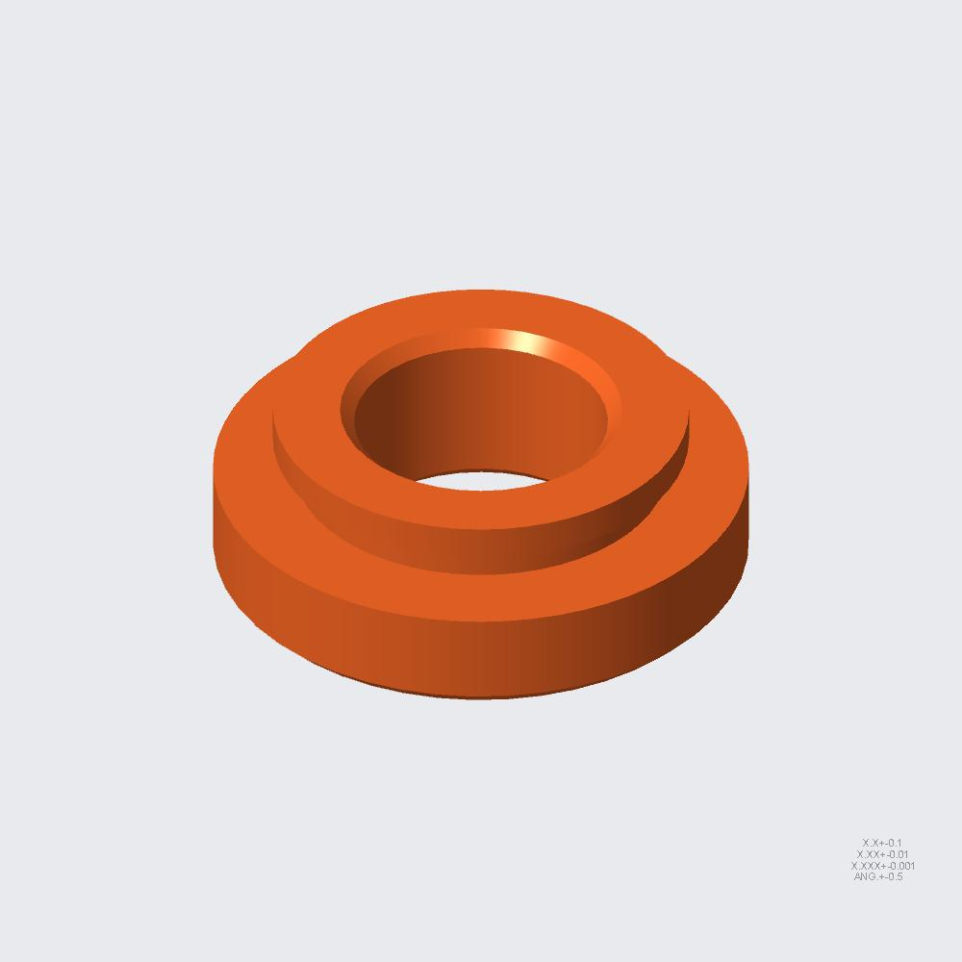 | 1 | 1 | 2 | NU-0018-60H303240-002.PRT [QTY 1]-> RM7922000201-110-CHASSIS-SUP-BK [QTY 1]-> RM7922000201-CHASSIS-SUP-BKT-L [QTY 1]-> 7U-BOTTOM-RIVET [QTY 1]-> 7U-BOTTOM [QTY 1] | 5 |  |  |  |  | X
2U_CHASSIS_YSKS-69172-ZI_1.PRT | 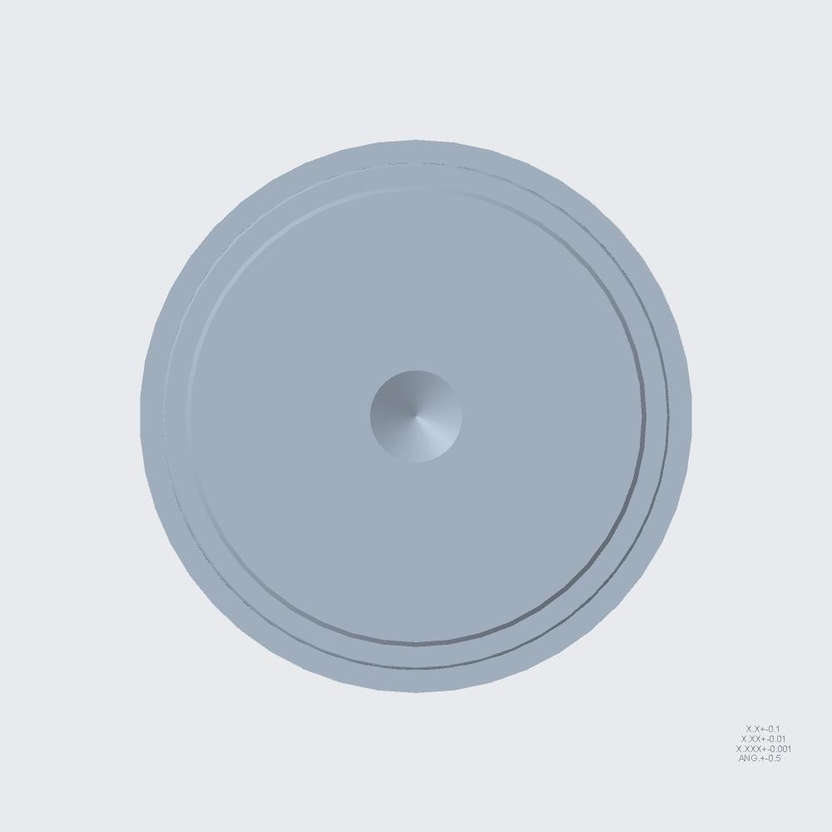 | 1 | 1 | 1 | 2U_CHASSIS_YSKS-69172-ZI_1.PRT [QTY 1]-> RM7922000201-110-CHASSIS-SUP-BK [QTY 1]-> RM7922000201-CHASSIS-SUP-BKT-L [QTY 1]-> 7U-BOTTOM-RIVET [QTY 1]-> 7U-BOTTOM [QTY 1] | 5 |  |  |  |  | X
RIVET-60H453232A052-L2_3.PRT | 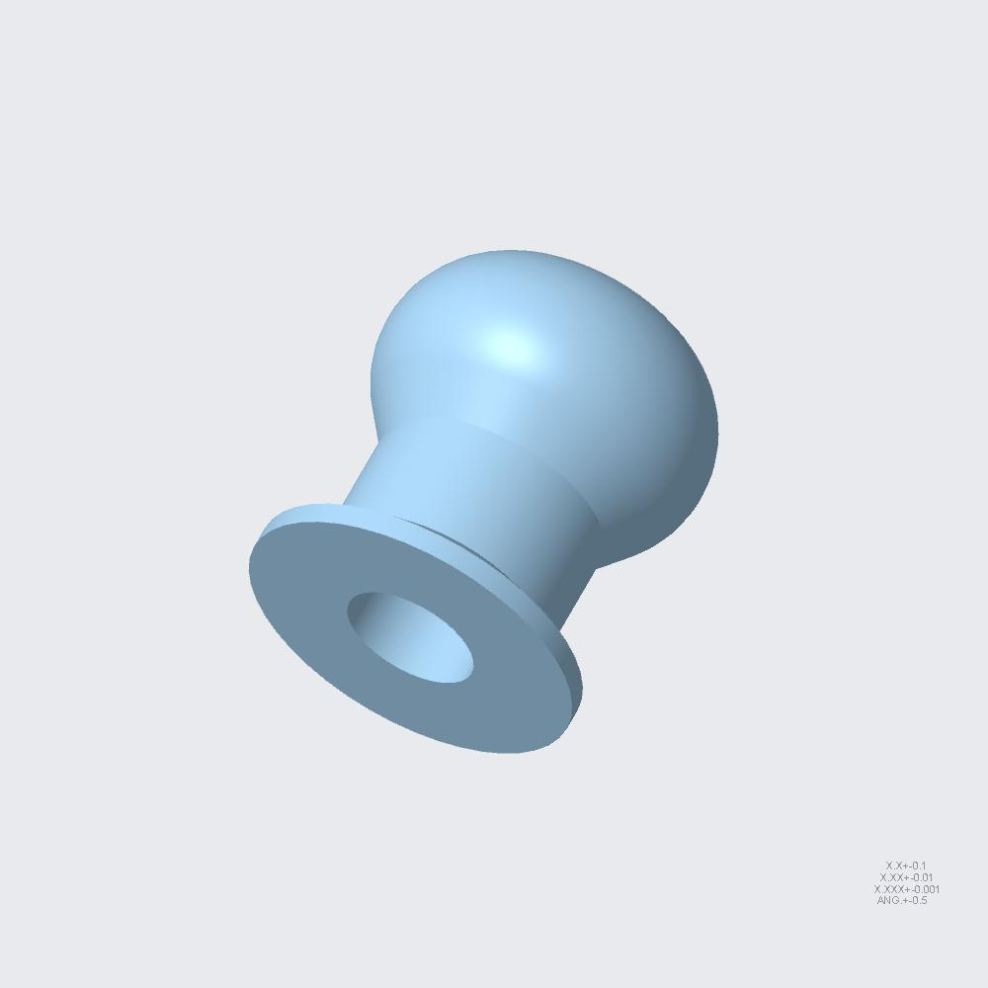 | 4 | 4 | 94 | RIVET-60H453232A052-L2_3.PRT [QTY 4]-> RM7922000201-110-CHASSIS-SUP-BK [QTY 1]-> RM7922000201-CHASSIS-SUP-BKT-L [QTY 1]-> 7U-BOTTOM-RIVET [QTY 1]-> 7U-BOTTOM [QTY 1] | 5 |  |  |  |  | X
RM7922000201-SOFT-STOP-COVER-L.ASM | 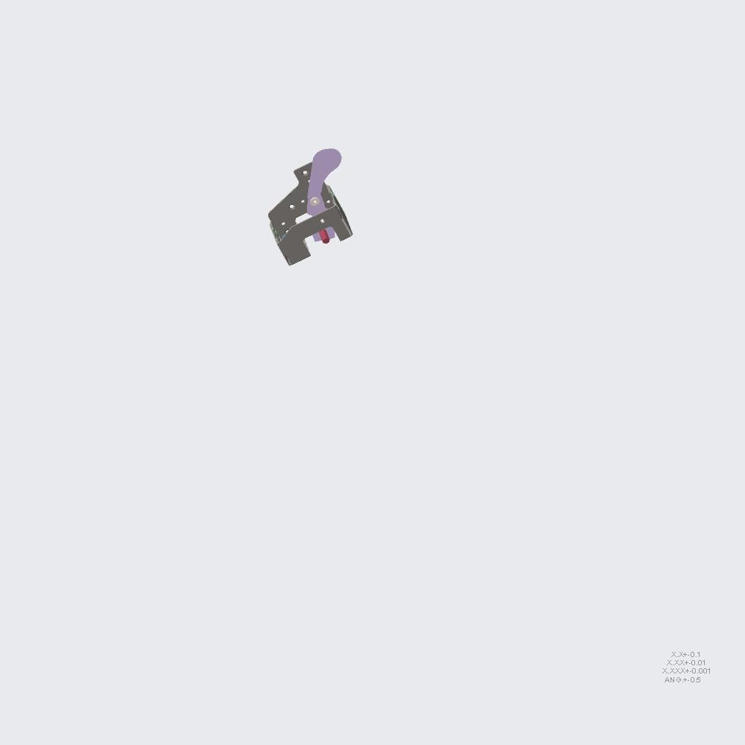 | 1 | 1 | 1 | RM7922000201-SOFT-STOP-COVER-L.ASM [QTY 1]-> RM7922000201-CHASSIS-SUP-BKT-L [QTY 1]-> 7U-BOTTOM-RIVET [QTY 1]-> 7U-BOTTOM [QTY 1] | 4 |  |  |  | X
RM7922000201-418-HINGE-BKT-L.PRT |  | 1 | 1 | 1 | RM7922000201-418-HINGE-BKT-L.PRT [QTY 1]-> RM7922000201-SOFT-STOP-COVER-L [QTY 1]-> RM7922000201-CHASSIS-SUP-BKT-L [QTY 1]-> 7U-BOTTOM-RIVET [QTY 1]-> 7U-BOTTOM [QTY 1] | 5 |  |  |  |  | X
RM7922000201-419-SOFTSTOP-CVR-L.ASM |  | 8 | 8 | 8 | RM7922000201-419-SOFTSTOP-CVR-L.ASM [QTY 8]-> RM7922000201-SOFT-STOP-COVER-L [QTY 1]-> RM7922000201-CHASSIS-SUP-BKT-L [QTY 1]-> 7U-BOTTOM-RIVET [QTY 1]-> 7U-BOTTOM [QTY 1] | 5 |  |  |  |  | X
RM7922000201-419-SOFTSTOP-CVR-L.PRT |  | 1 | 8 | 8 | RM7922000201-419-SOFTSTOP-CVR-L.PRT [QTY 1]-> RM7922000201-419-SOFTSTOP-CVR-L [QTY 8]-> RM7922000201-SOFT-STOP-COVER-L [QTY 1]-> RM7922000201-CHASSIS-SUP-BKT-L [QTY 1]-> 7U-BOTTOM-RIVET [QTY 1]-> 7U-BOTTOM [QTY 1] | 6 |  |  |  |  |  | X
RM7922000201-417-S01.PRT | 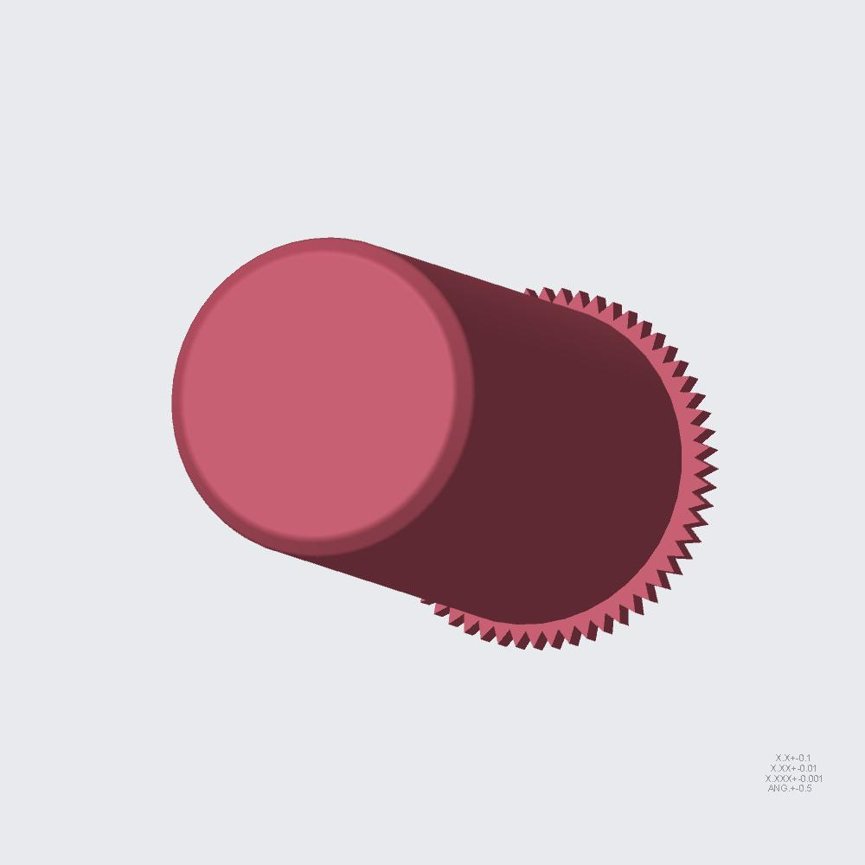 | 1 | 8 | 11 | RM7922000201-417-S01.PRT [QTY 1]-> RM7922000201-419-SOFTSTOP-CVR-L [QTY 8]-> RM7922000201-SOFT-STOP-COVER-L [QTY 1]-> RM7922000201-CHASSIS-SUP-BKT-L [QTY 1]-> 7U-BOTTOM-RIVET [QTY 1]-> 7U-BOTTOM [QTY 1] | 6 |  |  |  |  |  | X
RM7922000201-355-COVER-SPRING.PRT | 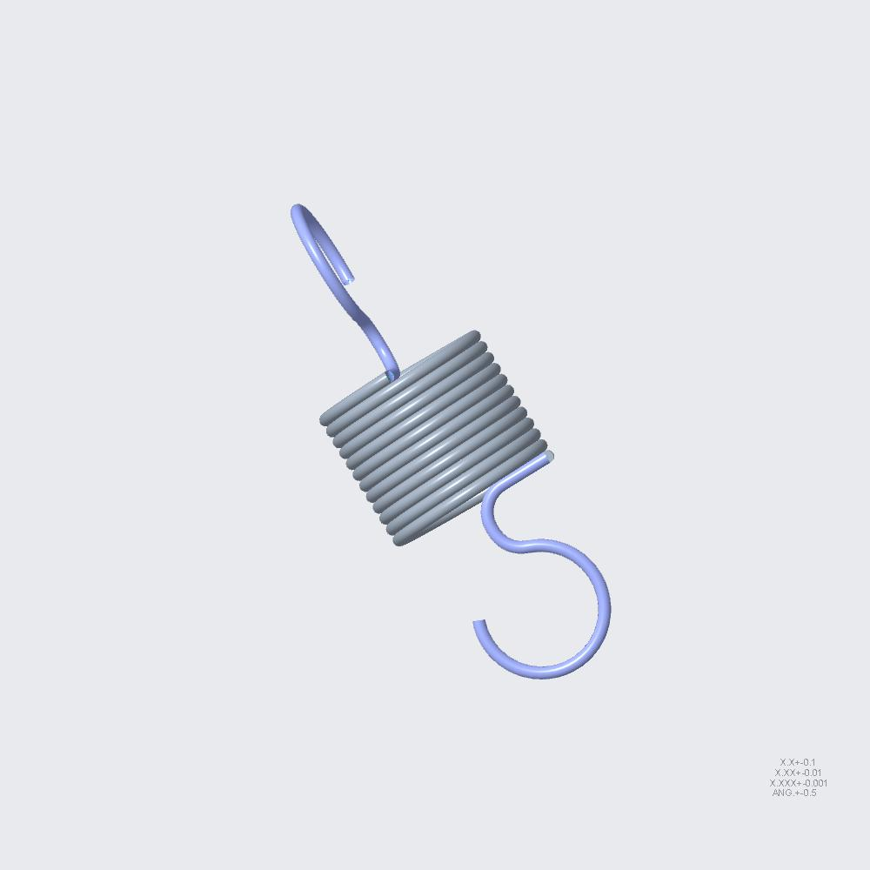 | 1 | 1 | 2 | RM7922000201-355-COVER-SPRING.PRT [QTY 1]-> RM7922000201-SOFT-STOP-COVER-L [QTY 1]-> RM7922000201-CHASSIS-SUP-BKT-L [QTY 1]-> 7U-BOTTOM-RIVET [QTY 1]-> 7U-BOTTOM [QTY 1] | 5 |  |  |  |  | X
HG-209-031-01_A_-20150311.PRT | 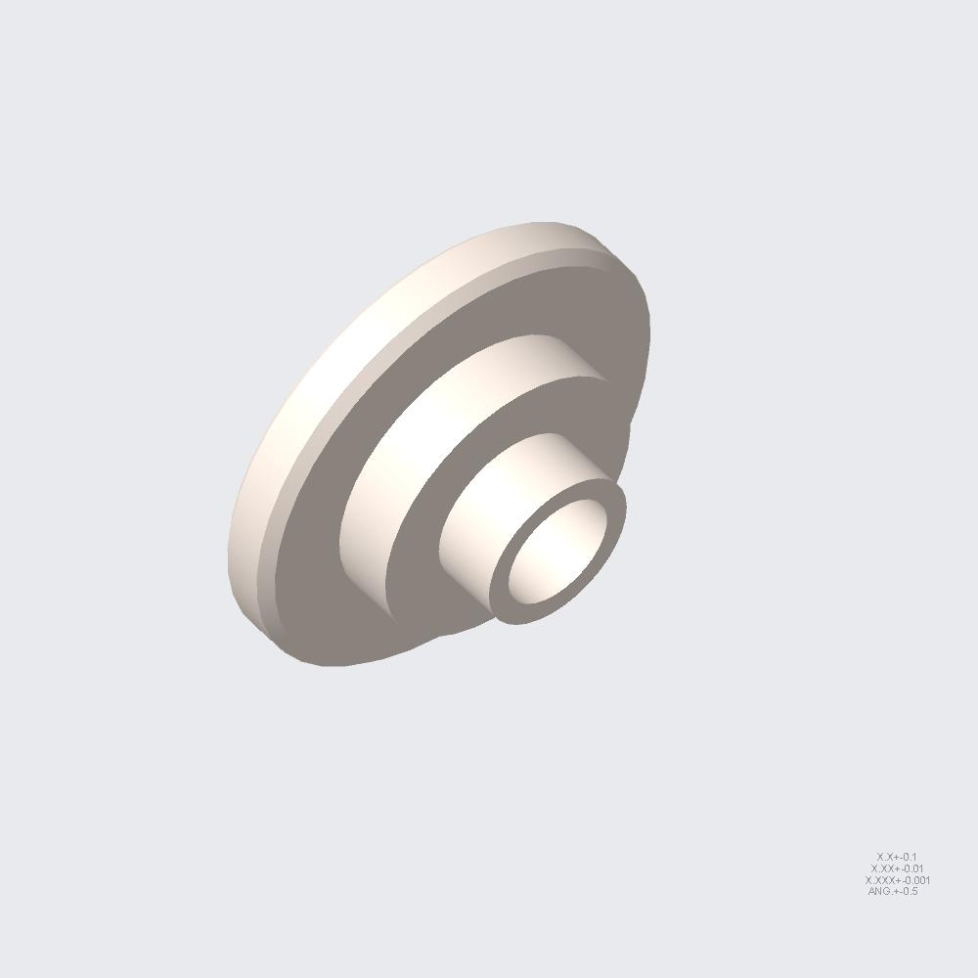 | 2 | 2 | 4 | HG-209-031-01_A_-20150311.PRT [QTY 2]-> RM7922000201-SOFT-STOP-COVER-L [QTY 1]-> RM7922000201-CHASSIS-SUP-BKT-L [QTY 1]-> 7U-BOTTOM-RIVET [QTY 1]-> 7U-BOTTOM [QTY 1] | 5 |  |  |  |  | X
RIVET-60H453232A021.PRT |  | 4 | 4 | 497 | RIVET-60H453232A021.PRT [QTY 4]-> RM7922000201-SOFT-STOP-COVER-L [QTY 1]-> RM7922000201-CHASSIS-SUP-BKT-L [QTY 1]-> 7U-BOTTOM-RIVET [QTY 1]-> 7U-BOTTOM [QTY 1] | 5 |  |  |  |  | X
RM7922000201-243-PULL-OUT-CARD.PRT |  | 2 | 2 | 2 | RM7922000201-243-PULL-OUT-CARD.PRT [QTY 2]-> RM7922000201-CHASSIS-SUP-BKT-L [QTY 1]-> 7U-BOTTOM-RIVET [QTY 1]-> 7U-BOTTOM [QTY 1] | 4 |  |  |  | X
RIVET-60H453232A021.PRT |  | 4 | 4 | 497 | RIVET-60H453232A021.PRT [QTY 4]-> RM7922000201-CHASSIS-SUP-BKT-L [QTY 1]-> 7U-BOTTOM-RIVET [QTY 1]-> 7U-BOTTOM [QTY 1] | 4 |  |  |  | X
RM7922000201-CHASSIS-SUP-BKT-R.ASM | 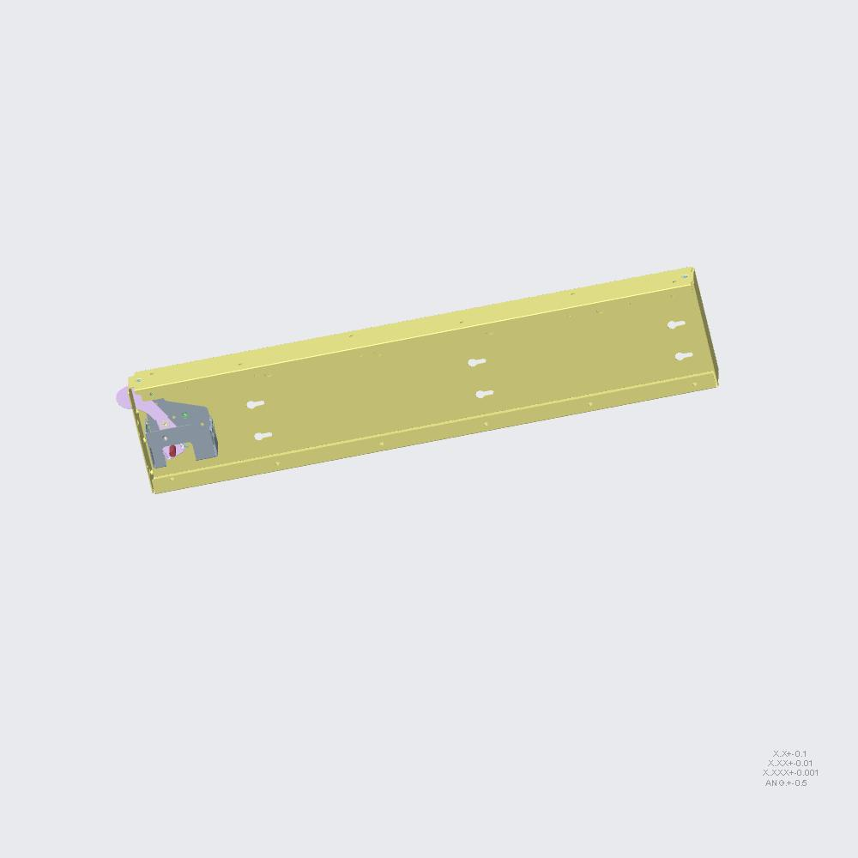 | 1 | 1 | 1 | RM7922000201-CHASSIS-SUP-BKT-R.ASM [QTY 1]-> 7U-BOTTOM-RIVET [QTY 1]-> 7U-BOTTOM [QTY 1] | 3 |  |  | X
RM7922000201-111-CHAS-SUP-BKT-R.ASM | 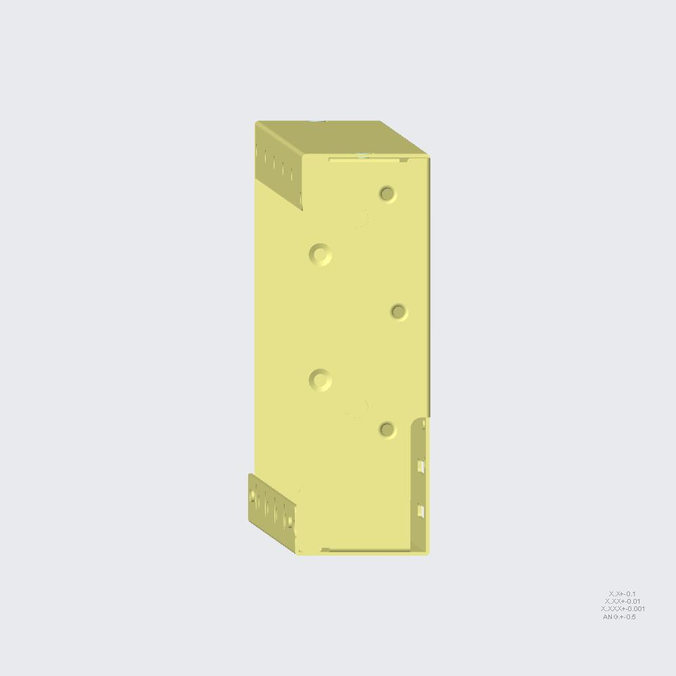 | 1 | 1 | 1 | RM7922000201-111-CHAS-SUP-BKT-R.ASM [QTY 1]-> RM7922000201-CHASSIS-SUP-BKT-R [QTY 1]-> 7U-BOTTOM-RIVET [QTY 1]-> 7U-BOTTOM [QTY 1] | 4 |  |  |  | X
RM7922000201-111-CHAS-SUP-BKT-R.PRT |  | 1 | 1 | 1 | RM7922000201-111-CHAS-SUP-BKT-R.PRT [QTY 1]-> RM7922000201-111-CHAS-SUP-BKT-R [QTY 1]-> RM7922000201-CHASSIS-SUP-BKT-R [QTY 1]-> 7U-BOTTOM-RIVET [QTY 1]-> 7U-BOTTOM [QTY 1] | 5 |  |  |  |  | X
NU-0018-60H303240-002.PRT |  | 1 | 1 | 2 | NU-0018-60H303240-002.PRT [QTY 1]-> RM7922000201-111-CHAS-SUP-BKT-R [QTY 1]-> RM7922000201-CHASSIS-SUP-BKT-R [QTY 1]-> 7U-BOTTOM-RIVET [QTY 1]-> 7U-BOTTOM [QTY 1] | 5 |  |  |  |  | X
RIVET-60H453232A052-L2_3.PRT |  | 4 | 4 | 94 | RIVET-60H453232A052-L2_3.PRT [QTY 4]-> RM7922000201-111-CHAS-SUP-BKT-R [QTY 1]-> RM7922000201-CHASSIS-SUP-BKT-R [QTY 1]-> 7U-BOTTOM-RIVET [QTY 1]-> 7U-BOTTOM [QTY 1] | 5 |  |  |  |  | X
RM7922000201-SOFT-STOP-COVER-R.ASM |  | 1 | 1 | 1 | RM7922000201-SOFT-STOP-COVER-R.ASM [QTY 1]-> RM7922000201-CHASSIS-SUP-BKT-R [QTY 1]-> 7U-BOTTOM-RIVET [QTY 1]-> 7U-BOTTOM [QTY 1] | 4 |  |  |  | X
RM7922000201-416-HINGE-BKT-R.PRT |  | 1 | 1 | 1 | RM7922000201-416-HINGE-BKT-R.PRT [QTY 1]-> RM7922000201-SOFT-STOP-COVER-R [QTY 1]-> RM7922000201-CHASSIS-SUP-BKT-R [QTY 1]-> 7U-BOTTOM-RIVET [QTY 1]-> 7U-BOTTOM [QTY 1] | 5 |  |  |  |  | X
RM7922000201-417-SOFTSTOP-CVR-R.ASM |  | 3 | 3 | 3 | RM7922000201-417-SOFTSTOP-CVR-R.ASM [QTY 3]-> RM7922000201-SOFT-STOP-COVER-R [QTY 1]-> RM7922000201-CHASSIS-SUP-BKT-R [QTY 1]-> 7U-BOTTOM-RIVET [QTY 1]-> 7U-BOTTOM [QTY 1] | 5 |  |  |  |  | X
RM7922000201-417-SOFTSTOP-CVR-R.PRT |  | 1 | 3 | 3 | RM7922000201-417-SOFTSTOP-CVR-R.PRT [QTY 1]-> RM7922000201-417-SOFTSTOP-CVR-R [QTY 3]-> RM7922000201-SOFT-STOP-COVER-R [QTY 1]-> RM7922000201-CHASSIS-SUP-BKT-R [QTY 1]-> 7U-BOTTOM-RIVET [QTY 1]-> 7U-BOTTOM [QTY 1] | 6 |  |  |  |  |  | X
RM7922000201-417-S01.PRT |  | 1 | 3 | 11 | RM7922000201-417-S01.PRT [QTY 1]-> RM7922000201-417-SOFTSTOP-CVR-R [QTY 3]-> RM7922000201-SOFT-STOP-COVER-R [QTY 1]-> RM7922000201-CHASSIS-SUP-BKT-R [QTY 1]-> 7U-BOTTOM-RIVET [QTY 1]-> 7U-BOTTOM [QTY 1] | 6 |  |  |  |  |  | X
HG-209-031-01_A_-20150311.PRT |  | 2 | 2 | 4 | HG-209-031-01_A_-20150311.PRT [QTY 2]-> RM7922000201-SOFT-STOP-COVER-R [QTY 1]-> RM7922000201-CHASSIS-SUP-BKT-R [QTY 1]-> 7U-BOTTOM-RIVET [QTY 1]-> 7U-BOTTOM [QTY 1] | 5 |  |  |  |  | X
RM7922000201-355-COVER-SPRING.PRT |  | 1 | 1 | 2 | RM7922000201-355-COVER-SPRING.PRT [QTY 1]-> RM7922000201-SOFT-STOP-COVER-R [QTY 1]-> RM7922000201-CHASSIS-SUP-BKT-R [QTY 1]-> 7U-BOTTOM-RIVET [QTY 1]-> 7U-BOTTOM [QTY 1] | 5 |  |  |  |  | X
RIVET-60H453232A021.PRT |  | 4 | 4 | 497 | RIVET-60H453232A021.PRT [QTY 4]-> RM7922000201-SOFT-STOP-COVER-R [QTY 1]-> RM7922000201-CHASSIS-SUP-BKT-R [QTY 1]-> 7U-BOTTOM-RIVET [QTY 1]-> 7U-BOTTOM [QTY 1] | 5 |  |  |  |  | X
RIVET-60H453232A021.PRT |  | 4 | 4 | 497 | RIVET-60H453232A021.PRT [QTY 4]-> RM7922000201-CHASSIS-SUP-BKT-R [QTY 1]-> 7U-BOTTOM-RIVET [QTY 1]-> 7U-BOTTOM [QTY 1] | 4 |  |  |  | X
RM7922000201-248-CROSS-BAR.ASM |  | 1 | 1 | 1 | RM7922000201-248-CROSS-BAR.ASM [QTY 1]-> 7U-BOTTOM-RIVET [QTY 1]-> 7U-BOTTOM [QTY 1] | 3 |  |  | X
RM7922000201-248-CROSS-BAR.PRT |  | 1 | 1 | 1 | RM7922000201-248-CROSS-BAR.PRT [QTY 1]-> RM7922000201-248-CROSS-BAR [QTY 1]-> 7U-BOTTOM-RIVET [QTY 1]-> 7U-BOTTOM [QTY 1] | 4 |  |  |  | X
RM7922000201-TOP-AIR-DUCT.ASM | 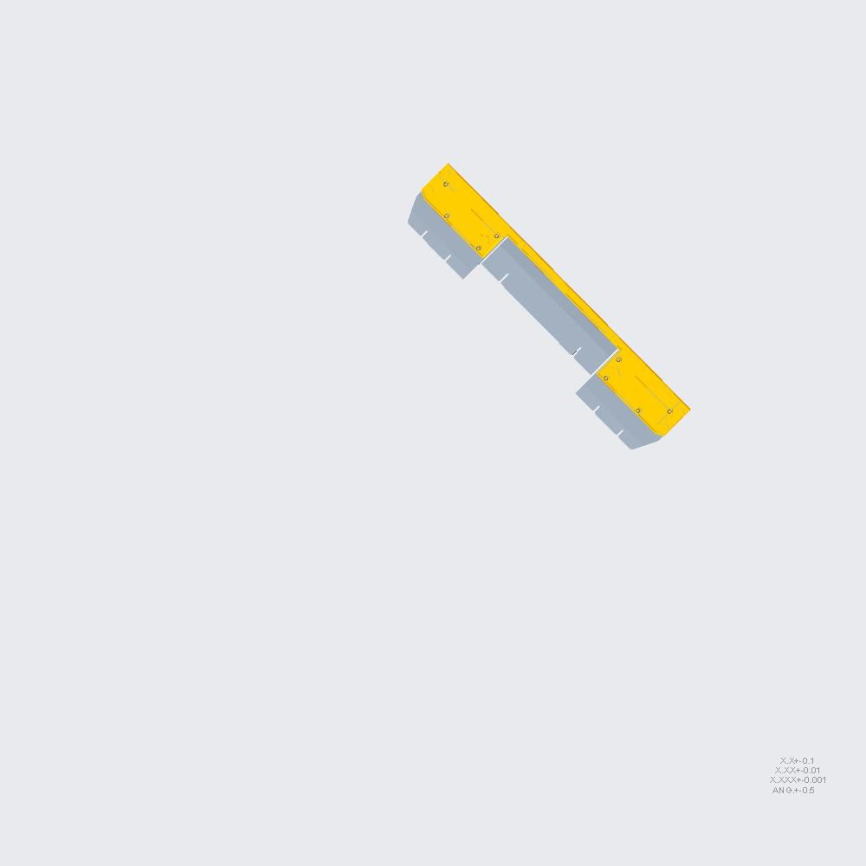 | 1 | 1 | 1 | RM7922000201-TOP-AIR-DUCT.ASM [QTY 1]-> 7U-BOTTOM-RIVET [QTY 1]-> 7U-BOTTOM [QTY 1] | 3 |  |  | X
RM7922000201-201-TOP-AIR-DUCT.ASM |  | 1 | 1 | 1 | RM7922000201-201-TOP-AIR-DUCT.ASM [QTY 1]-> RM7922000201-TOP-AIR-DUCT [QTY 1]-> 7U-BOTTOM-RIVET [QTY 1]-> 7U-BOTTOM [QTY 1] | 4 |  |  |  | X
RM7922000201-201-TOP-AIR-DUCT.PRT |  | 1 | 1 | 1 | RM7922000201-201-TOP-AIR-DUCT.PRT [QTY 1]-> RM7922000201-201-TOP-AIR-DUCT [QTY 1]-> RM7922000201-TOP-AIR-DUCT [QTY 1]-> 7U-BOTTOM-RIVET [QTY 1]-> 7U-BOTTOM [QTY 1] | 5 |  |  |  |  | X
RM7922000201-201-S02.PRT | 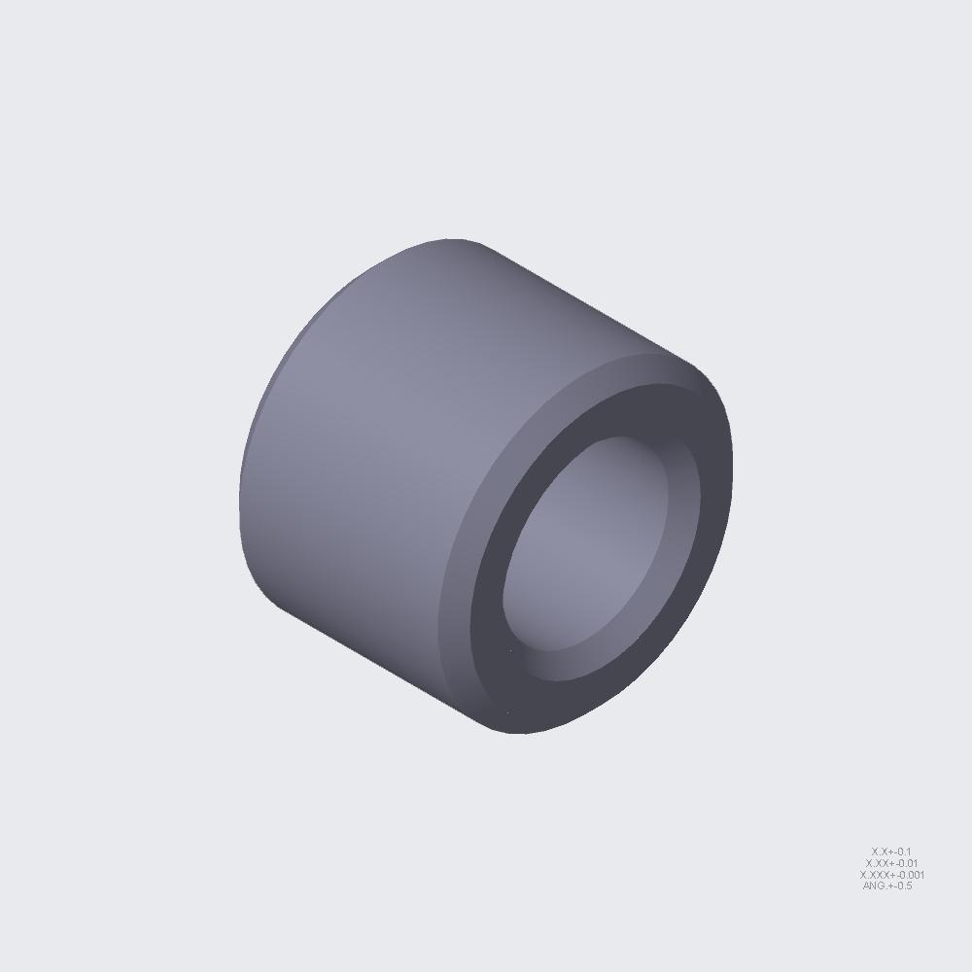 | 9 | 9 | 9 | RM7922000201-201-S02.PRT [QTY 9]-> RM7922000201-201-TOP-AIR-DUCT [QTY 1]-> RM7922000201-TOP-AIR-DUCT [QTY 1]-> 7U-BOTTOM-RIVET [QTY 1]-> 7U-BOTTOM [QTY 1] | 5 |  |  |  |  | X
RM7922000201-201-S03.PRT | 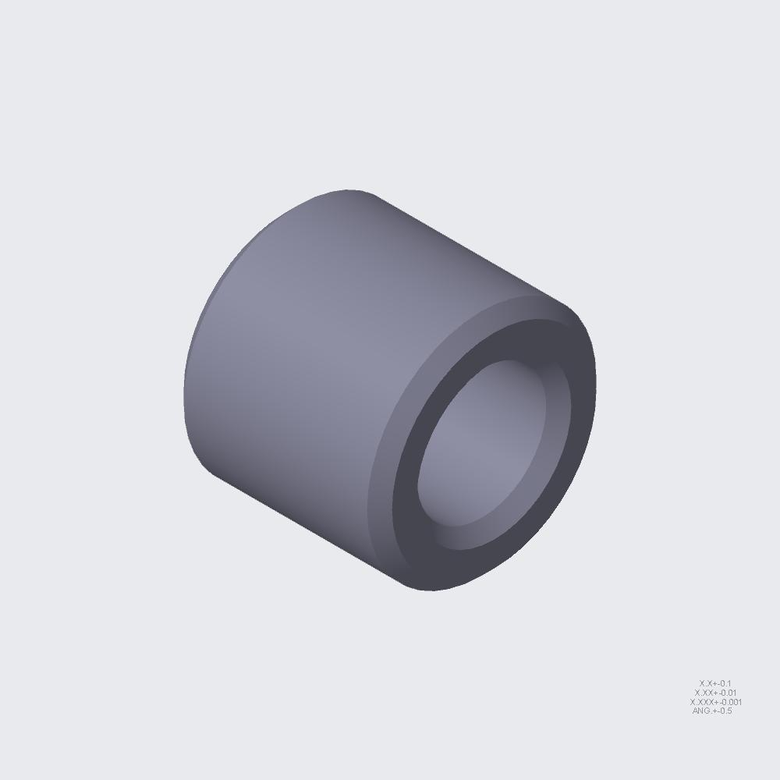 | 8 | 8 | 8 | RM7922000201-201-S03.PRT [QTY 8]-> RM7922000201-201-TOP-AIR-DUCT [QTY 1]-> RM7922000201-TOP-AIR-DUCT [QTY 1]-> 7U-BOTTOM-RIVET [QTY 1]-> 7U-BOTTOM [QTY 1] | 5 |  |  |  |  | X
RM7922000201-321-AIRDUCT.PRT |  | 1 | 1 | 1 | RM7922000201-321-AIRDUCT.PRT [QTY 1]-> RM7922000201-TOP-AIR-DUCT [QTY 1]-> 7U-BOTTOM-RIVET [QTY 1]-> 7U-BOTTOM [QTY 1] | 4 |  |  |  | X
SCREW-60H151103-043.PRT | 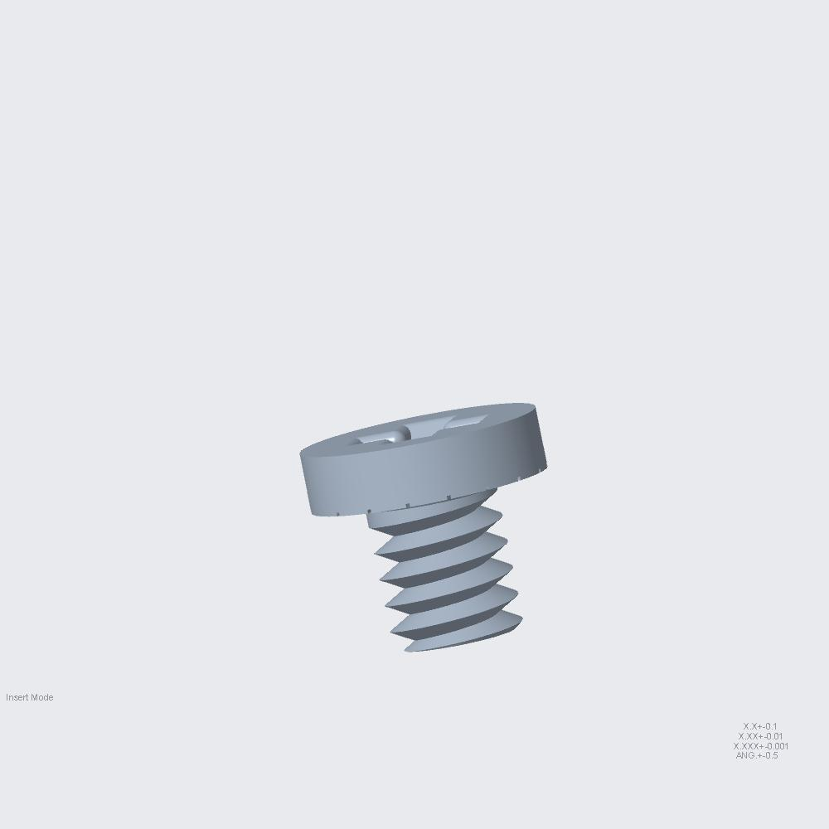 | 9 | 9 | 9 | SCREW-60H151103-043.PRT [QTY 9]-> RM7922000201-TOP-AIR-DUCT [QTY 1]-> 7U-BOTTOM-RIVET [QTY 1]-> 7U-BOTTOM [QTY 1] | 4 |  |  |  | X
RM7922000201-REAR-WINDOW-ASSY.ASM |  | 1 | 1 | 1 | RM7922000201-REAR-WINDOW-ASSY.ASM [QTY 1]-> 7U-BOTTOM-RIVET [QTY 1]-> 7U-BOTTOM [QTY 1] | 3 |  |  | X
RM7922000201-103-REAR-WINDOW.ASM |  | 1 | 1 | 1 | RM7922000201-103-REAR-WINDOW.ASM [QTY 1]-> RM7922000201-REAR-WINDOW-ASSY [QTY 1]-> 7U-BOTTOM-RIVET [QTY 1]-> 7U-BOTTOM [QTY 1] | 4 |  |  |  | X
RM7922000201-103-REAR-WINDOW.PRT |  | 1 | 1 | 1 | RM7922000201-103-REAR-WINDOW.PRT [QTY 1]-> RM7922000201-103-REAR-WINDOW [QTY 1]-> RM7922000201-REAR-WINDOW-ASSY [QTY 1]-> 7U-BOTTOM-RIVET [QTY 1]-> 7U-BOTTOM [QTY 1] | 5 |  |  |  |  | X
ST-0309-60H703103-541.PRT |  | 1 | 1 | 3 | ST-0309-60H703103-541.PRT [QTY 1]-> RM7922000201-103-REAR-WINDOW [QTY 1]-> RM7922000201-REAR-WINDOW-ASSY [QTY 1]-> 7U-BOTTOM-RIVET [QTY 1]-> 7U-BOTTOM [QTY 1] | 5 |  |  |  |  | X
RM7922000201-103-S01.PRT |  | 4 | 4 | 14 | RM7922000201-103-S01.PRT [QTY 4]-> RM7922000201-103-REAR-WINDOW [QTY 1]-> RM7922000201-REAR-WINDOW-ASSY [QTY 1]-> 7U-BOTTOM-RIVET [QTY 1]-> 7U-BOTTOM [QTY 1] | 5 |  |  |  |  | X
RM7922000201-103-S02.PRT |  | 2 | 2 | 6 | RM7922000201-103-S02.PRT [QTY 2]-> RM7922000201-103-REAR-WINDOW [QTY 1]-> RM7922000201-REAR-WINDOW-ASSY [QTY 1]-> 7U-BOTTOM-RIVET [QTY 1]-> 7U-BOTTOM [QTY 1] | 5 |  |  |  |  | X
RM7922000201-174-REAR-WINDOW.ASM |  | 1 | 1 | 1 | RM7922000201-174-REAR-WINDOW.ASM [QTY 1]-> RM7922000201-REAR-WINDOW-ASSY [QTY 1]-> 7U-BOTTOM-RIVET [QTY 1]-> 7U-BOTTOM [QTY 1] | 4 |  |  |  | X
RM7922000201-174-REAR-WINDOW.PRT |  | 1 | 1 | 1 | RM7922000201-174-REAR-WINDOW.PRT [QTY 1]-> RM7922000201-174-REAR-WINDOW [QTY 1]-> RM7922000201-REAR-WINDOW-ASSY [QTY 1]-> 7U-BOTTOM-RIVET [QTY 1]-> 7U-BOTTOM [QTY 1] | 5 |  |  |  |  | X
ST-0309-60H703103-541.PRT |  | 1 | 1 | 3 | ST-0309-60H703103-541.PRT [QTY 1]-> RM7922000201-174-REAR-WINDOW [QTY 1]-> RM7922000201-REAR-WINDOW-ASSY [QTY 1]-> 7U-BOTTOM-RIVET [QTY 1]-> 7U-BOTTOM [QTY 1] | 5 |  |  |  |  | X
RM7922000201-103-S01.PRT |  | 4 | 4 | 14 | RM7922000201-103-S01.PRT [QTY 4]-> RM7922000201-174-REAR-WINDOW [QTY 1]-> RM7922000201-REAR-WINDOW-ASSY [QTY 1]-> 7U-BOTTOM-RIVET [QTY 1]-> 7U-BOTTOM [QTY 1] | 5 |  |  |  |  | X
RM7922000201-103-S02.PRT |  | 2 | 2 | 6 | RM7922000201-103-S02.PRT [QTY 2]-> RM7922000201-174-REAR-WINDOW [QTY 1]-> RM7922000201-REAR-WINDOW-ASSY [QTY 1]-> 7U-BOTTOM-RIVET [QTY 1]-> 7U-BOTTOM [QTY 1] | 5 |  |  |  |  | X
RM7922000201-177-REAR-WINDOW.ASM |  | 1 | 1 | 1 | RM7922000201-177-REAR-WINDOW.ASM [QTY 1]-> RM7922000201-REAR-WINDOW-ASSY [QTY 1]-> 7U-BOTTOM-RIVET [QTY 1]-> 7U-BOTTOM [QTY 1] | 4 |  |  |  | X
RM7922000201-177-REAR-WINDOW.PRT |  | 1 | 1 | 1 | RM7922000201-177-REAR-WINDOW.PRT [QTY 1]-> RM7922000201-177-REAR-WINDOW [QTY 1]-> RM7922000201-REAR-WINDOW-ASSY [QTY 1]-> 7U-BOTTOM-RIVET [QTY 1]-> 7U-BOTTOM [QTY 1] | 5 |  |  |  |  | X
ST-0309-60H703103-541.PRT |  | 1 | 1 | 3 | ST-0309-60H703103-541.PRT [QTY 1]-> RM7922000201-177-REAR-WINDOW [QTY 1]-> RM7922000201-REAR-WINDOW-ASSY [QTY 1]-> 7U-BOTTOM-RIVET [QTY 1]-> 7U-BOTTOM [QTY 1] | 5 |  |  |  |  | X
RM7922000201-103-S01.PRT |  | 6 | 6 | 14 | RM7922000201-103-S01.PRT [QTY 6]-> RM7922000201-177-REAR-WINDOW [QTY 1]-> RM7922000201-REAR-WINDOW-ASSY [QTY 1]-> 7U-BOTTOM-RIVET [QTY 1]-> 7U-BOTTOM [QTY 1] | 5 |  |  |  |  | X
RM7922000201-103-S02.PRT |  | 2 | 2 | 6 | RM7922000201-103-S02.PRT [QTY 2]-> RM7922000201-177-REAR-WINDOW [QTY 1]-> RM7922000201-REAR-WINDOW-ASSY [QTY 1]-> 7U-BOTTOM-RIVET [QTY 1]-> 7U-BOTTOM [QTY 1] | 5 |  |  |  |  | X
RM7922000201-177-S01.PRT |  | 12 | 12 | 12 | RM7922000201-177-S01.PRT [QTY 12]-> RM7922000201-177-REAR-WINDOW [QTY 1]-> RM7922000201-REAR-WINDOW-ASSY [QTY 1]-> 7U-BOTTOM-RIVET [QTY 1]-> 7U-BOTTOM [QTY 1] | 5 |  |  |  |  | X
NU-0033-60H323103-261.PRT |  | 6 | 6 | 6 | NU-0033-60H323103-261.PRT [QTY 6]-> RM7922000201-177-REAR-WINDOW [QTY 1]-> RM7922000201-REAR-WINDOW-ASSY [QTY 1]-> 7U-BOTTOM-RIVET [QTY 1]-> 7U-BOTTOM [QTY 1] | 5 |  |  |  |  | X
RM7922000201-140-BAR-PROTECTOR.ASM |  | 2 | 2 | 2 | RM7922000201-140-BAR-PROTECTOR.ASM [QTY 2]-> RM7922000201-REAR-WINDOW-ASSY [QTY 1]-> 7U-BOTTOM-RIVET [QTY 1]-> 7U-BOTTOM [QTY 1] | 4 |  |  |  | X
RM7922000201-140-BAR-PROTECTOR.PRT |  | 1 | 2 | 2 | RM7922000201-140-BAR-PROTECTOR.PRT [QTY 1]-> RM7922000201-140-BAR-PROTECTOR [QTY 2]-> RM7922000201-REAR-WINDOW-ASSY [QTY 1]-> 7U-BOTTOM-RIVET [QTY 1]-> 7U-BOTTOM [QTY 1] | 5 |  |  |  |  | X
RIVET-60H453232A021.PRT |  | 4 | 8 | 497 | RIVET-60H453232A021.PRT [QTY 4]-> RM7922000201-140-BAR-PROTECTOR [QTY 2]-> RM7922000201-REAR-WINDOW-ASSY [QTY 1]-> 7U-BOTTOM-RIVET [QTY 1]-> 7U-BOTTOM [QTY 1] | 5 |  |  |  |  | X
RM7922000201-178-REARWIN-SUP-BK.PRT |  | 1 | 1 | 1 | RM7922000201-178-REARWIN-SUP-BK.PRT [QTY 1]-> RM7922000201-REAR-WINDOW-ASSY [QTY 1]-> 7U-BOTTOM-RIVET [QTY 1]-> 7U-BOTTOM [QTY 1] | 4 |  |  |  | X
RM7922000201-179-REARWIN-SUP-BK.PRT |  | 1 | 1 | 1 | RM7922000201-179-REARWIN-SUP-BK.PRT [QTY 1]-> RM7922000201-REAR-WINDOW-ASSY [QTY 1]-> 7U-BOTTOM-RIVET [QTY 1]-> 7U-BOTTOM [QTY 1] | 4 |  |  |  | X
RM7922000201-196-REAR-NFC-SUP.ASM |  | 1 | 1 | 1 | RM7922000201-196-REAR-NFC-SUP.ASM [QTY 1]-> RM7922000201-REAR-WINDOW-ASSY [QTY 1]-> 7U-BOTTOM-RIVET [QTY 1]-> 7U-BOTTOM [QTY 1] | 4 |  |  |  | X
RM7922000201-196-REAR-NFC-SUP.PRT |  | 1 | 1 | 1 | RM7922000201-196-REAR-NFC-SUP.PRT [QTY 1]-> RM7922000201-196-REAR-NFC-SUP [QTY 1]-> RM7922000201-REAR-WINDOW-ASSY [QTY 1]-> 7U-BOTTOM-RIVET [QTY 1]-> 7U-BOTTOM [QTY 1] | 5 |  |  |  |  | X
RIVET-60H453203A001.PRT |  | 4 | 4 | 4 | RIVET-60H453203A001.PRT [QTY 4]-> RM7922000201-196-REAR-NFC-SUP [QTY 1]-> RM7922000201-REAR-WINDOW-ASSY [QTY 1]-> 7U-BOTTOM-RIVET [QTY 1]-> 7U-BOTTOM [QTY 1] | 5 |  |  |  |  | X
RM7922000201-197-CROSS-BAR.ASM |  | 2 | 2 | 2 | RM7922000201-197-CROSS-BAR.ASM [QTY 2]-> RM7922000201-REAR-WINDOW-ASSY [QTY 1]-> 7U-BOTTOM-RIVET [QTY 1]-> 7U-BOTTOM [QTY 1] | 4 |  |  |  | X
RM7922000201-197-CROSS-BAR.PRT |  | 1 | 2 | 2 | RM7922000201-197-CROSS-BAR.PRT [QTY 1]-> RM7922000201-197-CROSS-BAR [QTY 2]-> RM7922000201-REAR-WINDOW-ASSY [QTY 1]-> 7U-BOTTOM-RIVET [QTY 1]-> 7U-BOTTOM [QTY 1] | 5 |  |  |  |  | X
RM7922000201-197-S01.PRT |  | 4 | 8 | 8 | RM7922000201-197-S01.PRT [QTY 4]-> RM7922000201-197-CROSS-BAR [QTY 2]-> RM7922000201-REAR-WINDOW-ASSY [QTY 1]-> 7U-BOTTOM-RIVET [QTY 1]-> 7U-BOTTOM [QTY 1] | 5 |  |  |  |  | X
RM7922000201-249-CROSS-BAR-ZN.ASM |  | 2 | 2 | 2 | RM7922000201-249-CROSS-BAR-ZN.ASM [QTY 2]-> RM7922000201-REAR-WINDOW-ASSY [QTY 1]-> 7U-BOTTOM-RIVET [QTY 1]-> 7U-BOTTOM [QTY 1] | 4 |  |  |  | X
RM7922000201-249-CROSS-BAR-ZN.PRT |  | 1 | 2 | 2 | RM7922000201-249-CROSS-BAR-ZN.PRT [QTY 1]-> RM7922000201-249-CROSS-BAR-ZN [QTY 2]-> RM7922000201-REAR-WINDOW-ASSY [QTY 1]-> 7U-BOTTOM-RIVET [QTY 1]-> 7U-BOTTOM [QTY 1] | 5 |  |  |  |  | X
RD-22SEP-22客戶_20220930_.PRT |  | 4 | 4 | 4 | RD-22SEP-22客戶_20220930_.PRT [QTY 4]-> RM7922000201-REAR-WINDOW-ASSY [QTY 1]-> 7U-BOTTOM-RIVET [QTY 1]-> 7U-BOTTOM [QTY 1] | 4 |  |  |  | X
SCREW-60H151103-042.PRT |  | 8 | 8 | 8 | SCREW-60H151103-042.PRT [QTY 8]-> RM7922000201-REAR-WINDOW-ASSY [QTY 1]-> 7U-BOTTOM-RIVET [QTY 1]-> 7U-BOTTOM [QTY 1] | 4 |  |  |  | X
SCREW-60H141103-059.PRT |  | 26 | 26 | 73 | SCREW-60H141103-059.PRT [QTY 26]-> RM7922000201-REAR-WINDOW-ASSY [QTY 1]-> 7U-BOTTOM-RIVET [QTY 1]-> 7U-BOTTOM [QTY 1] | 4 |  |  |  | X
RIVET-60H453232A021.PRT |  | 14 | 14 | 497 | RIVET-60H453232A021.PRT [QTY 14]-> RM7922000201-REAR-WINDOW-ASSY [QTY 1]-> 7U-BOTTOM-RIVET [QTY 1]-> 7U-BOTTOM [QTY 1] | 4 |  |  |  | X
RM7922000201-244-CABLE-CLIP.PRT |  | 4 | 4 | 4 | RM7922000201-244-CABLE-CLIP.PRT [QTY 4]-> RM7922000201-REAR-WINDOW-ASSY [QTY 1]-> 7U-BOTTOM-RIVET [QTY 1]-> 7U-BOTTOM [QTY 1] | 4 |  |  |  | X
RM7922000201-2XX-CABLE-CLIP.PRT |  | 8 | 8 | 8 | RM7922000201-2XX-CABLE-CLIP.PRT [QTY 8]-> RM7922000201-REAR-WINDOW-ASSY [QTY 1]-> 7U-BOTTOM-RIVET [QTY 1]-> 7U-BOTTOM [QTY 1] | 4 |  |  |  | X
RM7922000201-1XX-BRACKET-1.PRT |  | 1 | 1 | 1 | RM7922000201-1XX-BRACKET-1.PRT [QTY 1]-> RM7922000201-REAR-WINDOW-ASSY [QTY 1]-> 7U-BOTTOM-RIVET [QTY 1]-> 7U-BOTTOM [QTY 1] | 4 |  |  |  | X
RIVET-60H453032-032.PRT |  | 7 | 7 | 7 | RIVET-60H453032-032.PRT [QTY 7]-> RM7922000201-REAR-WINDOW-ASSY [QTY 1]-> 7U-BOTTOM-RIVET [QTY 1]-> 7U-BOTTOM [QTY 1] | 4 |  |  |  | X
RM7922000201-CHASSIS-BP-SUP-BKT.ASM |  | 4 | 4 | 4 | RM7922000201-CHASSIS-BP-SUP-BKT.ASM [QTY 4]-> 7U-BOTTOM-RIVET [QTY 1]-> 7U-BOTTOM [QTY 1] | 3 |  |  | X
RM7922000201-173-BD-SUP-BKT.ASM |  | 1 | 4 | 4 | RM7922000201-173-BD-SUP-BKT.ASM [QTY 1]-> RM7922000201-CHASSIS-BP-SUP-BKT [QTY 4]-> 7U-BOTTOM-RIVET [QTY 1]-> 7U-BOTTOM [QTY 1] | 4 |  |  |  | X
RM7922000201-173-BD-SUP-BKT.PRT |  | 1 | 4 | 4 | RM7922000201-173-BD-SUP-BKT.PRT [QTY 1]-> RM7922000201-173-BD-SUP-BKT [QTY 1]-> RM7922000201-CHASSIS-BP-SUP-BKT [QTY 4]-> 7U-BOTTOM-RIVET [QTY 1]-> 7U-BOTTOM [QTY 1] | 5 |  |  |  |  | X
RM7922000201-173-S01.PRT |  | 3 | 12 | 12 | RM7922000201-173-S01.PRT [QTY 3]-> RM7922000201-173-BD-SUP-BKT [QTY 1]-> RM7922000201-CHASSIS-BP-SUP-BKT [QTY 4]-> 7U-BOTTOM-RIVET [QTY 1]-> 7U-BOTTOM [QTY 1] | 5 |  |  |  |  | X
RM7922000201-235-SLIDING-HOLDER.ASM |  | 2 | 8 | 8 | RM7922000201-235-SLIDING-HOLDER.ASM [QTY 2]-> RM7922000201-CHASSIS-BP-SUP-BKT [QTY 4]-> 7U-BOTTOM-RIVET [QTY 1]-> 7U-BOTTOM [QTY 1] | 4 |  |  |  | X
RM7922000201-235-SLIDING-HOLDER.PRT |  | 1 | 8 | 8 | RM7922000201-235-SLIDING-HOLDER.PRT [QTY 1]-> RM7922000201-235-SLIDING-HOLDER [QTY 2]-> RM7922000201-CHASSIS-BP-SUP-BKT [QTY 4]-> 7U-BOTTOM-RIVET [QTY 1]-> 7U-BOTTOM [QTY 1] | 5 |  |  |  |  | X
RM7922000201-235-S01.PRT |  | 3 | 24 | 24 | RM7922000201-235-S01.PRT [QTY 3]-> RM7922000201-235-SLIDING-HOLDER [QTY 2]-> RM7922000201-CHASSIS-BP-SUP-BKT [QTY 4]-> 7U-BOTTOM-RIVET [QTY 1]-> 7U-BOTTOM [QTY 1] | 5 |  |  |  |  | X
SCREW-60H141103-059.PRT |  | 6 | 24 | 73 | SCREW-60H141103-059.PRT [QTY 6]-> RM7922000201-CHASSIS-BP-SUP-BKT [QTY 4]-> 7U-BOTTOM-RIVET [QTY 1]-> 7U-BOTTOM [QTY 1] | 4 |  |  |  | X
RIVET-60H453232A021.PRT |  | 84 | 84 | 497 | RIVET-60H453232A021.PRT [QTY 84]-> 7U-BOTTOM-RIVET [QTY 1]-> 7U-BOTTOM [QTY 1] | 3 |  |  | X
RIVET-60H453232A052-L2_3.PRT |  | 86 | 86 | 94 | RIVET-60H453232A052-L2_3.PRT [QTY 86]-> 7U-BOTTOM-RIVET [QTY 1]-> 7U-BOTTOM [QTY 1] | 3 |  |  | X
SCREW-60H141103-059.PRT |  | 19 | 19 | 73 | SCREW-60H141103-059.PRT [QTY 19]-> 7U-BOTTOM-RIVET [QTY 1]-> 7U-BOTTOM [QTY 1] | 3 |  |  | X
SCREW-60H141103-061.PRT |  | 4 | 4 | 52 | SCREW-60H141103-061.PRT [QTY 4]-> 7U-BOTTOM-RIVET [QTY 1]-> 7U-BOTTOM [QTY 1] | 3 |  |  | X
RM7922000201-LATCH-BKT-R-ASM.ASM |  | 1 | 1 | 1 | RM7922000201-LATCH-BKT-R-ASM.ASM [QTY 1]-> 7U-BOTTOM [QTY 1] | 2 |  | X
RM7922000201-116-LATCH-BKT-R.ASM |  | 1 | 1 | 1 | RM7922000201-116-LATCH-BKT-R.ASM [QTY 1]-> RM7922000201-LATCH-BKT-R-ASM [QTY 1]-> 7U-BOTTOM [QTY 1] | 3 |  |  | X
RM7922000201-116-LATCH-BKT-R.PRT |  | 1 | 1 | 1 | RM7922000201-116-LATCH-BKT-R.PRT [QTY 1]-> RM7922000201-116-LATCH-BKT-R [QTY 1]-> RM7922000201-LATCH-BKT-R-ASM [QTY 1]-> 7U-BOTTOM [QTY 1] | 4 |  |  |  | X
RM7922000201-116-S01.PRT |  | 1 | 1 | 2 | RM7922000201-116-S01.PRT [QTY 1]-> RM7922000201-116-LATCH-BKT-R [QTY 1]-> RM7922000201-LATCH-BKT-R-ASM [QTY 1]-> 7U-BOTTOM [QTY 1] | 4 |  |  |  | X
RIVET-171-00012-200030.PRT |  | 8 | 8 | 42 | RIVET-171-00012-200030.PRT [QTY 8]-> RM7922000201-116-LATCH-BKT-R [QTY 1]-> RM7922000201-LATCH-BKT-R-ASM [QTY 1]-> 7U-BOTTOM [QTY 1] | 4 |  |  |  | X
RM7922000201-188-LATCH-COVER-R.ASM |  | 1 | 1 | 1 | RM7922000201-188-LATCH-COVER-R.ASM [QTY 1]-> RM7922000201-LATCH-BKT-R-ASM [QTY 1]-> 7U-BOTTOM [QTY 1] | 3 |  |  | X
RM7922000201-188-LATCH-COVER-R.PRT |  | 1 | 1 | 1 | RM7922000201-188-LATCH-COVER-R.PRT [QTY 1]-> RM7922000201-188-LATCH-COVER-R [QTY 1]-> RM7922000201-LATCH-BKT-R-ASM [QTY 1]-> 7U-BOTTOM [QTY 1] | 4 |  |  |  | X
RM7922000201-187-SUP-BRACKET-2.ASM |  | 1 | 1 | 2 | RM7922000201-187-SUP-BRACKET-2.ASM [QTY 1]-> RM7922000201-LATCH-BKT-R-ASM [QTY 1]-> 7U-BOTTOM [QTY 1] | 3 |  |  | X
RM7922000201-187-SUP-BRACKET-2.PRT |  | 1 | 1 | 2 | RM7922000201-187-SUP-BRACKET-2.PRT [QTY 1]-> RM7922000201-187-SUP-BRACKET-2 [QTY 1]-> RM7922000201-LATCH-BKT-R-ASM [QTY 1]-> 7U-BOTTOM [QTY 1] | 4 |  |  |  | X
RM7922000201-230-LATCH-SUP-BLOC.PRT |  | 1 | 1 | 2 | RM7922000201-230-LATCH-SUP-BLOC.PRT [QTY 1]-> RM7922000201-LATCH-BKT-R-ASM [QTY 1]-> 7U-BOTTOM [QTY 1] | 3 |  |  | X
RM7922000201-112-LATCH-BT-R_MOD.ASM |  | 1 | 1 | 2 | RM7922000201-112-LATCH-BT-R_MOD.ASM [QTY 1]-> RM7922000201-LATCH-BKT-R-ASM [QTY 1]-> 7U-BOTTOM [QTY 1] | 3 |  |  | X
RM7922000201-112-LATCH-BT-R_MOD.PRT |  | 1 | 1 | 2 | RM7922000201-112-LATCH-BT-R_MOD.PRT [QTY 1]-> RM7922000201-112-LATCH-BT-R_MOD [QTY 1]-> RM7922000201-LATCH-BKT-R-ASM [QTY 1]-> 7U-BOTTOM [QTY 1] | 4 |  |  |  | X
RM19808-AUTOLOCK.ASM |  | 1 | 1 | 2 | RM19808-AUTOLOCK.ASM [QTY 1]-> RM7922000201-LATCH-BKT-R-ASM [QTY 1]-> 7U-BOTTOM [QTY 1] | 3 |  |  | X
RM19808-AUTO-LOCKED-L_ASM.ASM |  | 1 | 1 | 2 | RM19808-AUTO-LOCKED-L_ASM.ASM [QTY 1]-> RM19808-AUTOLOCK [QTY 1]-> RM7922000201-LATCH-BKT-R-ASM [QTY 1]-> 7U-BOTTOM [QTY 1] | 4 |  |  |  | X
ASSEM24.ASM |  | 1 | 1 | 2 | ASSEM24.ASM [QTY 1]-> RM19808-AUTO-LOCKED-L_ASM [QTY 1]-> RM19808-AUTOLOCK [QTY 1]-> RM7922000201-LATCH-BKT-R-ASM [QTY 1]-> 7U-BOTTOM [QTY 1] | 5 |  |  |  |  | X
RM7922000201-113-LOCKED-BTM-L.ASM |  | 1 | 1 | 2 | RM7922000201-113-LOCKED-BTM-L.ASM [QTY 1]-> ASSEM24 [QTY 1]-> RM19808-AUTO-LOCKED-L_ASM [QTY 1]-> RM19808-AUTOLOCK [QTY 1]-> RM7922000201-LATCH-BKT-R-ASM [QTY 1]-> 7U-BOTTOM [QTY 1] | 6 |  |  |  |  |  | X
RM7922000201-113-S01.PRT |  | 2 | 2 | 4 | RM7922000201-113-S01.PRT [QTY 2]-> RM7922000201-113-LOCKED-BTM-L [QTY 1]-> ASSEM24 [QTY 1]-> RM19808-AUTO-LOCKED-L_ASM [QTY 1]-> RM19808-AUTOLOCK [QTY 1]-> RM7922000201-LATCH-BKT-R-ASM [QTY 1]-> 7U-BOTTOM [QTY 1] | 7 |  |  |  |  |  |  | X
RM7922000201-113-LOCKED-BTM-L.PRT |  | 1 | 1 | 2 | RM7922000201-113-LOCKED-BTM-L.PRT [QTY 1]-> RM7922000201-113-LOCKED-BTM-L [QTY 1]-> ASSEM24 [QTY 1]-> RM19808-AUTO-LOCKED-L_ASM [QTY 1]-> RM19808-AUTOLOCK [QTY 1]-> RM7922000201-LATCH-BKT-R-ASM [QTY 1]-> 7U-BOTTOM [QTY 1] | 7 |  |  |  |  |  |  | X
RM19808-315-LOCKED-SPRING.PRT |  | 1 | 1 | 2 | RM19808-315-LOCKED-SPRING.PRT [QTY 1]-> ASSEM24 [QTY 1]-> RM19808-AUTO-LOCKED-L_ASM [QTY 1]-> RM19808-AUTOLOCK [QTY 1]-> RM7922000201-LATCH-BKT-R-ASM [QTY 1]-> 7U-BOTTOM [QTY 1] | 6 |  |  |  |  |  | X
RM7922000201-114-LOCKED-TOP.ASM |  | 1 | 1 | 2 | RM7922000201-114-LOCKED-TOP.ASM [QTY 1]-> ASSEM24 [QTY 1]-> RM19808-AUTO-LOCKED-L_ASM [QTY 1]-> RM19808-AUTOLOCK [QTY 1]-> RM7922000201-LATCH-BKT-R-ASM [QTY 1]-> 7U-BOTTOM [QTY 1] | 6 |  |  |  |  |  | X
RM7922000201-114-LOCKED-TOP.PRT |  | 1 | 1 | 2 | RM7922000201-114-LOCKED-TOP.PRT [QTY 1]-> RM7922000201-114-LOCKED-TOP [QTY 1]-> ASSEM24 [QTY 1]-> RM19808-AUTO-LOCKED-L_ASM [QTY 1]-> RM19808-AUTOLOCK [QTY 1]-> RM7922000201-LATCH-BKT-R-ASM [QTY 1]-> 7U-BOTTOM [QTY 1] | 7 |  |  |  |  |  |  | X
RM7922000201-202-LOCK-SLIDE-ZN.PRT |  | 2 | 2 | 4 | RM7922000201-202-LOCK-SLIDE-ZN.PRT [QTY 2]-> ASSEM24 [QTY 1]-> RM19808-AUTO-LOCKED-L_ASM [QTY 1]-> RM19808-AUTOLOCK [QTY 1]-> RM7922000201-LATCH-BKT-R-ASM [QTY 1]-> 7U-BOTTOM [QTY 1] | 6 |  |  |  |  |  | X
SCREW-60H141103-059.PRT |  | 2 | 2 | 73 | SCREW-60H141103-059.PRT [QTY 2]-> RM19808-AUTOLOCK [QTY 1]-> RM7922000201-LATCH-BKT-R-ASM [QTY 1]-> 7U-BOTTOM [QTY 1] | 4 |  |  |  | X
SCREW-60H141103-061.PRT |  | 6 | 6 | 52 | SCREW-60H141103-061.PRT [QTY 6]-> RM7922000201-LATCH-BKT-R-ASM [QTY 1]-> 7U-BOTTOM [QTY 1] | 3 |  |  | X
RIVET-171-00012-200030.PRT |  | 13 | 13 | 42 | RIVET-171-00012-200030.PRT [QTY 13]-> RM7922000201-LATCH-BKT-R-ASM [QTY 1]-> 7U-BOTTOM [QTY 1] | 3 |  |  | X
RIVET-L-6_2.PRT |  | 2 | 2 | 4 | RIVET-L-6_2.PRT [QTY 2]-> RM7922000201-LATCH-BKT-R-ASM [QTY 1]-> 7U-BOTTOM [QTY 1] | 3 |  |  | X
RM7922000201-LATCH-BKT-L-ASM.ASM |  | 1 | 1 | 1 | RM7922000201-LATCH-BKT-L-ASM.ASM [QTY 1]-> 7U-BOTTOM [QTY 1] | 2 |  | X
RM7922000201-115-LATCH-BKT-L-NE.ASM |  | 1 | 1 | 1 | RM7922000201-115-LATCH-BKT-L-NE.ASM [QTY 1]-> RM7922000201-LATCH-BKT-L-ASM [QTY 1]-> 7U-BOTTOM [QTY 1] | 3 |  |  | X
RM7922000201-115-LATCH-BKT-L-NE.PRT |  | 1 | 1 | 1 | RM7922000201-115-LATCH-BKT-L-NE.PRT [QTY 1]-> RM7922000201-115-LATCH-BKT-L-NE [QTY 1]-> RM7922000201-LATCH-BKT-L-ASM [QTY 1]-> 7U-BOTTOM [QTY 1] | 4 |  |  |  | X
RM7922000201-116-S01.PRT |  | 1 | 1 | 2 | RM7922000201-116-S01.PRT [QTY 1]-> RM7922000201-115-LATCH-BKT-L-NE [QTY 1]-> RM7922000201-LATCH-BKT-L-ASM [QTY 1]-> 7U-BOTTOM [QTY 1] | 4 |  |  |  | X
RIVET-171-00012-200030.PRT |  | 8 | 8 | 42 | RIVET-171-00012-200030.PRT [QTY 8]-> RM7922000201-115-LATCH-BKT-L-NE [QTY 1]-> RM7922000201-LATCH-BKT-L-ASM [QTY 1]-> 7U-BOTTOM [QTY 1] | 4 |  |  |  | X
RM7922000201-112-LATCH-BT-R_MOD.ASM |  | 1 | 1 | 2 | RM7922000201-112-LATCH-BT-R_MOD.ASM [QTY 1]-> RM7922000201-LATCH-BKT-L-ASM [QTY 1]-> 7U-BOTTOM [QTY 1] | 3 |  |  | X
RM7922000201-112-LATCH-BT-R_MOD.PRT |  | 1 | 1 | 2 | RM7922000201-112-LATCH-BT-R_MOD.PRT [QTY 1]-> RM7922000201-112-LATCH-BT-R_MOD [QTY 1]-> RM7922000201-LATCH-BKT-L-ASM [QTY 1]-> 7U-BOTTOM [QTY 1] | 4 |  |  |  | X
RM7922000201-230-LATCH-SUP-BLOC.PRT |  | 1 | 1 | 2 | RM7922000201-230-LATCH-SUP-BLOC.PRT [QTY 1]-> RM7922000201-LATCH-BKT-L-ASM [QTY 1]-> 7U-BOTTOM [QTY 1] | 3 |  |  | X
RM7922000201-186-LATCH-COVER-L.ASM |  | 1 | 1 | 1 | RM7922000201-186-LATCH-COVER-L.ASM [QTY 1]-> RM7922000201-LATCH-BKT-L-ASM [QTY 1]-> 7U-BOTTOM [QTY 1] | 3 |  |  | X
RM7922000201-186-LATCH-COVER-L.PRT |  | 1 | 1 | 1 | RM7922000201-186-LATCH-COVER-L.PRT [QTY 1]-> RM7922000201-186-LATCH-COVER-L [QTY 1]-> RM7922000201-LATCH-BKT-L-ASM [QTY 1]-> 7U-BOTTOM [QTY 1] | 4 |  |  |  | X
RM7922000201-187-SUP-BRACKET-2.ASM |  | 1 | 1 | 2 | RM7922000201-187-SUP-BRACKET-2.ASM [QTY 1]-> RM7922000201-LATCH-BKT-L-ASM [QTY 1]-> 7U-BOTTOM [QTY 1] | 3 |  |  | X
RM7922000201-187-SUP-BRACKET-2.PRT |  | 1 | 1 | 2 | RM7922000201-187-SUP-BRACKET-2.PRT [QTY 1]-> RM7922000201-187-SUP-BRACKET-2 [QTY 1]-> RM7922000201-LATCH-BKT-L-ASM [QTY 1]-> 7U-BOTTOM [QTY 1] | 4 |  |  |  | X
RM19808-AUTOLOCK.ASM |  | 1 | 1 | 2 | RM19808-AUTOLOCK.ASM [QTY 1]-> RM7922000201-LATCH-BKT-L-ASM [QTY 1]-> 7U-BOTTOM [QTY 1] | 3 |  |  | X
RM19808-AUTO-LOCKED-L_ASM.ASM |  | 1 | 1 | 2 | RM19808-AUTO-LOCKED-L_ASM.ASM [QTY 1]-> RM19808-AUTOLOCK [QTY 1]-> RM7922000201-LATCH-BKT-L-ASM [QTY 1]-> 7U-BOTTOM [QTY 1] | 4 |  |  |  | X
ASSEM24.ASM |  | 1 | 1 | 2 | ASSEM24.ASM [QTY 1]-> RM19808-AUTO-LOCKED-L_ASM [QTY 1]-> RM19808-AUTOLOCK [QTY 1]-> RM7922000201-LATCH-BKT-L-ASM [QTY 1]-> 7U-BOTTOM [QTY 1] | 5 |  |  |  |  | X
RM7922000201-113-LOCKED-BTM-L.ASM |  | 1 | 1 | 2 | RM7922000201-113-LOCKED-BTM-L.ASM [QTY 1]-> ASSEM24 [QTY 1]-> RM19808-AUTO-LOCKED-L_ASM [QTY 1]-> RM19808-AUTOLOCK [QTY 1]-> RM7922000201-LATCH-BKT-L-ASM [QTY 1]-> 7U-BOTTOM [QTY 1] | 6 |  |  |  |  |  | X
RM7922000201-113-S01.PRT |  | 2 | 2 | 4 | RM7922000201-113-S01.PRT [QTY 2]-> RM7922000201-113-LOCKED-BTM-L [QTY 1]-> ASSEM24 [QTY 1]-> RM19808-AUTO-LOCKED-L_ASM [QTY 1]-> RM19808-AUTOLOCK [QTY 1]-> RM7922000201-LATCH-BKT-L-ASM [QTY 1]-> 7U-BOTTOM [QTY 1] | 7 |  |  |  |  |  |  | X
RM7922000201-113-LOCKED-BTM-L.PRT |  | 1 | 1 | 2 | RM7922000201-113-LOCKED-BTM-L.PRT [QTY 1]-> RM7922000201-113-LOCKED-BTM-L [QTY 1]-> ASSEM24 [QTY 1]-> RM19808-AUTO-LOCKED-L_ASM [QTY 1]-> RM19808-AUTOLOCK [QTY 1]-> RM7922000201-LATCH-BKT-L-ASM [QTY 1]-> 7U-BOTTOM [QTY 1] | 7 |  |  |  |  |  |  | X
RM19808-315-LOCKED-SPRING.PRT |  | 1 | 1 | 2 | RM19808-315-LOCKED-SPRING.PRT [QTY 1]-> ASSEM24 [QTY 1]-> RM19808-AUTO-LOCKED-L_ASM [QTY 1]-> RM19808-AUTOLOCK [QTY 1]-> RM7922000201-LATCH-BKT-L-ASM [QTY 1]-> 7U-BOTTOM [QTY 1] | 6 |  |  |  |  |  | X
RM7922000201-114-LOCKED-TOP.ASM |  | 1 | 1 | 2 | RM7922000201-114-LOCKED-TOP.ASM [QTY 1]-> ASSEM24 [QTY 1]-> RM19808-AUTO-LOCKED-L_ASM [QTY 1]-> RM19808-AUTOLOCK [QTY 1]-> RM7922000201-LATCH-BKT-L-ASM [QTY 1]-> 7U-BOTTOM [QTY 1] | 6 |  |  |  |  |  | X
RM7922000201-114-LOCKED-TOP.PRT |  | 1 | 1 | 2 | RM7922000201-114-LOCKED-TOP.PRT [QTY 1]-> RM7922000201-114-LOCKED-TOP [QTY 1]-> ASSEM24 [QTY 1]-> RM19808-AUTO-LOCKED-L_ASM [QTY 1]-> RM19808-AUTOLOCK [QTY 1]-> RM7922000201-LATCH-BKT-L-ASM [QTY 1]-> 7U-BOTTOM [QTY 1] | 7 |  |  |  |  |  |  | X
RM7922000201-202-LOCK-SLIDE-ZN.PRT |  | 2 | 2 | 4 | RM7922000201-202-LOCK-SLIDE-ZN.PRT [QTY 2]-> ASSEM24 [QTY 1]-> RM19808-AUTO-LOCKED-L_ASM [QTY 1]-> RM19808-AUTOLOCK [QTY 1]-> RM7922000201-LATCH-BKT-L-ASM [QTY 1]-> 7U-BOTTOM [QTY 1] | 6 |  |  |  |  |  | X
SCREW-60H141103-059.PRT |  | 2 | 2 | 73 | SCREW-60H141103-059.PRT [QTY 2]-> RM19808-AUTOLOCK [QTY 1]-> RM7922000201-LATCH-BKT-L-ASM [QTY 1]-> 7U-BOTTOM [QTY 1] | 4 |  |  |  | X
SCREW-60H141103-061.PRT |  | 6 | 6 | 52 | SCREW-60H141103-061.PRT [QTY 6]-> RM7922000201-LATCH-BKT-L-ASM [QTY 1]-> 7U-BOTTOM [QTY 1] | 3 |  |  | X
RIVET-171-00012-200030.PRT |  | 13 | 13 | 42 | RIVET-171-00012-200030.PRT [QTY 13]-> RM7922000201-LATCH-BKT-L-ASM [QTY 1]-> 7U-BOTTOM [QTY 1] | 3 |  |  | X
RIVET-L-6_2.PRT |  | 2 | 2 | 4 | RIVET-L-6_2.PRT [QTY 2]-> RM7922000201-LATCH-BKT-L-ASM [QTY 1]-> 7U-BOTTOM [QTY 1] | 3 |  |  | X
RM7922000201-CHASSIS-LATCH.ASM |  | 2 | 2 | 2 | RM7922000201-CHASSIS-LATCH.ASM [QTY 2]-> 7U-BOTTOM [QTY 1] | 2 |  | X
RM7922000201-203-HANDLE-COVER.ASM |  | 1 | 2 | 2 | RM7922000201-203-HANDLE-COVER.ASM [QTY 1]-> RM7922000201-CHASSIS-LATCH [QTY 2]-> 7U-BOTTOM [QTY 1] | 3 |  |  | X
RM7922000201-203-HANDLE-COVER.PRT |  | 1 | 2 | 2 | RM7922000201-203-HANDLE-COVER.PRT [QTY 1]-> RM7922000201-203-HANDLE-COVER [QTY 1]-> RM7922000201-CHASSIS-LATCH [QTY 2]-> 7U-BOTTOM [QTY 1] | 4 |  |  |  | X
60H726103-701.PRT |  | 2 | 4 | 8 | 60H726103-701.PRT [QTY 2]-> RM7922000201-203-HANDLE-COVER [QTY 1]-> RM7922000201-CHASSIS-LATCH [QTY 2]-> 7U-BOTTOM [QTY 1] | 4 |  |  |  | X
RM7922-201-S01.PRT |  | 2 | 4 | 4 | RM7922-201-S01.PRT [QTY 2]-> RM7922000201-203-HANDLE-COVER [QTY 1]-> RM7922000201-CHASSIS-LATCH [QTY 2]-> 7U-BOTTOM [QTY 1] | 4 |  |  |  | X
RM7922000201-204-LATCH.ASM |  | 2 | 4 | 4 | RM7922000201-204-LATCH.ASM [QTY 2]-> RM7922000201-CHASSIS-LATCH [QTY 2]-> 7U-BOTTOM [QTY 1] | 3 |  |  | X
RM7922000201-204-LATCH.PRT |  | 1 | 4 | 4 | RM7922000201-204-LATCH.PRT [QTY 1]-> RM7922000201-204-LATCH [QTY 2]-> RM7922000201-CHASSIS-LATCH [QTY 2]-> 7U-BOTTOM [QTY 1] | 4 |  |  |  | X
RM7922000201-205-HANDLE.ASM |  | 1 | 2 | 2 | RM7922000201-205-HANDLE.ASM [QTY 1]-> RM7922000201-CHASSIS-LATCH [QTY 2]-> 7U-BOTTOM [QTY 1] | 3 |  |  | X
RM7922000201-205-HANDLE.PRT |  | 1 | 2 | 2 | RM7922000201-205-HANDLE.PRT [QTY 1]-> RM7922000201-205-HANDLE [QTY 1]-> RM7922000201-CHASSIS-LATCH [QTY 2]-> 7U-BOTTOM [QTY 1] | 4 |  |  |  | X
60H726103-701.PRT |  | 2 | 4 | 8 | 60H726103-701.PRT [QTY 2]-> RM7922000201-205-HANDLE [QTY 1]-> RM7922000201-CHASSIS-LATCH [QTY 2]-> 7U-BOTTOM [QTY 1] | 4 |  |  |  | X
RM19302-301-HANDLE-SPRING.PRT |  | 2 | 4 | 4 | RM19302-301-HANDLE-SPRING.PRT [QTY 2]-> RM7922000201-CHASSIS-LATCH [QTY 2]-> 7U-BOTTOM [QTY 1] | 3 |  |  | X
RM7922000201-317-SCREW-6-32X10.PRT |  | 2 | 4 | 4 | RM7922000201-317-SCREW-6-32X10.PRT [QTY 2]-> RM7922000201-CHASSIS-LATCH [QTY 2]-> 7U-BOTTOM [QTY 1] | 3 |  |  | X
SCREW-60H141103-061.PRT |  | 2 | 4 | 52 | SCREW-60H141103-061.PRT [QTY 2]-> RM7922000201-CHASSIS-LATCH [QTY 2]-> 7U-BOTTOM [QTY 1] | 3 |  |  | X
160-01000-000880-SCREW-632X8L.PRT |  | 1 | 2 | 2 | 160-01000-000880-SCREW-632X8L.PRT [QTY 1]-> RM7922000201-CHASSIS-LATCH [QTY 2]-> 7U-BOTTOM [QTY 1] | 3 |  |  | X
RM79XXX-CHASSIS-HANDLE.ASM |  | 2 | 2 | 2 | RM79XXX-CHASSIS-HANDLE.ASM [QTY 2]-> 7U-BOTTOM [QTY 1] | 2 |  | X
RM7922000201-117-HANDLE-BKT.ASM |  | 1 | 2 | 2 | RM7922000201-117-HANDLE-BKT.ASM [QTY 1]-> RM79XXX-CHASSIS-HANDLE [QTY 2]-> 7U-BOTTOM [QTY 1] | 3 |  |  | X
RM7922000201-117-HANDLE-BKT.PRT |  | 1 | 2 | 2 | RM7922000201-117-HANDLE-BKT.PRT [QTY 1]-> RM7922000201-117-HANDLE-BKT [QTY 1]-> RM79XXX-CHASSIS-HANDLE [QTY 2]-> 7U-BOTTOM [QTY 1] | 4 |  |  |  | X
SI-0147-60H703000-109.PRT |  | 2 | 4 | 4 | SI-0147-60H703000-109.PRT [QTY 2]-> RM7922000201-117-HANDLE-BKT [QTY 1]-> RM79XXX-CHASSIS-HANDLE [QTY 2]-> 7U-BOTTOM [QTY 1] | 4 |  |  |  | X
6R-72076-5_B_-20110527.PRT |  | 1 | 2 | 2 | 6R-72076-5_B_-20110527.PRT [QTY 1]-> RM79XXX-CHASSIS-HANDLE [QTY 2]-> 7U-BOTTOM [QTY 1] | 3 |  |  | X
SCREW-60H141240-060.PRT |  | 2 | 4 | 4 | SCREW-60H141240-060.PRT [QTY 2]-> RM79XXX-CHASSIS-HANDLE [QTY 2]-> 7U-BOTTOM [QTY 1] | 3 |  |  | X
FAN-BAR-MODULE-SP.ASM |  | 4 | 4 | 4 | FAN-BAR-MODULE-SP.ASM [QTY 4]-> 7U-BOTTOM [QTY 1] | 2 |  | X
RM7922000201-118-FAN-BAR-01-SP.ASM |  | 1 | 4 | 4 | RM7922000201-118-FAN-BAR-01-SP.ASM [QTY 1]-> FAN-BAR-MODULE-SP [QTY 4]-> 7U-BOTTOM [QTY 1] | 3 |  |  | X
RM7922000201-118-FAN-BAR-01-SP.PRT |  | 1 | 4 | 4 | RM7922000201-118-FAN-BAR-01-SP.PRT [QTY 1]-> RM7922000201-118-FAN-BAR-01-SP [QTY 1]-> FAN-BAR-MODULE-SP [QTY 4]-> 7U-BOTTOM [QTY 1] | 4 |  |  |  | X
RM7922000201-118-S01.PRT |  | 8 | 32 | 32 | RM7922000201-118-S01.PRT [QTY 8]-> RM7922000201-118-FAN-BAR-01-SP [QTY 1]-> FAN-BAR-MODULE-SP [QTY 4]-> 7U-BOTTOM [QTY 1] | 4 |  |  |  | X
RM7922000201-119-FAN-BAR-02-SP.ASM |  | 4 | 16 | 16 | RM7922000201-119-FAN-BAR-02-SP.ASM [QTY 4]-> FAN-BAR-MODULE-SP [QTY 4]-> 7U-BOTTOM [QTY 1] | 3 |  |  | X
RM7922000201-119-FAN-BAR-02-SP.PRT |  | 1 | 16 | 16 | RM7922000201-119-FAN-BAR-02-SP.PRT [QTY 1]-> RM7922000201-119-FAN-BAR-02-SP [QTY 4]-> FAN-BAR-MODULE-SP [QTY 4]-> 7U-BOTTOM [QTY 1] | 4 |  |  |  | X
27-420-501-6_B_FASTENED_2020818.PRT |  | 2 | 32 | 40 | 27-420-501-6_B_FASTENED_2020818.PRT [QTY 2]-> RM7922000201-119-FAN-BAR-02-SP [QTY 4]-> FAN-BAR-MODULE-SP [QTY 4]-> 7U-BOTTOM [QTY 1] | 4 |  |  |  | X
RM7922000201-120-FAN-PAR-OP1-SP.PRT |  | 7 | 28 | 28 | RM7922000201-120-FAN-PAR-OP1-SP.PRT [QTY 7]-> FAN-BAR-MODULE-SP [QTY 4]-> 7U-BOTTOM [QTY 1] | 3 |  |  | X
RM7922000201-121-BAR-SUP-BKT-L.ASM |  | 1 | 4 | 4 | RM7922000201-121-BAR-SUP-BKT-L.ASM [QTY 1]-> FAN-BAR-MODULE-SP [QTY 4]-> 7U-BOTTOM [QTY 1] | 3 |  |  | X
RM7922000201-121-BAR-SUP-BKT-L.PRT |  | 1 | 4 | 4 | RM7922000201-121-BAR-SUP-BKT-L.PRT [QTY 1]-> RM7922000201-121-BAR-SUP-BKT-L [QTY 1]-> FAN-BAR-MODULE-SP [QTY 4]-> 7U-BOTTOM [QTY 1] | 4 |  |  |  | X
27-420-501-6_B_FASTENED_2020818.PRT |  | 1 | 4 | 40 | 27-420-501-6_B_FASTENED_2020818.PRT [QTY 1]-> RM7922000201-121-BAR-SUP-BKT-L [QTY 1]-> FAN-BAR-MODULE-SP [QTY 4]-> 7U-BOTTOM [QTY 1] | 4 |  |  |  | X
RM7922000201-122-BAR-SUP-BKT-R.ASM |  | 1 | 4 | 4 | RM7922000201-122-BAR-SUP-BKT-R.ASM [QTY 1]-> FAN-BAR-MODULE-SP [QTY 4]-> 7U-BOTTOM [QTY 1] | 3 |  |  | X
RM7922000201-122-BAR-SUP-BKT-R.PRT |  | 1 | 4 | 4 | RM7922000201-122-BAR-SUP-BKT-R.PRT [QTY 1]-> RM7922000201-122-BAR-SUP-BKT-R [QTY 1]-> FAN-BAR-MODULE-SP [QTY 4]-> 7U-BOTTOM [QTY 1] | 4 |  |  |  | X
27-420-501-6_B_FASTENED_2020818.PRT |  | 1 | 4 | 40 | 27-420-501-6_B_FASTENED_2020818.PRT [QTY 1]-> RM7922000201-122-BAR-SUP-BKT-R [QTY 1]-> FAN-BAR-MODULE-SP [QTY 4]-> 7U-BOTTOM [QTY 1] | 4 |  |  |  | X
RM7922000201-172-FAN-SUP-BKT.PRT |  | 1 | 4 | 4 | RM7922000201-172-FAN-SUP-BKT.PRT [QTY 1]-> FAN-BAR-MODULE-SP [QTY 4]-> 7U-BOTTOM [QTY 1] | 3 |  |  | X
RM7922000201-189-FAN-BKT-L.PRT |  | 1 | 4 | 4 | RM7922000201-189-FAN-BKT-L.PRT [QTY 1]-> FAN-BAR-MODULE-SP [QTY 4]-> 7U-BOTTOM [QTY 1] | 3 |  |  | X
RM7922000201-190-FAN-BKT-R.PRT |  | 1 | 4 | 4 | RM7922000201-190-FAN-BKT-R.PRT [QTY 1]-> FAN-BAR-MODULE-SP [QTY 4]-> 7U-BOTTOM [QTY 1] | 3 |  |  | X
THUMBSCREW_BLOCK.PRT |  | 4 | 16 | 16 | THUMBSCREW_BLOCK.PRT [QTY 4]-> FAN-BAR-MODULE-SP [QTY 4]-> 7U-BOTTOM [QTY 1] | 3 |  |  | X
RIVET-60H453232A021.PRT |  | 91 | 364 | 497 | RIVET-60H453232A021.PRT [QTY 91]-> FAN-BAR-MODULE-SP [QTY 4]-> 7U-BOTTOM [QTY 1] | 3 |  |  | X
RM7922000201-231-BP-MODULE-STOP.PRT |  | 2 | 2 | 2 | RM7922000201-231-BP-MODULE-STOP.PRT [QTY 2]-> 7U-BOTTOM [QTY 1] | 2 |  | X
RM7922000201-250-TRAY-GUIDE.ASM |  | 2 | 2 | 2 | RM7922000201-250-TRAY-GUIDE.ASM [QTY 2]-> 7U-BOTTOM [QTY 1] | 2 |  | X
RM7922000201-250-TRAY-GUIDE.PRT |  | 1 | 2 | 2 | RM7922000201-250-TRAY-GUIDE.PRT [QTY 1]-> RM7922000201-250-TRAY-GUIDE [QTY 2]-> 7U-BOTTOM [QTY 1] | 3 |  |  | X
RM7922000201-250-S01.PRT |  | 5 | 10 | 10 | RM7922000201-250-S01.PRT [QTY 5]-> RM7922000201-250-TRAY-GUIDE [QTY 2]-> 7U-BOTTOM [QTY 1] | 3 |  |  | X
RM7922000201-251-STOPER-METAL.PRT |  | 2 | 2 | 2 | RM7922000201-251-STOPER-METAL.PRT [QTY 2]-> 7U-BOTTOM [QTY 1] | 2 |  | X
RM7922000201-198-STOPER-SUP-BKT.ASM |  | 2 | 2 | 2 | RM7922000201-198-STOPER-SUP-BKT.ASM [QTY 2]-> 7U-BOTTOM [QTY 1] | 2 |  | X
RM7922000201-198-STOPER-SUP-BKT.PRT |  | 1 | 2 | 2 | RM7922000201-198-STOPER-SUP-BKT.PRT [QTY 1]-> RM7922000201-198-STOPER-SUP-BKT [QTY 2]-> 7U-BOTTOM [QTY 1] | 3 |  |  | X
9317012-152-B-M5-1ZI-4.PRT |  | 8 | 16 | 16 | 9317012-152-B-M5-1ZI-4.PRT [QTY 8]-> RM7922000201-198-STOPER-SUP-BKT [QTY 2]-> 7U-BOTTOM [QTY 1] | 3 |  |  | X
SCREW-60H141103-061.PRT |  | 32 | 32 | 52 | SCREW-60H141103-061.PRT [QTY 32]-> 7U-BOTTOM [QTY 1] | 2 |  | X
SCREW-M5-60H123250-161.PRT |  | 12 | 12 | 12 | SCREW-M5-60H123250-161.PRT [QTY 12]-> 7U-BOTTOM [QTY 1] | 2 |  | X
SCREW-M5-160-10101-101000.PRT |  | 4 | 4 | 4 | SCREW-M5-160-10101-101000.PRT [QTY 4]-> 7U-BOTTOM [QTY 1] | 2 |  | X

