Sheet1
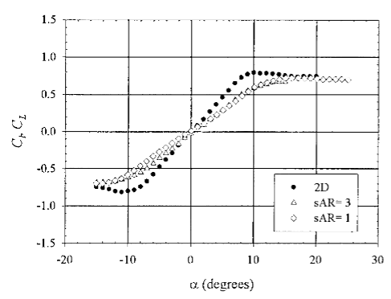
-8 | -0.75 | 0.11
-6 | -0.6 | 0.0673
-4 | -0.4 | 0.024
-2 | -0.2 | 0.015
0 | 0 | 0.01
2 | 0.2 | 0.015
4 | 0.4 | 0.024
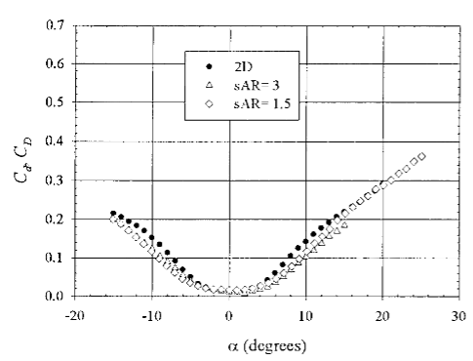
6 | 0.6 | 0.0673
8 | 0.75 | 0.11

