Scores
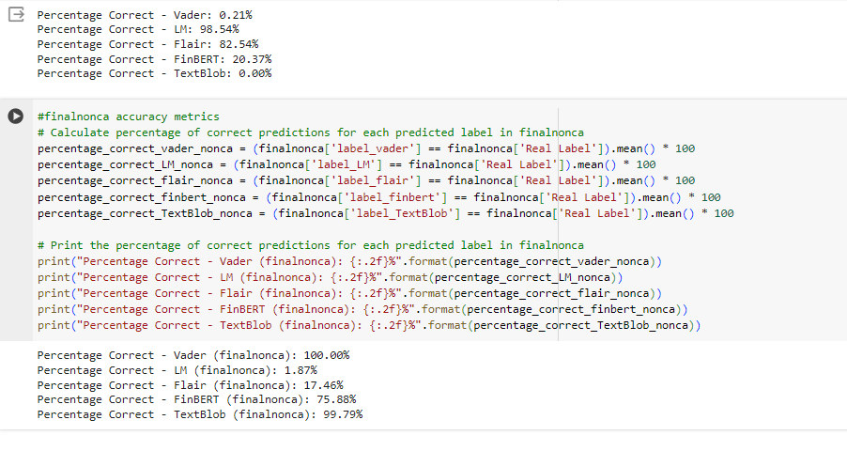
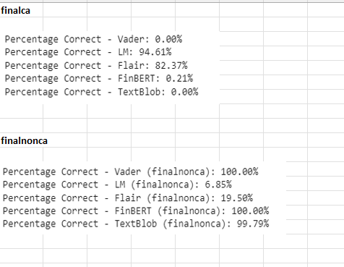
 | Old Finbert without Lemm and Stemming
New File with Lemm and Stemming - New Finbert

Vector Metrics
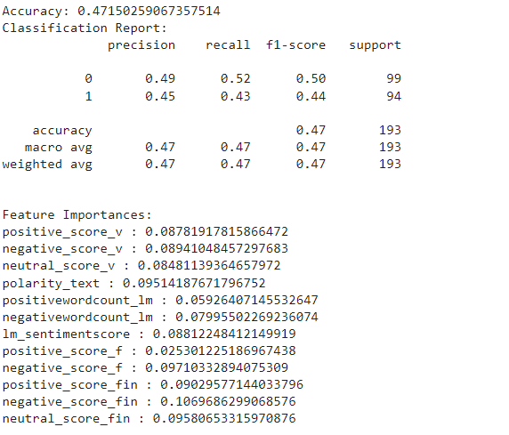

Feature Selection
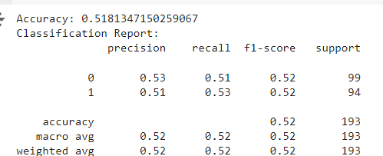
clf = RandomForestClassifier()
Best Feature , Forward | 0.572 | polarity_text','negative_score_fin'
Best Feature , Backward | 0.561 | ('positive_score_v', 'negative_score_v', 'negativewordcount_lm', 'negative_score_fin')

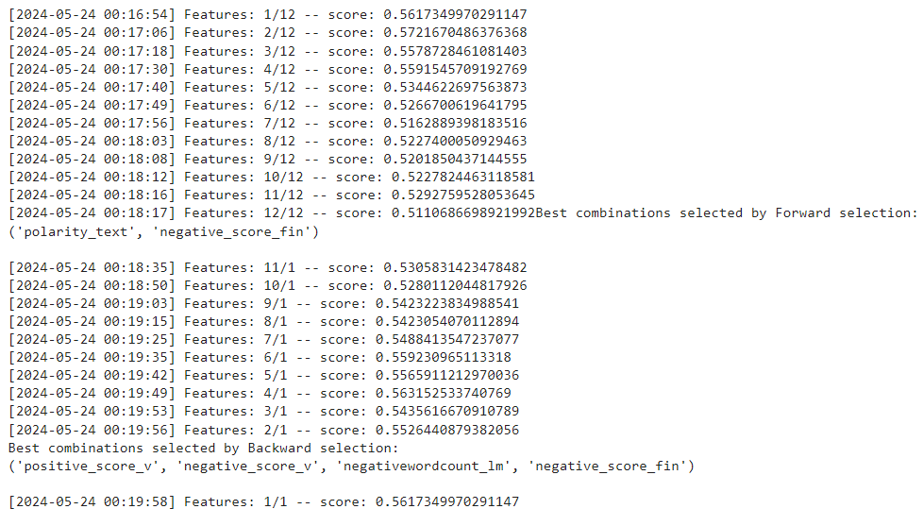

Using Only LM and Finbert (Best performing Sentiments) |  |  | **Using the best performing algorithm and hyperparameter

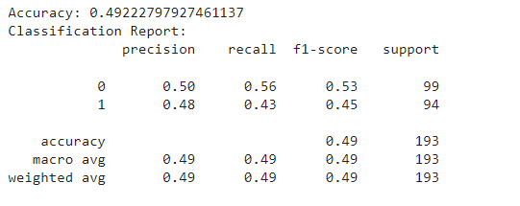
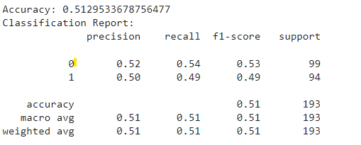

Only LM

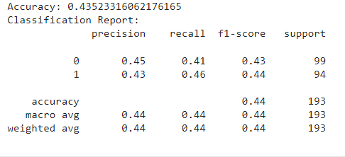

Only Finbert

Correlations
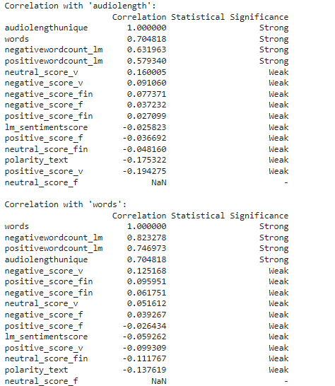

New Variables_First Sheet
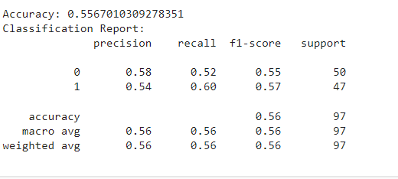
Count of label 0: 339 Count of label 1: 241 (matching the two sheets) |  |  | 580
equalanalyst |  | 482
MEDEST |  | polarity_text','negative_score_fin' MEDEST

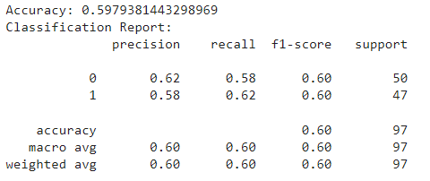
 |  |  |  | polarity_text','negative_score_fin'

MEANEST

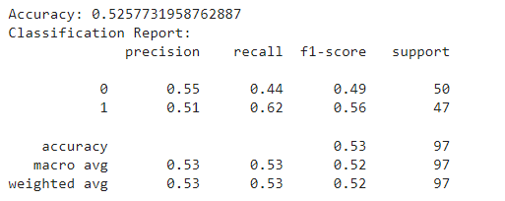

STDEV

 | STDEV

New Variables_Second_sheet
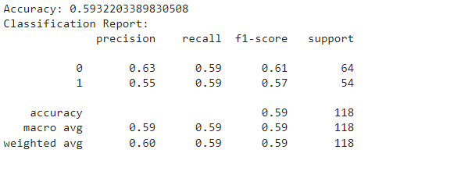
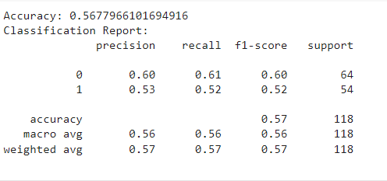
Count | 586
matches | 776 |  | Just Fundamentals
Important + New
features = [ |  | features = ['polarity_text','negative_score_fin',

