Admin - Configuration
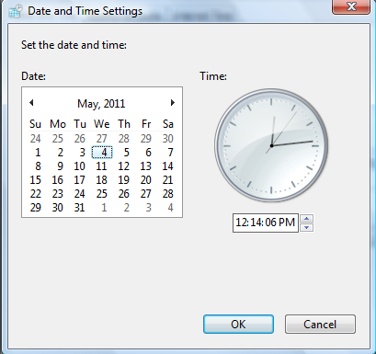
Administration Site

Manage Merchant Accounts | System Configuration
Manage Admin accounts
Reports | Currency
Create Deal | Symbol | Abbreviation
Manage Order | $ | USD
CMS | $ | AUD
System configuration | $ | SGD
Currency | € | EUR
Timezone | £ | GBP
Payment | ¥ | JPY
Social Networking | Đ | VND

Administration Site

Manage Merchant Accounts | System Configuration
Manage Admin accounts
Reports | Timezone Setting
Create Deal
Manage Order | (GMT - 6:00) Central America
CMS
System configuration | Date and Time
Currency
Timezone | Date | Monday, May 02, 2011
Payment | Time | 12:14:06
Social Networking

 | Change Date & Time Setting

