3. Trend by Year
Mean SDQ and CDQ Score by Year (2021-2025)
TABLE 3: SDQ / CDQ TREND, 2021-2025
Is disclosure quality improving over the study window? Tested via firm fixed-effects regression, not between-year comparison (see Part 2 below).

Year | N | Mean SDQ | SD SDQ | Mean CDQ | SD CDQ
2021 | 118 | 9.62 | 16.66 | 3.33 | 12.04
2022 | 122 | 12.38 | 20.97 | 5.36 | 16.05
2023 | 122 | 12.87 | 22.42 | 7.16 | 19.86
2024 | 125 | 15.83 | 24.73 | 7.93 | 20.85
2025 | 124 | 14.86 | 24.57 | 7.91 | 19.50

FIRM FIXED-EFFECTS TREND REGRESSION (2021-2025)
Model: Score_it = alpha_i + beta*Year_c_it + e_it, entity (firm) fixed effects, standard errors clustered by firm. Year_c = Year - 2021 (0 to 4). Replaces the between-year Kruskal-Wallis test, which is not appropriate for repeated firm-year panel data (see notes below).

Variable | Coefficient (per year) | Clustered SE | t-statistic | p-value | Within R-sq.
SDQ_Score | 1.479 | 0.5343 | 2.768 | 0.0056 | 0.038
CDQ_Score | 1.2863 | 0.3868 | 3.325 | 0.0009 | 0.046

N = 611 firm-years, 128 firms

Both indices show a statistically significant within-firm upward trend once firm fixed effects isolate genuine change over time from between-firm heterogeneity: SDQ rises 1.48 points per year (p=.006), CDQ rises 1.29 points per year (p<.001). This is the methodologically appropriate test for this data: SDQ_Score and CDQ_Score are repeated observations on the same 128 firms across 5 years, not independent cross-sections, so a between-year comparison (Kruskal-Wallis or ANOVA) mixes real within-firm improvement with persistent between-firm differences (a consistently high-disclosing bank sitting next to a consistently zero-disclosing firm every year looks like 'no trend' to a between-group test even when every firm individually improves). The fixed-effects specification removes that confound. Within R-squared (3.8% for SDQ, 4.6% for CDQ) confirms the effect is real but modest in magnitude, time alone explains a small share of within-firm variation; other factors (firm-specific events, sector shifts, individual reporting decisions) account for the rest.

Method and citation: entity fixed-effects with firm-clustered standard errors, following Petersen, M. A. (2009), 'Estimating Standard Errors in Finance Panel Data Sets: Comparing Approaches,' The Review of Financial Studies, 22(1), 435-480, https://doi.org/10.1093/rfs/hhn053, the standard reference for handling within-firm serial correlation in accounting/finance panel data. This is the same fixed-effects framework used for Objectives 2 and 3 (selected via the Hausman test, Hausman, J. A., 1978, 'Specification Tests in Econometrics,' Econometrica, 46(6), 1251-1271), applied here to the trend question ahead of the main regressions. Computed via Python (statsmodels: entity-demeaned OLS for the within R-squared; least-squares dummy variable regression with cluster-robust covariance for the coefficient, SE, and p-value, both give the same point estimate). Replicate in R via plm(..., model='within', effect='individual') with vcovHC(..., cluster='group') from the plm/sandwich packages, consistent with the R/plm toolset already specified in Chapter Three for Objectives 2 and 3.

4. Sector Breakdown
Mean SDQ Score by Sector (sorted, high to low)
TABLE 4: SDQ / CDQ BY SECTOR
Ranked by mean SDQ_Score, high to low

Sector | N | Mean SDQ | SD SDQ | Mean CDQ | SD CDQ
OIL AND GAS | 32 | 23.59 | 26.95 | 13.96 | 26.52
FINANCIAL SERVICES | 196 | 17.36 | 25.57 | 8.71 | 21.69
HEALTHCARE | 23 | 17.17 | 19.06 | 3.77 | 7.74
CONSUMER GOODS | 79 | 16.52 | 20.37 | 6.08 | 13.76
ICT | 41 | 15.61 | 31.43 | 15.28 | 30.74
INDUSTRIAL GOODS | 59 | 13.95 | 21.54 | 7.65 | 17.07
AGRICULTURE | 25 | 10.40 | 17.91 | 0.00 | 0.00
CONSTRUCTION/REAL ESTATE | 17 | 10.00 | 18.62 | 4.71 | 7.73
UTILITIES | 6 | 8.33 | 15.71 | 0.00 | 0.00
INVESTMENT | 3 | 3.33 | 2.89 | 0.00 | 0.00
SERVICES | 95 | 2.05 | 4.09 | 0.14 | 1.37
CONGLOMERATES | 25 | 1.20 | 2.99 | 0.00 | 0.00
NATURAL RESOURCES | 10 | 0.00 | 0.00 | 0.00 | 0.00

UNIQUE FIRMS PER SECTOR
Sector | Firms (N)
OIL AND GAS | 7
FINANCIAL SERVICES | 40
HEALTHCARE | 5
CONSUMER GOODS | 16
ICT | 9
INDUSTRIAL GOODS | 12
AGRICULTURE | 5
CONSTRUCTION/REAL ESTATE | 4
UTILITIES | 2
INVESTMENT | 1
SERVICES | 20
CONGLOMERATES | 5
NATURAL RESOURCES | 2

SECTOR COMPARISON: KRUSKAL-WALLIS (FIRM LEVEL)
Tested on firm-level means (one SDQ/CDQ score per firm, N=128), not firm-year observations. Sector is a fixed, time-invariant firm attribute, so testing it against repeated firm-year observations would count each firm's disclosure level up to five times as if independent evidence, overstating significance (the Moulton problem, see citation below). Firm-level testing avoids this.

Index | N (firms) | H | p
SDQ_Score | 128 | 23.84 | 0.0214
CDQ_Score | 128 | 17.87 | 0.1200

SDQ differs significantly by sector at the firm level (H=23.84, p=.021): Oil and Gas, Financial Services and Healthcare disclose the most. CDQ does not differ significantly by sector once tested at the correct level (H=17.87, p=.120). Report accordingly in Chapter Four: a modest but genuine sector effect for general sustainability disclosure quality, no significant sector effect for climate-related disclosure quality. From the firms-per-sector table above, note that several sectors (Investment N=1, Utilities N=2, Natural Resources N=2) rest on very few firms; interpret their individual positions in the ranking with that in mind, independent of the omnibus test result.

Method and citation: firm-level Kruskal-Wallis addresses the Moulton problem, grouped/clustered micro data producing overstated significance when a higher-level variable (Sector, fixed per firm) is tested against repeated micro-level observations (firm-years). Moulton, B. R. (1990), 'An Illustration of a Pitfall in Estimating the Effects of Aggregate Variables on Micro Units,' The Review of Economics and Statistics, 72(2), 334-338. Computed via SciPy (scipy.stats.kruskal) on firm-level means. Replicate in SPSS: first collapse to firm level (Data > Aggregate, Break Variable = Ticker, mean of SDQ_Score/CDQ_Score), then Analyze > Nonparametric Tests > Legacy Dialogs > K Independent Samples on the aggregated file.

7. Figure Data (Trend Chart)
FIGURE DATA: MEAN SDQ / CDQ BY YEAR WITH 95% BOOTSTRAP CI
Underlying values plotted in Figure 4.x (line chart with 95% CI error bars); supports Objective 1 / Research Question 1
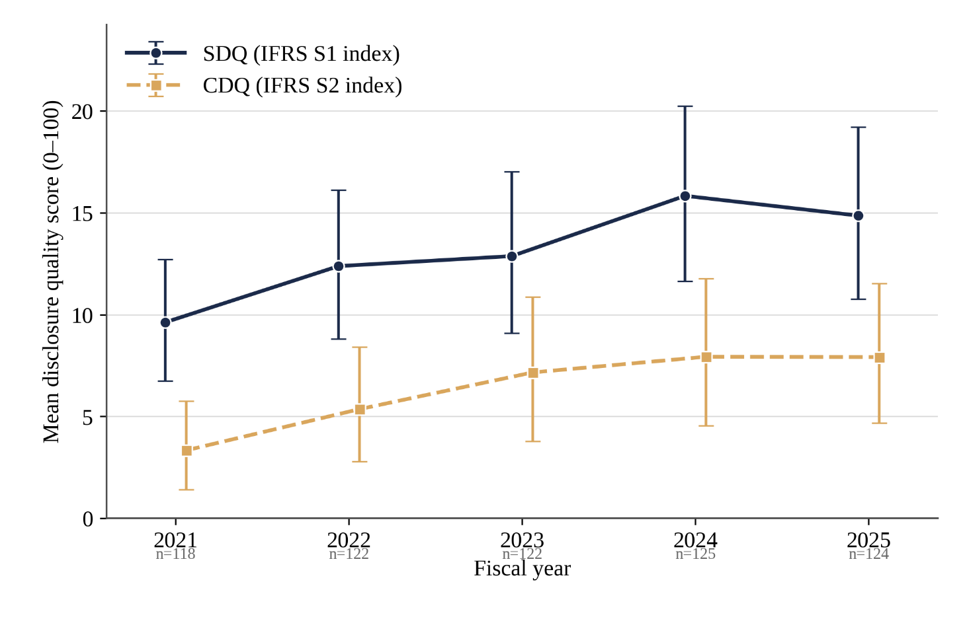
Year | N | SDQ Mean | SDQ 95% CI Low | SDQ 95% CI High | CDQ Mean | CDQ 95% CI Low | CDQ 95% CI High
2021 | 118 | 9.62 | 6.74 | 12.71 | 3.33 | 1.41 | 5.76
2022 | 122 | 12.38 | 8.81 | 16.11 | 5.36 | 2.79 | 8.42
2023 | 122 | 12.87 | 9.1 | 17.01 | 7.16 | 3.77 | 10.87
2024 | 125 | 15.83 | 11.63 | 20.23 | 7.93 | 4.55 | 11.77
2025 | 124 | 14.86 | 10.75 | 19.21 | 7.91 | 4.67 | 11.51

Method: percentile bootstrap, 10,000 resamples per year per index, seed=42 (SciPy/NumPy). Chosen over the normal-theory (mean ± 1.96 x SE) interval
because Table 2 confirms both indices are strongly right-skewed and floor-loaded at zero (Shapiro-Wilk p < .001); the two intervals are numerically very
close here (n approx. 120/year) but the bootstrap interval does not rest on a normality assumption the data are shown to violate.
Computed via Python (NumPy percentile bootstrap). To replicate in SPSS: Analyze > Descriptive Statistics > Explore, tick Bootstrap (1000+ resamples,
BCa or percentile, 95% CI), Split File by Year, request the mean for SDQ_Score / CDQ_Score. See 06_Charts.sps for full syntax.
Source: Final Sample tab, this workbook.

