5. Plots
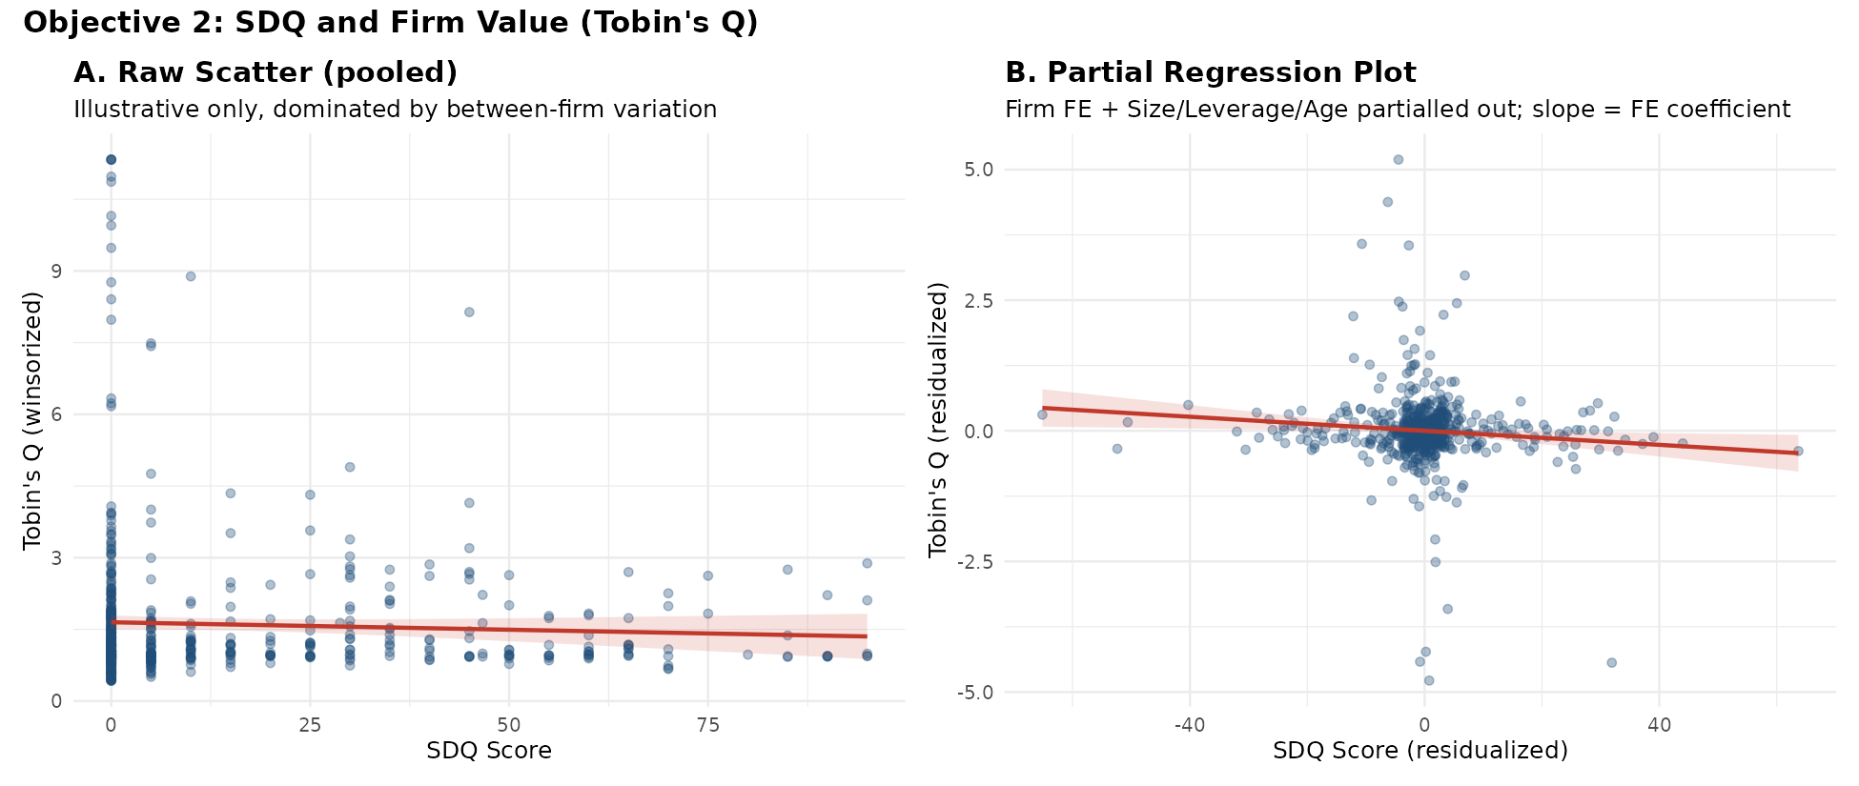
OBJECTIVE 2: PRIMARY FIGURE AND SUPPORTING DESCRIPTIVE FIGURE

Primary Figure
SDQ_Score and all control variables (Firm_Size, Leverage_Wins, Firm_Age) across the three core specifications: Base FE, Two-way FE, and Lagged SDQ (t-1). Each variable keeps its own x-axis scale, but the zero reference line is forced to the same horizontal position in every panel so it reads as one continuous line down the figure. SDQ_Score is the primary variable of interest. Horizontal bars are 95% confidence intervals (coefficient ± 1.96 × firm-clustered standard error, Petersen 2009); the coefficient and p-value are reported at one end of each bar, the significance star at the other. x-axis scale is intended to match the companion CDQ figure (Objective 3) if that figure is regenerated with the same alignment script.
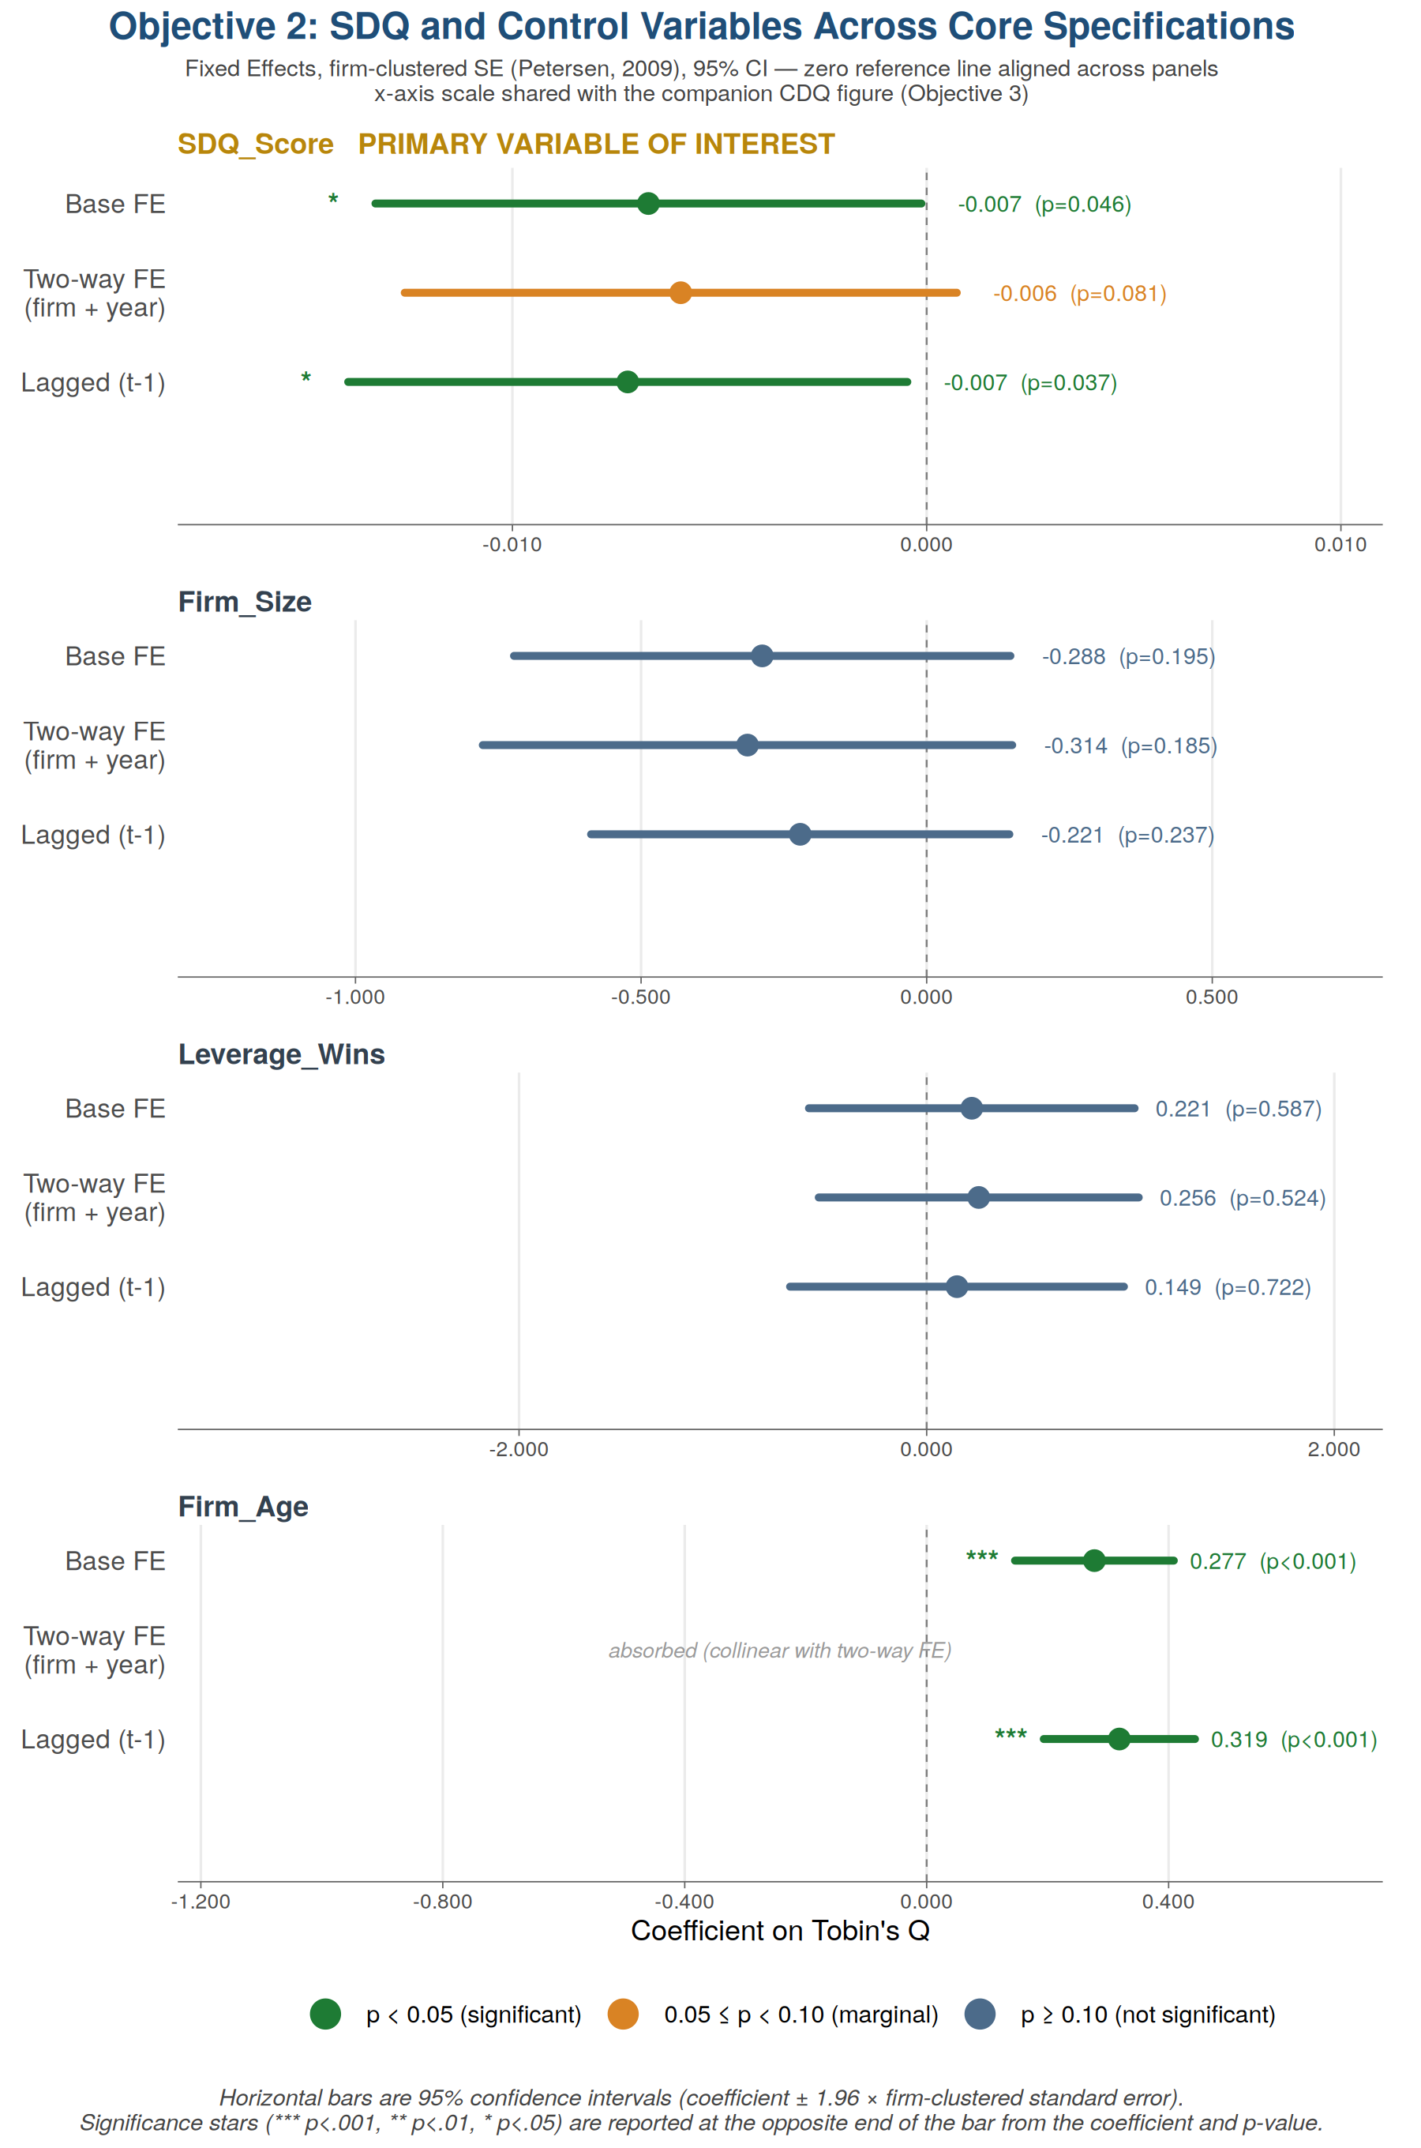

Secondary Figure (descriptive)
Panel A: raw pooled scatter, illustrative only. Panel B: partial regression plot; its slope reproduces the FE model's SDQ coefficient exactly, verified via the Frisch-Waugh-Lovell theorem.

6. Robustness Checks
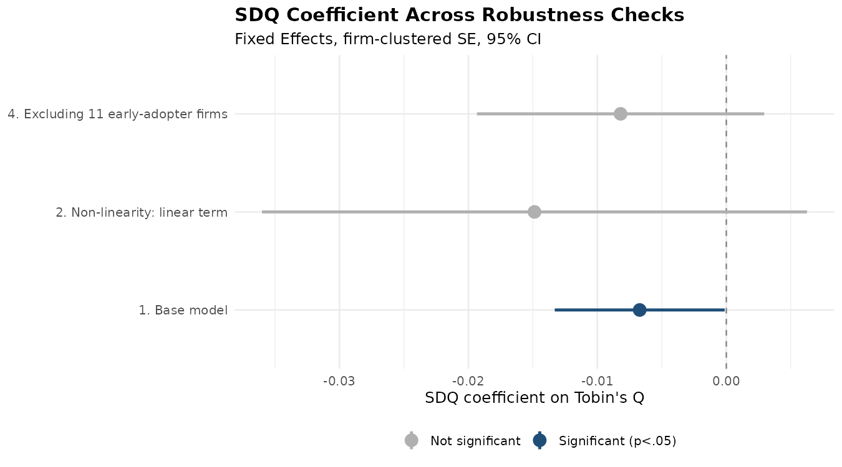
ROBUSTNESS CHECKS
Base N=611 firm-years/128 firms. Excl. early adopters N=556/117.

Specification | Variable | Coefficient | Std. Error | t-value | p-value
1. Base model | SDQ_Score | -0.00672 | 0.00336 | -1.998 | 0.046*
2. Non-linearity: linear term | SDQ_Score | -0.01488 | 0.01078 | -1.38 | 0.168
2. Non-linearity: quadratic term | I(SDQ_Score^2) | 0.00011 | 0.00011 | 1.011 | 0.313
3. Moderator: SDQ main effect | SDQ_Score | -0.00681 | 0.00427 | -1.595 | 0.111
3. Moderator: EAS main effect | EAS_Dummy | 0.28772 | 0.75489 | 0.381 | 0.703
3. Moderator: SDQ x EAS interaction | SDQ_Score:EAS_Dummy | -0.00275 | 0.01024 | -0.269 | 0.788
4. Excluding 11 early-adopter firms | SDQ_Score | -0.0082 | 0.00568 | -1.443 | 0.150

