5. Plots
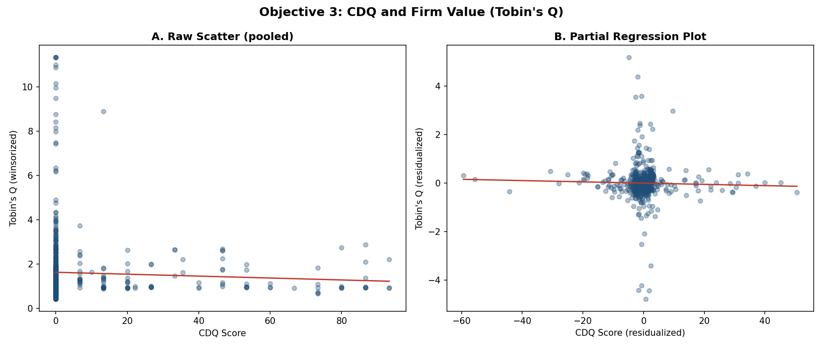
OBJECTIVE 3: PRIMARY FIGURE AND SUPPORTING DESCRIPTIVE FIGURE

Primary Figure
CDQ_Score and all control variables (Firm_Size, Leverage_Wins, Firm_Age) across the three core specifications: Base FE, Two-way FE, and Lagged CDQ (t-1). Each variable keeps its own x-axis scale, but the zero reference line is forced to the same horizontal position in every panel so it reads as one continuous line down the figure. CDQ_Score is the primary variable of interest. Horizontal bars are 95% confidence intervals (coefficient ± 1.96 × firm-clustered standard error, Petersen 2009); the coefficient and p-value are reported at one end of each bar, the significance star at the other. Axis ranges are optimized for CDQ's own, much narrower coefficient scale rather than forced to match the companion SDQ figure (Objective 2) number-for-number; note how much narrower and more consistently zero-crossing the CDQ interval is by comparison.
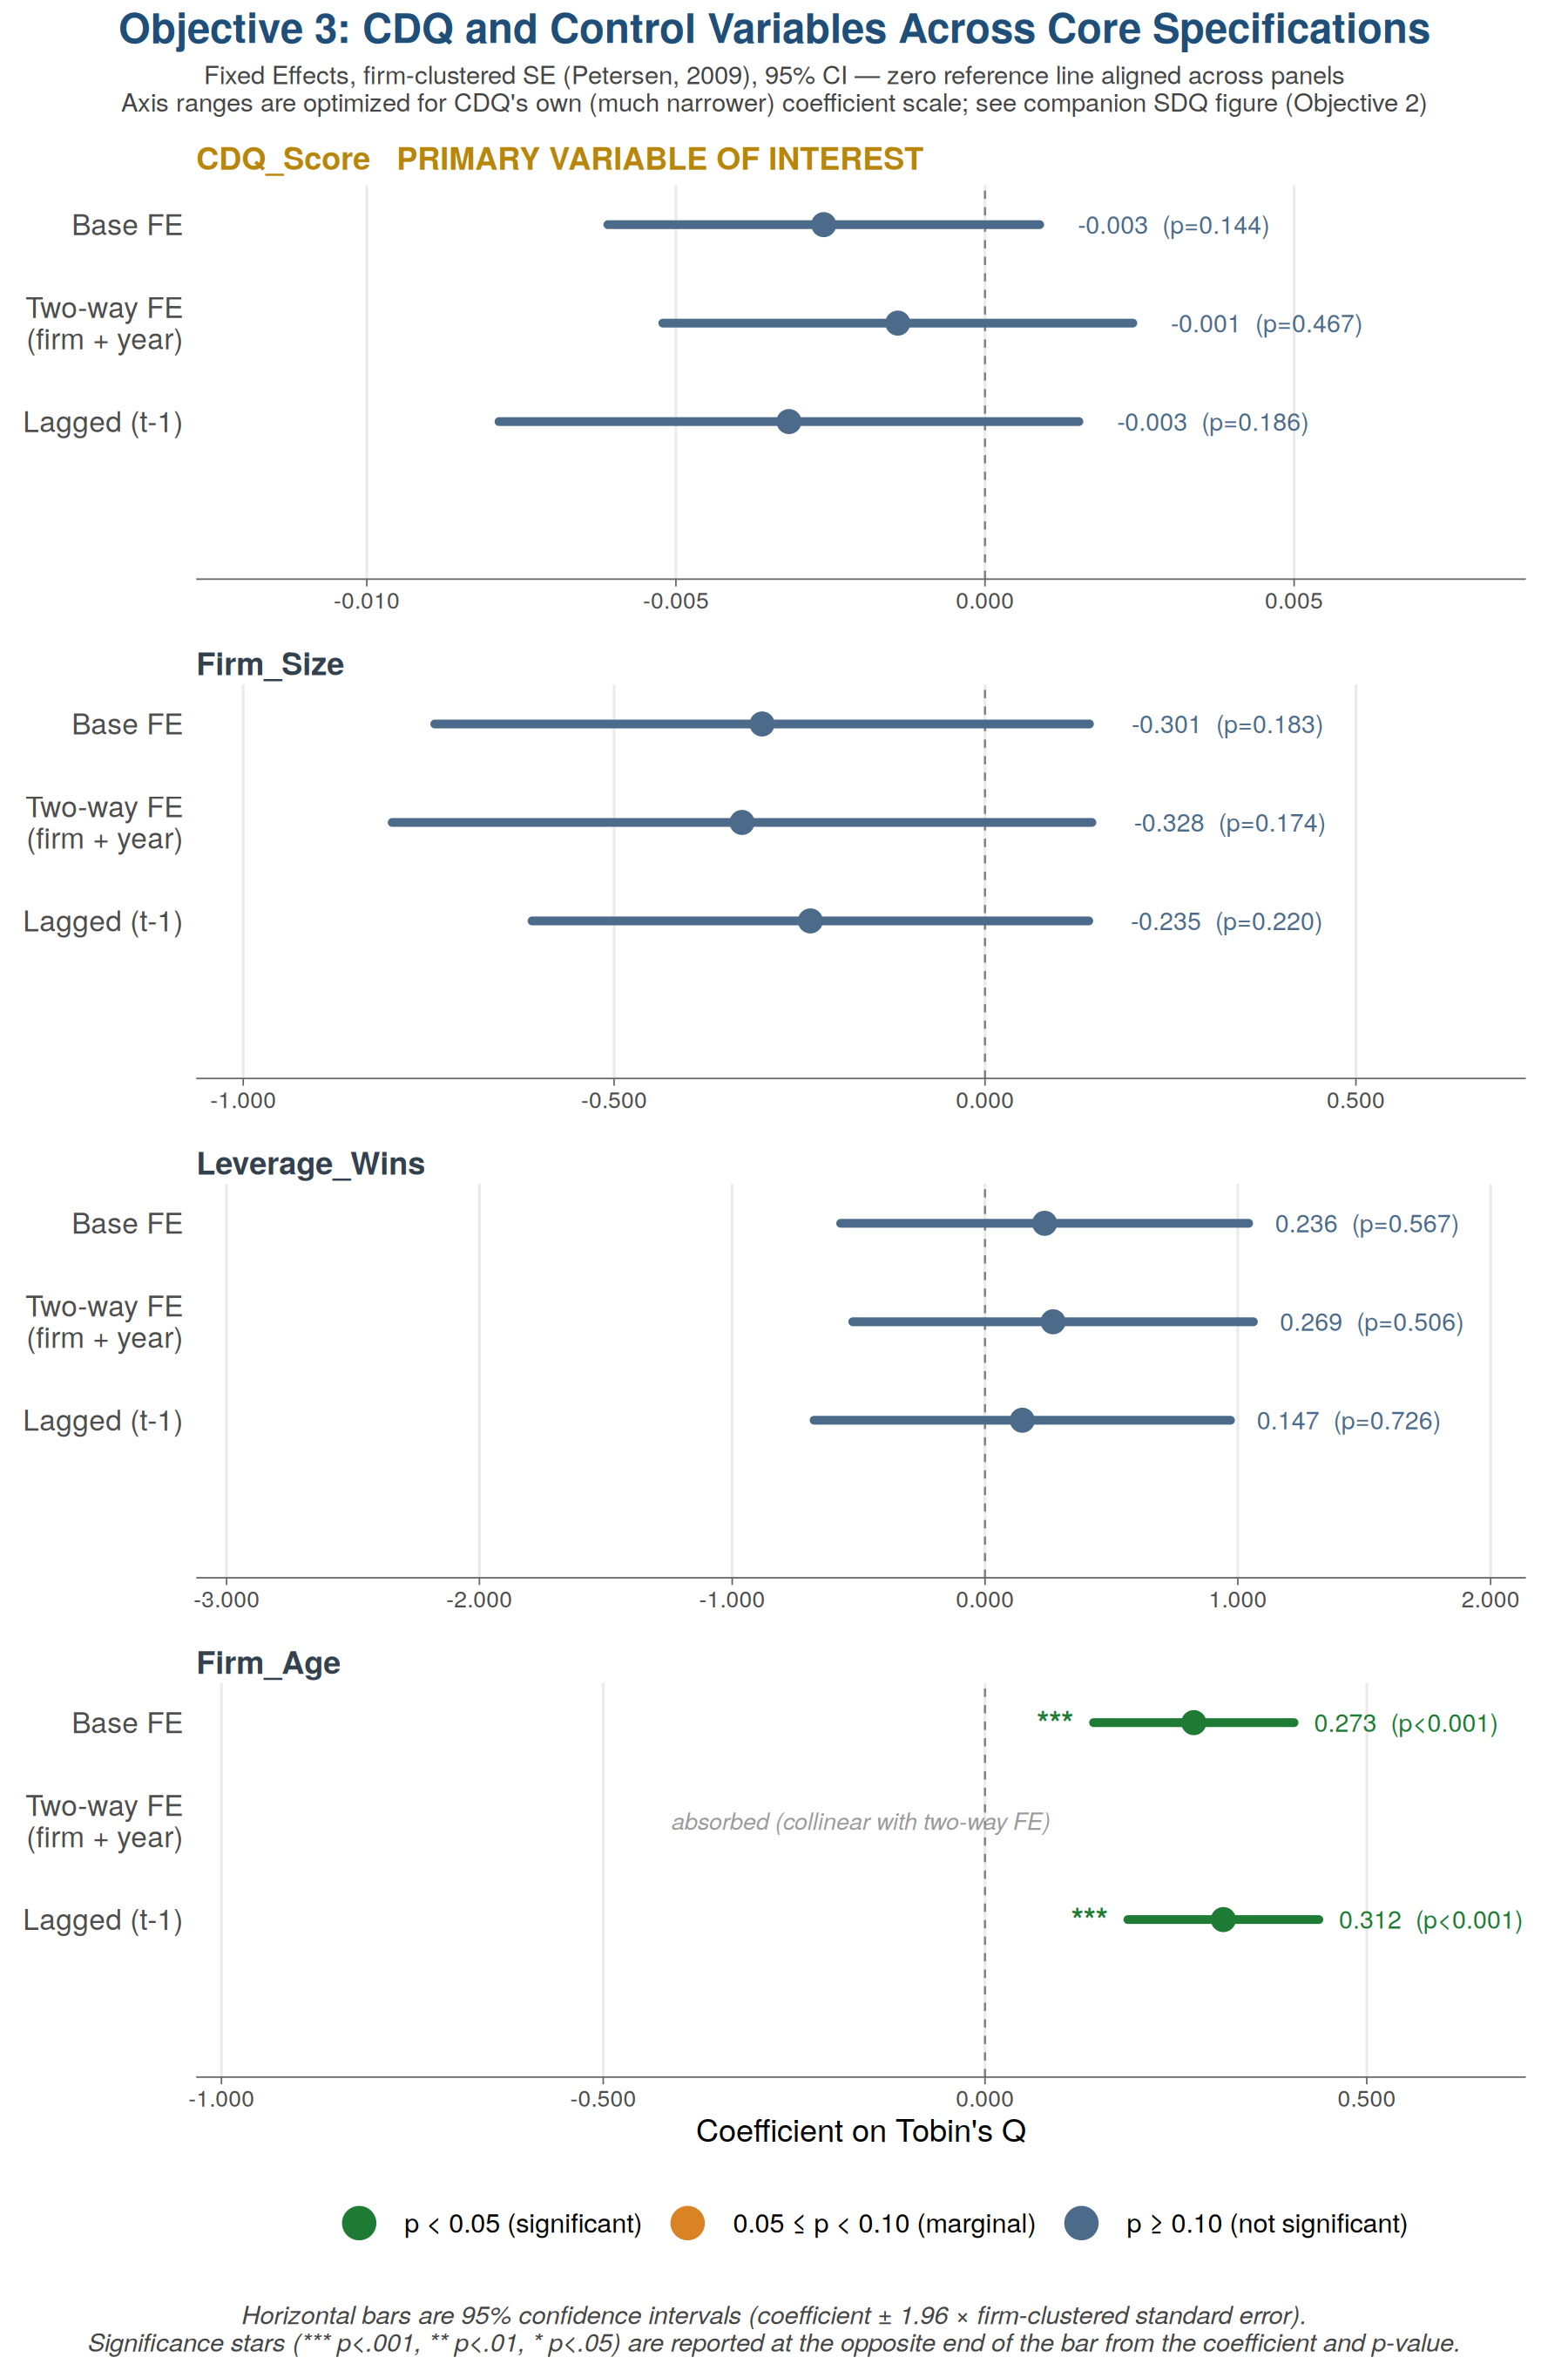

Secondary Figure (descriptive)
Panel A: raw pooled scatter, illustrative only. Panel B: partial regression plot; its slope reproduces the FE model's CDQ coefficient exactly, verified via the Frisch-Waugh-Lovell theorem.

