Plots
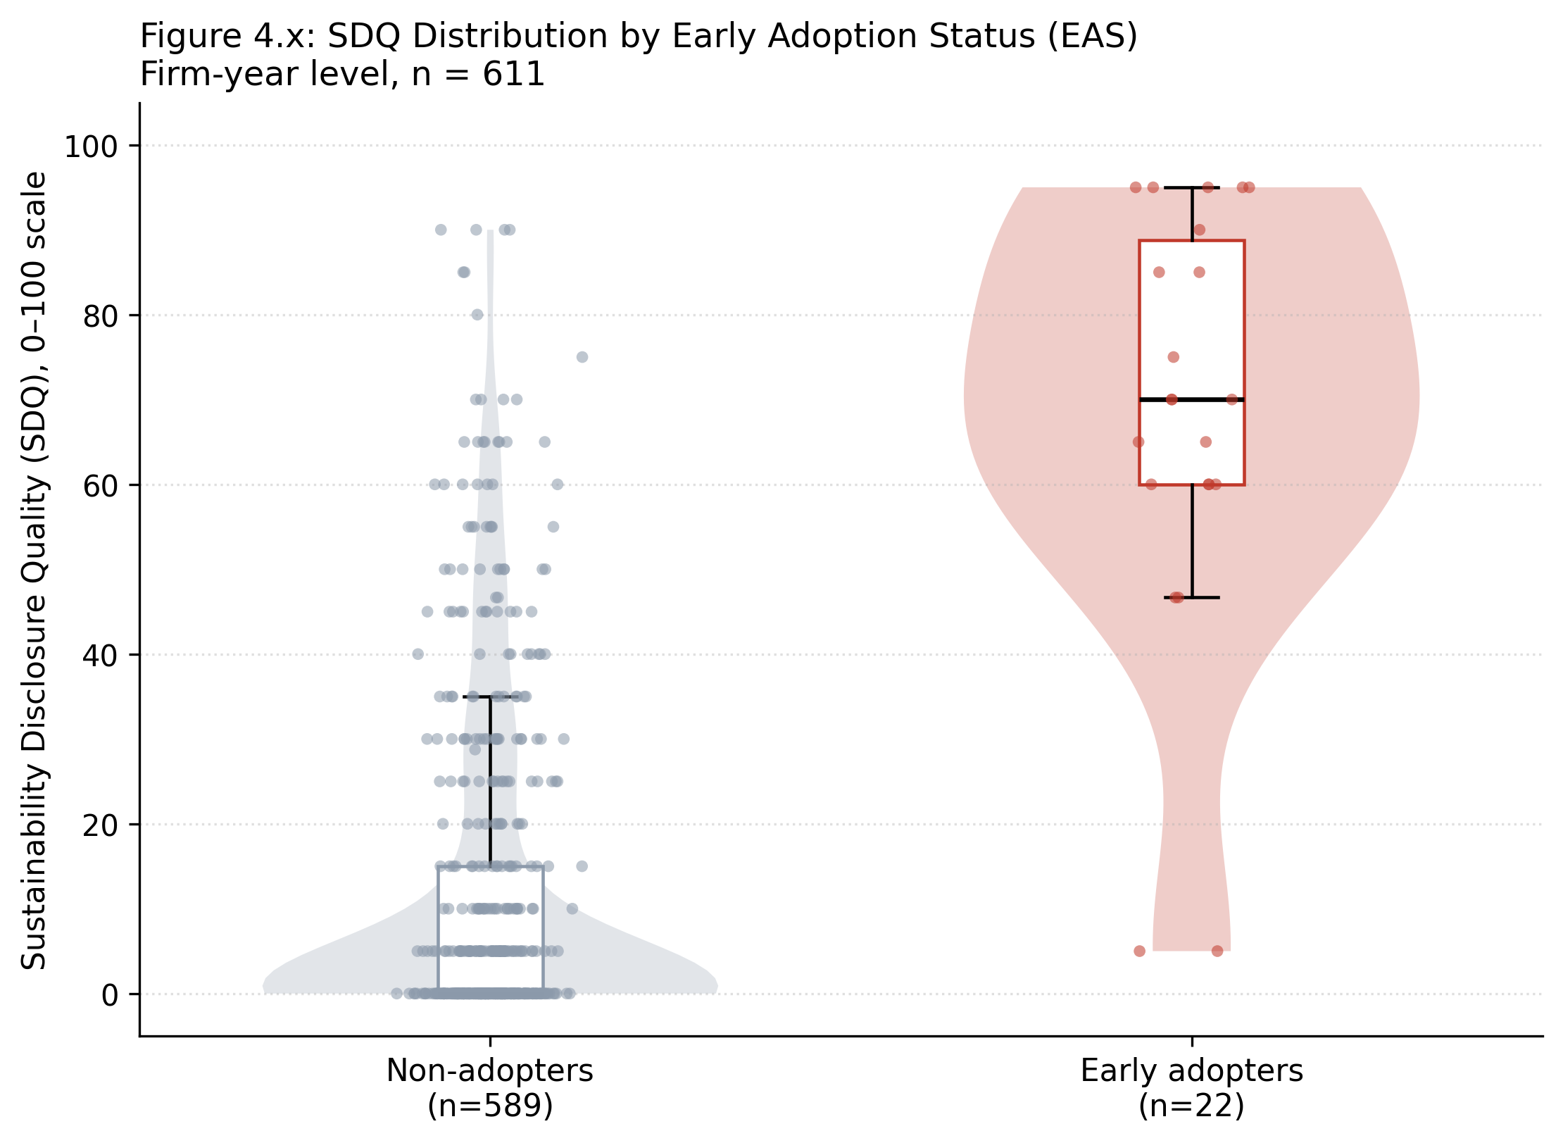
Figure 4.x: SDQ Distribution by Early Adoption Status (Primary Figure, Objective 4)
Violin (distribution shape) + boxplot (median/IQR) + jittered raw points, firm-year level. Chosen over a plain boxplot because SDQ is heavily zero-inflated, especially among non-adopters, and a boxplot alone would hide that shape.

