Lembar1
No | Nama Alat | Harga | Gambar Alat
1 | NodeMCU ESP8266 | 32.500 | 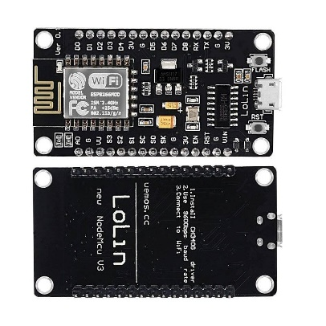
2 | Module Power Supply 5V 3.3V | 8.500 | 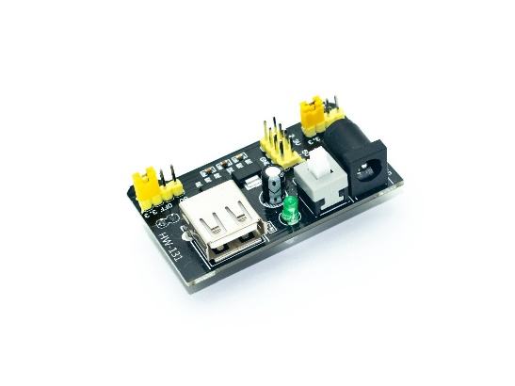
3 | Charger | 15.000 | 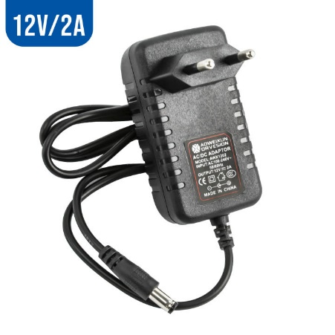
4 | Kabel Jumper U Male to Male | 53.000 | 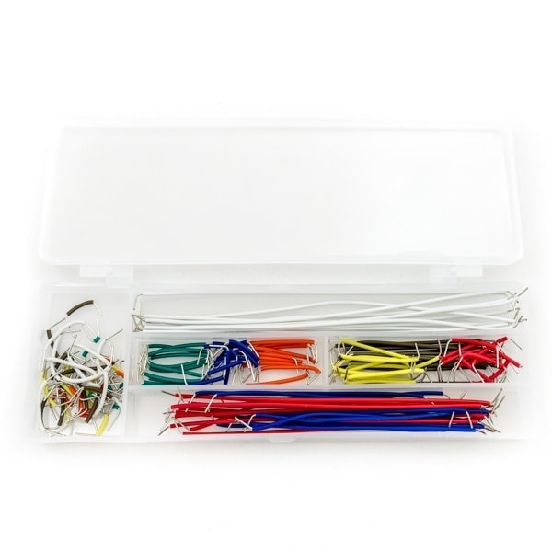
5 | Resistor 1K ohm | 3.000 | 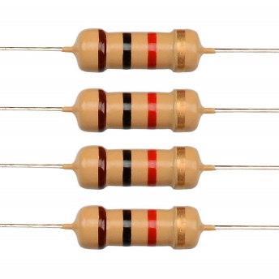
6 | Transistor BC547 NPN | 1.000
7 | Infrared LED | 3.000 | 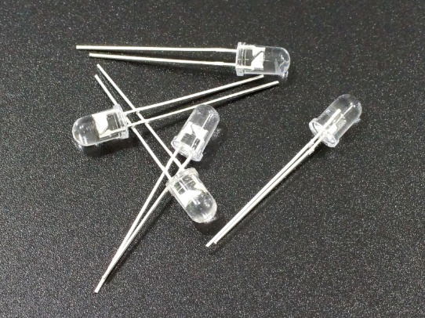
8 | Infrared Receiver Universal | 5.000 | 