Standard Test Cases Template
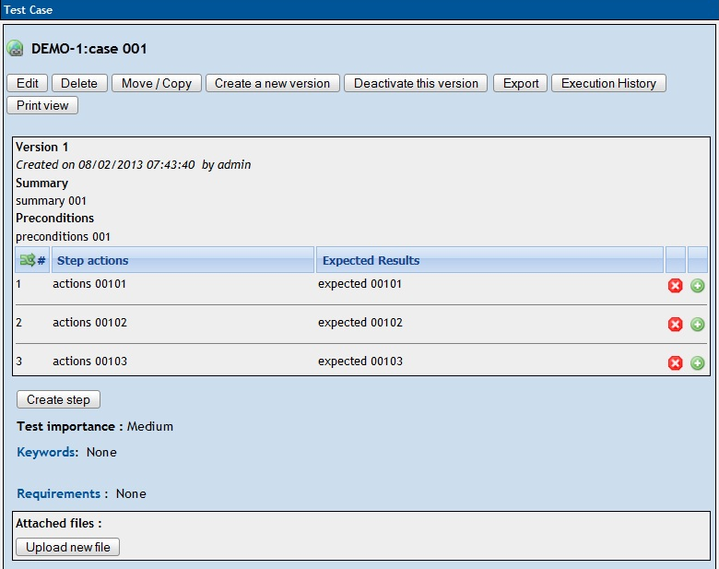
EX-Converter Standard Test Cases Template (Example)
The formate below can be regarded as a sample template when trying to convert "Test Cases" from Excel sheets to XML files, which will be used for TestLink importing. Take an example you can see that: - There are totally four test cases in this template; - Test case "case 001" contains three test steps and other information. <Tips on converting:> - To convert with test cases template, you need to select "Test Cases" in converter's Template Type. - If you want to convert all the cases, set "Start Row" to 15 and "End Row" to 25 in converter. Of course, if you only want "case 003" and "case 004" to be converted, set from 23 to 25. - Test importance could be either defined in fixed words "High-Medium-Low"(case NOT sensitive) or in numbers, corresponding to "3-2-1". - Mapping columns could be done either by entering a number or a single character. E.g. for column "Actions", enter in converter as "6" or "f".

Name | Importance | Summary | Preconditons | Acations | Expected Results
case 001 | Medium | summary 001 | preconditions 001 | actions 00101 | expected 00101
 |  |  |  | actions 00102 | expected 00102
 |  |  |  | actions 00103 | expected 00103
case 002 | 1 | summary 002 | preconditions 002 | actions 00201 | expected 00201
 |  |  |  | actions 00202 | expected 00202
 |  |  |  | actions 00203 | expected 00203
 |  |  |  | actions 00204 | expected 00204
 |  |  |  | actions 00205 | expected 00205
case 003 | High | summary 003 | preconditions 003 | actions 00301 | expected 00301
case 004 | 3 | summary 004 | preconditions 004 | actions 00401 | expected 00401
 |  |  |  | actions 00402 | expected 00402

Suppose you are going to import these cases into a Testlink folder called "You Destination Test Suite1". Then the picture below shows what they look like after importing: |  | And this picture shows what "case 001" looks like:

