PSX
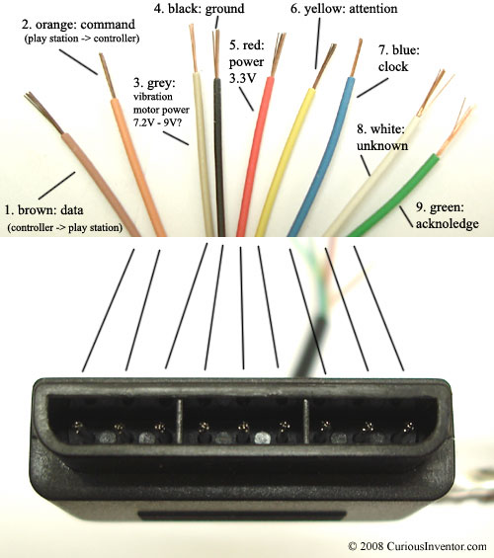
PSX | PIC
ACK
CLK | CLK | RB1
ATT |  | RB2
CMD | SDO | RC7
DATA | SDI | RB0

18F2550
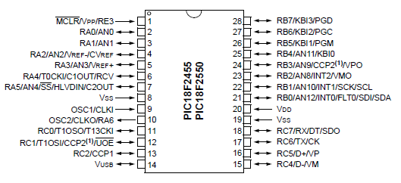

X1 | Input
Y2 | Input | Bottone2 | Input
Y1 | Input | Bottone3 | Input
X1 | Input | Bottone4 | Input
S2 | Input | Bottone1 | Input
S1 | Input | Clock | Output
 |  | Data | Input

ATTB | Output | COMMAND | Output
ATTA | Output | ACK | Input
LED1 | Output | D+ | USB
Vusb |  | D- | USB

