Sheet1
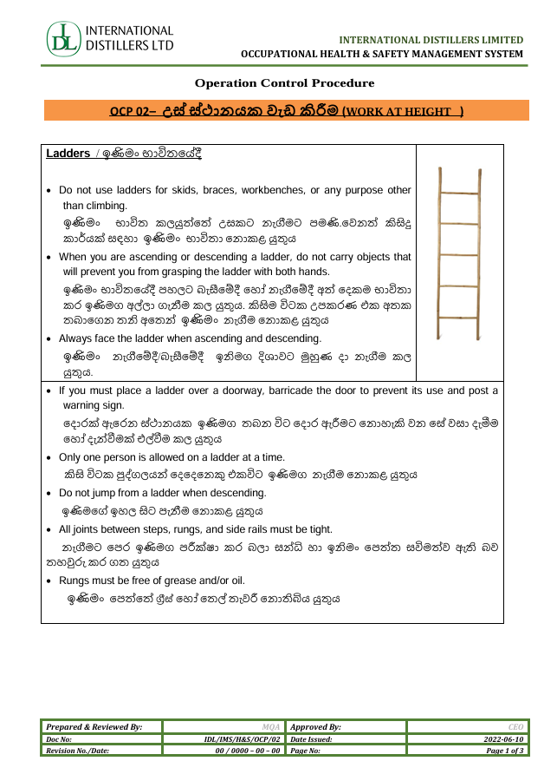
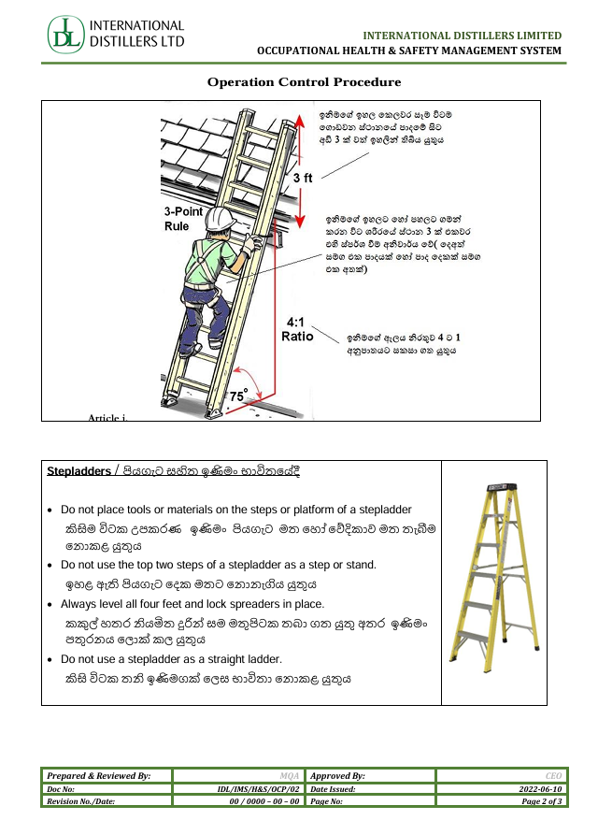
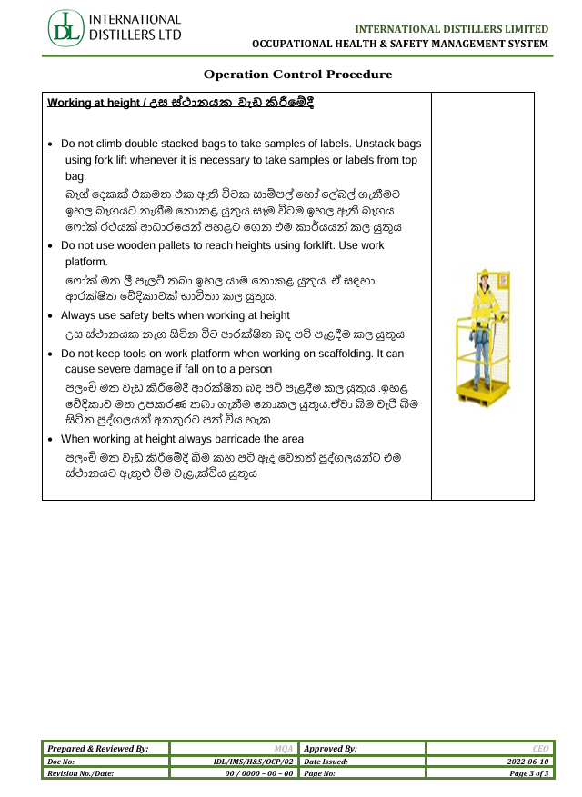
 |  | LADDER- CHECKLIST |  |  |  |  |  |  |  |  |  |  | Document No: |  |  | SML/HSE/CL/10
 |  |  |  |  |  |  |  |  |  |  |  |  | Issued Date: |  |  | 20th March 2026
 |  | Prepared & Reviewed By: |  |  |  | Management Representative |  |  |  |  |  |  | Revision No./ Date: |  |  | 00/00.00.0000
 |  | Approved By: |  |  |  | Managing Director |  |  |  |  |  |  | Page No: |  |  | Page 1 of 2

Date | Inspector Name | EPF Number | Overall Result | Ladder No. | Section | Feet | Ladder Type (Step ladder/Extension ladder) | INSPECTION POINTS |  |  |  |  |  |  |  |  |  |  |  |  |  |  | EXTENSION LADDER |  |  |  |  | STEP LADDER |  |  |  | Overall Remarks
 |  |  |  |  |  |  |  | Ladder number available | All the rungs, cleats, or steps are in good condition (Broken, missing, bend rungs) | Side rails is intact without any cracks, bends, or breaks. | The rungs, cleats, or steps is fit into the side rails without damage. | Ladder is free from corrosion. | Side rails and steps are free from oil or grease. | Rungs are placed at regular intervals (30 cm gap between two rungs) | Projection of loose nails, screws, bolts, or other metal parts | At the time of using, the ladder should be placed at 65-75 degree angle (1(Horizontal):4 (Vertical) ratio). | Ladder is extended at least 1m above the landing platform (3 Rungs). If ladder is in wall then somebody should hold at bottom. | Ladder is secured either at top or at the bottom | Ladder rungs should not be painted. | Reinforcement rod should not be used as ladder rungs | The surface of the rungs should not be smooth | Rubber feet for firm grip (in case of Aluminum ladder) | Loose, missing or broken extension locks | Defective locks which do not seat properly when ladder is extended. Pulley, Rope, lock, and sliding arrangement must be in proper working condition. | Loose hinges | Three arms over lap is required. | Ensure stopper without damage | Step ladder height should not to exceed by 20 feet. | Loose hinges | Loose or bent hinge spreaders | Ensure Spreader without damage and locking Mechanism
2026-10-05 | erwrwr | werwer | PASS | werw | wrew | 34.0 | extension |  | PASS | PASS | PASS | PASS | PASS | PASS | PASS | PASS | PASS | PASS | PASS | PASS | PASS | PASS | PASS | PASS |  | PASS | PASS |  | PASS
2026-10-04 | rrtyrty | tryrty | PASS | rrtert | erterte | 2.0 | extension |  | PASS | PASS | PASS | PASS | PASS | PASS | PASS | PASS | PASS | PASS | PASS | PASS | PASS | PASS | PASS | PASS |  | PASS | PASS |  | PASS
2026-10-05 | hd | dhgf | PASS | fhfghgh | fghh | 45.0 | step |  | PASS | PASS | PASS | PASS | PASS | PASS | PASS | PASS | PASS | PASS | PASS | PASS | PASS | PASS |  | PASS |  |  |  | PASS | PASS | PASS | PASS
2026-10-06 | dfgsg | g234 | PASS | 23423 | 23423 | 1.0 | step |  | PASS | PASS | PASS | PASS | PASS | PASS | PASS | PASS | PASS | PASS | PASS | PASS | PASS | PASS |  | PASS |  |  |  | PASS | PASS | PASS | PASS
2026-10-07 | rhtyt | rtry | PASS | bbfghhf | tyuyur | 45.0 | extension |  | PASS | PASS | PASS | PASS | PASS | PASS | PASS | PASS | PASS | PASS | PASS | PASS | PASS | PASS | PASS | PASS |  | PASS | PASS |  | PASS
2026-10-08 | Anuradha | 00000 | FAIL | 1 | 1 | 12.0 | extension |  | FAIL | PASS | PASS | PASS | PASS | PASS | PASS | PASS | PASS | PASS | PASS | PASS | PASS | PASS | PASS | N/A |  | PASS | PASS |  | N/A
2026-10-09 | Sandeepa | 00001 | PASS | 2244 | Ho | 58.0 | extension | PASS | PASS | PASS | N/A | PASS | N/A | PASS | PASS | PASS | PASS | PASS | PASS | PASS | PASS | PASS | PASS | PASS |  | PASS | PASS |  | PASS

