29-Mar-23
AAPL | BRK.K | XOM | WMT | BAC | DIS | AMZN | JPM | HD | KO | PM | SBUX | S&P 500 |  |  | Interval | AAPL | BRK.K | XOM | WMT | BAC | DIS | AMZN | JPM | HD | KO | PM | SBUX | S&P 500 |  | AAPL | BRK.K | XOM | WMT | BAC | DIS | AMZN | JPM | HD | KO | PM | SBUX | S&P 500 |  |  | AAPL | BRK.K | XOM | WMT | BAC | DIS | AMZN | JPM | HD | KO | PM | SBUX | S&P 500 |  |  | AAPL | BRK.K | XOM | WMT | BAC | DIS | AMZN | JPM | HD | KO | PM | SBUX | S&P 500 |  |  | AAPL | BRK.K | XOM | WMT | BAC | DIS | AMZN | JPM | HD | KO | PM | SBUX | S&P 500
 |  |  |  |  |  |  |  |  |  |  |  |  |  |  |  |  |  |  |  |  |  |  |  |  |  |  |  |  |  | Empirical Distribution |  |  |  |  |  |  |  |  |  |  |  |  |  |  | Cumulative Empirical Distribution |  |  |  |  |  |  |  |  |  |  |  |  |  |  | Cumulative Empirical Distribution (Second Order) |  |  |  |  |  |  |  |  |  |  |  |  |  |  | Cumulative Empirical Distribution (Third Order)
-0.026351 | 0.096729 | 0.046418 | 0.067931 | 0.083382 | -0.011787 | 0.156183 | 0.079394 | 0.061216 | 0.041085 | 0.007444 | -0.028692 | 0.045740 | 0.218321 | MAX | -1 | 0 | 0 | 0 | 0 | 0 | 0 | 0 | 0 | 0 | 0 | 0 | 0 | 0 |  | 0 | 0 | 0 | 0 | 0 | 0 | 0 | 0 | 0 | 0 | 0 | 0 | 0 |  |  | 0 | 0 | 0 | 0 | 0 | 0 | 0 | 0 | 0 | 0 | 0 | 0 | 0 |  |  | 0 | 0 | 0 | 0 | 0 | 0 | 0 | 0 | 0 | 0 | 0 | 0 | 0 |  |  | 0 | 0 | 0 | 0 | 0 | 0 | 0 | 0 | 0 | 0 | 0 | 0 | 0
0.042132 | -0.075111 | -0.169271 | -0.169366 | -0.031888 | -0.074380 | 0.071785 | -0.029876 | -0.106862 | -0.088526 | -0.004670 | 0.003031 | -0.052492 |  |  | -0.8 | 0 | 0 | 0 | 0 | 0 | 0 | 0 | 0 | 0 | 0 | 0 | 0 | 0 |  | 0 | 0 | 0 | 0 | 0 | 0 | 0 | 0 | 0 | 0 | 0 | 0 | 0 |  |  | 0 | 0 | 0 | 0 | 0 | 0 | 0 | 0 | 0 | 0 | 0 | 0 | 0 |  |  | 0 | 0 | 0 | 0 | 0 | 0 | 0 | 0 | 0 | 0 | 0 | 0 | 0 |  |  | 0 | 0 | 0 | 0 | 0 | 0 | 0 | 0 | 0 | 0 | 0 | 0 | 0
-0.048710 | -0.032939 | -0.026683 | -0.040434 | -0.071424 | -0.038866 | -0.084827 | -0.050445 | -0.038241 | -0.017654 | -0.070646 | 0.001246 | -0.036429 |  |  | -0.6 | 0 | 0 | 0 | 0 | 0 | 0 | 0 | 0 | 0 | 0 | 0 | 0 | 0 |  | 0 | 0 | 0 | 0 | 0 | 0 | 0 | 0 | 0 | 0 | 0 | 0 | 0 |  |  | 0 | 0 | 0 | 0 | 0 | 0 | 0 | 0 | 0 | 0 | 0 | 0 | 0 |  |  | 0 | 0 | 0 | 0 | 0 | 0 | 0 | 0 | 0 | 0 | 0 | 0 | 0 |  |  | 0 | 0 | 0 | 0 | 0 | 0 | 0 | 0 | 0 | 0 | 0 | 0 | 0
0.014415 | 0.000564 | 0.049687 | 0.021509 | 0.021601 | 0.014090 | 0.142592 | 0.008586 | 0.065640 | -0.001877 | -0.183347 | 0.033054 | 0.027852 |  |  | -0.4 | 0 | 0 | 0 | 0 | 0 | 0 | 0 | 0 | 0 | 0 | 0 | 0 | 0 |  | 0 | 0 | 0 | 0 | 0 | 0 | 0 | 0 | 0 | 0 | 0 | 0 | 0 |  |  | 0 | 0 | 0 | 0 | 0 | 0 | 0 | 0 | 0 | 0 | 0 | 0 | 0 |  |  | 0 | 0 | 0 | 0 | 0 | 0 | 0 | 0 | 0 | 0 | 0 | 0 | 0 |  |  | 0 | 0 | 0 | 0 | 0 | 0 | 0 | 0 | 0 | 0 | 0 | 0 | 0
0.117796 | -0.014871 | 0.061488 | -0.051890 | -0.018535 | -0.007020 | 0.036781 | -0.003499 | 0.014625 | 0.012367 | -0.037901 | -0.021211 | 0.029623 |  |  | -0.2 | 1 | 1 | 1 | 0 | 1 | 1 | 0 | 1 | 1 | 1 | 1 | 1 | 1 |  | 0.028571428571 | 0.028571428571 | 0.028571428571 | 0 | 0.028571428571 | 0.028571428571 | 0 | 0.028571428571 | 0.028571428571 | 0.028571428571 | 0.028571428571 | 0.028571428571 | 0.028571428571 |  |  | 0.028571428571 | 0.028571428571 | 0.028571428571 | 0 | 0.028571428571 | 0.028571428571 | 0 | 0.028571428571 | 0.028571428571 | 0.028571428571 | 0.028571428571 | 0.028571428571 | 0.028571428571 |  |  | 0.028571428571 | 0.028571428571 | 0.028571428571 | 0 | 0.028571428571 | 0.028571428571 | 0 | 0.028571428571 | 0.028571428571 | 0.028571428571 | 0.028571428571 | 0.028571428571 | 0.028571428571 |  |  | 0.028571428571 | 0.028571428571 | 0.028571428571 | 0 | 0.028571428571 | 0.028571428571 | 0 | 0.028571428571 | 0.028571428571 | 0.028571428571 | 0.028571428571 | 0.028571428571 | 0.028571428571
-0.016216 | -0.023155 | -0.000856 | 0.012097 | -0.038840 | 0.058349 | 0.043067 | -0.031106 | 0.034983 | 0.014505 | 0.026008 | -0.148427 | -0.002897 |  |  | 0 | 12 | 15 | 18 | 15 | 16 | 18 | 13 | 15 | 9 | 12 | 16 | 11 | 12 |  | 0.34285714286 | 0.42857142857 | 0.51428571429 | 0.42857142857 | 0.45714285714 | 0.51428571429 | 0.37142857143 | 0.42857142857 | 0.25714285714 | 0.34285714286 | 0.45714285714 | 0.31428571429 | 0.34285714286 |  |  | 0.37142857143 | 0.45714285714 | 0.54285714286 | 0.42857142857 | 0.48571428571 | 0.54285714286 | 0.37142857143 | 0.45714285714 | 0.28571428571 | 0.37142857143 | 0.48571428571 | 0.34285714286 | 0.37142857143 |  |  | 0.4 | 0.48571428571 | 0.57142857143 | 0.42857142857 | 0.51428571429 | 0.57142857143 | 0.37142857143 | 0.48571428571 | 0.31428571429 | 0.4 | 0.51428571429 | 0.37142857143 | 0.4 |  |  | 0.42857142857 | 0.51428571429 | 0.6 | 0.42857142857 | 0.54285714286 | 0.6 | 0.37142857143 | 0.51428571429 | 0.34285714286 | 0.42857142857 | 0.54285714286 | 0.4 | 0.42857142857
0.073719 | 0.051972 | -0.016898 | 0.049244 | 0.099864 | 0.070024 | 0.047512 | 0.095933 | 0.011683 | 0.058592 | 0.063962 | 0.056853 | 0.031284 |  |  | 0.2 | 21 | 19 | 16 | 20 | 18 | 15 | 22 | 19 | 24 | 22 | 18 | 23 | 22 |  | 0.6 | 0.54285714286 | 0.45714285714 | 0.57142857143 | 0.51428571429 | 0.42857142857 | 0.62857142857 | 0.54285714286 | 0.68571428571 | 0.62857142857 | 0.51428571429 | 0.65714285714 | 0.62857142857 |  |  | 0.97142857143 | 1 | 1 | 1 | 1 | 0.97142857143 | 1 | 1 | 0.97142857143 | 1 | 1 | 1 | 1 |  |  | 1.3714285714 | 1.4857142857 | 1.5714285714 | 1.4285714286 | 1.5142857143 | 1.5428571429 | 1.3714285714 | 1.4857142857 | 1.2857142857 | 1.4 | 1.5142857143 | 1.3714285714 | 1.4 |  |  | 1.8 | 2 | 2.1714285714 | 1.8571428571 | 2.0571428571 | 2.1428571429 | 1.7428571429 | 2 | 1.6285714286 | 1.8285714286 | 2.0571428571 | 1.7714285714 | 1.8285714286
0.125134 | 0.059836 | -0.001245 | 0.077599 | -0.003526 | -0.018944 | 0.126496 | -0.004419 | 0.043756 | -0.035769 | -0.096901 | 0.030346 | 0.029200 |  |  | 0.4 | 1 | 0 | 0 | 0 | 0 | 1 | 0 | 0 | 1 | 0 | 0 | 0 | 0 |  | 0.028571428571 | 0 | 0 | 0 | 0 | 0.028571428571 | 0 | 0 | 0.028571428571 | 0 | 0 | 0 | 0 |  |  | 1 | 1 | 1 | 1 | 1 | 1 | 1 | 1 | 1 | 1 | 1 | 1 | 1 |  |  | 2.3714285714 | 2.4857142857 | 2.5714285714 | 2.4285714286 | 2.5142857143 | 2.5428571429 | 2.3714285714 | 2.4857142857 | 2.2857142857 | 2.4 | 2.5142857143 | 2.3714285714 | 2.4 |  |  | 4.1714285714 | 4.4857142857 | 4.7428571429 | 4.2857142857 | 4.5714285714 | 4.6857142857 | 4.1142857143 | 4.4857142857 | 3.9142857143 | 4.2285714286 | 4.5714285714 | 4.1428571429 | 4.2285714286
-0.004829 | 0.022269 | 0.066490 | -0.010118 | -0.049031 | 0.047479 | -0.017385 | -0.014433 | 0.012213 | 0.032314 | 0.052439 | 0.037581 | 0.009575 |  |  | 0.6 | 0 | 0 | 0 | 0 | 0 | 0 | 0 | 0 | 0 | 0 | 0 | 0 | 0 |  | 0 | 0 | 0 | 0 | 0 | 0 | 0 | 0 | 0 | 0 | 0 | 0 | 0 |  |  | 1 | 1 | 1 | 1 | 1 | 1 | 1 | 1 | 1 | 1 | 1 | 1 | 1 |  |  | 3.3714285714 | 3.4857142857 | 3.5714285714 | 3.4285714286 | 3.5142857143 | 3.5428571429 | 3.3714285714 | 3.4857142857 | 3.2857142857 | 3.4 | 3.5142857143 | 3.3714285714 | 3.4 |  |  | 7.5428571429 | 7.9714285714 | 8.3142857143 | 7.7142857143 | 8.0857142857 | 8.2285714286 | 7.4857142857 | 7.9714285714 | 7.2 | 7.6285714286 | 8.0857142857 | 7.5142857143 | 7.6285714286
-0.022427 | -0.042418 | -0.061769 | 0.063412 | -0.064066 | -0.001205 | -0.185181 | -0.040638 | -0.140104 | 0.032141 | 0.076784 | 0.053423 | -0.065061 |  |  | 0.8 | 0 | 0 | 0 | 0 | 0 | 0 | 0 | 0 | 0 | 0 | 0 | 0 | 0 |  | 0 | 0 | 0 | 0 | 0 | 0 | 0 | 0 | 0 | 0 | 0 | 0 | 0 |  |  | 1 | 1 | 1 | 1 | 1 | 1 | 1 | 1 | 1 | 1 | 1 | 1 | 1 |  |  | 4.3714285714 | 4.4857142857 | 4.5714285714 | 4.4285714286 | 4.5142857143 | 4.5428571429 | 4.3714285714 | 4.4857142857 | 4.2857142857 | 4.4 | 4.5142857143 | 4.3714285714 | 4.4 |  |  | 11.914285714 | 12.457142857 | 12.885714286 | 12.142857143 | 12.6 | 12.771428571 | 11.857142857 | 12.457142857 | 11.485714286 | 12.028571429 | 12.6 | 11.885714286 | 12.028571429
-0.184285 | 0.070106 | 0.006795 | -0.018362 | 0.025911 | -0.003106 | 0.062169 | 0.029475 | 0.007068 | 0.040034 | -0.014479 | 0.140881 | 0.018081 | -0.395808 | MIN | 1 | 0 | 0 | 0 | 0 | 0 | 0 | 0 | 0 | 0 | 0 | 0 | 0 | 0 |  | 0 | 0 | 0 | 0 | 0 | 0 | 0 | 0 | 0 | 0 | 0 | 0 | 0 |  |  | 1 | 1 | 1 | 1 | 1 | 1 | 1 | 1 | 1 | 1 | 1 | 1 | 1 |  |  | 5.3714285714 | 5.4857142857 | 5.5714285714 | 5.4285714286 | 5.5142857143 | 5.5428571429 | 5.3714285714 | 5.4857142857 | 5.2857142857 | 5.4 | 5.5142857143 | 5.3714285714 | 5.4 |  |  | 17.285714286 | 17.942857143 | 18.457142857 | 17.571428571 | 18.114285714 | 18.314285714 | 17.228571429 | 17.942857143 | 16.771428571 | 17.428571429 | 18.114285714 | 17.257142857 | 17.428571429
-0.157294 | -0.085082 | -0.153105 | -0.056343 | -0.134032 | -0.060274 | -0.141095 | -0.122393 | -0.052702 | -0.057147 | -0.257518 | -0.048257 | -0.105879 |  |  |  | 0 | 0 | 0 | 0 | 0 | 0 | 0 | 0 | 0 | 0 | 0 | 0 | 0
0.053027 | 0.031023 | 0.085623 | 0.005556 | 0.128410 | 0.021157 | 0.055047 | 0.044990 | 0.067069 | 0.037022 | 0.117866 | 0.057253 | 0.075373 |  |  | Return Rate | 35 |  |  |  |  |  |  |  |  |  |  |  |  | Total | 1 | 1 | 1 | 1 | 1 | 1 | 1 | 1 | 1 | 1 | 1 | 1 | 1
0.049499 | -0.029397 | 0.052347 | 0.042449 | 0.032244 | 0.024057 | 0.027595 | 0.005281 | 0.004330 | -0.070608 | 0.144579 | 0.039441 | 0.035269 |  |  |  |  |  |  |  |  |  |  |  |  |  |  |  |  |  |  |  |  |  |  |  |  |  |  |  |  |  |  |  |  | AAPL | BRK.K | XOM | WMT | BAC | DIS | AMZN | JPM | HD | KO | PM | SBUX | S&P 500 | Dominations |  | AAPL | BRK.K | XOM | WMT | BAC | DIS | AMZN | JPM | HD | KO | PM | SBUX | S&P 500 | Dominations |  | AAPL | BRK.K | XOM | WMT | BAC | DIS | AMZN | JPM | HD | KO | PM | SBUX | S&P 500 | Dominations
AMZN
0.088915 | 0.009164 | 0.021395 | -0.001124 | -0.026622 | -0.013244 | 0.081780 | 0.002009 | 0.055002 | 0.029101 | 0.007854 | 0.042959 | 0.022396 |  |  |  |  |  |  |  |  |  |  |  |  |  |  |  |  |  |  |  |  |  |  |  |  |  |  |  |  |  |  | 4 | AAPL | 1 | 1 | 1 | 0 | 1 | 1 | 0 | 1 | 0 | 1 | 1 | 0 | 1 | 8 | AAPL | 1 | 1 | 1 | 0 | 1 | 1 | 0 | 1 | 0 | 1 | 1 | 0 | 1 | 8 | AAPL | 1 | 1 | 1 | 0 | 1 | 1 | 0 | 1 | 0 | 1 | 1 | 0 | 1 | 8
AAPL
0.096051 | 0.055550 | -0.038159 | 0.035549 | 0.058520 | 0.192403 | 0.052260 | 0.095797 | 0.016023 | 0.039245 | -0.027821 | 0.047012 | 0.019528 |  |  |  |  |  |  |  |  |  |  |  |  |  |  |  |  |  |  |  |  |  |  |  |  |  |  |  |  |  |  |  | BRK.K | 0 | 1 | 1 | 0 | 1 | 0 | 0 | 1 | 0 | 0 | 1 | 0 | 0 | 4 | BRK.K | 0 | 1 | 1 | 0 | 1 | 1 | 0 | 1 | 0 | 0 | 1 | 0 | 0 | 5 | BRK.K | 0 | 1 | 1 | 0 | 1 | 1 | 0 | 1 | 0 | 0 | 1 | 0 | 0 | 5
-0.194556 | -0.087469 | -0.090264 | 0.005902 | -0.125912 | -0.029089 | -0.121580 | -0.078553 | -0.047541 | 0.028205 | -0.087287 | -0.016912 | -0.063280 |  |  |  |  |  |  |  |  |  |  |  |  |  |  |  |  |  |  |  |  |  |  |  |  |  |  |  |  |  |  |  | XOM | 0 | 0 | 1 | 0 | 0 | 0 | 0 | 0 | 0 | 0 | 0 | 0 | 0 | 0 | XOM | 0 | 0 | 1 | 0 | 0 | 0 | 0 | 0 | 0 | 0 | 0 | 0 | 0 | 0 | XOM | 0 | 0 | 1 | 0 | 0 | 0 | 0 | 0 | 0 | 0 | 0 | 0 | 0 | 0
0.151013 | 0.077778 | 0.063077 | 0.081520 | 0.097760 | 0.067003 | 0.127146 | 0.065618 | 0.103682 | 0.031899 | -0.008047 | 0.103719 | 0.077070 |  |  |  |  |  |  |  |  |  |  |  |  |  |  |  |  |  |  |  |  |  |  |  |  |  |  |  |  |  |  | 6 | WMT | 0 | 1 | 1 | 1 | 1 | 0 | 0 | 1 | 0 | 0 | 1 | 0 | 0 | 5 | WMT | 0 | 1 | 1 | 1 | 1 | 1 | 0 | 1 | 0 | 0 | 1 | 0 | 0 | 6 | WMT | 0 | 1 | 1 | 1 | 1 | 1 | 0 | 1 | 0 | 0 | 1 | 0 | 0 | 6
0.033566 | -0.062038 | -0.055040 | -0.011273 | 0.002377 | 0.001411 | -0.035408 | -0.006531 | 0.012054 | 0.008299 | 0.055740 | 0.120526 | -0.003640 |  |  |  |  |  |  |  |  |  |  |  |  |  |  |  |  |  |  |  |  |  |  |  |  |  |  |  |  |  |  |  | BAC | 0 | 0 | 1 | 0 | 1 | 0 | 0 | 0 | 0 | 0 | 1 | 0 | 0 | 2 | BAC | 0 | 0 | 1 | 0 | 1 | 1 | 0 | 0 | 0 | 0 | 1 | 0 | 0 | 3 | BAC | 0 | 0 | 1 | 0 | 1 | 1 | 0 | 0 | 0 | 0 | 1 | 0 | 0 | 3
-0.013184 | -0.004024 | -0.055325 | 0.046969 | -0.086364 | -0.039839 | -0.035931 | -0.039554 | 0.051465 | 0.060952 | -0.126401 | 0.014468 | -0.016141 |  |  |  |  |  |  |  |  |  |  |  |  |  |  |  |  |  |  |  |  |  |  |  |  |  |  |  |  |  |  |  | DIS | 0 | 0 | 1 | 0 | 0 | 1 | 0 | 0 | 0 | 0 | 0 | 0 | 0 | 1 | DIS | 0 | 0 | 1 | 0 | 0 | 1 | 0 | 0 | 0 | 0 | 0 | 0 | 0 | 1 | DIS | 0 | 0 | 1 | 0 | 0 | 1 | 0 | 0 | 0 | 0 | 0 | 0 | 0 | 1
0.087858 | 0.028510 | 0.005672 | 0.027616 | 0.050110 | -0.050865 | -0.030744 | 0.062400 | 0.030805 | -0.011824 | 0.068736 | -0.112077 | 0.011624 |  |  |  |  |  |  |  |  |  |  |  |  |  |  |  |  |  |  |  |  |  |  |  |  |  |  |  |  |  |  | 2 | AMZN | 0 | 1 | 1 | 1 | 1 | 0 | 1 | 1 | 0 | 1 | 1 | 0 | 1 | 8 | AMZN | 1 | 1 | 1 | 1 | 1 | 1 | 1 | 1 | 0 | 1 | 1 | 1 | 1 | 11 | AMZN | 1 | 1 | 1 | 1 | 1 | 1 | 1 | 1 | 0 | 1 | 1 | 1 | 1 | 11
0.130198 | 0.043174 | 0.009383 | -0.001953 | 0.111670 | 0.024401 | 0.031638 | 0.100763 | 0.026730 | -0.013819 | 0.063952 | -0.038893 | 0.042176 |  |  |  |  |  |  |  |  |  |  |  |  |  |  |  |  |  |  |  |  |  |  |  |  |  |  |  |  |  |  |  | JPM | 0 | 1 | 1 | 0 | 1 | 0 | 0 | 1 | 0 | 0 | 1 | 0 | 0 | 4 | JPM | 0 | 1 | 1 | 0 | 1 | 1 | 0 | 1 | 0 | 0 | 1 | 0 | 0 | 5 | JPM | 0 | 1 | 1 | 0 | 1 | 1 | 0 | 1 | 0 | 0 | 1 | 0 | 0 | 5
0.032081 | 0.020635 | -0.017099 | 0.014015 | 0.049987 | 0.126292 | -0.005508 | 0.028312 | -0.086743 | -0.002787 | -0.004469 | 0.016212 | 0.015196 |  |  |  |  |  |  |  |  |  |  |  |  |  |  |  |  |  |  |  |  |  |  |  |  |  |  |  |  |  |  | 1 | HD | 1 | 1 | 1 | 0 | 1 | 1 | 0 | 1 | 1 | 1 | 1 | 1 | 1 | 10 | HD | 1 | 1 | 1 | 0 | 1 | 1 | 0 | 1 | 1 | 1 | 1 | 1 | 1 | 10 | HD | 1 | 1 | 1 | 0 | 1 | 1 | 0 | 1 | 1 | 1 | 1 | 1 | 1 | 10
0.128393 | 0.035928 | 0.035605 | -0.002854 | 0.064015 | -0.016197 | 0.063294 | 0.070619 | 0.009331 | 0.022808 | 0.030874 | 0.054982 | 0.045201 |  |  |  |  |  |  |  |  |  |  |  |  |  |  |  |  |  |  |  |  |  |  |  |  |  |  |  |  |  |  | 5 | KO | 0 | 1 | 1 | 0 | 1 | 0 | 0 | 1 | 0 | 1 | 1 | 0 | 1 | 6 | KO | 0 | 1 | 1 | 0 | 1 | 1 | 0 | 1 | 0 | 1 | 1 | 0 | 1 | 7 | KO | 0 | 1 | 1 | 0 | 1 | 1 | 0 | 1 | 0 | 1 | 1 | 0 | 1 | 7
0.027292 | -0.021778 | -0.154833 | -0.040055 | -0.077870 | -0.047536 | 0.054439 | -0.056271 | 0.052672 | 0.063242 | -0.026043 | -0.038098 | -0.002745 |  |  |  |  |  |  |  |  |  |  |  |  |  |  |  |  |  |  |  |  |  |  |  |  |  |  |  |  |  |  |  | PM | 0 | 0 | 1 | 0 | 1 | 0 | 0 | 0 | 0 | 0 | 1 | 0 | 0 | 2 | PM | 0 | 0 | 1 | 0 | 1 | 1 | 0 | 0 | 0 | 0 | 1 | 0 | 0 | 3 | PM | 0 | 0 | 1 | 0 | 1 | 1 | 0 | 0 | 0 | 0 | 1 | 0 | 0 | 3
-0.032432 | -0.026481 | -0.119678 | 0.013991 | -0.115624 | -0.163702 | -0.025392 | -0.093048 | -0.006934 | -0.046471 | 0.023458 | -0.043121 | -0.050077 |  |  |  |  |  |  |  |  |  |  |  |  |  |  |  |  |  |  |  |  |  |  |  |  |  |  |  |  |  |  | 3 | SBUX | 0 | 1 | 1 | 0 | 1 | 0 | 0 | 1 | 0 | 1 | 1 | 1 | 1 | 7 | SBUX | 1 | 1 | 1 | 0 | 1 | 1 | 0 | 1 | 0 | 1 | 1 | 1 | 1 | 9 | SBUX | 1 | 1 | 1 | 0 | 1 | 1 | 0 | 1 | 0 | 1 | 1 | 1 | 1 | 9
-0.215384 | -0.212597 | -0.361619 | -0.015129 | -0.395808 | -0.234291 | -0.023955 | -0.364985 | -0.252502 | -0.283399 | -0.177930 | -0.274258 | -0.223825 |  |  |  |  |  |  |  |  |  |  |  |  |  |  |  |  |  |  |  |  |  |  |  |  |  |  |  |  |  |  |  | S&P 500 | 0 | 1 | 1 | 0 | 1 | 0 | 0 | 1 | 0 | 1 | 1 | 0 | 1 | 6 | S&P 500 | 0 | 1 | 1 | 0 | 1 | 1 | 0 | 1 | 0 | 1 | 1 | 0 | 1 | 7 | S&P 500 | 0 | 1 | 1 | 0 | 1 | 1 | 0 | 1 | 0 | 1 | 1 | 0 | 1 | 7
SBUX
0.182245 | 0.037481 | 0.139310 | 0.074108 | 0.154801 | 0.105677 | 0.180923 | 0.100191 | 0.201790 | 0.079385 | 0.029919 | 0.164139 | 0.136107
0.107417 | 0.006385 | 0.070259 | 0.008425 | 0.064186 | 0.118478 | 0.077818 | 0.055787 | 0.123455 | 0.030027 | 0.006936 | 0.059580 | 0.076491
Stocks
Among these companies, there are 6 firms selceted based on the highest dominance. they are:
1. HD (Home Depot)
2. AMZN (Amazon)
3. SBUX (Starbuck)
4. AAPL (Apple)
5. KO (Coca-Cola)
6. WMT (Walmart)
0.123370 | -0.032338 | -0.057133 | -0.035054 | -0.056418 | -0.049712 | 0.152700 | -0.055680 | 0.003472 | -0.047280 | -0.052871 | -0.056333 | 0.019487
0.179613 | 0.112883 | -0.033973 | 0.077230 | 0.071741 | 0.029127 | 0.077891 | 0.029998 | 0.070139 | 0.032487 | 0.089330 | 0.019662 | 0.055783
0.208408 | 0.092404 | -0.069077 | 0.132303 | 0.028404 | 0.137873 | 0.117281 | 0.041180 | 0.071609 | 0.059124 | 0.032271 | 0.130796 | 0.068061
-0.138805 | -0.030334 | -0.174088 | -0.031034 | -0.064668 | -0.079774 | -0.082739 | -0.032168 | -0.029529 | 0.001221 | -0.063999 | 0.007987 | -0.042236
-0.071142 | -0.037042 | 0.025627 | -0.018908 | -0.000830 | -0.026127 | -0.069668 | 0.033265 | -0.025094 | -0.011452 | -0.034441 | -0.008917 | -0.021092
0.120670 | 0.117049 | 0.124592 | 0.083587 | 0.175167 | 0.218321 | 0.069302 | 0.177656 | 0.021414 | 0.067978 | 0.072681 | 0.139302 | 0.101112

05-Apr-23
 |  |  |  |  |  |  |  |  |  |  |  |  |  |  |  |  | Distance for corresponding measures
 |  | AAPL | BRK.K | XOM | WMT | BAC | DIS | AMZN | JPM | HD | KO | PM | SBUX | S&P 500 | Wage | Pattern | AAPL | BRK.K | XOM | WMT | BAC | DIS | AMZN | JPM | HD | KO | PM | SBUX
S | Average | 0.029919850478 | 0.0043533469532 | -0.022638453781 | 0.012488925861 | -0.0011802804442 | 0.0082909542945 | 0.028465290384 | 0.0029615594178 | 0.011027740619 | 0.0038120454362 | -0.0086839694988 | 0.01540733516 | 0.0087552459024 | 0.2 | 0.029919850478 | 0 | 0.0001307292205 | 0.00055247506933 | 6.0767426604E-05 | 0.00019344362868 | 9.3561830027E-05 | 4.2314901363E-07 | 0.00014534989138 | 7.1382362987E-05 | 0.00013632349683 | 0.00029805098337 | 4.2122620171E-05
S | Median | 0.042132376505 | 0.0063845570025 | -0.0012446852491 | 0.0084252038609 | 0.0023765076539 | -0.0031055926117 | 0.047511690962 | 0.0052806325764 | 0.014624707776 | 0.022807719882 | 0.0069355279027 | 0.019662253308 | 0.019486680987 | 0.1 | 0.047511690962 | 2.8937024028E-06 | 0.00016914411478 | 0.00023771842213 | 0.00015277534739 | 0.00020371847723 | 0.00025621093964 | 0 | 0.00017834622924 | 0.00010815536631 | 6.1028618713E-05 | 0.00016464250086 | 7.7559117767E-05
D | Standard deviation | 0.10921242996 | 0.065465530447 | 0.097513292987 | 0.054126141292 | 0.10347788816 | 0.087883459742 | 0.086824269929 | 0.089148144527 | 0.077499018691 | 0.063644113045 | 0.08539128257 | 0.084169497252 | 0.06383578944 | 0.5 | 0.054126141292 | 0.0015172495995 | 6.4290873205E-05 | 0.00094122246609 | 0 | 0.0012177974595 | 0.00056977827446 | 0.00053458380818 | 0.0006132703553 | 0.00027314569896 | 4.5295893142E-05 | 0.00048875452957 | 0.00045130161866
S | Safety Level (5%) | -0.18736676019 | -0.085798247908 | -0.17071628089 | -0.053225562524 | -0.12834838421 | -0.10495266329 | -0.12743420849 | -0.10185179484 | -0.11683485664 | -0.075983114339 | -0.17955494707 | -0.12298197643 | -0.077306795977 | 0.1 | -0.053225562524 | 0.0017993860912 | 0.00010609798331 | 0.0013804068901 | 0 | 0.00056434383387 | 0.00026756929534 | 0.00055069231355 | 0.00023645104693 | 0.00040461422977 | 5.1790616463E-05 | 0.00159591134 | 0.00048659572806
D | Aspiration Level (5%) | 0.53358954753 | 0.75811361922 | 0.76816476185 | 0.76627612287 | 0.65008059551 | 0.7421156782 | 0.51541512198 | 0.71952954729 | 0.70029360054 | 0.83850596474 | 0.73173722748 | 0.69017963709 | 0.80659382216 | 0.1 | 0.51541512198 | 3.3030974401E-05 | 0.0058902560563 | 0.0063882380454 | 0.0062931241767 | 0.0018134789759 | 0.0051393142191 | 0 | 0.004166269862 | 0.0034180051832 | 0.010438769267 | 0.0046795253329 | 0.0030542635741

 |  |  |  |  |  |  |  |  |  |  |  |  |  |  |  | Total distance | 0.057901298495 | 0.079752857304 | 0.097468255822 | 0.080663913559 | 0.063188467106 | 0.079538887084 | 0.032949950998 | 0.073073164602 | 0.065385799997 | 0.10360119639 | 0.085011085669 | 0.064123651321

Our investor is risk averse. Therefore the most important measure fr our investor is standard deviation which meaures a risk. We have choosed 6 stocks with min. total distance. They are:
1. AMZN (Amazon)
2. AAPL (Apple)
3. BAC ( Bank of America)
4. SBUX (Sturbucks Corporation)
5. HD (Home Depot)
6. JPM (JP Morgan & Chase)

Short-sell-not-allowed
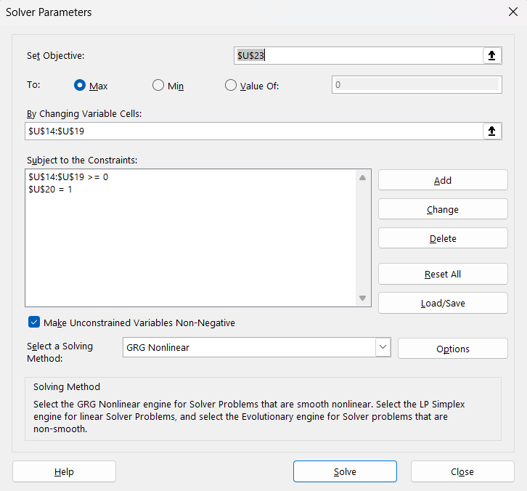
 |  |  |  |  |  |  |  |  |  |  |  |  |  | Solver I (min(Sp) when Rp is given) |  | Solver III (Global Minimum Variance) |  |  | α | z | Ref | Sef | wi
 |  |  |  |  |  |  |  |  |  |  |  |  |  |  | Solver II (max(Rp) when Sp is given) |  |  | Solver V (Market portfolio)
Check | Asset | Si | Ri | wi = | Beta |  |  |  |  |  |  |  |  | 7.27% | 2.35% | 6.68% |  | 0.28086465615
OK | AAPL | 10.92% | 2.99% | 30.0% |  |  | R portfolio | 2.03% |  | given return= | 2.50% |  |  | 6 | 6 | 6.00 |  | 6
OK | AMZN | 8.68% | 2.85% | 30.0% |  |  | S portfolio | 7.80% |  | given level of risk= | 7.0% |  |  | TRUE | TRUE | TRUE |  | TRUE
OK | SBUX | 8.42% | 1.54% | 10.0% |  |  |  |  |  |  |  |  |  | TRUE | TRUE | TRUE |  | TRUE
OK | HD | 7.75% | 1.10% | 10.0% |  |  |  |  |  |  |  |  |  | FALSE | FALSE | 32767 |  | 32767
OK | JMP | 8.91% | 0.30% | 10.0% |  |  |  |  |  |  |  |  |  | 100 | 100 | 0 |  | 0
OK | BAC | 10.35% | -0.12% | 10.0% |  |  |  |  |  |  |  |  |  | 100 | 100
 | min | 7.75% | -0.12% | 100.00%
 | max | 10.92% | 2.99%
 | Risk Free | 0.00% | 0.50%
 |  |  |  |  |  |  |  |  |  |  |  |  |  | wi = | wi = | wi = |  | wi =
Asset: | AAPL | AMZN | SBUX | HD | JMP | BAC | Risk Free |  |  |  |  |  |  | 10.87% | 4.81% | 0.00% |  | 21.43%
 | 0.011927 | 0.006062 | 0.003944 | 0.005276 | 0.006246 | 0.007707 | 0 |  |  |  |  |  |  | 61.38% | 56.95% | 32.33% |  | 68.99%
 | 0.006062 | 0.007538 | 0.002099 | 0.004209 | 0.003342 | 0.004589 | 0 |  |  |  |  |  |  | 27.75% | 38.23% | 38.59% |  | 9.58%
∑= | 0.003944 | 0.002099 | 0.007085 | 0.003547 | 0.005158 | 0.005977 | 0 |  |  |  |  |  |  | 0.00% | 0.00% | 27.99% |  | 0.00%
 | 0.005276 | 0.004209 | 0.003547 | 0.006006 | 0.004658 | 0.005634 | 0 |  |  |  |  |  |  | 0.00% | 0.00% | 1.10% |  | 0.00%
 | 0.006246 | 0.003342 | 0.005158 | 0.004658 | 0.007947 | 0.008934 | 0 |  |  |  |  |  |  | 0.00% | 0.00% | 0.00% |  | 0.00%
 | 0.007707 | 0.004589 | 0.005977 | 0.005634 | 0.008934 | 0.010708 | 0 |  |  |  |  |  | SUM | 100.00% | 100.00% | 100.00% |  | 100.00%
 | 0 | 0 | 0 | 0.000000 | 0 | 0 | 0 |  |  |  |  |  | R portfolio | 2.50% | 2.35% | 1.83% |  | 2.75%
 |  |  |  |  |  |  |  |  |  |  |  |  | S portfolio | 7.27% | 7.00% | 6.68% |  | 8.02%
 |  |  |  |  | Graph |  |  |  |  |  |  |  |  |  |  |  | Slope of CML | 0.28086465615

 |  |  |  |  |  |  |  |  |  |  |  |  | Portfolio evaluation measures:
 |  |  |  |  |  |  |  |  |  |  |  |  | Sharpe ratio
 |  |  |  |  |  |  |  |  |  |  |  |  | Treynor ratio
 |  |  |  |  |  |  |  |  |  |  |  |  | Jensen ratio
 |  |  |  |  |  |  |  |  |  |  |  |  | Black-Treynor ratio
 |  |  |  |  |  |  |  |  |  |  |  |  | Beta (Sharpe model)

The Capital Market Line (CML)

Sp | Rp | Increments
0.00% | 0.50% | 1.60%
1.60% | 0.95%
3.21% | 1.40%
4.81% | 1.85%
6.42% | 2.30%
8.02% | 2.75%
9.62% | 3.20%
11.23% | 3.65%
12.83% | 4.10%
14.44% | 4.55%
16.04% | 5.01%
17.64% | 5.46%

Efficient portfolios
 |  | Si | 10.92% | 8.68% | 8.42% | 7.75% | 8.91% | 10.35% | Increments
 |  | Ri | 2.99% | 2.85% | 1.54% | 1.10% | 0.30% | -0.12% | 0.24% |  |  | Portfolio evaluation measures:
Sp | Rp | Given Rp | AAPL | AMZN | SBUX | HD | JMP | BAC | wi | Sharpe ratio | Treynor ratio | Jensen ratio | Black-Treynor ratio | Beta (Sharpe model)
10.35% | -0.12% | -0.12% | 0.00% | 0.00% | 0.00% | 0.00% | 0.00% | 100.00% | 100.00%
9.41% | 0.12% | 0.12% | 0.00% | 0.00% | 0.00% | 9.55% | 29.60% | 60.85% | 100.00%
8.56% | 0.36% | 0.36% | 0.00% | 0.00% | 0.00% | 21.15% | 53.18% | 25.67% | 100.00%
7.83% | 0.60% | 0.60% | 0.00% | 0.00% | 0.00% | 37.64% | 62.36% | 0.00% | 100.00%
7.37% | 0.84% | 0.84% | 0.00% | 0.00% | 13.23% | 46.87% | 39.90% | 0.00% | 100.00%
7.08% | 1.08% | 1.08% | 0.00% | 5.85% | 21.71% | 44.97% | 27.47% | 0.00% | 100.00%
6.87% | 1.32% | 1.32% | 0.00% | 14.31% | 27.10% | 39.55% | 19.04% | 0.00% | 100.00%
6.73% | 1.56% | 1.56% | 0.00% | 22.78% | 32.50% | 34.12% | 10.61% | 0.00% | 100.00%
6.68% | 1.80% | 1.80% | 0.00% | 31.24% | 37.89% | 28.69% | 2.18% | 0.00% | 100.00%
6.73% | 2.04% | 2.04% | 0.00% | 43.21% | 40.84% | 15.95% | 0.00% | 0.00% | 100.00%
6.91% | 2.27% | 2.27% | 1.84% | 54.52% | 42.48% | 1.16% | 0.00% | 0.00% | 100.00%
7.30% | 2.51% | 2.51% | 11.43% | 61.79% | 26.78% | 0.00% | 0.00% | 0.00% | 100.00%
8.02% | 2.75% | 2.75% | 21.44% | 68.99% | 9.57% | 0.00% | 0.00% | 0.00% | 100.00%
10.92% | 2.99% | 2.99% | 100.00% | 0.00% | 0.00% | 0.00% | 0.00% | 0.00% | 100.00%

 | Solver IV (efficient portfolios)

Efficient portfolios
Sp | Rp |  |  |  |  |  | Solver I (min(Sp) when Rp is given)
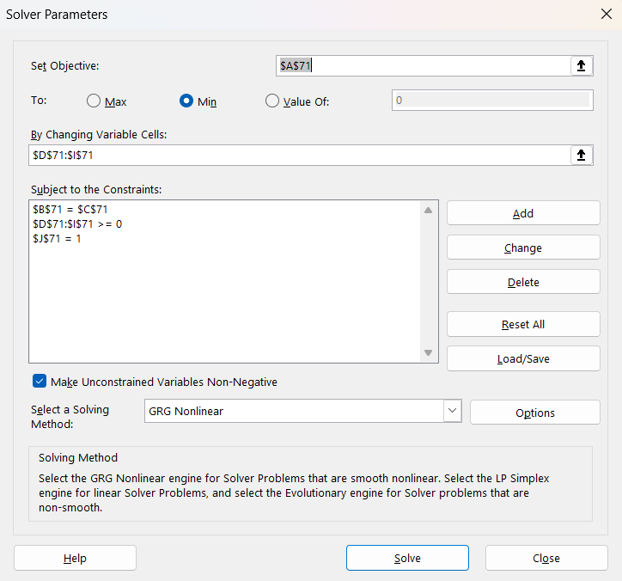
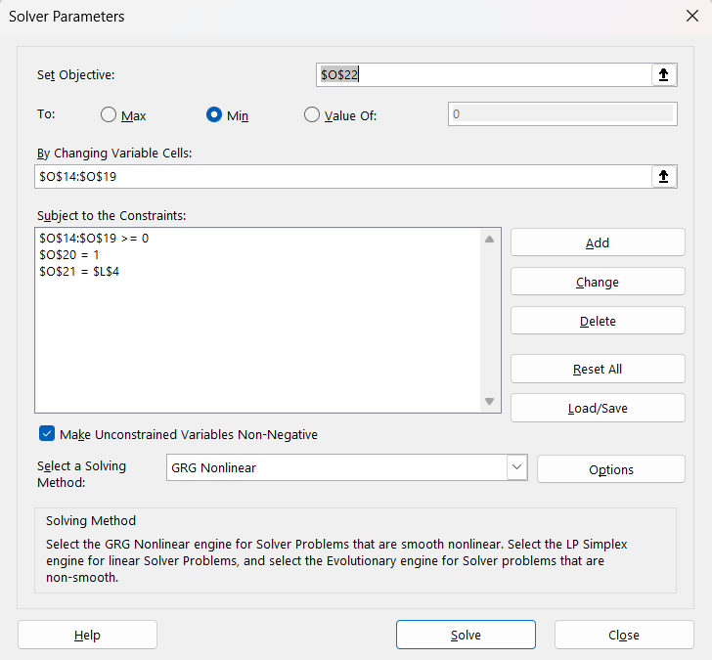

 |  |  |  |  |  |  | Solver II (max(Rp) when Sp is given)
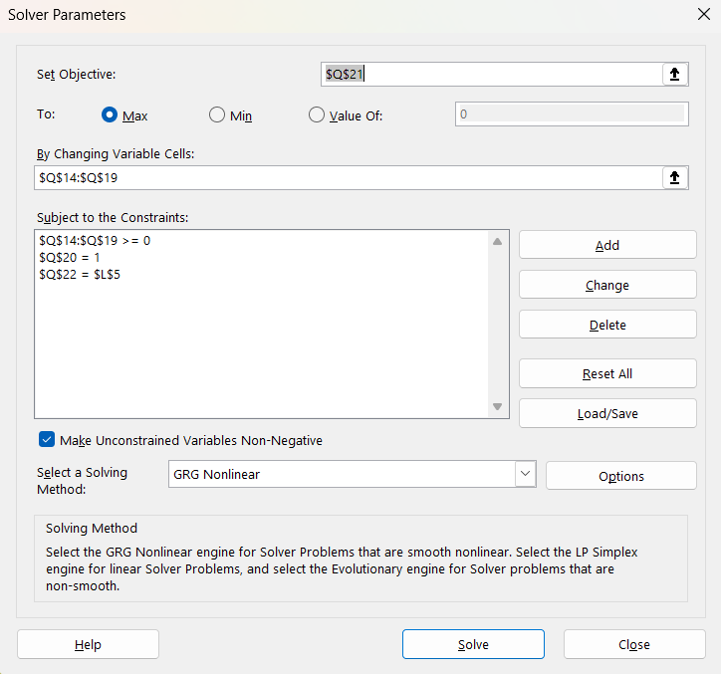

 |  |  |  |  |  |  | Solver III (Global Minimum Variance)
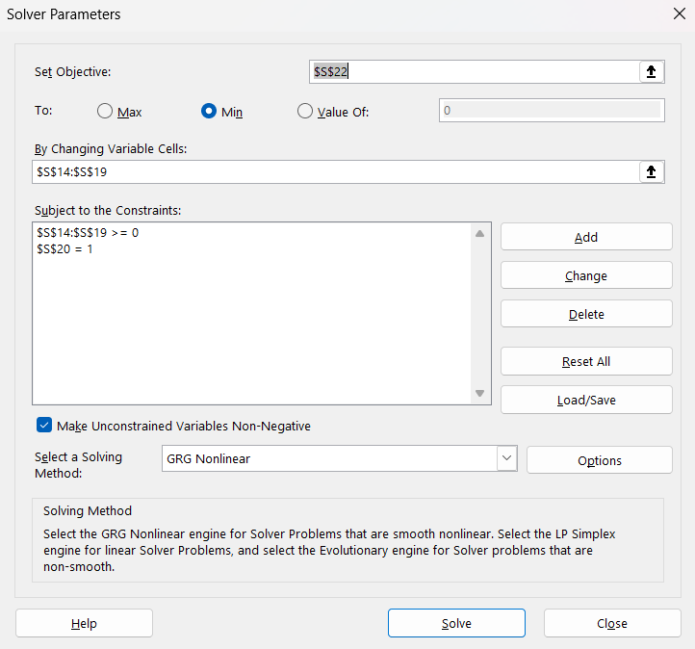

 |  |  |  |  |  |  | Solver V (Market portfolio)

Short-sell-allowed
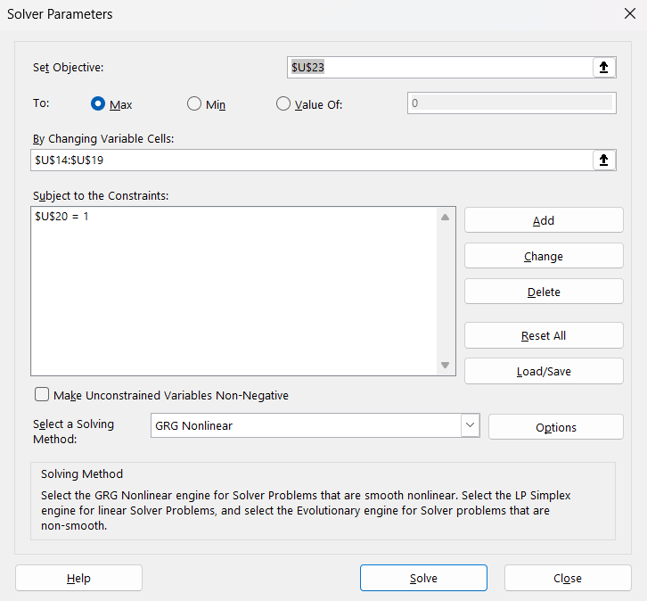
 |  |  |  |  |  |  |  |  |  |  |  |  |  | Solver I (min(Sp) when Rp is given) |  | Solver III (Global Minimum Variance) |  |  | α | z | Ref | Sef | wi
 |  |  |  |  |  |  |  |  |  |  |  |  |  |  | Solver II (max(Rp) when Sp is given) |  |  | Solver V (Market portfolio)
Check | Asset | Si | Ri | wi = | Beta |  |  |  |  |  |  |  |  | 5.61% | 4.18% | 5.61% |  | 0.49043282431
OK | AAPL | 10.92% | 2.99% | 30.0% |  |  | R portfolio | 2.03% |  | given return= | 2.50% |  |  | 6 | 6 | 6 |  | 6
OK | AMZN | 8.68% | 2.85% | 30.0% |  |  | S portfolio | 7.80% |  | given level of risk= | 7.0% |  |  | TRUE | TRUE | TRUE |  | TRUE
OK | SBUX | 8.42% | 1.54% | 10.0% |  |  |  |  |  |  |  |  |  | FALSE | FALSE | 32767 |  | TRUE
OK | HD | 7.75% | 1.10% | 10.0% |  |  |  |  |  |  |  |  |  | 32767 | 32767 | 0 |  | FALSE
OK | JMP | 8.91% | 0.30% | 10.0% |  |  |  |  |  |  |  |  |  | 0 | 0 |  |  | 32767
OK | BAC | 10.35% | -0.12% | 10.0% |  |  |  |  |  |  |  |  |  |  |  |  |  | 0
 | min | 7.75% | -0.12% | 100.00%
 | max | 10.92% | 2.99%
 | Risk Free | 0.00% | 0.50%
 |  |  |  |  |  |  |  |  |  |  |  |  |  | wi = | wi = | wi = |  | wi =
Asset: | AAPL | AMZN | SBUX | HD | JMP | BAC | Risk Free |  |  |  |  |  |  | -0.62% | 31.63% | -2.42% |  | 51.32%
 | 0.011927 | 0.006062 | 0.003944 | 0.005276 | 0.006246 | 0.007707 | 0 |  |  |  |  |  |  | 41.61% | 61.66% | 40.40% |  | 80.41%
 | 0.006062 | 0.007538 | 0.002099 | 0.004209 | 0.003342 | 0.004589 | 0 |  |  |  |  |  |  | 34.28% | 60.37% | 33.11% |  | 81.52%
∑= | 0.003944 | 0.002099 | 0.007085 | 0.003547 | 0.005158 | 0.005977 | 0 |  |  |  |  |  |  | 22.12% | -0.22% | 23.65% |  | -24.26%
 | 0.005276 | 0.004209 | 0.003547 | 0.006006 | 0.004658 | 0.005634 | 0 |  |  |  |  |  |  | 136.47% | 118.69% | 135.18% |  | 11.01%
 | 0.006246 | 0.003342 | 0.005158 | 0.004658 | 0.007947 | 0.008934 | 0 |  |  |  |  |  |  | -133.85% | -172.14% | -129.90% |  | -100.00%
 | 0.007707 | 0.004589 | 0.005977 | 0.005634 | 0.008934 | 0.010708 | 0 |  |  |  |  |  | SUM | 100.00% | 100.00% | 100.00% |  | 100.00%
 | 0 | 0 | 0 | 0.000000 | 0 | 0 | 0 |  |  |  |  |  | R portfolio | 2.50% | 4.18% | 2.40% |  | 4.96%
 |  |  |  |  |  |  |  |  |  |  |  |  | S portfolio | 5.61% | 7.00% | 5.61% |  | 9.10%
 |  |  |  |  | Graph |  |  |  |  |  |  |  |  |  |  |  | Slope of CML | 0.49043282431

 |  |  |  |  |  |  |  |  |  |  |  |  | Portfolio evaluation measures:
 |  |  |  |  |  |  |  |  |  |  |  |  | Sharpe ratio
 |  |  |  |  |  |  |  |  |  |  |  |  | Treynor ratio
 |  |  |  |  |  |  |  |  |  |  |  |  | Jensen ratio
 |  |  |  |  |  |  |  |  |  |  |  |  | Black-Treynor ratio
 |  |  |  |  |  |  |  |  |  |  |  |  | Beta (Sharpe model)

The Capital Market Line (CML)

Sp | Rp | Increments
0.00% | 0.50% | 1.82%
1.82% | 1.39%
3.64% | 2.29%
5.46% | 3.18%
7.28% | 4.07%
9.10% | 4.96%
10.92% | 5.86%
12.74% | 6.75%
14.56% | 7.64%
16.38% | 8.53%
18.20% | 9.43%
20.02% | 10.32%

Efficient portfolios
 |  | Si | 10.92% | 8.68% | 8.42% | 7.75% | 8.91% | 10.35% | Increments
 |  | Ri | 2.99% | 2.85% | 1.54% | 1.10% | 0.30% | -0.12% | 0.24% |  |  | Portfolio evaluation measures:
Sp | Rp | Given Rp | AAPL | AMZN | SBUX | HD | JMP | BAC | wi | Sharpe ratio | Treynor ratio | Jensen ratio | Black-Treynor ratio | Beta (Sharpe model)
8.04% | -0.12% | -0.12% | -48.69% | 9.24% | 3.01% | 62.96% | 101.87% | -28.38% | 100.00%
7.66% | 0.12% | 0.12% | -44.30% | 12.19% | 5.86% | 59.23% | 105.03% | -38.02% | 100.00%
7.29% | 0.36% | 0.36% | -39.90% | 15.15% | 8.72% | 55.50% | 108.19% | -47.66% | 100.00%
6.96% | 0.60% | 0.60% | -35.51% | 18.11% | 11.58% | 51.76% | 111.35% | -57.29% | 100.00%
6.65% | 0.84% | 0.84% | -31.12% | 21.07% | 14.44% | 48.03% | 114.51% | -66.93% | 100.00%
6.37% | 1.08% | 1.08% | -26.73% | 24.03% | 17.29% | 44.30% | 117.68% | -76.57% | 100.00%
6.13% | 1.32% | 1.32% | -22.33% | 26.99% | 20.15% | 40.57% | 120.84% | -86.21% | 100.00%
5.93% | 1.56% | 1.56% | -17.94% | 29.94% | 23.01% | 36.83% | 124.00% | -95.85% | 100.00%
5.78% | 1.80% | 1.80% | -13.55% | 32.90% | 25.87% | 33.10% | 127.16% | -105.48% | 100.00%
5.67% | 2.04% | 2.04% | -9.16% | 35.86% | 28.72% | 29.37% | 130.33% | -115.13% | 100.00%
5.62% | 2.27% | 2.27% | -4.76% | 38.82% | 31.58% | 25.64% | 133.49% | -124.76% | 100.00%
5.61% | 2.51% | 2.51% | -0.37% | 41.78% | 34.44% | 21.91% | 136.65% | -134.40% | 100.00%
5.66% | 2.75% | 2.75% | 4.02% | 44.73% | 37.30% | 18.17% | 139.81% | -144.04% | 100.00%
5.77% | 2.99% | 2.99% | 8.41% | 47.69% | 40.16% | 14.44% | 142.97% | -153.67% | 100.00%

 | Solver IV (efficient portfolios)

Efficient portfolios
Sp | Rp |  |  |  |  |  | Solver I (min(Sp) when Rp is given)
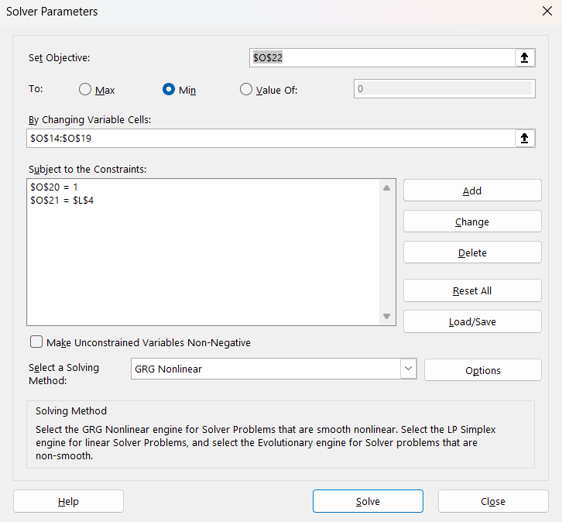
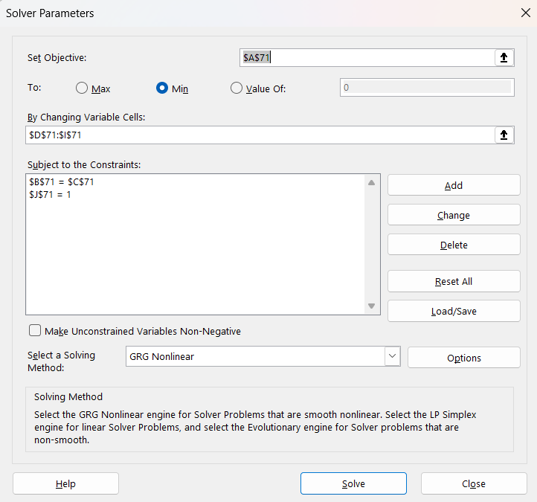

 |  |  |  |  |  |  | Solver II (max(Rp) when Sp is given)
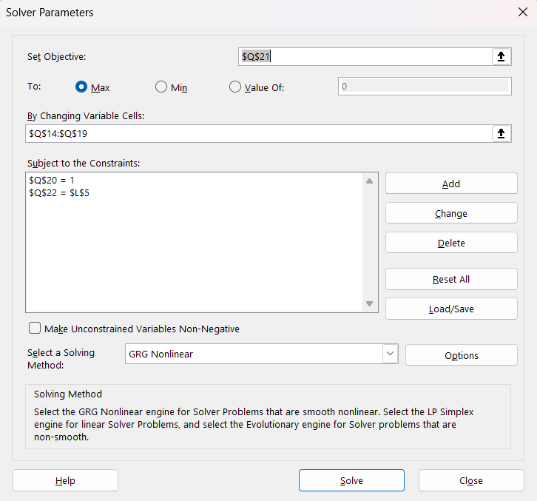

 |  |  |  |  |  |  | Solver III (Global Minimum Variance)
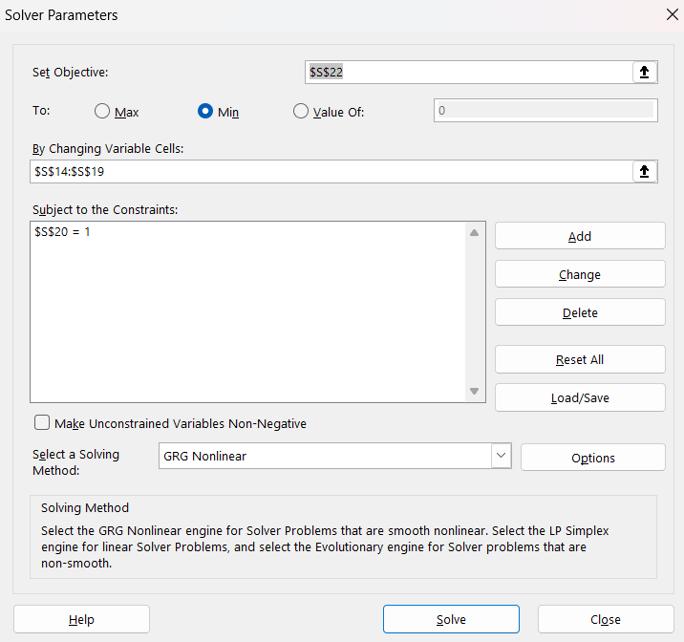

 |  |  |  |  |  |  | Solver V (Market portfolio)

Single-index-model
According to given Beta of individual asset, Bank of America (BAC) is the most sensitive to market compared with other assets. it demonstrates that if the market price increase 1%, BAC increase 1.45% accordingly, while the other assets move similarly as market does. In adition, the portfolio beta is also close to 1 when the short-sell not allowed, meaning that the movements of the portfolio is similar to the market movement.
AAPL | AMZN | SBUX | HD | JPM | BAC | S&P 500 |  | Short-sell not allowed
-0.026351342722 | 0.15618271904 | -0.028691592065 | 0.061215692242 | 0.079394102444 | 0.083381608939 | 0.045740050444 |  | Assets | Beta | Weight | Portfolio Beta
0.042132376505 | 0.071785145956 | 0.003031080203 | -0.10686236884 | -0.029876325044 | -0.031887665786 | -0.052491752846 |  | AAPL | 1.33 | 21.43% | 0.2843
-0.048710215365 | -0.08482660872 | 0.0012455121261 | -0.038241484666 | -0.05044455228 | -0.071423702944 | -0.036429197644 |  | AMZN | 0.91 | 68.99% | 0.6291
0.014414544656 | 0.14259190775 | 0.033053615852 | 0.065640491502 | 0.0085861305111 | 0.021600637346 | 0.027851506546 |  | SBUX | 0.92 | 9.58% | 0.0879 | >>>>
0.11779615075 | 0.036780670043 | -0.021210826301 | 0.014624707776 | -0.0034993773462 | -0.018534683606 | 0.02962316426 |  | HD | 1.05 | 0.00% | 0.0000
-0.016215775979 | 0.043066630052 | -0.1484270134 | 0.034982709884 | -0.031106123605 | -0.038839797956 | -0.0028967323092 |  | JPM | 1.24 | 0.00% | 0.0000
0.073718703397 | 0.047511690962 | 0.056852598643 | 0.011682849416 | 0.095932903464 | 0.099864499793 | 0.031283744327 |  | BAC | 1.49 | 0.00% | 0.0000
0.12513394971 | 0.12649641935 | 0.030345567868 | 0.043756040103 | -0.0044192436789 | -0.0035262418896 | 0.02919956384 |  |  |  |  | 1.0014
-0.0048286122072 | -0.017384774774 | 0.037581234574 | 0.012213023526 | -0.014432806714 | -0.049031008849 | 0.0095752375113
-0.022426836733 | -0.18518147269 | 0.053423067734 | -0.14010399484 | -0.040638430239 | -0.064066493156 | -0.065061352139
In the market where short-sell is allowed, the individual stock present similar sentitivity to market as in market with short-sell not allowed. However, the portfolio is less sensitive to the market. it is reflected on the beta of portfolio with only 0.5 meaning that if the market price increase by 1%, the portfolio will increase only 0.5%, and vice versa.
-0.18428546041 | 0.062168591608 | 0.14088106985 | 0.0070679364229 | 0.029475011292 | 0.0259110148 | 0.018081255748 |  | Short-sell allowed
-0.15729384606 | -0.14109466394 | -0.048256973008 | -0.052701737391 | -0.1223931672 | -0.13403214365 | -0.10587949826 |  | Assets | Beta | Weight | Portfolio Beta
0.053026870663 | 0.055047182094 | 0.057253435065 | 0.067069196575 | 0.044990107139 | 0.12841013306 | 0.075372666356 |  | AAPL | 1.33 | 51.32% | 0.6809
0.049499084309 | 0.027594577461 | 0.039440877973 | 0.0043297302859 | 0.0052806325764 | 0.032244084109 | 0.035269035093 |  | AMZN | 0.91 | 80.41% | 0.7333
0.088914674018 | 0.081780077888 | 0.04295945509 | 0.055001919311 | 0.0020088876609 | -0.026622073518 | 0.022396049357 |  | SBUX | 0.92 | 81.52% | 0.7479 | >>>>
0.096051474812 | 0.052259575051 | 0.047011535885 | 0.016023078753 | 0.095796622326 | 0.058520061273 | 0.019527742294 |  | HD | 1.05 | -24.26% | -0.2536
-0.19455645968 | -0.12157972758 | -0.016912020317 | -0.047540922934 | -0.078553182127 | -0.12591248731 | -0.063279507776 |  | JPM | 1.24 | 11.01% | 0.1361
0.15101328961 | 0.12714616215 | 0.10371920226 | 0.10368158482 | 0.065618165437 | 0.097760494126 | 0.077070346682 |  | BAC | 1.49 | -100.00% | -1.4939
0.033565705662 | -0.035407952666 | 0.12052577059 | 0.012053763176 | -0.0065307618356 | 0.0023765076539 | -0.0036398148294 |  |  |  |  | 0.5508
-0.013184437858 | -0.03593098028 | 0.014468116475 | 0.051464799905 | -0.03955372485 | -0.086364254503 | -0.016140750389
0.087857722692 | -0.030744202329 | -0.11207696058 | 0.030805445291 | 0.06240036558 | 0.050109671773 | 0.011624139699
0.13019760354 | 0.031637760019 | -0.038892516416 | 0.026729715815 | 0.10076320273 | 0.11166961824 | 0.042175928316
0.032080891871 | -0.0055078951375 | 0.0162120729 | -0.086743295836 | 0.028312130897 | 0.049987442092 | 0.015195785526
0.12839349262 | 0.063294077853 | 0.054981625427 | 0.0093305150231 | 0.07061925996 | 0.064014874112 | 0.045201143013
0.0272918725 | 0.054439031397 | -0.038097627405 | 0.052671699975 | -0.05627077313 | -0.07787048713 | -0.0027448351814
-0.032432453918 | -0.025391983435 | -0.043120939225 | -0.0069342005217 | -0.093048349544 | -0.11562430816 | -0.050077111626
-0.21538447015 | -0.023954636301 | -0.27425795266 | -0.25250175857 | -0.36498546614 | -0.39580814208 | -0.22382496249
0.18224546463 | 0.1809227316 | 0.16413853469 | 0.20178970594 | 0.10019069106 | 0.15480080446 | 0.13610700428
0.10741672236 | 0.077818050311 | 0.0595797636 | 0.1234553473 | 0.055787182801 | 0.064186463397 | 0.076490953034
0.12337035249 | 0.15269965862 | -0.056332595275 | 0.0034716691681 | -0.055679928499 | -0.056417757946 | 0.019486680987
0.17961270856 | 0.077891456337 | 0.019662253308 | 0.070139367506 | 0.029997982339 | 0.071740597756 | 0.055782602193
0.20840780669 | 0.11728122822 | 0.13079590127 | 0.071609260235 | 0.041179901751 | 0.028404237536 | 0.068060612057
-0.13880467111 | -0.082738861817 | 0.0079865578288 | -0.029528751459 | -0.032167534287 | -0.064668141886 | -0.042236043973
-0.071141925328 | -0.069668110768 | -0.0089167055315 | -0.025094340315 | 0.033265403558 | -0.00083022005599 | -0.021091673566
0.12066981224 | 0.069301690115 | 0.1393016036 | 0.021413527101 | 0.17765564261 | 0.17516704441 | 0.10111162806

AAPL
SUMMARY OUTPUT

Regression Statistics
Multiple R | 0.77549319874
R Square | 0.6013897013
Adjusted R Square | 0.58931060134
Standard Error | 0.071010632342
Observations | 35

ANOVA
 | df | SS | MS | F | Significance F
Regression | 1 | 0.25105459312 | 0.25105459312 | 49.787625175 | 4.4769113288E-08
Residual | 33 | 0.16640282688 | 0.0050425099055
Total | 34 | 0.41745742

 | Coefficients | Standard Error | t Stat | P-value | Lower 95% | Upper 95% | Lower 95.0% | Upper 95.0%
Intercept | 0.018303915342 | 0.012115354793 | 1.5108030805 | 0.14035598614 | -0.0063449593174 | 0.042952790002 | -0.0063449593174 | 0.042952790002
S&P 500 | 1.3267400214 | 0.18802912467 | 7.0560346637 | 4.4769113288E-08 | 0.94419189093 | 1.7092881519 | 0.94419189093 | 1.7092881519

AMZN
SUMMARY OUTPUT

Regression Statistics
Multiple R | 0.67050388176
R Square | 0.44957545545
Adjusted R Square | 0.4328959238
Standard Error | 0.066338720107
Observations | 35

ANOVA
 | df | SS | MS | F | Significance F
Regression | 1 | 0.11861863379 | 0.11861863379 | 26.953721771 | 1.0480891566E-05
Residual | 33 | 0.14522725092 | 0.0044008257855
Total | 34 | 0.26384588471

 | Coefficients | Standard Error | t Stat | P-value | Lower 95% | Upper 95% | Lower 95.0% | Upper 95.0%
Intercept | 0.020480811965 | 0.011318264661 | 1.8095364067 | 0.079484612673 | -0.0025463706286 | 0.043507994558 | -0.0025463706286 | 0.043507994558
S&P 500 | 0.91196506738 | 0.17565836357 | 5.1916973883 | 1.0480891566E-05 | 0.55458543957 | 1.2693446952 | 0.55458543957 | 1.2693446952

SBUX
SUMMARY OUTPUT

Regression Statistics
Multiple R | 0.69575293521
R Square | 0.48407214686
Adjusted R Square | 0.46843796949
Standard Error | 0.062262459556
Observations | 35

ANOVA
 | df | SS | MS | F | Significance F
Regression | 1 | 0.12002939166 | 0.12002939166 | 30.962431567 | 3.4855115323E-06
Residual | 33 | 0.12792825771 | 0.0038766138699
Total | 34 | 0.24795764937

 | Coefficients | Standard Error | t Stat | P-value | Lower 95% | Upper 95% | Lower 95.0% | Upper 95.0%
Intercept | 0.0073755164907 | 0.010622800599 | 0.6943099818 | 0.49234722816 | -0.01423673383 | 0.028987766811 | -0.01423673383 | 0.028987766811
S&P 500 | 0.91737214001 | 0.16486482916 | 5.5643895952 | 3.4855115323E-06 | 0.58195212306 | 1.252792157 | 0.58195212306 | 1.252792157

HD
SUMMARY OUTPUT

Regression Statistics
Multiple R | 0.86083428413
R Square | 0.74103566474
Adjusted R Square | 0.73318826064
Standard Error | 0.040615633741
Observations | 35

ANOVA
 | df | SS | MS | F | Significance F
Regression | 1 | 0.15577564619 | 0.15577564619 | 94.430674834 | 3.3013683727E-11
Residual | 33 | 0.054437780239 | 0.0016496297042
Total | 34 | 0.21021342643

 | Coefficients | Standard Error | t Stat | P-value | Lower 95% | Upper 95% | Lower 95.0% | Upper 95.0%
Intercept | 0.0018777663386 | 0.0069295652873 | 0.27097895189 | 0.78809505404 | -0.012220540243 | 0.01597607292 | -0.012220540243 | 0.01597607292
S&P 500 | 1.0450847849 | 0.10754617736 | 9.7175446916 | 3.3013683727E-11 | 0.82628044188 | 1.2638891279 | 0.82628044188 | 1.2638891279

JPM
SUMMARY OUTPUT

Regression Statistics
Multiple R | 0.88577267815
R Square | 0.78459323736
Adjusted R Square | 0.77806575971
Standard Error | 0.042610735205
Observations | 35

ANOVA
 | df | SS | MS | F | Significance F
Regression | 1 | 0.21824144164 | 0.21824144164 | 120.19853284 | 1.5399405622E-12
Residual | 33 | 0.059917266907 | 0.0018156747548
Total | 34 | 0.27815870854

 | Coefficients | Standard Error | t Stat | P-value | Lower 95% | Upper 95% | Lower 95.0% | Upper 95.0%
Intercept | -0.007868696111 | 0.0072699560329 | -1.0823581429 | 0.28693924355 | -0.022659532872 | 0.0069221406497 | -0.022659532872 | 0.0069221406497
S&P 500 | 1.2370018672 | 0.11282900853 | 10.963509148 | 1.5399405622E-12 | 1.0074495233 | 1.466554211 | 1.0074495233 | 1.466554211

BAC
SUMMARY OUTPUT

Regression Statistics
Multiple R | 0.92156543542
R Square | 0.84928285176
Adjusted R Square | 0.84471566545
Standard Error | 0.041371945422
Observations | 35

ANOVA
 | df | SS | MS | F | Significance F
Regression | 1 | 0.31828451719 | 0.31828451719 | 185.95318738 | 4.0961403119E-15
Residual | 33 | 0.056484049643 | 0.001711637868
Total | 34 | 0.37476856684

 | Coefficients | Standard Error | t Stat | P-value | Lower 95% | Upper 95% | Lower 95.0% | Upper 95.0%
Intercept | -0.014259380107 | 0.0070586020814 | -2.020142224 | 0.051547350745 | -0.02862021402 | 0.00010145380611 | -0.02862021402 | 0.00010145380611
S&P 500 | 1.4938586316 | 0.10954881582 | 13.636465355 | 4.0961403119E-15 | 1.27097989 | 1.7167373732 | 1.27097989 | 1.7167373732

