WELCOME!
Welcome to the Bitcoin Rabbit Hole!

This is a file designed to help you learn what bitcoin is, how it works, and much more. You can learn as much or as little as you'd like. The journey is entirely yours!

If you find this curation of resources valuable, consider donating via strike, paynym, btcpay server, or by scanning the QR code below. Thank you in advance, I really appreciate it 🤠

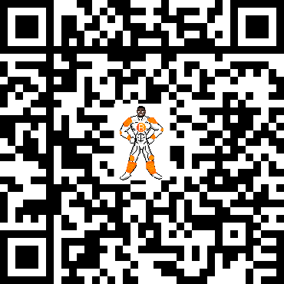
Check out more of my work at buddylasta.com

