Hoja 1
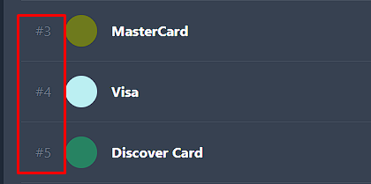
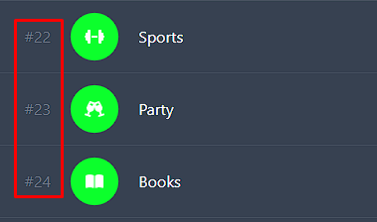
date | from_account_id | to_account_id | type | category_id | name | amount | rate
2023-07-13 | 1 |  | expense | 2 | Buy a coffe to BudgetBee creator | 2.34 | 1
2023-08-03 | 1 | 2 | transfer | 44 | Transfer to BudgetBee creator | 1089.23 | 1.3
2023-07-12 | 1 |  | income | 23 | I win the lottery! | 666 | 1

 | from_account_id and to_account_id |  |  |  | category_id

