Лист1
Project |  |  |  | Guru99 Telecom
Date |  |  |  | 2023-03-24
Build |  |  |  | 1.0
Tester |  |  |  | Andrei Budnik
Environment |  |  |  | Windows 10 Pro 22H2
 |  |  |  | Google Chrome v.111.0.5563.111 | Opera v.97.0.4719.28 | Microsoft Edge v.111.0.1661.51
Module | Submodule | Element/Function | Summury | Status | Status | Status | Commentary | Attachments
Main Page | Header | logo "Guru99 Telecom" | click on the logo "Guru99 Telecom" to refresh the main page | Passed | Passed | Passed |  | Pic.1
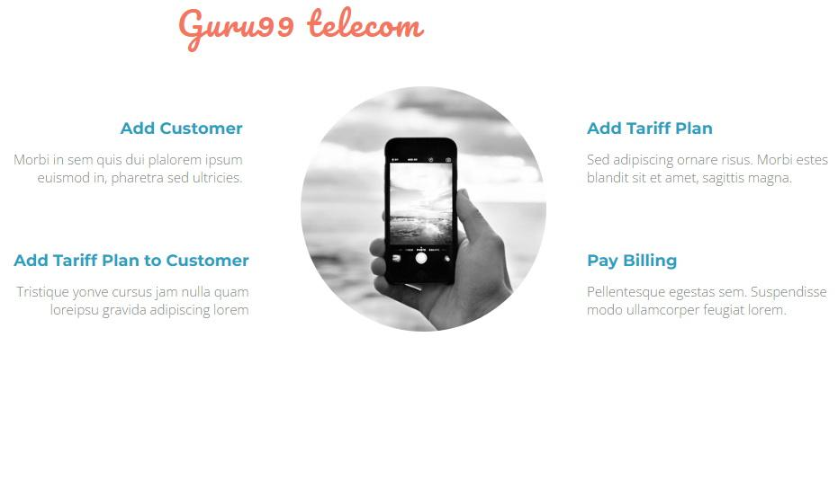
 | Main Page Body | "Add Customer" button | click a button for redirect to "Add Customer" page | Passed | Passed | Passed
 |  | "Add Tariff Plan" button | click a button for redirect to "Add Tariff Plan" page | Passed | Passed | Passed
 |  | "Add Tariff Plan to Customer" button | click a button for redirect to "Add Tariff Plan to Customer" | Passed | Passed | Passed
 |  | "Pay Billing" button | click a button for redirect to "Pay Billing" page | Passed | Passed | Passed
 |  | "Delete Customer" button | click a button for redirect to "Delete Customer" page | Failed | Failed | Failed | Button missing. Function is not available for test
 | Left Side Hamburger Menu | "Add Customer" button | click a button for redirect to "Add Customer" page | Passed | Passed | Passed
 |  | "Add Tariff Plan" button | click a button for redirect to "Add Tariff Plan" page | Passed | Passed | Passed
 |  | "Add Tariff Plan to Customer" button | click a button for redirect to "Add Tariff Plan to Customer" | Passed | Passed | Passed
 |  | "Pay Billing" button | click a button for redirect to "Pay Billing" page | Passed | Passed | Passed
 |  | "Delete Customer" button | click a button for redirect to "Delete Customer" page | Failed | Failed | Failed | Button missing. Function is not available for test
 |  | Close menu button "X" | click "X" for close menu | Passed | Passed | Passed
 | GUI | Logo "Guru99 Telecom" | open the main page and see all these items | Passed | Passed | Passed
 |  | Phone picture |  | Passed | Passed | Passed
 |  | Add Customer |  | Passed | Passed | Passed
 |  | Add Tariff Plan |  | Passed | Passed | Passed
 |  | Add Tariff Plan to Customer |  | Passed | Passed | Passed
 |  | Pay Billing |  | Passed | Passed | Passed
 |  | Delete Customer |  | Failed | Failed | Failed | button missing. see attachments pic.1

