CustomField
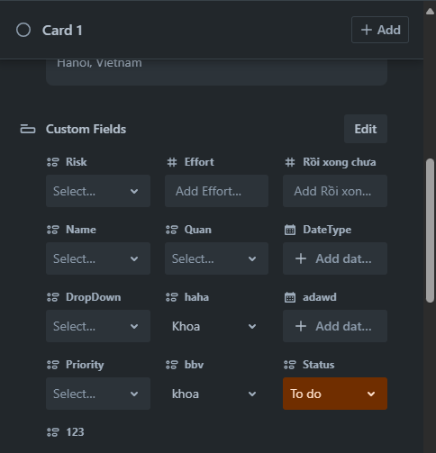
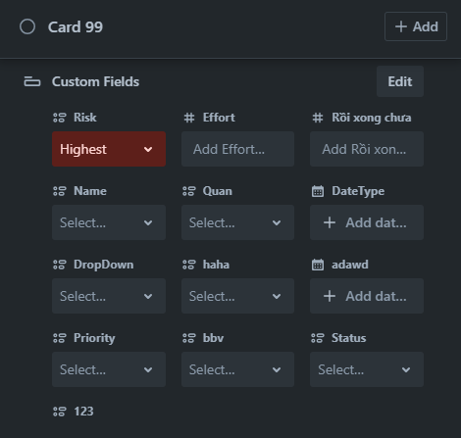
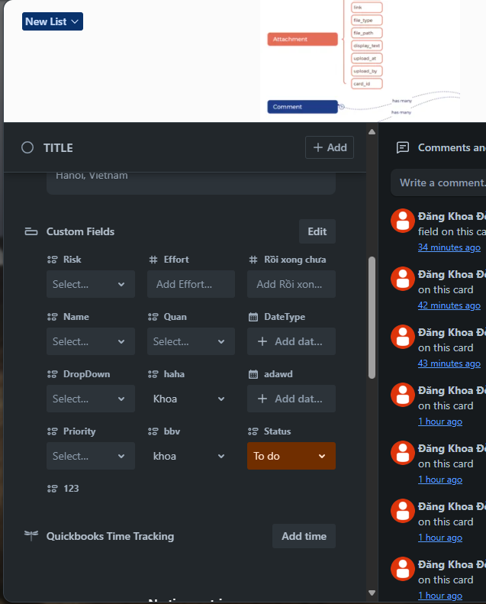
CustomField(Lưu các field trong Custom) |  |  |  |  | CustomFields dùng chung cho tất cả các Card, độc lập. Thêm field mới trong card 1 thì card 99 cũng được thêm field mới, nhưng khác nhau giá trị)
Id | CategoryId | Title | BoardId | Position
1 | 1:Dropdown | Names | 1 | 1
2 | 2:Date | Birthday | 1 | 2
3 | 3:Text | Ages | 1 | 3
4 | 1:Dropdown | BBVName | 2 | 1

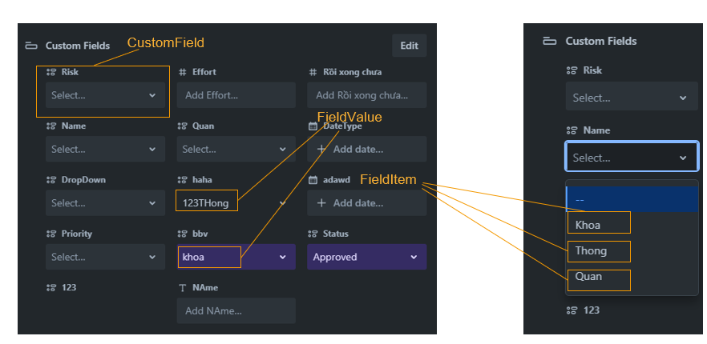
FieldValue(Lưu giá trị người dùng nhập) |  |  | luu string để cast kiểu khác
Id | CustomFieldId | CardId | Value
1 | 1 | 1 | "3":Quan
2 | 2 | 1 | "12/6/2003":date
3 | 3 | 1 | "22":text
4 | 4 | 2 | "5": Dũng

FieldItem(hiển thị các option của field)
Id | Value | ColorID | Priority (mặc định theo thứ tự tạo) | CustomFieldId
1 | Khoa | 1 | 1 | 1
2 | Thong | 2 | 2 | 1
3 | Quan | 3 | 3 | 1
4 | Mi | 5 | 4 | 4
5 | Dũng | 6 | 5 | 4
6 | Huy | 2 | 6 | 4

Trang tính2
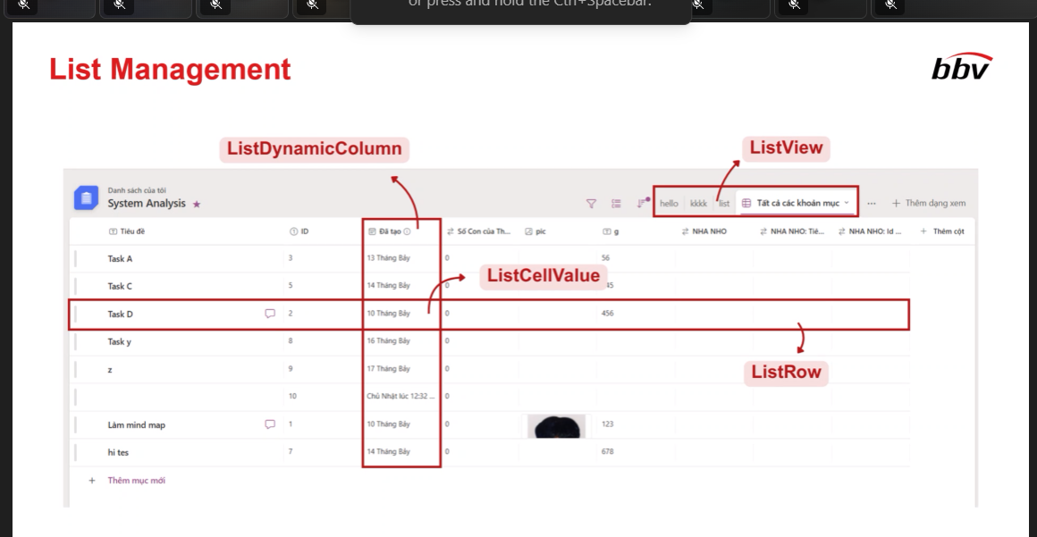
INSERT INTO SettingKeyOptions (Value) VALUES ('vietnamese');
INSERT INTO SettingKeyOptions (Value) VALUES ('chinese');
INSERT INTO SettingKeyOptions (Value) VALUES ('english');
INSERT INTO SettingKeyOptions (Value) VALUES ('dansk');
INSERT INTO SettingKeyOptions (Value) VALUES ('nederlands');
INSERT INTO SettingKeyOptions (Value) VALUES ('eesti');
INSERT INTO SettingKeyOptions (Value) VALUES ('suomi');
INSERT INTO SettingKeyOptions (Value) VALUES ('italiano');
INSERT INTO SettingKeyOptions (Value) VALUES ('magyar');
INSERT INTO SettingKeyOptions (Value) VALUES ('polski');
INSERT INTO SettingKeyOptions (Value) VALUES ('Never');
INSERT INTO SettingKeyOptions (Value) VALUES ('Instanly');
INSERT INTO SettingKeyOptions (Value) VALUES ('Periodically');
INSERT INTO SettingKeyOptions (Value) VALUES ('TRUE');
INSERT INTO SettingKeyOptions (Value) VALUES ('FALSE');
INSERT INTO SettingKeyOptions (Value) VALUES ('disabled');
INSERT INTO SettingKeyOptions (Value) VALUES ('members');
INSERT INTO SettingKeyOptions (Value) VALUES ('membersandobservers');
INSERT INTO SettingKeyOptions (Value) VALUES ('workspacemembers');
INSERT INTO SettingKeyOptions (Value) VALUES ('admins');
INSERT INTO SettingKeyOptions (Value) VALUES ('allmembers');
INSERT INTO SettingKeyOptions (Value) VALUES ('private');
INSERT INTO SettingKeyOptions (Value) VALUES ('public');
INSERT INTO SettingKeyOptions (Value) VALUES ('anybody');
INSERT INTO SettingKeyOptions (Value) VALUES ('onlyspecificemaildomains');
INSERT INTO SettingKeyOptions (Value) VALUES ('anyworkspacemember');
INSERT INTO SettingKeyOptions (Value) VALUES ('onlyworkspaceadmins');
INSERT INTO SettingKeyOptions (Value) VALUES ('nobody');
INSERT INTO SettingKeyOptions (Value) VALUES ('onlyworkspacemembers');

TypeProblem
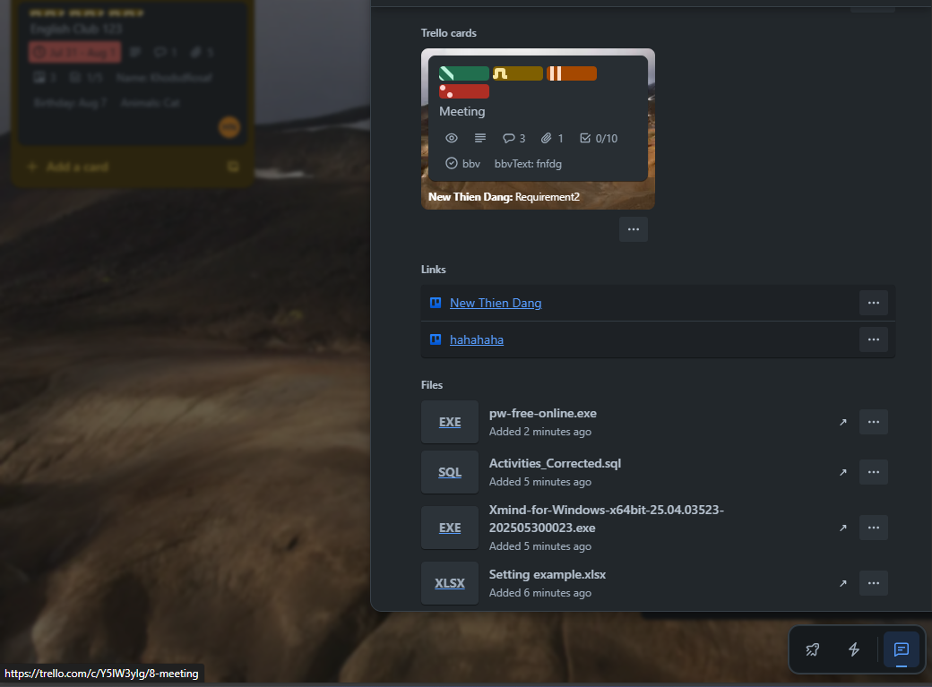
Lý do: Mỗi entity có mỗi type riêng nên có nhiều table type quá. Nên group các type đó thành table CategoryTypes, table Categories chứa các Type của từng loại trong table CategoryTypes |  |  |  |  | CategoryTypes(xac dinh type entity nào) |  |  | Categories(liệt kệ các type của categories)
 |  |  |  |  | Id | CategoryTypeValue |  | Id | CategoryName | Description | CategoryTypeId | CreatedAt | CreatedBy
 |  |  |  |  | 1 | OwnerTypes | done | 1 | Smileys & People | Lorem ispun | 3:reaction |  | 1:dangkhoa
 |  |  |  |  | 2 | DataTypes | done | 2 | Animals & Nature | Lorem ispun | 3:reaction |  | 1:dangkhoa | Lý do: Mỗi entity có mỗi type riêng nên có nhiều table type quá. Nên group các type đó thành table CategoryTypes, table Categories chứa các Type của từng loại trong table CategoryTypes
 |  |  |  |  | 3 | ReactionCategories | done | 3 | Taco pack | Lorem ispun | 4:sticker |  | 1:dangkhoa
 |  |  |  |  | 4 | StickerTypes | done | 4 | Pete the Computer | Lorem ispun | 4:sticker |  | 1:dangkhoa
 |  |  |  |  | 5 | PowerUpTypes | done | 5 | Custom Sticker | Lorem ispun | 4:sticker |  | 1:dangkhoa
 |  |  |  |  | 6 | TemplateTypes | done | 6 | Link | Lorem ispun | 9:attachment |  | 2:thong
 |  |  |  |  | 7 | WorkspaceTypes | done | 7 | FilePath | Lorem ispun | 9:attachment |  | 2:thong
 |  |  |  |  | 8 | RolePermissionTypes |  | 8 | Bussiness | Lorem ispun | 6:Template |  | 2:thong
 |  |  |  |  | 9 | AttchmentTypes |  | 9 | Unsplash | Lorem ispun | 8:Cover |  | 2:thong
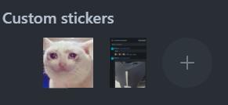
 |  |  |  |  | 10 | CoverTypes |  | 10 | Color | Lorem ispun | 8:Cover |  | 2:thong
 |  |  |  |  |  |  |  | 11 | WORKSPACE |  | 1:OwnerType |  | 2:thong
 |  |  |  |  |  |  |  | 12 | BOARD |  | 1:OwnerType |  | 2:thong
 |  |  |  |  |  |  |  | 13 | CARD |  | 1:OwnerType |  | 2:thong
 | Attchment |  |  |  |  |  |  | 14 | USER |  | 1:OwnerType |  | 2:thong
 | IsFile | CategoryId |  |  |  |  |  | 15 | Sale CRM |  | 2:Workspace |  | 2:thong
 | TRUE | 99:svg |  |  |  |  |  | 16 | IT |  | 2:Workspace |  | 2:thong
 |  |  |  |  |  |  |  | 17 | Link |  | 9:AttchmentTypes |  | 2:thong
 |  |  |  |  |  |  |  | 18 | File |  | 9:AttchmentTypes |  | 2:thong
 |  |  |  |  |  |  |  | 19 | TrelloCard |  | 9:AttchmentTypes |  | 2:thong

 |  |  |  |  | Reactions
 |  |  |  |  | Id | Name | CategoryId
 |  |  |  |  | 1 | Grinning | 1:Smileys & People
 |  |  |  |  | 2 | Grinning and Smiling | 1:Smileys & People |  | Cover
 |  |  |  |  | 3 |  |  |  | Id | CoverValue | CategoryId
 |  |  |  |  | 4 |  |  |  | 1 |  | 9:Unsplash
 |  |  |  |  | 5 |  |  |  | 2 |  | 10:Color
 |  |  |  |  |  |  |  |  | 3
 |  |  |  |  | Sticker |  |  |  | 4
 |  |  |  |  | Id | Name | CategoryId |  | 5
 |  |  |  |  | 1 | dog_love | 6:Taco pack
 |  |  |  |  | 2 | dog_cool | 6:Taco pack
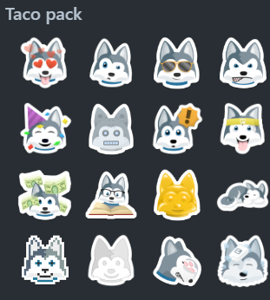
 |  |  |  |  | 3 | cat_cry | 5:Custom Sticker

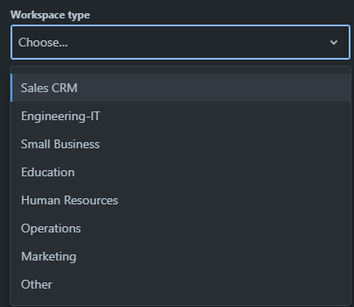

 |  |  | Attachment
 |  |  | Id | AttachmentName | CateogryId | AttachmentPath | IsCover | CardId
 |  |  | 1 | dog_love.svg | 18:file | d:\ | 1 | 428
 |  |  | 2 | dog_cool.svg | 18:file | d:\ | 0 | 428
 |  |  | 3 | https:\\cat_cry.html | 17:link | https | 0 | 428
 |  |  | 4 | meeting1 | 19:trellocard | https://trello.com/c/Y5IW3yIg/8-meeting | 0 | 428

 |  |  |  |  | Template
 |  |  |  |  | Id | Title | CategoryId | Copied | Viewed | BoardId
 |  |  |  |  | 1 | Bussiness 1 | 8 | 1587 | 50454 | 1
 |  |  |  |  | 2 | Bussiness 2 | 8 | 18754 | 41054 | 2

