Mall Side Common Area
Level | Location | Palnter Pot | Bin | Palnter Pot (2) | CSD Flower | Small plant pot white | Medyam plant pot | Large plant pot | Very small plant pot | White Sofa | Small white planter | White large planter | Medium size planters | Larg size planters | XL planters | planter | Sofa | cousins | Table | Sofa (2) | Table (2) | Sofa (3) | Table (3) | Sofa (4) | Table (4) | Table (5) | Sofa (5) | Sofa (6) | Sofa (7) | stone with flower | small black planter | waterfall white color small pot | white planter pots | white tabels | black colour medium planter pots | black colour big planter pots | black colour medium planter pots (2) | sofas | Remarks
 |  | 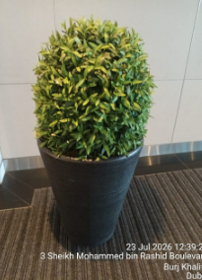 | 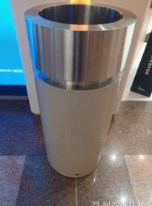 | 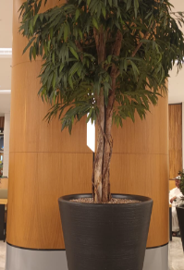 | 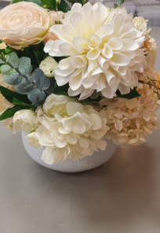 | 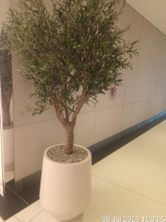 | 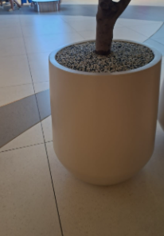 | 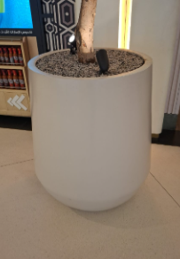 | 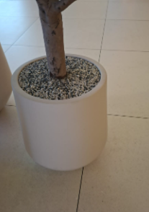 | 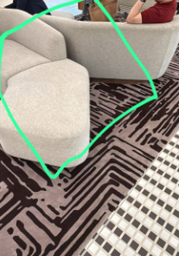 | 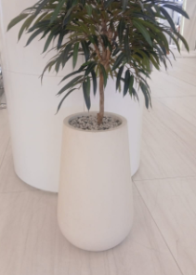 | 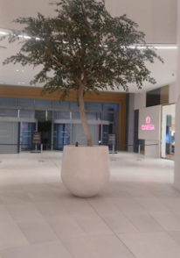 | 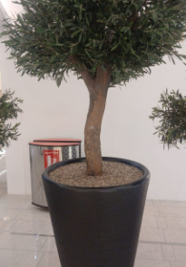 | 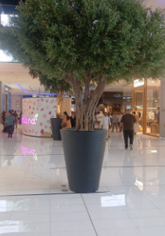 | 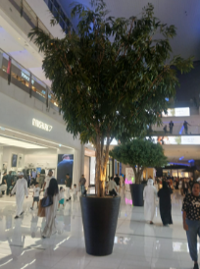 | 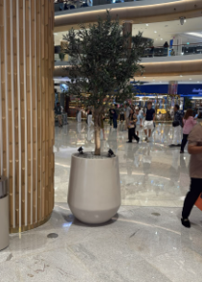 | 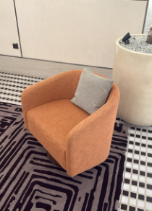 |  | 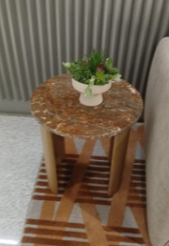 | 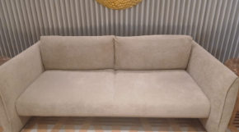 | 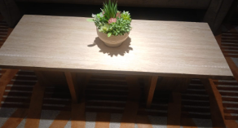 | 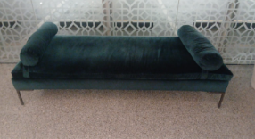 | 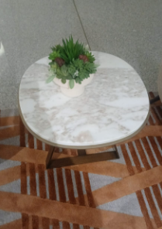 | 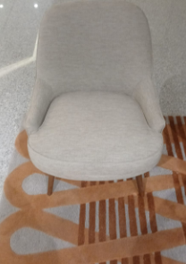 | 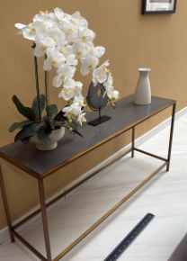 | 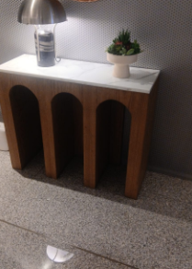 | 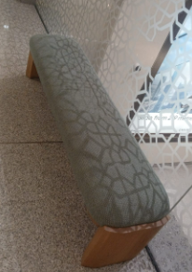 | 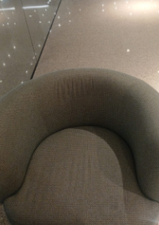 | 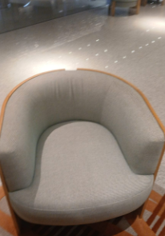 | 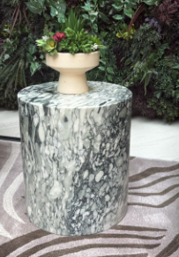 | 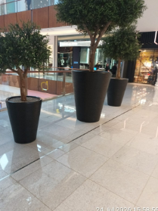 | 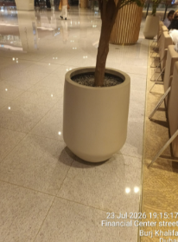 | 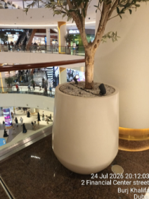 | 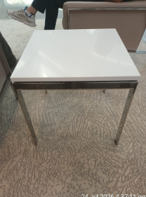 | 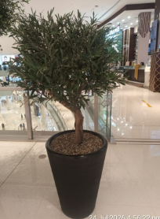 | 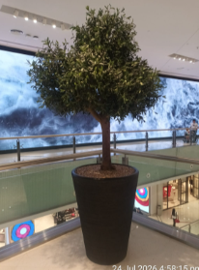 | 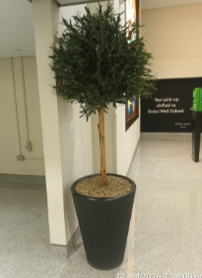 | 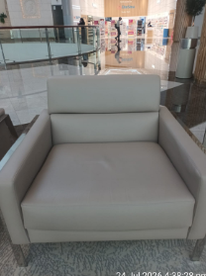
LG | Common Area | 8 | 64 | 19 | 2 | 31 | 2 | 15 | 2

Total
GF | Common Area |  |  |  |  |  |  |  |  | 4 | 8 | 1 | 7 | 7 | 6 | 23 | 24 | 24 | 8 | 4 | 4 | 1 | 3 | 6 | 3 | 2 | 3 | 6 | 8 | 5

Total
FF | Common Area
 | Common Area |  |  |  |  |  |  |  |  |  |  |  |  |  |  |  | 42 |  | 15 |  |  |  |  |  |  |  |  |  |  |  | 13 | 3 | 31
 | Common Area |  |  |  |  |  |  |  |  |  |  |  |  |  |  |  |  |  |  |  |  |  |  |  |  |  |  |  |  |  | 12
 | Common Area |  |  |  |  |  |  |  |  |  |  |  |  |  |  |  |  |  |  |  |  |  |  |  |  |  |  |  |  |  | 4

Total
SF | Common Area |  | 109 |  |  |  |  |  |  |  |  |  |  |  |  |  |  |  |  |  |  |  |  |  |  |  |  |  |  |  |  |  | 36 | 7 | 13 | 8 | 55 | 18

Total

