Mall Side Common Area
Level | Location | Palnter Pot | Bin | Palnter Pot (2) | CSD Flower | Small plant pot white | Medyam plant pot | Large plant pot | Very small plant pot | White Sofa | Small white planter | White large planter | Medium size planters | Larg size planters | XL planters | planter | Sofa | cousins | Table | Sofa (2) | Table (2) | Sofa (3) | Table (3) | Sofa (4) | Table (4) | Table (5) | Sofa (5) | Sofa (6) | Sofa (7) | stone with flower | small black planter | waterfall white color small pot | white planter pots | white tabels | black colour medium planter pots | black colour big planter pots | black colour medium planter pots (2) | sofas | Remarks
 |  | 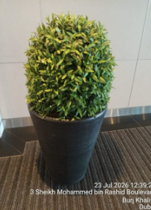 | 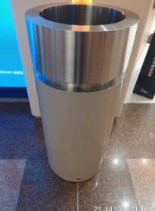 | 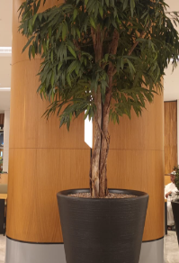 | 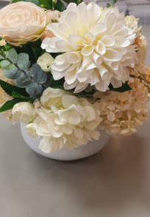 | 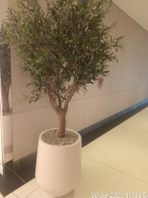 | 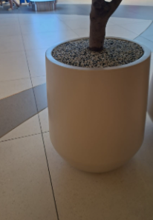 | 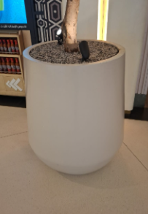 | 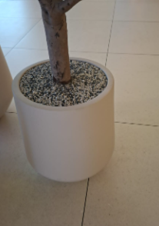 | 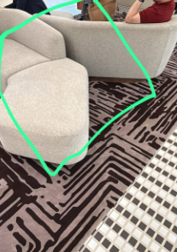 | 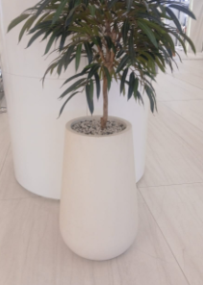 | 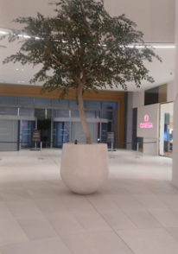 | 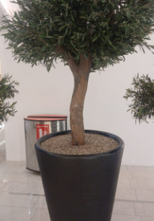 | 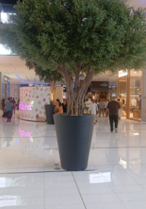 | 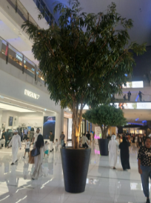 | 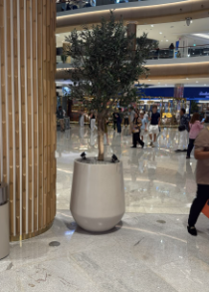 | 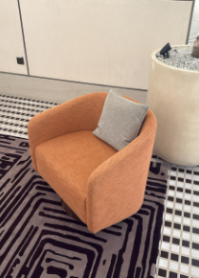 |  | 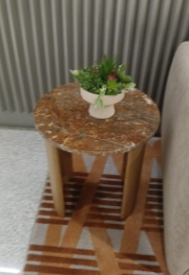 | 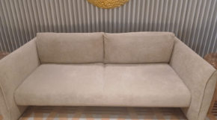 | 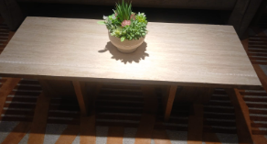 | 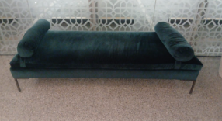 | 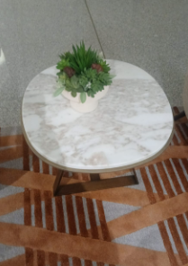 | 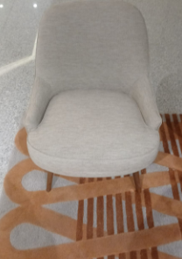 | 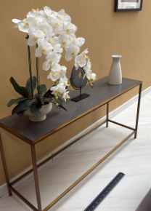 | 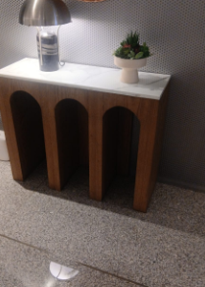 | 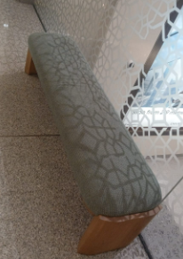 | 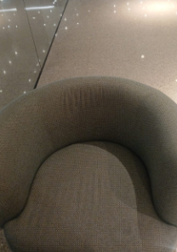 | 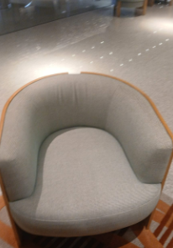 | 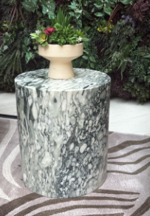 | 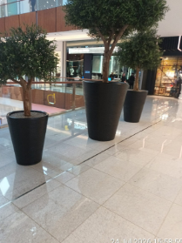 | 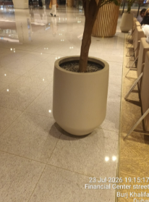 | 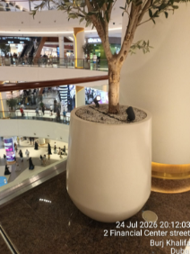 | 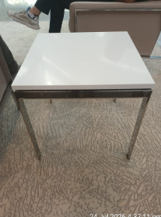 | 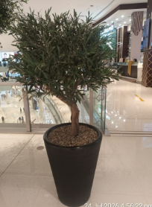 | 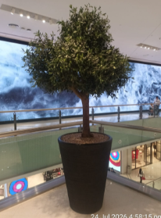 | 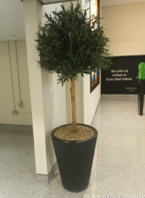 | 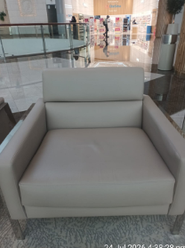
LG | Common Area | 8 | 64 | 19 | 2 | 31 | 2 | 15 | 2

Total
GF | Common Area |  |  |  |  |  |  |  |  | 4 | 8 | 1 | 7 | 7 | 6 | 23 | 24 | 24 | 8 | 4 | 4 | 1 | 3 | 6 | 3 | 2 | 3 | 6 | 8 | 5

Total
FF | Common Area
 | Common Area |  |  |  |  |  |  |  |  |  |  |  |  |  |  |  | 42 |  | 15 |  |  |  |  |  |  |  |  |  |  |  | 13 | 3 | 31
 | Common Area |  |  |  |  |  |  |  |  |  |  |  |  |  |  |  |  |  |  |  |  |  |  |  |  |  |  |  |  |  | 12
 | Common Area |  |  |  |  |  |  |  |  |  |  |  |  |  |  |  |  |  |  |  |  |  |  |  |  |  |  |  |  |  | 4

Total
SF | Common Area |  | 109 |  |  |  |  |  |  |  |  |  |  |  |  |  |  |  |  |  |  |  |  |  |  |  |  |  |  |  |  |  | 36 | 7 | 13 | 8 | 55 | 18

Total

SF FC Bin Spares
Type of Bins | Image | Total Spares | Good | Damaged | Remarks

Dry waste | 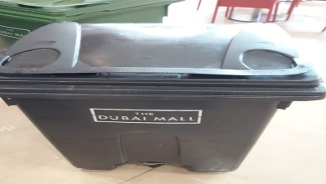 | 22 | 20 | 2
Wet waste | 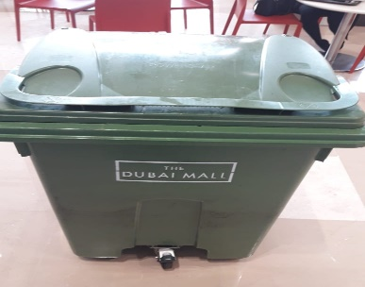 | 24 | 20 | 4

LG FC Bin Spares
Type of Bins | Image | Total | Good | Damaged | Remarks

Dry waste |  | 2 |  | 02 leaked
Wet waste |  | 11 | 8 | 03 leaked

RC & IR Lobbies
S.No | Location | Small Pots | Remarks
 |  | 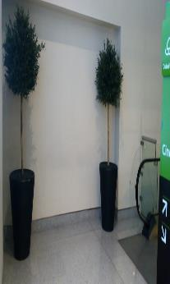
1 | Cinema lobby Level-01 | 12
2 | Cinema lobby Level-02 | 6
3 | Cinema lobby Level-03 | 5
4 | Cinema lobby Level-04 | 6
5 | Cinema lobby Level-05 | 3
6 | Cinema lobby Level-06 | 4
7 | Cinema lobby Level-07 | 4
8 | Cinema lobby Level-08 | 6
9 | Cinema lobby Level-09 | 4
10 | Cinema lobby Level-10 | 4
11 | Icerink Lobby-01 | 8
12 | Icerink Lobby-02 | 5
13 | Icerink Lobby-03 | 7
14 | Icerink Lobby-04 | 8
15 | Icerink Lobby-05 | 6
16 | Icerink Lobby-06 | 5
17 | Icerink Lobby-07 | 4
18 | Icerink Lobby-08 | 4
19 | Icerink Lobby-09 | 4
20 | Icerink Lobby-10 | 4
Total

FP Lobbies
S.No | Location | Small Pots | Medium Pots | Remarks
 |  | 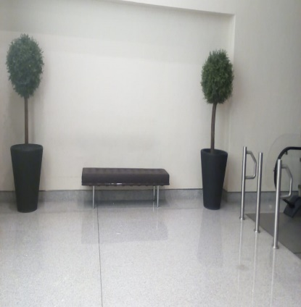
1 | Fashion parking lobby Level-01 | 9 | 2
2 | Fashion parking lobby level -02 | 6 | 2
3 | Fashion parking lobby Level-03 | 16 | 2
4 | Fashion parking lobby Level-04 | 5 | 3
5 | Fashion parking lobby Level-05 | 5 | 3
6 | Fashion parking lobby Level -06 | 4 | 4
7 | Fashion parking lobby Level-07 | 6 | 2
8 | Fashion parking lobby Level-08 | 7 | 2
9 | Fashion parking lobby Level-09 | 6 | 2
10 | Fashion parking lobby Level-10 | 6 | 2
11 | Fashion parking lobby Level-11 | 6 | 2
Total
12 | Fashion parking basement and P1 | 44 | 3
 | Fashion Parking Ramp and lobbies and valet parking | 133

Mall Planters
Location | Sub location | Planter Details |  |  |  | Remarks
 |  | 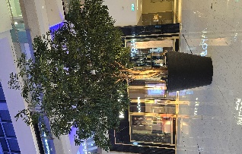 Extra Large | 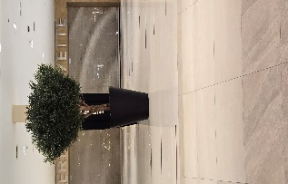 Big | 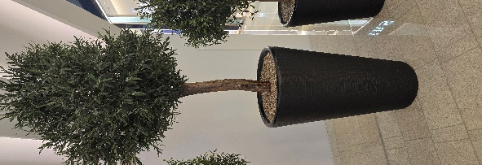 Midiuum | 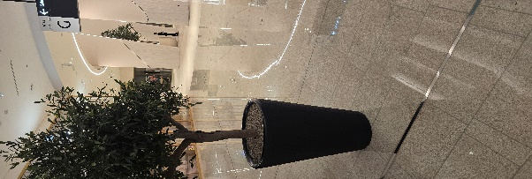 Small
LG | Common area and all entrances |  | 40 | 68 | 7
Promanade area | Gate 5 to ATT entrance |  | 3 | 11 | 2
GF | Banana |  |  | 5
 | Souk Atrium | 1 | 1
 | Grand entrance |  | 2 |  | 1
 | Concourse 1 | 2 |  |  | 1
 | Concourse 2 | 1 |  | 2 | 2
 | Aqurium south and north | 6
 | Galeria 1
 | Galeria 2 |  | 1 | 1 | 1
 | Galeria 3
 | Catwalk atrium |  |  |  | 8
 | Star Atrium |  |  |  | 8
 | Waterfall | 2 | 2 |  | 11
 | Cornival walk

FF

 | Aquarium H&M |  | 2 | 1
 | Aquarium south |  | 1 | 1 | 1
 | Concourse 1 | 1 |  | 1 | 2
 | Souk atrium |  |  |  | 4
 | Icerink |  |  | 1 | 1
 | Galleries Lafayette |  |  | 2
 | Banana |  |  | 1 | 1
 | Galleria-03 |  |  | 3 | 6
 | Galleria-02 |  |  | 2 | 2
 | Concourse 2 |  |  | 1 | 1
 | Star Atrium |  |  |  | 8
 | Catwalk |  |  |  | 8
 | Waterfall |  | 1 | 12 | 2
SF | Concourse 2 |  |  | 2 | 1
 | Aquerium walk |  | 1 | 1 | 1
 | Concourse 1 |  | 1 | 1 | 1
 | Banana |  |  | 4 | 2
 | Galleria-02 |  |  | 1 | 1
 | Gallerieia-01 |  |  | 2 | 2
 | SF star atrium |  |  |  | 8
 | SF Galleria 3 |  |  | 3 | 4
 | Carnival walk |  |  | 3 | 2
 | Catwalk atrium |  |  |  | 8
 | Souk Atrium |  |  |  | 3
MLB | MLB |  |  |  | 29
Total

Planter Photo Reference
Source sheet | Shown at | Photo | Remarks

RC & IR Lobbies | cell B3
FP Lobbies | cell B4
FP Lobbies | cell B19 | 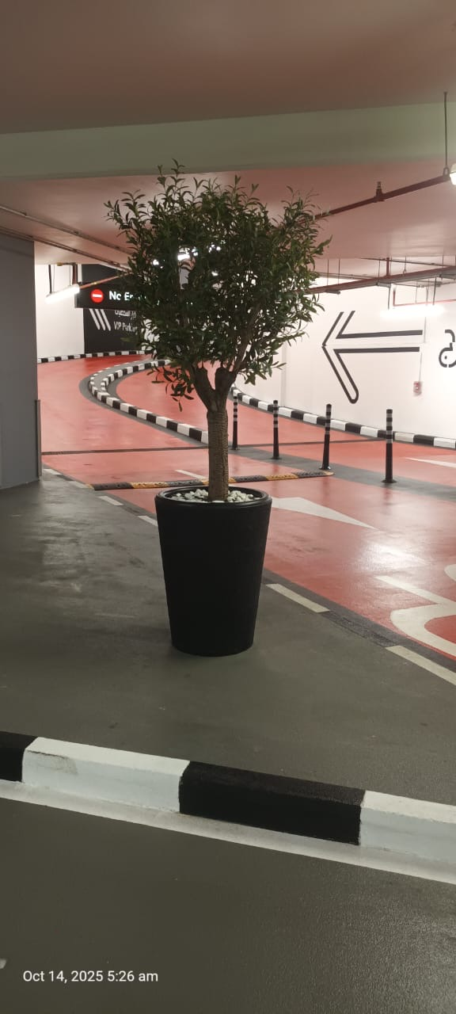
FP Lobbies | cell B20 | 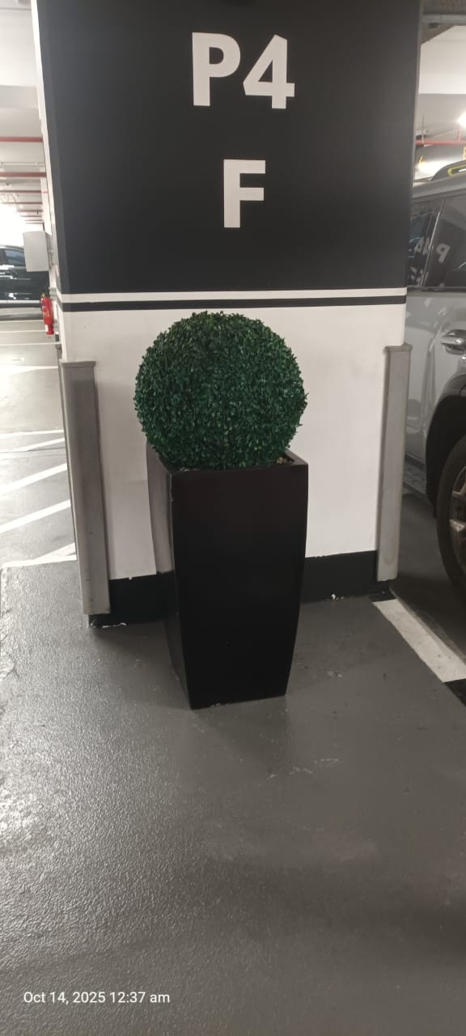
Mall | Extra large - GF block
Mall | Big - GF block | 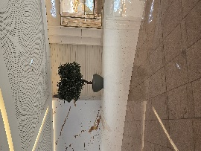
Mall | Small - GF block
Mall | Medum - GF block
Mall | Extra large - GF block | 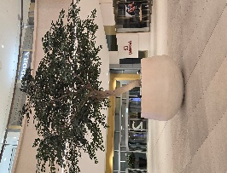
Mall | Big - GF block
Mall | Extra large - FF block | 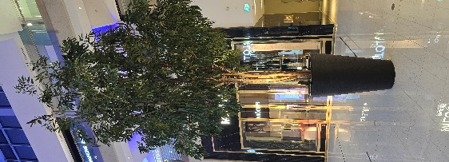
Mall | Medum - FF block | 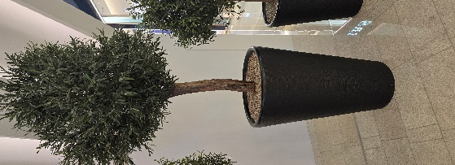
Mall | Small - FF block | 
Mall | Big - FF block | 
Mall | Extra large - SF block | 
Mall | Big - SF block | 
Mall | Medum - SF block | 
Mall | Small - SF block | 
Mall | Big - header | 
Mall | Medum - header | 
Mall | Big - header | 
Mall | Small - header | 
Mall | Medum - header | 
Mall | Small - MLB | 
Mall | Big - header | 

LG Food Court Furniture
Level | Location | Square Table with Marble Head | Plastic Black | Wooden Long sofa with back rest | Wooden Long table | Food waste Plastic Bins Green | Dry Waste Plastic Bins Black | Liquid Bins | Bins Station | Remarks
 |  |  |  |  |  |  |  |  | 
LG | LG Food Court | 187 | 595 | 11 | 9 | 12 | 2 | 4 | 4

Mall External Dining
SL | Location | Material description | Assets Picture | Available Stock | Remarks

1 | KFC TERRACE | Green chair |  | 152
2 |  | Black chair |  | 152
3 |  | Red table |  | 38
4 |  | White table |  | 38
5 | AlBAIK TERRACE | Green chair |  | 144
6 |  | Black chair |  | 144
7 |  | Red table |  | 36
8 |  | White table |  | 36

 |  | Total | Chairs
 |  |  | Tables

