FP Planters
S.No | Location | Small Pots | Medium Pots | Remarks
 |  | 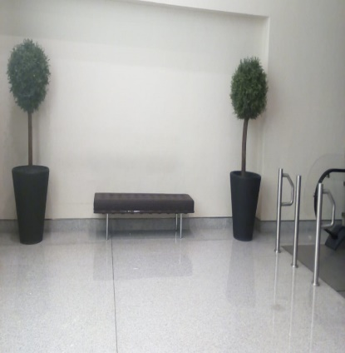
1 | Fashion parking lobby Level-01 | 9 | 2
2 | Fashion parking lobby level -02 | 6 | 2
3 | Fashion parking lobby Level-03 | 16 | 2
4 | Fashion parking lobby Level-04 | 5 | 3
5 | Fashion parking lobby Level-05 | 5 | 3
6 | Fashion parking lobby Level -06 | 4 | 4
7 | Fashion parking lobby Level-07 | 6 | 2
8 | Fashion parking lobby Level-08 | 7 | 2
9 | Fashion parking lobby Level-09 | 6 | 2
10 | Fashion parking lobby Level-10 | 6 | 2
11 | Fashion parking lobby Level-11 | 6 | 2
Total
12 | Fashion parking basement and P1 | 44 | 3
 | Fashion Parking Ramp and lobbies and valet parking | 133

FP Planter Photos
Source sheet | Shown at | Photo
FP Lobbies | cell B4
FP Lobbies | cell B19 | 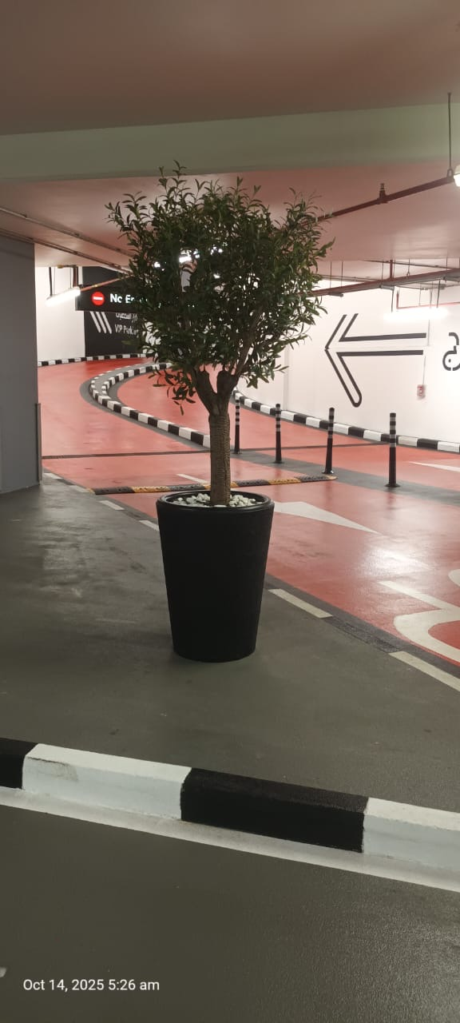
FP Lobbies | cell B20 | 