FV Assets
No | Photo | Description | Quantity on Floor | Remarks

1 | 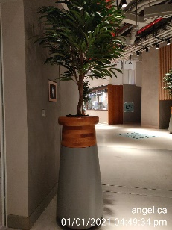 | Big planters pots | 38
2 | 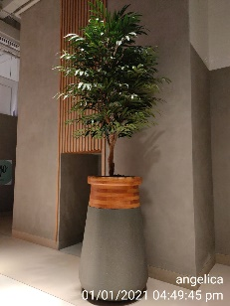 | Medium planters pots | 3
 | 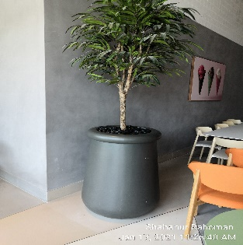 | Black planters Pot | 1
 | 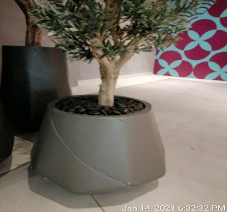 | Small Gray pot | 2
 | 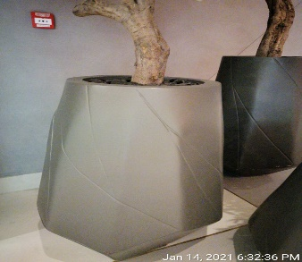 | Big Gray Pot | 2
 | 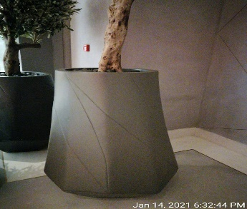 | medium Gray planters pots | 2
3 | 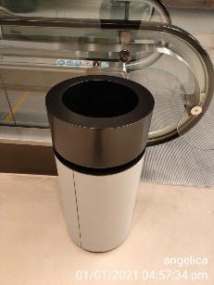 | Common area Bins | 22
 | 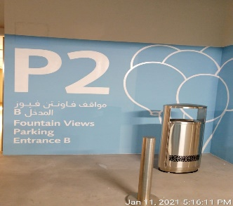 | External parking bins | 4
4 | 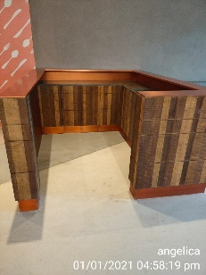 | Food court bins station | 0
5 | 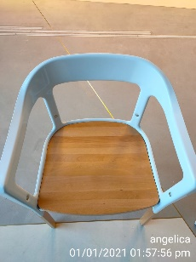 | Foodcourt White Single Chair | 0
6 | 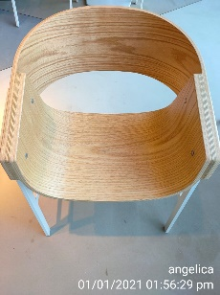 | Foodcourt Wooden Single Chair | 0
7 | 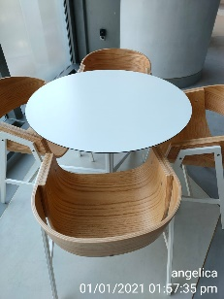 | Foodcourt Round White Table | 0
8 | 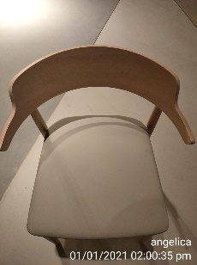 | Foodcourt Cream Single Chair | 0
9 | 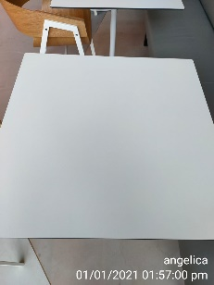 | Foodcourt Square White Table | 0
10 | 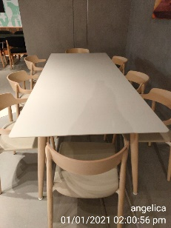 | Foodcourt Long Table | 0
11 | 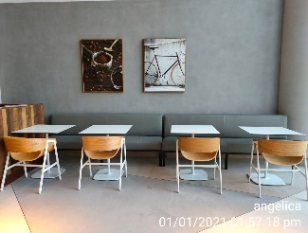 | Foodcourt Gray 2 seater Sofa | 0
12 | 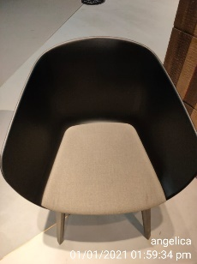 | Foodcourt Black Single Chair | 0
13 | 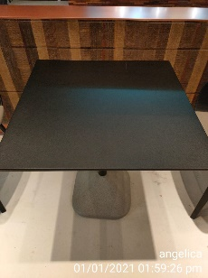 | Foodcourt Square Black Table | 0
14 | 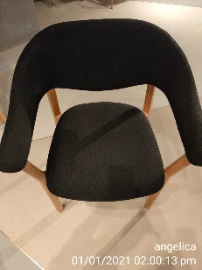 | Foodcourt Black Wooden Single Chair | 0
15 | 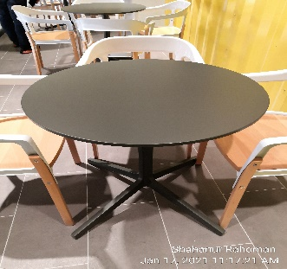 | Foodcourt Round Gray Table | 0
17 | 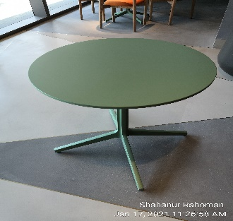 | Foodcourt Round Green Table | 0
18 | 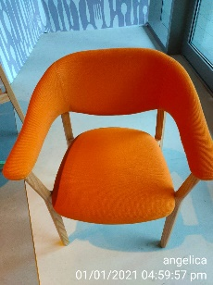 | Foodcourt Orange Single Chair | 0
 | 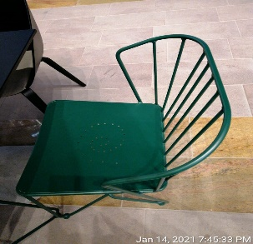 | Green steel chairs with back rest and arms | 0
 | 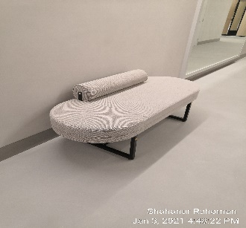 |  | 2
 | 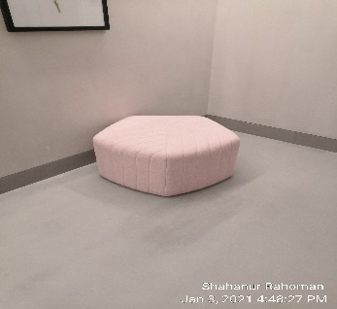 |  | 0
 | 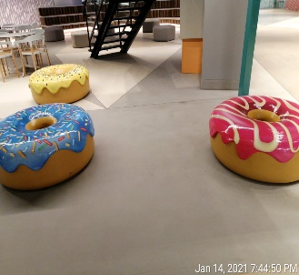 | Donut Seats | 0
 | 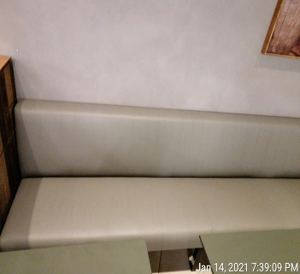 | Gray Long Sofa | 0
 | 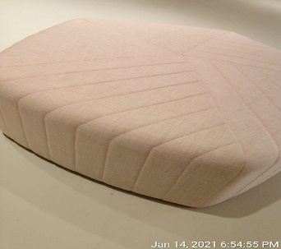 | Big Pink Hexagon Shape Sofa | 0
 | 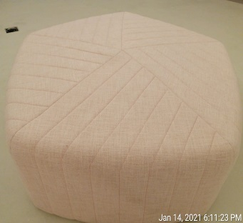 | Small Pink Hexagon Shape Sofa | 0
 | 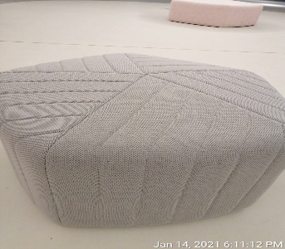 | Small Gray Hexagon Shape Sofa | 0
 | 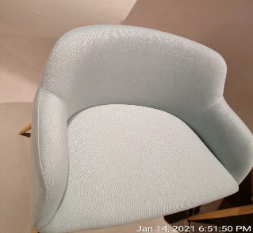 | Blue Single Sofa | 0
 | 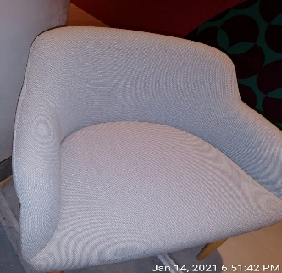 | Gray Single Sofa | 0
 | 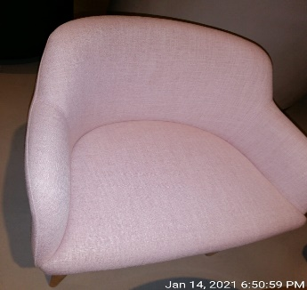 | Pink Single Sofa | 0
 | 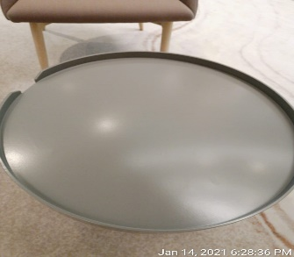 | Round Gray Coffee Table | 0
 | 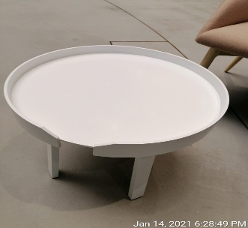 | Round White Coffee Table | 0
 | 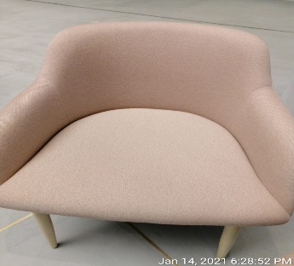 |  | 0
 | 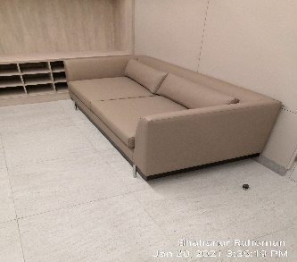 | Two seater leather sofas | 0
 | 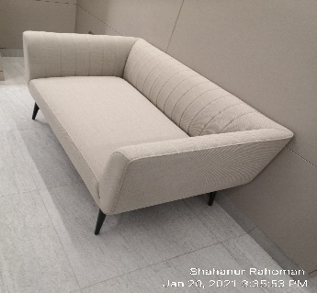 | two seater fabric sofas | 0
 |  | White small | 2
 |  | Linkbridge new plant white | 1
 |  | Linkbridge new bamboo plant white | 10

FV Photo Reference
Source tab | Shown at | Photo | Remarks

FV Washroom (Detailed) | AA3 | 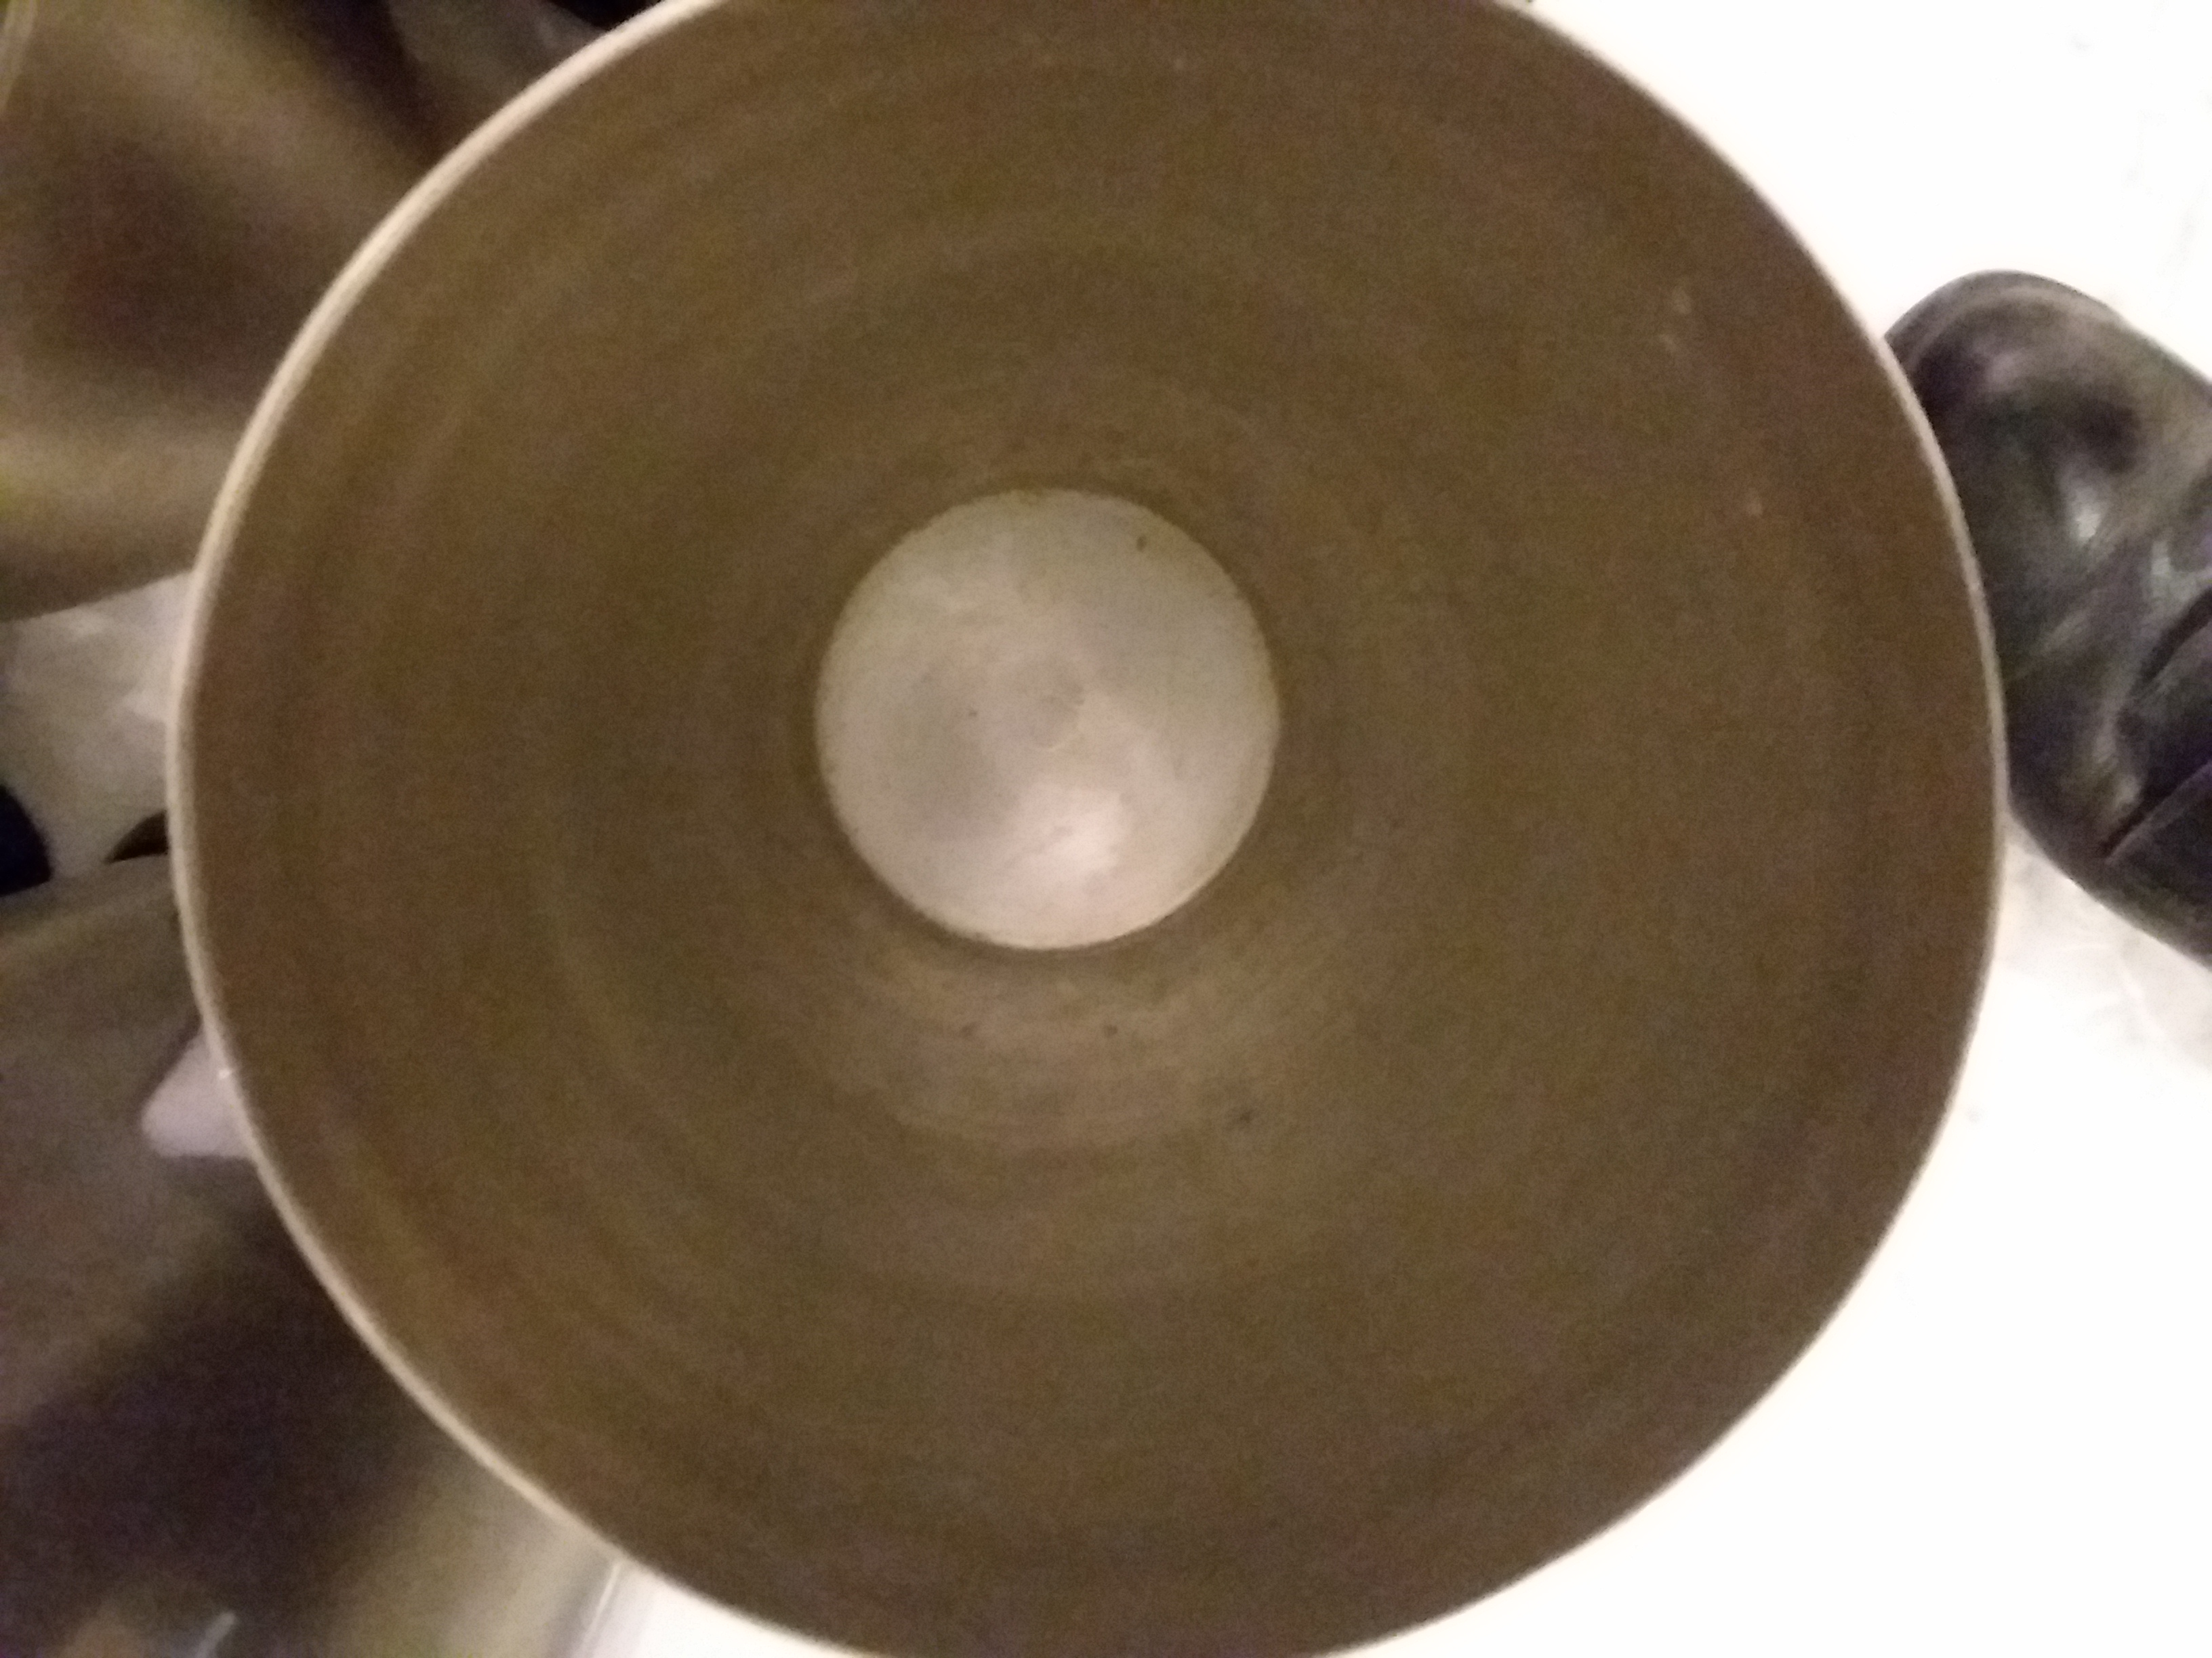
FV Washroom (Detailed) | A3 | 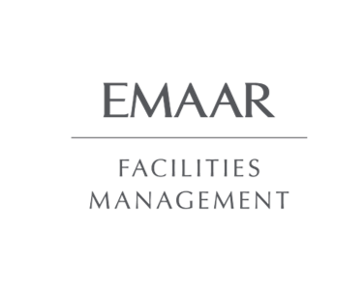
FV Handicap (Detailed) | A3
FV Baby Room (Detailed) | A2
FV Prayer Room | A3
FV Common Area Bins | A3 | 