SF FC Bin Spares
Type of Bins | Image | Total Spares | Good | Damaged | Remarks

Dry waste | 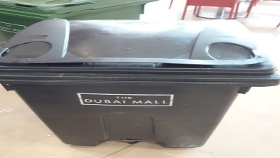 | 22 | 20 | 2
Wet waste | 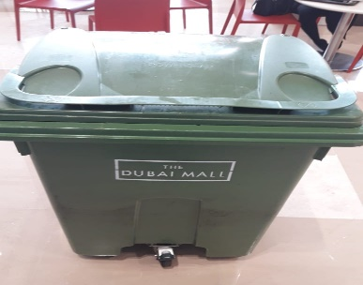 | 24 | 20 | 4

LG FC Bin Spares
Type of Bins | Image | Total | Good | Damaged | Remarks

Dry waste |  | 2 |  | 02 leaked
Wet waste |  | 11 | 8 | 03 leaked

