LG Food Court Furniture
Level | Location | Square Table with Marble Head | Plastic Black | Wooden Long sofa with back rest | Wooden Long table | Food waste Plastic Bins Green | Dry Waste Plastic Bins Black | Liquid Bins | Bins Station | Remarks
 |  |  |  | 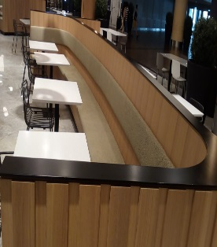 | 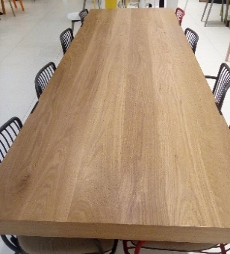 | 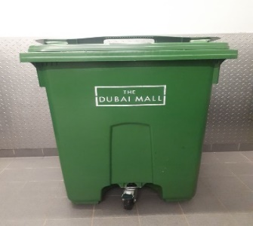 | 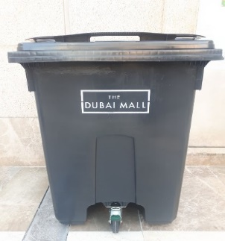 | 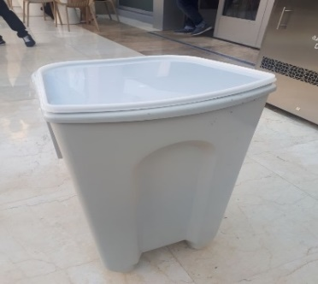 | 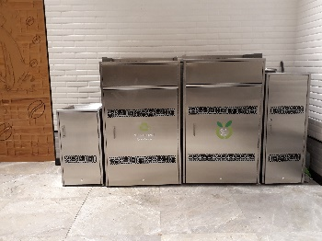
LG | LG Food Court | 187 | 595 | 11 | 9 | 12 | 2 | 4 | 4

