Mall External Dining
SL | Location | Material description | Assets Picture | Available Stock | Remarks

1 | KFC TERRACE | Green chair | 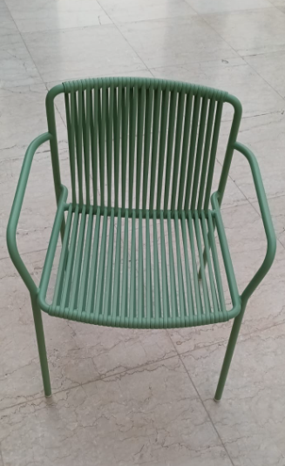 | 152
2 |  | Black chair | 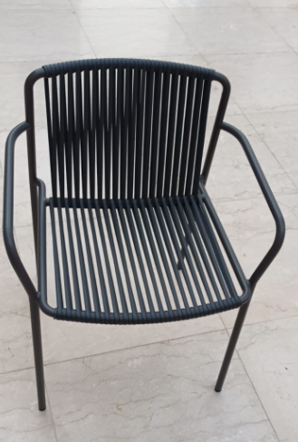 | 152
3 |  | Red table | 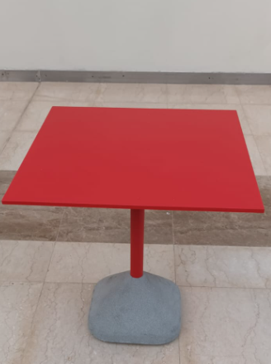 | 38
4 |  | White table | 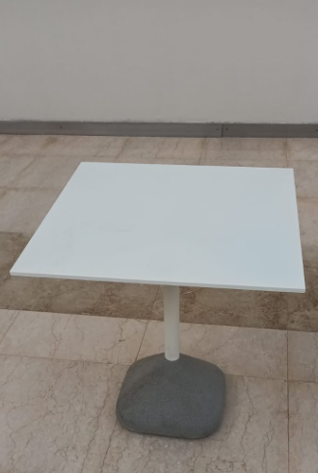 | 38
5 | AlBAIK TERRACE | Green chair |  | 144
6 |  | Black chair |  | 144
7 |  | Red table |  | 36
8 |  | White table |  | 36

 |  | Total | Chairs
 |  |  | Tables

