Sheet1
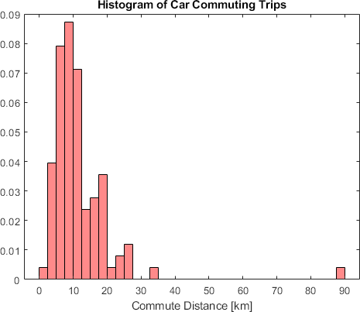
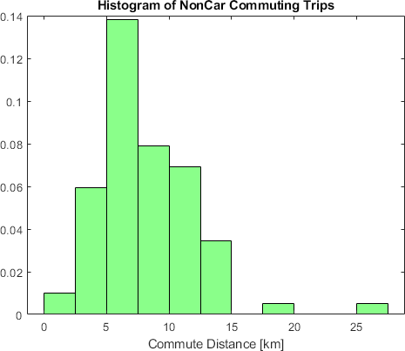
CarTrips | NonCarTrips
89.32 | 10.75
5.267 | 14.848
14.301 | 11.346
18.683 | 8.723
8.072 | 9.318
9.113 | 7.124
8.875 | 8.225
5.682 | 13.96
10.006 | 6.932
10.664 | 10.451
12.689 | 11.605
11.543 | 19.852
8.347 | 9.442
8.958 | 8.647
5.217 | 7.943
12.35 | 11.371
6.256 | 7.542
14.894 | 5.251
27.088 | 1.766
15.052 | 3.061
19.5 | 7.254
6.024 | 6.771
10.911 | 11.287
10.533 | 10.848
7.842 | 4.806
11.993 | 9.367
12.216 | 12.445
17.749 | 6.052
15.475 | 5.913
6.021 | 11.398
2.83 | 7.139
7.21 | 12.93
5.759 | 10.163
8.648 | 6.331
7.758 | 7.394
13.83 | 9.344
9.884 | 8.9
8.944 | 0
7.513 | 5.83
16.56 | 8.535
11.586 | 14.156
9.821 | 9.697
11.892 | 13.429
20.349 | 11.736
13.837 | 4.787
7.299 | 4.524
10.904 | 6.701
17.914 | 6.696
4.19 | 11.526
26.695 | 5.892
23.051 | 5.572
9.079 | 3.754
11.672 | 6.114
10.816 | 5.423
5.752 | 2.574
7.455 | 6.656
10.643 | 6.666
4.128 | 4.577
5.726 | 14.36
4.455 | 7.161
7.561 | 6.6
8.379 | 25.53
6.191 | 4.322
18.2 | 9.039
18.626 | 6.061
11.16 | 10.29
5.366 | 7.08
1.914 | 12.631
3.029 | 7.119
8.247 | 11.841
17.173 | 6.014
11.09 | 6.56
16.943 | 9.182
4.77 | 3.003
17.991 | 4.462
7.654 | 8.892
6.782 | 5.745
26.865 | 4.554
6.416 | 9.414
12.611 | 4.19
9.374 | 6.869
5.336
16.161
15.264
7.934
2.728
7.872
5.135
11.059
8.756
3.897
6.682
34.948
19.298
8.891
18.719
22.569
10.901
4.54
5.164
4.743

