Sheet1
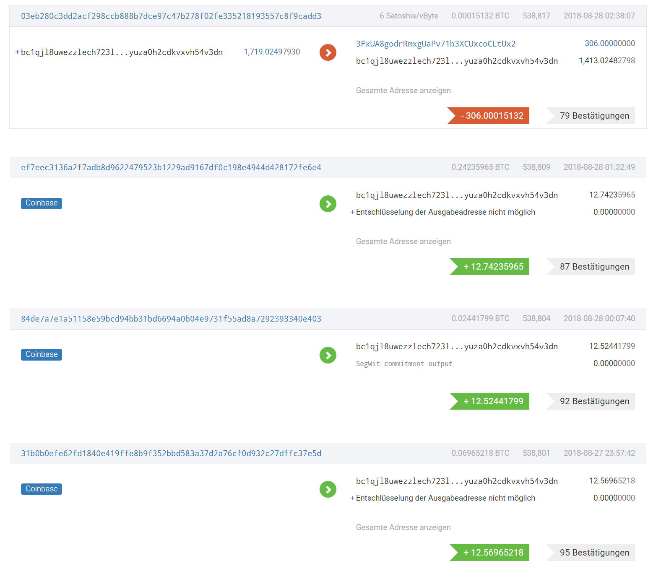
10 BIGGEST BTC MINING POOLS AUG 28 2018
 | hash power 3days avg | % of blocks last 6 months | release | payout method | fees | transaction fees | payout threshold | payout | Recent address
BTC.com | 8.70 EH/s | 23.95% | 2015 | FPPS | 4.00% | shared |  | daily | bc1qjl8uwezzlech723lpnyuza0h2cdkvxvh54v3dn
SlushPool | 7.56 EH/s | 11.05% | 2010 | Score-based | 2.00% | shared | 0.001 BTC | every hour | 1CK6KHY6MHgYvmRQ4PAafKYDrg1ejbH1cE
AntPool | 6.73 EH/s | 14.27% | 2014 | PPS / PPLNS | 4%+2% / 0% | kept | 0.001 BTC | daily | 1Nh7uHdvY6fNwtQtM1G5EZAFPLC33B59rB
BTC.TOP (private) | 5.49 EH/s | 9.44% | 2016 |  |  |  |  |  | 1Hz96kJKF2HLPGY15JWLB5m9qGNxvt8tHJ
ViaBTC | 4.76 EH/s | 10.37% | 2016 | PPS / PPLNS | 4% / 2% | shared |  | daily | 1P3GQYtcWgZHrrJhUa4ctoQ3QoCU2F65nz
F2Pool | 4.14 EH/s | 8.03% | 2013 | PPS | 2.50% | kept | 0.005 BTC | daily | 1KFHE7w8BhaENAswwryaoccDb6qcT6DbYY
Poolin | 2.28 EH/s | 1.33% | 2018 | FPPS | 4.00% | shared | 0.0005 BTC | daily | 36n452uGq1x4mK7bfyZR8wgE47AnBb2pzi
BitClub (no details on homepage) | 2.07 EH/s | 1.93% | 2014 |  | 0.00% |  |  |  | 155fzsEBHy9Ri2bMQ8uuuR3tv1YzcDywd4
Bixin | 1.04 EH/s | 1.96% | 2016 | HPPS+ | 4%+2% | shared |  | daily | 13hQVEstgo4iPQZv9C7VELnLWF7UWtF4Q3
DPOOL (homepage only chinese) | 0.93 EH/s | 2.61% | 2018 |  |  |  |  |  | 1ACAgPuFFidYzPMXbiKptSrwT74Dg8hq2v

 | hard to find details

SUMMARY
Fees: Fees are within a range of 0-6 %
Mined blocks: The current top 10 (measured with 3day average hash-rate) mined 84.94% of all blocks in the last 6 months
Payouts: All big pools pay out every day ("redeem transaction"). The problem here is that some pools have a minimum payout threshold, so the time to redeem is going to be longer than 1 day.

BITCOIN ADDRESSES

1. One good thing is that the big mining pools don't tend to change their addresses too often
BTC.com for instance last changed their address on 2018-08-02 02:52:42, and before that on 2018-01-01 03:10:45, before that they have changed more frequently ( ~ 1-2 months)
If you like I could probably try to collect all the past addresses of the biggest pools, but it would take some effort. But to check the addresses from now onwards would be really simple.
2. Considering the graphic below (also BTC.com):
I think it could lead to a problem that in the so-called "redeem transaction" the output is still only 1 address and thererfore not going to be considered a mining pool. Also I do not yet understand the reason for this behaviour.

