Alignment Horizontal Segment
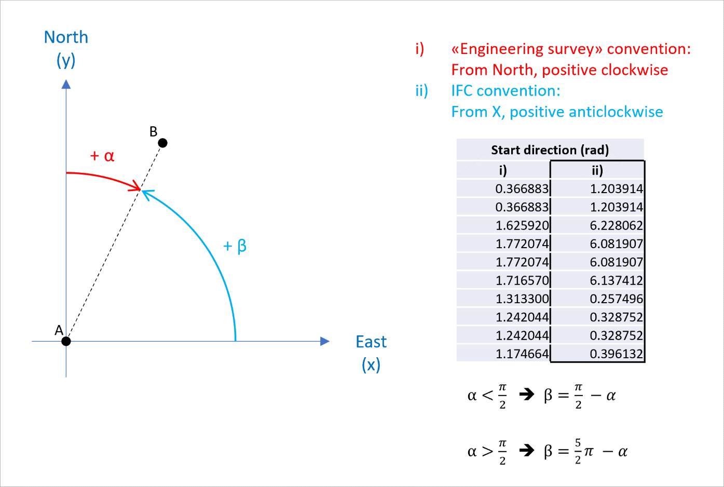
Mapping notes |  | Linear = LINE Clothoid = CLOTHOID Circular = CIRCULARARC |  |  | Radian unit based on IFC convention (from X, positive CCW) | For a LINE, 0 - 0; For a CIRCULARARC, Radius - Radius; For a CLOTHOID between a LINE and a CIRCULARARC, 0 - Radius; For a CLOTHOID between a CIRCULARARC and a LINE, Radius - 0; For 0 = infinite radius; Positive values imply a CCW direction whereas negative CW |  | Equal to the distance between the station points. But we take the Length column as master.
Mapping with ITF spreadsheet |  | Element | Start Easting | Start Northing | Start Direction | Radius | Radius | Length |  | DO NOT DELETE
 | ID | PredefinedType | Start Point X | Start Point Y | Start Direction (rad) | Start Radius Of Curvature | End Radius Of Curvature | Segment Length | Type of Alignment Horizontal Segment | IFC /SW ELEMENTS MATCHING Type of Alignment Horizontal Segment
 | 1 | LINE | 452270.1883 | 4539403.9474 | 0.34992414573 | 0 | 0 | 387.7233 | LINE | LINE | Linear
 | 2 | CLOTHOID | 452634.4150 | 4539536.8692 | 0.34992414573 | 0 | 1000 | 40.0000 | CIRCULARARC | CIRCULARARC | Circular
 | 3 | CIRCULARARC | 452671.8980 | 4539550.8322 | 0.36992415288 | 1000 | 1000 | 193.4645 | CLOTHOID | CLOTHOID | Clothoid
 | 4 | CLOTHOID | 452844.4075 | 4539637.7367 | 0.56338861212 | 1000 | 0 | 40.0000 | CUBIC | CUBIC | Italian Cubic Parabola
 | 5 | LINE | 452877.9371 | 4539659.5475 | 0.58338861927 | 0 | 0 | 38.9815 | BIQUADRATICPARABOLA
 | 6 | CLOTHOID | 452910.4711 | 4539681.0207 | 0.58338861927 | 0 | -1000 | 40.0000 | BLOSSCURVE
 | 7 | CIRCULARARC | 452944.0007 | 4539702.8314 | 0.56338861212 | -1000 | -1000 | 109.4317 | COSINECURVE
 | 8 | CLOTHOID | 453039.5298 | 4539756.1001 | 0.45395687119 | -1000 | 0 | 40.0000 | SINECURVE
BROKEN CHAINAGE | 9 | LINE | 453075.7086 | 4539773.1600 | 0.43395686404 | 0 | 0 | 139.7711 | VIENNESEBEND
 | 10 | LINE | 453202.5241 | 4539831.9290 | 0.43395686404 | 0 | 0 | 50.5130
 | 11 | CLOTHOID | 453248.3550 | 4539853.1680 | 0.43395686404 | 0 | 600 | 60.0000
 | 12 | CIRCULARARC | 453303.2003 | 4539877.4820 | 0.38395686187 | 600 | 600 | 172.8224
 | 13 | CLOTHOID | 453470.4921 | 4539918.4100 | 0.095919515306 | 600 | 0 | 60.0000
 | 14 | LINE | 453530.3680 | 4539922.1620 | 0.045919513136 | 0 | 0 | 85.8871

 | Tot check |  |  |  |  |  |  | 1458.5946

 |  |  | data from ITF | angle values in IFC
 |  |  | Start Direction | Start Direction (rad)
 |  |  | Grad | Grad | Deg to Rad (ITF) | Rad (ITF) to Rad (IFC)*
 |  |  | 77.723137g | 77.723137 | 1.2208721811 | 0.34992414573
 |  |  | 77.723137g | 77.723137 | 1.2208721811 | 0.34992414573
 |  |  | 76.449897g | 76.449897 | 1.2008721739 | 0.36992415288
 |  |  | 64.133567g | 64.133567 | 1.0074077147 | 0.56338861212
 |  |  | 62.860327g | 62.860327 | 0.98740770753 | 0.58338861927
 |  |  | 62.860327g | 62.860327 | 0.98740770753 | 0.58338861927
 |  |  | 64.133567g | 64.133567 | 1.0074077147 | 0.56338861212
 |  |  | 71.100208g | 71.100208 | 1.1168394556 | 0.45395687119
 |  | BROKEN CHAINAGE | 72.373448g | 72.373448 | 1.1368394628 | 0.43395686404
 |  |  | 72.373448g | 72.373448 | 1.1368394628 | 0.43395686404
 |  |  | 72.373448g | 72.373448 | 1.1368394628 | 0.43395686404
 |  |  | 75.556547g | 75.556547 | 1.1868394649 | 0.38395686187
 |  |  | 93.893574g | 93.893574 | 1.4748768115 | 0.095919515306
 |  |  | 97.076673g | 97.076673 | 1.5248768137 | 0.045919513136

 |  |  | *Italferr to IFC convention
 |  |  | When using IFC to exchange information, the file must respect IFC convention [marked as ii] in the figure below. This implies a right-hand cartesian coordinate systems, and angles are measured from x-axis, counter clock-wise.

