Sheet1
 | UDEMY | Docker for the Absolute Beginner - Hands On - DevOps
 |  |  |  |  |  |  |  |  |  | PREVIOUSLY |  | DOCKER
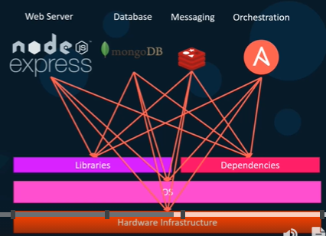
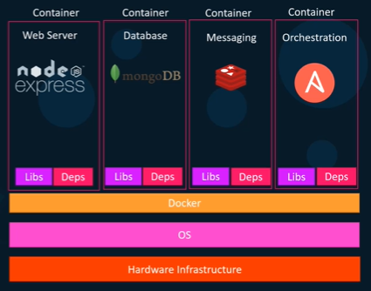
 | Why do we need docker?
 |  | Compatibility/Dependency
 |  | Long setup time
 |  | Different Dev/Test/Product environments
 | => Docker
 |  | A platform
 |  | Containerize applications
 |  | Run each service with its own dependencies in separate containers

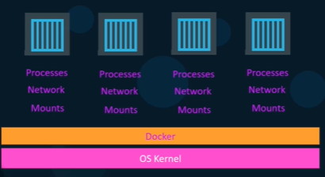
 | What are containers?
 |  | completely isolated environments
 |  | have their own processes, services, network interfaces, mounts
 |  | share the same OS Kernel

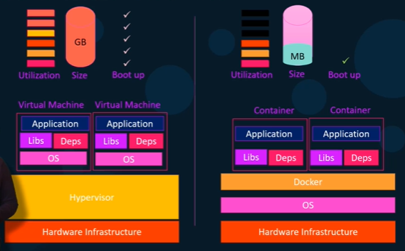
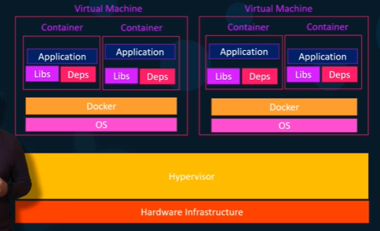
 | Containers and Virtual Machines

 | Docker is NOT meant to virtualize and run different OS and kernel on the same hardware (like VMs).
 | Docker is to package and containerized applications and to ship them and to run anywhere, anytime.

 | docker hub |  | https://hub.docker.com/
 |  |  | library and community for container images
 |  |  | Ex. MongoDB, NodeJS, Redis

 | VM: Each VM has it own OS, dependencies, apllications.
 |  | Higher utilization of underlying resouces
 |  | Higher disk space (GB size)
 |  | Take minutes to boot up the entire OS |  |  |  |  |  |  | EXS
 | => COMBINE
 |  | Large environments with thousands of application containers running on thousand of docker hosts
 |  | = containers provisioned on virtual docker hosts

 | Container vs Docker Image

 | Docker Image : Package template plan
 | => | Docker Container #1
 |  | Docker Container #2
 |  | Docker Container #3

 | Docker Editions
 |  | Community Edition |  | Linux, MAC, Windows, AWS, Azure
 |  | Enterprise Edition

 |  | https://docs.docker.com/
 |  | https://docs.docker.com/engine/install/ubuntu/

 | Install Docker
 |  | sudo curl -fsSL https://get.docker.com -o get-docker.sh
 |  | sudo sh get-docker.sh
 |  | sudo docker version
 |  | docker run docker/whalesay cowsay boo

Section 2: Docker Commands

 | docker run |  |  | start a container
 |  | run a container from an image
 | docker ps |  |  | list containers
 | docker ps -a
 | docker stop container_ID / name |  |  | stop a container
 | docker rm container_ID/name |  |  | remove a container

 | docker images |  |  | list images
 | docker rmi repository_name |  |  | remove images
 |  | Delete all dependent containers to remove image
 | docker pull repository_name |  |  | download an image

 | docker run ubuntu |  |  | container stops immediately
 | docker run ubuntu sleep 5 |  |  | container starts, it runs to sleep command and goes into sleep for 5 seconds, then stops

 | docker exec container_ID/name cmd |  |  | execute a command on a running container
 |  | docker exec tung_ubuntu cat /etc/hosts

 | docker run -d repository_name |  |  | attach and detach
 |  | docker run kodekloud/simple-webapp |  |  |  | container runs and blocks console until Ctrl+C
 |  | docker run -d kodekloud/simple-webapp |  |  |  | container runs in the backend

 | docker attach docker_ID/name |  |  | attach a running docker
 |  | docker attach a043d

 | Demo |  |  |  |  |  |  |  | https://udlabs.kodekloud.com/courses/labs-docker-for-the-absolute-beginner-hands-on/
 | Run centOS images |  |  |  |  |  |  |  | https://udlabs.kodekloud.com/topic/labs-basic-docker-commands-beta/
 |  | docker run centos |  |  |  |  |  |  | https://www.facebook.com/groups/2258313171101160/
 |  | docker run -it centos bash |  |  |  |  |  |  | https://docs.docker.com/engine/reference/commandline/run/
 |  | cat /etc/*release*
 |  | exit

 |  | docker pull nginx |  |  | TAG = latest
 |  | docker pull nginx:1.14-alpine |  |  | TAG = 1.14-alpine
 |  | docker run --name webapp nginx:1.14-alpine |  |  |  |  |  |  |  |  | PORT Mapping |  | Volume mapping
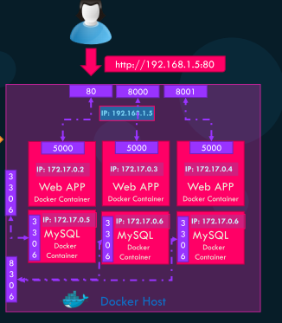
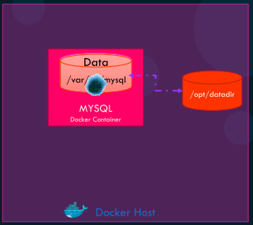
Section 3: Docker Run
 | TAG
 |  | docker run redis:4.0
 | STDIN
 |  | By default the docker container does not listen to a standard input
 |  | docker run -it kodekloud/simple-prompt-docker
 |  |  | i: standard input
 |  |  | t: pseudo terminal
 | PORT mapping
 |  | docker run kodekloud/webapp |  |  |  | running on http://0.0.0.0:5000/
 |  |  |  |  |  | Internal docker user access http://172.17.0.2:5000
 |  | docker run -p 80:5000 kodekloud/simple-webapp |  |  |  | map port 80 of local host to port 5000 on docker container
 |  |  |  |  |  | Outside user access http://192.168.1.5:80

 | Volume mapping
 |  | docker run mysql |  |  |  | Data lost when docker stop and rm
 |  | => Map to a directory on host
 |  | docker run –v /opt/datadir:/var/lib/mysql mysql

 | Inspect Container
 |  | docker inspect container_ID/name |  |  |  | Container Status, Networks, IP Address,…

 | Container Logs
 |  | docker logs container_ID/name |  |  |  |  |  |  | https://udlabs.kodekloud.com/topic/labs-docker-run-commands/
 |  | docker history container_ID/name |  |  |  |  |  |  | https://www.linkedin.com/in/mumshad-mannambeth-29987029/

 | DEMO
 |  | docker run ubuntu:17.10 cat /etc/*release*
 |  | docker run -d timer
 |  | docker run -p 8080:8080 -v /root/my-jenkins-data:/var/jenkins_home -u root jenkins

 | ENV Variables
 |  | docker run -e APP_COLOR=blue simple-webapp-color |  |  |  |  |  | color = os.environ.get('APP_COLOR')
 |  | docker run -e APP_COLOR=red simple-webapp-color
 |  | docker run --name mysql-db -e MYSQL_ROOT_PASSWORD=db_pass123 mysql

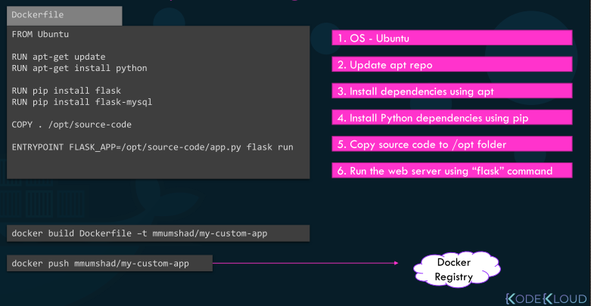
Section 4: Docker Images
 | Dockerfile
 |  | a text document
 |  | using docker build
 |  | build instructions to build the image
 |  | => ensure the latest version available

 |  | [INSTRUCTION] [ARGUMENT]

 | DEMO |  |  |  |  |  |  | https://github.com/mmumshad/simple-webapp-flask
 |  | docker run -it ubuntu bash |  |  |  |  |  |  |  |  | FROM ubuntu
 |  | apt-get update |  |  |  |  |  |  |  |  | RUN apt-get update
 |  | apt-get install -y python |  |  |  |  |  |  |  |  | RUN apt-get install -y python python3-pip
 |  | apt-get install -y python-pip
 |  | pip install flask |  |  |  |  |  |  |  |  | RUN pip3 install flask
 |  | cat > /opt/app.py |  |  |  |  |  | Copy source code from local app.py |  |  | COPY . /opt/app.py
 |  | FLASK_APP=/opt/app.py flask run --host=0.0.0.0 |  |  |  |  |  |  |  |  | ENTRYPOINT FLASK_APP=/opt/app.py flask run --host=0.0.0.0

 |  | docker build .
 |  | docker build . -t my-simple-webapp |  |  |  |  |  |  | https://udlabs.kodekloud.com/topic/labs-docker-images/
 |  | docker build . -t tungbui/my-simple-webapp |  |  |  |  |  |  | https://udlabs.kodekloud.com/topic/labs-envirnoment-variables/
 |  |  |  |  |  |  |  |  | https://udlabs.kodekloud.com/topic/labs-command-entrypoint/
 |  | docker login
 |  | docker push tungbui/my-simple-webapp

 | CMD vs ENTRYPOINT
 |  | FROM ubuntu |  |  | docker run ubuntu-sleeper sleep 10
 |  | CMD sleep 5
 |  | CMD ["sleep", "5"]

 |  | FROM ubuntu |  |  | docker run ubuntu-sleeper 10
 |  | ENTRYPOINT ["sleep"]

 |  | Entrypoint instruction specifies the program that will be run when the container starts.

 |  | ENTRYPOINT ["sleep"] |  |  | For safety reason
 |  | CMD ["5"]

 |  | docker run --entrypoint sleep2.0 ubuntu-sleeper 10 |  |  |  |  | Over-write entrypoint

 |  | EXPOSE 8080
 |  | WORKDIR /opt
 |  | ENTRYPOINT ["python", "app.py"]

 | Find a lite docker image (40MB)
 |  | https://hub.docker.com/_/python?tab=tags&page=1&ordering=last_updated
 |  | docker pull python:3.6.14-alpine3.14
 |  | FROM python:3.6 ---> python:3.6.14-alpine3.14
 |  | docker build . -t webapp-color:lite
 |  | docker run -p 8383:8080 webapp-color:lite

