Intro
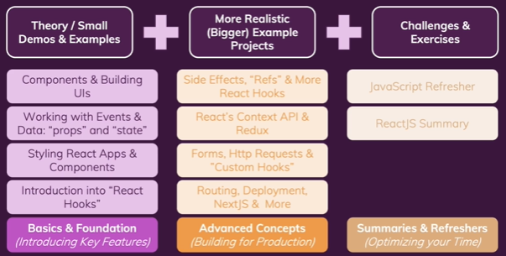
React - The Complete Guide (incl Hooks, React Router, Redux)
https://www.udemy.com/course/react-the-complete-guide-incl-redux/
Created by Maximilian Schwarzmuller

https://github.com/academind/react-complete-guide-code/tree/01-getting-started

Section 3 | React Basics & Working with Components | 3.Component | 2022-12-11
Section 4 | React State & Working with Events | 4.useState | 2022-12-19
Section 5 | Rendering Lists & Conditional Content | 5.RenderList | 2023-01-02
Section 6 | Styling React Components | 6.Style | 2023-01-12
Section 7 | Debugging React Apps |  | 2023-01-03
Section 8 | Practice 1: Add User App |  | 2023-01-14
Section 9 | Diving Deeper: Working with Fragments, Portals & Refs | 9.Fragment | 2023-01-14
Section 10 | Advanced: Handling Side Effects, | 10.UseEffect | 2023-01-14
 | Using Reducer, | 10.useReducer | 2023-01-15
 | and Using the Context API | 10.useContext | 2023-01-15
Section 11 | Practice 2: Food Order App |  | 2023-01-24
Section 12 | A Look Behind the Scenes of React & Optimization | 12.Optimization | 2023-01-17
Section 13 | An Alternative Way of Building Components: Class-based Components | 13.ClassLifecycle | 2023-01-16
Section 14 | Sending Http Requests | 14.http | 2023-01-16
Section 15 | Building Custom React Hooks | 15.customHook | 2023-01-28
Section 16 | Working with Forms & User Input | 16.Form | 2023-01-29
Section 17 | Practice 3: Adding http & forms to food order app |  | 2023-02-05
Section 18 | Diving into Redux | 18.Redux | 2023-02-13 | https://github.com/facebook/create-react-app
Section 19 | Advanced Redux |  |  | $ npx create-react-app 03-react-components
Section 20 | Building a Multi-Page SPA with React Router |  |  | (or) $ npm init react-app my-app
Section 21 | Deploying React Apps | 21.Deploy | 2023-01-04 | $ npm start
Section 22 | Adding Authentication To React Apps |  |  | $ npm run build //build production
Section 23 | A (Pretty Deep Dive) Introduction to Next.js
Section 24 | Animating React Apps |  |  | https://reactjs.org/docs/getting-started.html | nhúng thư viện React, React-DOM
Section 25 | Replacing Redux with React Hooks |  |  | https://babeljs.io/setup#installation | thư viện babel support JSX
Section 26 | Testing React Apps (Unit Tests) |  |  | React dev tool
Section 27 | React + TypeScript |  |  | Redux dev tool
Section 28 | Optional: React Hooks
Section 29 | Optional: React Summary & Core Features

F8 Official - ReactJS 2022 |  |  | 2022-12-29
https://www.youtube.com/playlist?list=PL_-VfJajZj0UXjlKfBwFX73usByw3Ph9Q |  |  | 2022-01-03

3.Component
React is all about "Components"

Section 3 |  | React Basics & Working with Components

React.js
 | THE most popular JavaScript library
 | All about building modern, reactive user interfaces (UI) for the web.
 | Run directly on Browser

React is all about “Components”
 | Component: Re-usable & Separation of Concerns
 |  | => Split big chunks of code into multiple smaller functions
 | Component = HTML + CSS + JavaScript
 | "React Component"
 |  | A JavaScript function which typically returns HTML (JSX) code that should be displayed.

Declarative approach:
 | Define the desired target state(s) and let React figure out the actual JS DOM instructions.

JSX
 | JSX = JavaScript XML
 | HTML code inside JavaScript code.

Initialize React app
 | https://github.com/facebook/create-react-app
 | $ npx create-react-app 03-react-components
 | $ npm start
 |  | Package.json
 |  |  | "react": "^18.2.0",
 |  |  | "react-dom": "^18.2.0",

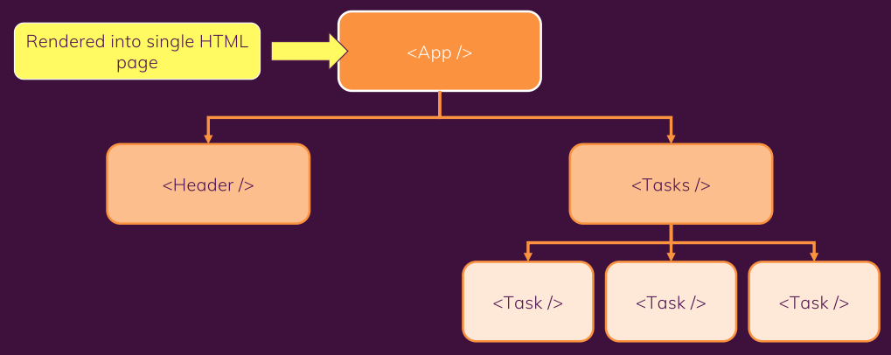
Build a component tree
 | Build a first custom component |  |  | => ./components/ExpenseItem.js
 | Write more complex JSX code |  |  | => return (<div>...</div>);
 | Add basic CSS Styling |  |  | => ./components/ExpenseItem.css
 | Output dynamic data |  |  | => <h2>{expenseTitle}</h2>
 | Work with Expression in JSX
 | Pass data via "props"
 |  | props = an object that holds all values of the Components
 |  | App.js
 |  |  | import ExpenseItem from './components/ExpenseItem'
 |  |  | <ExpenseItem title={expenses[0].title} ></ExpenseItem>
 |  | ExpenseItem.js
 |  |  | function ExpenseItem(props) {
 |  |  | ...props.title, props.date, props.amount
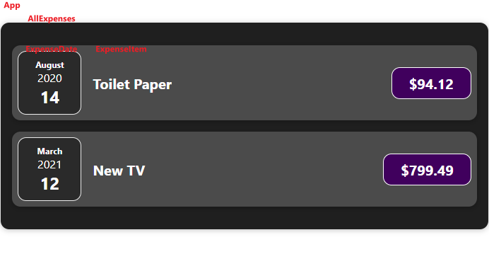
 |  |  | }
 | Add "normal" JS logic to components
 |  | ExpenseItem.js
 |  |  | //Extract month, year, date
 |  |  | const month = props.date.toLocaleString('en-US', {month: 'long'});
 |  |  | <div>{month}</div>
 | Split components into multiple components
 |  | => ./components/ExpenseDate.js
 |  | => ./components/ExpenseDate.css
 |  | ExpenseItem.js
 |  |  | import ExpenseDate from './ExpenseDate'
 |  |  | <ExpenseDate date={props.date}></ExpenseDate>
 | The concept of "Composition" (children-props)
 |  | Composition = the approach of building a user interface from smaller building blocks
 |  |  | Ex. App => AllExpenses => ExpenseItem => ExpenseDate
 |  | children props = always be the content between the opening and closing tags of our custom component
 |  |  | Example: Replace <div> by our custom <Card>

A closer look at JSX
 | JSX |  |  |  | JavaScript
 | return ( |  |  |  | return React.createElement(
 | <div> |  |  |  | 'div',
 | <h2>Hi Tung</h2> |  |  |  | {},
 | <Expenses item={expenses}/> |  |  |  | React.createElement('h2', {}, "Hi Tung"),
 | </div> |  |  |  | React.createElement(Expenses, { items: expenses }),
 | ); |  |  |  | );

4.useState
Intro | React State - useState
 | Handling Events
 | Updating the UI and Working with States

 | Section 4 |  | React State & Working with Events

 | React State
 |  | One of the React Hooks
 |  | The state is a built-in React object that is used to contain data or information about the component.
 |  | A component's state can change over time; whenever it changes, the component re-renders.
 |  | Note: Only the specific instance of component is re-evaluated, others not changed.

 |  | How to use?
 |  |  | import React, { useState } from 'react'
 |  |  | const [filteredYear, setfilteredYear] = useState('2020');
 |  | Note: It returns an array with exactly two elements.
 |  | Note: Calling 'useState' again will simple create a new state, instead of update the state value.

 |  | Working with Event Handlers
 |  |  | const clickHandler = () => { … }
 |  |  | <Button onClick = {clickHandler}></Button>

 |  | Working with State
 |  |  | import React, { useState } from 'react'
 |  |  | const [title, setTitle] = useState(props.title); |  |  |  | // always return an array with these values
 |  |  | const clickHandler = () => {
 |  |  | setTitle("Updated!!!")
 |  |  | console.log("title = ", title);
 |  |  | }

 |  | Add Form Input
 |  |  | /components/NewExpense/ExpenseForm.js
 |  |  |  | <form onSubmit={submitHandler}> |  |  | //Handle button submit event
 |  |  |  | <div className='new-expense__controls'>
 |  |  |  | <div className='new-expense__controls'> |  |  | //Title
 |  |  |  | <label>Title</label>
 |  |  |  | <input type='text' onChange={titleChangeHandler}/>
 |  |  |  | </div>
 |  |  |  | ... |  |  | //Amount, Date
 |  |  |  | </div>
 |  |  |  | <div className='new-expense__actions'>
 |  |  |  | <button type='submit'>Add Expense</button>
 |  |  |  | </div>
 |  |  |  | </form>
 |  |  | /components/NewExpense/NewExpense.js
 |  |  |  | import ExpenseForm from './ExpenseForm';

 |  | Handling multiple States |  |  |  |  |  | Using one State instead |  |  | Improve updating State depends on previous State
 |  |  | /components/NewExpense/ExpenseForm.js
 |  |  |  | const [enteredTitle, setEnteredTitle] = useState(''); |  |  |  | const [userInput, setUserInput] = useState({
 |  |  |  | const [enteredAmount, setEnteredAmount] = useState(''); |  |  |  | enteredTitle: '',
 |  |  |  | const [enteredDate, setEnteredDate] = useState(''); |  |  |  | enteredAmount: '',
 |  |  |  |  |  |  |  | enteredDate: ''
 |  |  |  | const titleChangeHandler = (event) => { |  |  |  | })
 |  |  |  | setEnteredTitle(event.target.value);
 |  |  |  | }; |  |  |  | const titleChangeHandler = (event) => { |  |  | //...userInput might not be the latest previous State
 |  |  |  | … |  |  |  | setUserInput({ |  |  | setUserInput((prevState) => {
 |  |  |  |  |  |  |  | ...userInput, //Retain the other values |  |  | return { ...prevState, enteredTitle: event.target.value };
 |  |  |  |  |  |  |  | enteredTitle: event.target.value |  |  | });
 |  |  |  |  |  |  |  | })
 |  |  |  |  |  |  |  | };

 |  | Handling Form submission
 |  |  | const submitHandler = (event) => {
 |  |  | //Do not reload the page
 |  |  | event.preventDefault(); |  | //Prevent page re-rendering
 |  |  | const expenseData = { |  | //Construct new expense object
 |  |  | title: enteredTitle,
 |  |  | amount: enteredAmount,
 |  |  | date: new Date(enteredDate)
 |  |  | }
 |  |  | console.log(expenseData)
 |  |  | props.onSaveExpenseData(expenseData); |  |  | //invoke child-to-parent communication
 |  |  | setEnteredTitle(''); |  | //Clear input data with two-way bindings
 |  |  | setEnteredAmount('');
 |  |  | setEnteredDate('');
 |  |  | };

 |  | Two-way bindings
 |  |  | Not only listen to changes, but also pass values back into the input.
 |  |  | Use case: Handle form submission, and clear input data.
 |  |  | Example: Clear amount data after form submission
 |  |  |  | <div className='new-expense__controls'>
 |  |  |  | <label>Amount</label>
 |  |  |  | <input type='number' min="0.01" step="0.01" value={enteredAmount} onChange={amountChangeHandler}/>
 |  |  |  | </div>

 |  | Child-to-Parent component communication (Bottom up)
 |  |  | Pass data from child component back to parent component.
 |  |  | We already use this unintentionally: onClick, onSubmit, etc.
 |  |  | Example: | /components/NewExpense/NewExpense.js
 |  |  |  | const saveExpenseDataHandler = (enteredExpenseData) => {
 |  |  |  | const expenseData = {
 |  |  |  | ...enteredExpenseData,
 |  |  |  | id: Math.random().toString()
 |  |  |  | }
 |  |  |  | console.log('new expense: ', expenseData);
 |  |  |  | };
 |  |  |  | return (
 |  |  |  | <div className='new-expense'>
 |  |  |  | <ExpenseForm onSaveExpenseData={saveExpenseDataHandler} /> |  |  |  | //Pass props to Child component
 |  |  |  | </div>
 |  |  |  | );

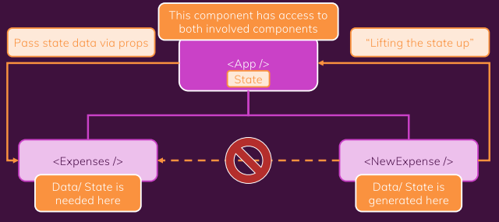
 |  | Lifting the State Up
 |  |  | There is no connection between two siblings components.
 |  |  | By now, we can only communicate from parent to child, and from child to parent.
 |  |  | =>
 |  |  | Lifting the state up = moving data from a child component,
 |  |  |  | to some parent component, to either use it there
 |  |  |  | or to pass it to some other child components

 |  | Controlled vs Uncontrolled Components
 |  |  | Controlled Components
 |  |  |  | Pass the value to the parent component,
 |  |  |  | and receive it back from the parent component

 |  |  | For example, Expenses/ExpensesFilter.js
 |  |  |  | const ExpensesFilter = (props) => {
 |  |  |  | const onValueSelected = (event) => {
 |  |  |  | props.onValueSelected(event.target.value);
 |  |  |  | }
 |  |  |  | return (
 |  |  |  | <div className='expenses-filter'>
 |  |  |  | <div className='expenses-filter__control'>
 |  |  |  | <label>Filter by year</label>
 |  |  |  | <select value={props.selected} onChange={onValueSelected} > |  |  |  |  | //pass the data to parent component
 |  |  |  | <option value='2022'>2022</option>

 |  |  | Expenses/AllExpenses.js
 |  |  |  | import ExpensesFilter from './ExpensesFilter';
 |  |  |  | function AllExpenses(props) {
 |  |  |  | const [filteredYear, setfilteredYear] = useState('2020');
 |  |  |  | const onExpensesFilterChangeHandler = (selectedYear) => {
 |  |  |  | setfilteredYear(selectedYear);
 |  |  |  | }
 |  |  |  | return (
 |  |  |  | <Card className='expenses'>
 |  |  |  | <ExpensesFilter selected={filteredYear} onValueSelected={onExpensesFilterChangeHandler} /> |  |  |  |  |  | //control the child component

 |  | Stateful vs Stateless Components
 |  |  | Stateless = Does not control any State / only to output some data
 |  |  | Stateful = Control a State

9.Fragment
Intro
 | JSX Limitations & Fragments
 | Getting a Cleaner DOM with Portals
 | Working with Refs - React hook useRef()

 | Section 9 |  | Working with Fragments, Portals & Refs

 | JSX Limitations
 |  | Can't return more than one "root" JSX element.
 |  | Can't store more than one "root" JSX element in a variable.

 |  | Solution 1: Always wrap adjacent elements
 |  |  | <div>…</div>
 |  | => too many <div>
 |  | end up with tons of unnecessary <div>s which add no semantic meaning or structure to the page

 | Solution 2: Create a Wrapper component
 |  | Instead of using <div>, create a component called Wrapper
 |  |  | const Wrapper = props => { | <Wrapper>
 |  |  | return props.children; | <h1>Hi</h1>
 |  |  | } | <h2>Nice to meet you</h2>
 |  |  | export default Wrapper; | </Wrapper>

 | Solution 3: Use React.Fragment (<>)
 |  | It is an empty wrapper component that doesn't render any real HTML element to the DOM.
 |  | It fulfills React's JSX requirement
 |  |  | <React.Fragment>
 |  |  | <h1>Hi</h1>
 |  |  | <h2>Nice to meet you</h2>
 |  |  | </React.Fragment>

 | Understand React Portals
 |  | Nested modal isn't ideal from a "clean HTML structure" perspective.
 |  | It is like styling a <div> like a <button>
 |  |  | <div onClick={onClickHandler>Click me</div>
 |  | React Portals is built-in React-DOM function that helps to prevent nested modal.
 |  | Syntax:
 |  |  | ReactDOM.createPortal(ReactNode, Element)
 |  | For example, in index.html
 |  |  | <div id="backdrop-root"></div> |  | Result: No nested modal
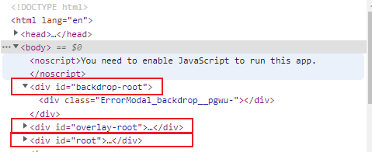
 |  |  | <div id="overlay-root"></div>
 |  |  | <div id="root"></div>
 |  | in ErrorModal.js
 |  |  | import ReactDOM from 'react-dom';
 |  |  | const Backdrop = (props) => {
 |  |  | return <div className={classes.backdrop} onClick={props.onConfirm} />;
 |  |  | };
 |  |  | const ErrorModal = (props) => {
 |  |  | return (
 |  |  | <React.Fragment>
 |  |  | {ReactDOM.createPortal(
 |  |  | <Backdrop onConfirm={props.onConfirm} />,
 |  |  | document.getElementById('backdrop-root')
 |  |  | )}
 |  |  | </React.Fragment>
 |  |  | );
 |  |  | };

 | useRef()
 |  | allow us to get access to another DOM elements and work with them.
 |  |  | import {useRef} from 'react';
 |  |  | const nameInputRef = useRef();
 |  |  | <input id="username" type="text" ref={nameInputRef}/>
 |  | Now nameInputRef is an object which got a property named 'current' that points to a DOM element object.
 |  |  | const enteredName = nameInputRef.current.value;

 | Controlled and Uncontrolled Components
 |  | When useRef(), <input> becomes an uncontrolled component.
 |  |  | the value or state of <input> is not controlled by React.
 |  |  | doesn't reflex the value to the <input>

10.useEffect
Intro | Tổng hợp về hook useEffect()

 | Side effect là gì? Có bao nhiêu loại?
 | useEffect() |  |  |  | NOTE: useEffect() giúp tránh lặp vô hạn khi state liên tục thay đổi.
 | Dùng useEffect() kèm điều kiện
 | Dùng useEffect() không có cleanup và có cleanup
 | Chuyển từ life cycles sang useEffect()

 | Section 10 |  | Handling Side effects

 | Side effects
 |  | Những thứ chạy bên ngoài component.
 |  |  | + Gọi API lấy dữ liệu
 |  |  | + Tương tác với DOM
 |  |  | + subscriptions
 |  |  | + setTimeout, setInterval
 |  | Chia làm 2 loại side effects
 |  |  | 1. Effects KHÔNG cần cleanup: gọi API, tương tác với DOM
 |  |  | 2. Effect cần cleanup:
 |  |  |  | subscriptions, setTimeout, setInterval -> tránh memory leakage

 | useEffect()
 |  | là một React hook cơ bản
 |  | sử dụng cho side effects
 |  | Mỗi hook gồm 2 phần: side effect và cleanup (optional)
 |  | useEffect() được thực thi sau khi render UI -> ưu tiên trải nghiệm người dùng
 |  |  | useEffect() luôn được chạy ít nhất một lần sau lần render đầu tiên.
 |  |  | Những lần render sau, chỉ được thực thi nếu có điều kiện dependencies thay đổi.
 |  | Effect cleanup sẽ được thực thi trước khi run effect tiếp theo hoặc unmount.

 |  | Cú pháp:
 |  |  | Loại 1: không có dependencies -> luôn được chạy sau khi re-render UI
 |  |  |  | function useEffect(callback) {}
 |  |  | Loại 2: dependency là mảng rỗng -> chỉ được chạy duy nhất 1 lần sau lần render UI đầu tiên
 |  |  |  | function useEffect(callback, []) {}
 |  |  | Loại 3: có dependencies -> chạy effect nếu dependencies thay đổi
 |  |  |  | function useEffect(callback, [dependencies]) {}

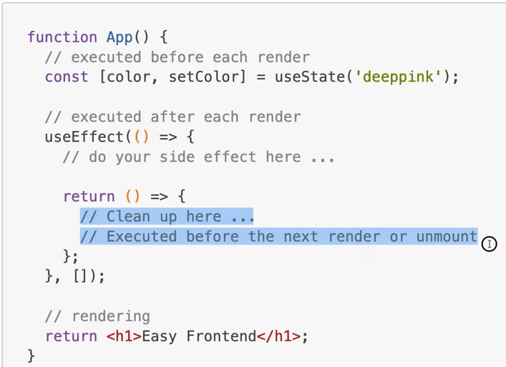
 |  | Quy trình chạy:
 |  |  | MOUNTING
 |  |  |  | rendering
 |  |  |  | run useEffect()
 |  |  | UPDATING
 |  |  |  | rendering
 |  |  |  | run `useEffect() cleanup` nếu dependencies thay đổi
 |  |  |  | run `useEffect()` nếu dependencies thay đổi
 |  |  | UNMOUNTING
 |  |  |  | run `useEffect() cleanup`

 | Chuyển từ life cycles sang useEffect()
 |  | componentDidMount / componentWillUnmount <-> useEffect() chạy một lần (dependency = [])
 |  |  | class App extends PureComponent { |  |  | function App() {
 |  |  | componentDidMount() { |  |  | useEffect(() => {
 |  |  | console.log('component did mount'); |  |  | console.log('component did mount');
 |  |  | } |  |  | return () => {
 |  |  | componentWillUnmount() { |  |  | console.log('component will unmount');
 |  |  | console.log('component will unmount'); |  |  | }
 |  |  | } |  |  | }, []);
 |  |  | } |  |  | }

 |  | componentDidMount / componentDidUpdate <-> useEffect() luôn thực hiện, không có dependencies
 |  |  | class App extends PureComponent { |  |  | function App() {
 |  |  | componentDidMount() { |  |  | useEffect(() => {
 |  |  | console.log('component did mount'); |  |  | console.log('component did mount or did update');
 |  |  | } |  |  | });
 |  |  | componentDidUpdate) { |  |  | }
 |  |  | console.log('component did mount or did update');
 |  |  | }
 |  |  | }

 | Dependency - nên và không nên
 |  | Không nên add function update state (ex. setUsername)
 |  |  | vì React đảm bảo function luôn không đổi.
 |  | Không nên add các built-in APIs hoặc functions
 |  |  | vì chúng có tính toàn cục nên không bao giờ thay đổi.
 |  | Không nên add các biến hoặc function được định nghĩa bên ngoài component
 |  |  | vì thay đổi chúng không ảnh hưởng tới component
 |  | NÊN add những thứ có thể thay đổi bởi component hoặc component-cha re-render.

12.Optimization
Intro | How does React work behind the scene?
 | Understand the Virtual DOM & DOM updates |  |  |  | https://developer.mozilla.org/en-US/docs/Web/JavaScript/Closures
 | Understand State & State updates

 | React.memo, useCallback, useMemo

 | Section 12 |  | A Look Behind the Scenes of React & Optimization

Context
Component-wide data
 | How does React work?
 |  | React xác định component tree hiện tại như thế nào và sẽ trông như thế nào
 |  | ReactDOM nhận sự thay đổi và điều khiển RealDOM
Components
Real DOM
what the user sees
Props
 |  | Re-Evaluating Components !== Re-rendering the DOM

Data from parent component
State
 |  | Components
 |  | Re-evaluated mỗi khi props, state hoặc context thay đổi
 |  | React execute các component functions! |  |  | => prevent unnecessary re-evaluation
Internal data
 |  | Real DOM
 |  | Chỉ thay đổi khi có sự khác biệt sau khi evaluate

 | React.memo()
 |  | Ngăn ngừa việc re-evaluation không cần thiết.
 |  | Ví dụ: Khi App component truyền props vào Demo component
 |  |  | <Demo show={true} />
 |  |  | => dù props.show là cố định, nhưng Demo component vẫn bị re-render mỗi khi App re-render
 |  | Áp dụng:
 |  |  | export default React.memo(Demo);

 |  | T/h2 : Khi props là một function -> function luôn được tạo mới mỗi khi parent component re-render
 |  |  | Chỉ có kiểu primitive (boolean, string,…) mới là không đổi
 |  |  |  | <Button onClick={toggleParagraphHandler}>Toggle Paragraph</Button>
 |  |  | => Button component luôn được re-render khi parent component re-render
 |  |  | => Cần áp dụng pp khác: useCallback()

 | useCallback()
 |  | Là một React hook
 |  | Behind the scene:
 |  |  | chứa function vào trong React internal
 |  |  | trả về cùng một function giống nhau khi được gọi.
 |  |  | => Hạn chế việc re-render không cần thiết
 |  | Ví dụ:
 |  |  | const toggleParagraphHandler = useCallback(() => {
 |  |  | setShowPara(prevState => !prevState);
 |  |  | }, []);

 | useCallback() và Dependencies
 |  | Khi sử dụng useCallback, các function bao gồm cả các biến bên trong nó được giữ nguyên.
 |  | => VẤN ĐỀ: biến không được update khi state thay đổi.
 |  |  | const [allowToggle, setAllowToggle] = useState(false);
 |  |  | const toggleParagraphHandler = useCallback(() => {
 |  |  | if (allowToggle) { |  |  | //biến này không đổi khi state update
 |  |  | setShowPara(prevState => !prevState);
 |  |  | }
 |  |  | }, []);
 |  | => Sử dụng Dependency: tạo lại function khi dependency thay đổi.
 |  |  | }, [allowToggle]); |  |  | //tạo function mới khi state update

 | useMemo()
 |  | Là một React hook
 |  | memorize/store data: array, object, expression
 |  | Ví dụ:
 |  |  | const listItems = useMemo(() => { return [1, 2, 3]; }, []);
 |  |  | const sortedList = useMemo(() => {
 |  |  | return items.sort((a, b) => a - b);
 |  |  | }, [items]);

13.ClassLifecycle
Intro | Tổng hợp về React Component Lifecycle
 | https://reactjs.org/docs/react-component.html
 | https://www.w3schools.com/react/react_lifecycle.asp

 | Working with Class-based Components
 | Lifecycle
 |  | Mounting -> Updating -> Unmouting
 | Error Boundary

 | Section 13 |  | Class-based Component

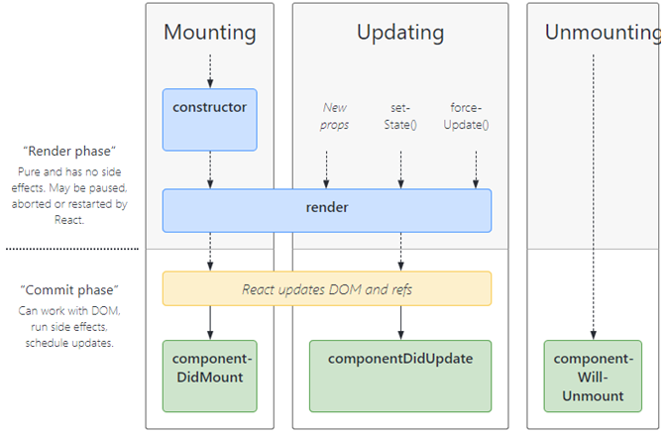
 | Lifecycle của Components
 |  | Có thể điều khiển và giám sát các React component trong 3 giai đoạn chính:
 |  |  | Mounting
 |  |  | Updating
 |  |  | Unmounting

 | Mounting
 |  | Đặt các element vào DOM.
 |  | Bốn phương thức built-in được gọi theo thứ tự sau:
 |  |  | 1. constructor()
 |  |  | 2. getDerivedStateFromProps()
 |  |  | 3. render()
 |  |  | 4. componentDidMount()
 |  | Method render() là bắt buộc và luôn được gọi. Các method còn lại là optional.

 | Updating
 |  | Các phương thức được gọi khi có sự thay đổi của 'state' hoặc 'props'.
 |  | Năm phương thức built-in được gọi theo thứ tự sau:
 |  |  | 1. getDerivedStateFromProps()
 |  |  | 2. shouldComponentUpdate()
 |  |  | 3. render()
 |  |  | 4. getSnapshotBeforeUpdate()
 |  |  | 5. componentDidUpdate(prevProps, prevState) |  | // prev để so sánh cái gì update -> tránh lặp vô hạn
 |  | Method render() là bắt buộc và luôn được gọi. Các method còn lại là optional.

 | Unmounting |  |  |  |  | class App extends React.Component {
 |  | Phương thức được gọi trước khi remove component khỏi DOM |  |  |  | // Mounting
 |  |  | 1. componentWillUnmount() |  |  | constructor(props) {
 |  |  |  |  |  | super(props);
 |  |  |  |  |  | this.state = {favoritecolor: "red"};
 | Error Handling |  |  |  |  | console.log("constructor: " + this.state.favoritecolor);
 |  | Bất kể lỗi ở đâu trong component, nó sẽ gọi tới phương thức này: |  |  |  | }
 |  |  | 1. static getDerivedStateFromError()
 |  |  | 2. componentDidCatch() |  |  | // NOTE: this function will be invoked when state change,
 |  |  |  |  |  | // and it sets the favorite color due to the props
 | Other APIs |  |  |  |  | // hence the setState() in componentDidMount() will not be implemented.
 |  | Mỗi component đồng thời hỗ trợ các API |  |  |  | // static getDerivedStateFromProps(props, state) {
 |  |  | + setState((prevState) => { }) |  |  | // console.log("getDerivedStateFromProps: " + props.favcol);
 |  |  | + forceUpdate() |  |  | // return {favoritecolor: props.favcol};
 | Class Properties |  |  |  |  | // }
 |  |  | + defaultProps
 |  |  | + displayName |  |  | render() {
 | Instance Properties |  |  |  |  | return (
 |  |  | + props |  |  | <div id="wrapper">
 |  |  | + state |  |  | <h1 id="h1">My favorite color is {this.state.favoritecolor}</h1>
 |  |  |  |  |  | </div>
 | Chi tiết các phương thức |  |  |  |  | )
 | render() |  |  |  |  | }
 |  | Là phương thức bắt buộc duy nhất, output tới DOM.
 |  | Khi được gọi sẽ kiểm tra 'this.props' và 'this.state' và trả về một trong những kiểu sau: |  |  |  | componentDidMount() {
 |  |  | + React elements | JSX - ex. <MyComponent /> |  | setTimeout(() => {
 |  |  | + Arrays và Fragments | return multiple elements from render |  | this.setState({favoritecolor: "green"});
 |  |  | + Portals | render children into a different DOM subtree |  | console.log("componentDidMount: change to green");
 |  |  | + String and number | rendered as text nodes in DOM |  | }, 2000)
 |  |  | + Booleans || null || undefined | render nothing |  | }

 |  | Render should be pure -> không chỉnh sửa component state. |  |  |  | shouldComponentUpdate() {
 |  | Nếu cần tương tác với Browser thì sử dụng 'componentDidMount' hoặc method khác. |  |  |  | return true;
 |  | render() sẽ không được gọi nếu 'shouldComponentUpdate()' trả về false |  |  |  | }

 |  |  |  |  |  | componentDidUpdate() {
 | Working with Class-based Components |  |  |  |  | document.getElementById("h1").innerText =
 |  | JS classes where render() method defines the to-be-rendered output |  |  |  | "The updated favorite color is " + this.state.favoritecolor;
 |  | required to work with State before React 16.8 |  |  |  | }
 |  |  |  |  |  | }
 |  | Class-based Component |  | Functional Component
 |  | class Product extends Component { |  | function Product(props) { |  | // index.js
 |  | render() { |  | return <h1>Hi</h1>; |  | const rootContainer = ReactDOM.createRoot(document.getElementById('root'));
 |  | return <h1>Hi</h1>; |  | } |  | rootContainer.render(<App favcol="yellow"/>);
 |  | }
 |  | }

 |  | Trong Class-based Component
 |  |  | State luôn là một object!
 |  |  | Cẩn thận với từ khóa `this' -> Cần phải bind function (.bind(this)) khi dùng
 |  |  | Có thể dùng Context với kiểu static

 | Introduce Error Boundaries
 |  | Xử lý khi có lỗi xảy ra để tránh App crashed.
 |  |  | throw new Error('No user provided!');
 |  | Solution: Viết 1 class-based component ErrorBoundary wrap bên ngoài các Component cần bắt lỗi

18.Redux
Intro | Redux là gì?
 | Sử dụng Redux với React |  |  | npm install redux react-redux |  |  | https://academind.com/tutorials/reference-vs-primitive-values/
 |  | {createStore, useSelector, useDispatch }
 | Redux toolkit |  |  | npm install @reduxjs/toolkit

 | Section 18 |  | Diving into Redux

 | Redux là gì?
 |  | Là state management system cho cross-component or app-wide state.

 |  | Local State |  |  | Cross-Component State |  | App-wide State
 |  | State thuộc 1 component |  |  | state ảnh hưởng nhiều component |  | state ảnh hưởng app-wide
 |  | Ex. user input / toggling field |  |  | Ex. Open/close state of modal overlay |  | Ex. user authentication status
 |  | => internal component |  |  | => y/c props chains/prop drilling |  | => y/c props chains/prop drilling
 |  | useState/useReducer |  |  |  | React Context or Redux

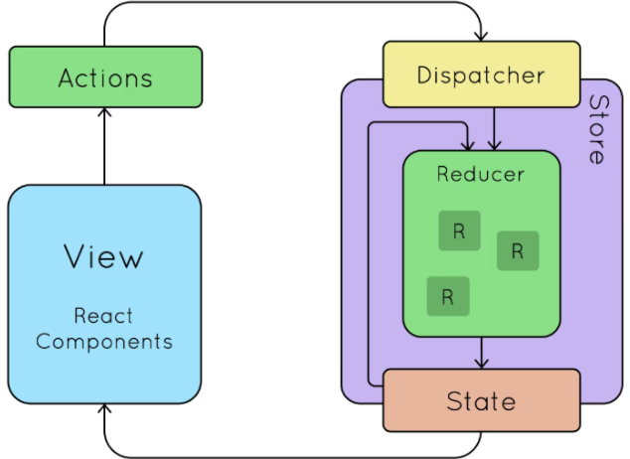
 |  | So sánh Redux vs React Context
 |  | Potential disadvantages của React Context
 |  |  | Complex setup/management
 |  |  |  | Ex. AuthContextProvider->ThemeContextProvider->…
 |  |  | Performance
 |  |  |  | chỉ hỗ trợ low frequency change

 | Redux làm việc ntn?
 |  | Centra Data/State store.
 |  | Nhận data: Setup subscription từ các Component.
 |  |  | Khi data thay đổi, Component sẽ được thông báo.
 |  | Thay đổi data:
 |  |  | Reducer Function (không phải hook useReducer())
 |  |  | Component --> (Dispatch) --> Action --> (forwarded to) --> Reducer Function --> (mutates) --> Central Data Store

 |  | Example: A counter with Redux standalone (JavaScript)
 |  |  | const redux = require('redux');
 |  |  | const counterReducer = (state = { counter: 10 }, action) => { |  |  |  | //create Reducer function
 |  |  | if (action.type === 'INCREMENT') {
 |  |  | return { counter: state.counter + 1 };
 |  |  | }
 |  |  | return state;
 |  |  | }
 |  |  | const store = redux.createStore(counterReducer); |  |  |  | //create Store
 |  |  | const counterSubscriber = () => { |  |  |  | //subscriber function
 |  |  | const latestState = store.getState();
 |  |  | console.log(latestState);
 |  |  | }
 |  |  | store.subscribe(counterSubscriber); |  |  |  | //subscibe
 |  |  | console.log(store.getState()); |  |  |  | //print the latest state
 |  |  | store.dispatch({type: "INCREMENT"}); |  |  |  | //dispatch action
 |  |  | store.dispatch({type: "NO CHANGE"}); |  |  |  | //dispatch action

 | Sử dụng Redux trong React Components
 |  | Chú ý: Sử dụng Redux trong Class component khác với Function component.

 | Sử dụng Redux State đúng cách
 |  | Khi hàm reducer() trả về một state -> nó sẽ overwrite the existing state (Thay vì merge)
 |  | Chúng ta KHÔNG BAO GIỜ thay đổi trạng thái cũ (prevState) trực tiếp.
 |  |  | VD: if (action.type === "INCREMENT") { state.counter++; return state; } |  |  |  |  | //wrong approach

 | Redux toolkit
 |  | npm install @reduxjs/toolkit
 |  | Cho phép tạo các State Slices.
 |  |  | Cho phép thay đổi previousState --> redux toolkit sẽ tự tạo object state mới internally
 |  |  | Hỗ trợ merge state --> chỉ cần thay đổi các state mong muốn
 |  | Ví dụ:
 |  |  | import { createSlice, configureStore } from '@reduxjs/toolkit';
 |  |  | const counterSlice = createSlice({
 |  |  | name: 'counter',
 |  |  | initialState: initialCounterState,
 |  |  | reducers: {
 |  |  | increment(state) { |  |  |  |  | //dispatch(counterActions.increment());
 |  |  | state.counter++; //redux toolkit would fix this internally
 |  |  | },
 |  |  | decrement(state) { |  |  |  |  | //dispatch(counterActions.decrement());
 |  |  | state.counter--;
 |  |  | },
 |  |  | increase(state, action) { |  |  |  |  | //dispatch(counterActions.increase(10));
 |  |  | state.counter = state.counter + action.payload;
 |  |  | },
 |  |  | toggleCounter(state) { |  |  |  |  | //dispatch(counterActions.toggleCounter());
 |  |  | state.showCounter = !state.showCounter;
 |  |  | },
 |  |  | },
 |  |  | });
 |  | Export slice reducers
 |  |  | // merge spices reducers into one reducer
 |  |  | const store = configureStore({
 |  |  | //reducer: { counter: counterSlice.reducer } |  |  |  | //multiple slice reducers
 |  |  | reducer: counterSlice.reducer |  |  |  | //single slice reducer
 |  |  | });
 |  | Export actions
 |  |  | export const counterActions = counterSlice.actions; |  |  |  | // action = { type: SOME_UNIQUE_IDENTIFIER, payload: … }
 |  | Dispatch actions
 |  |  | import { counterActions } from '../store/index';
 |  |  | const incrementHandler = () => {
 |  |  | dispatch(counterActions.increment());
 |  |  | };

 | Làm việc với multiple slices
 |  | Có thể khai báo nhiều state slices khác nhau vào cùng một reducer.
 |  |  | // merge spices reducers into one reducer
 |  |  | const store = configureStore({
 |  |  | reducer: { counter: counterSlice.reducer, auth: authSlice.reducer },
 |  |  | });
 |  |  | export const counterActions = counterSlice.actions;
 |  |  | export const authActions = authSlice.actions;
 |  | Khi lấy state cần trỏ tới reducer cụ thể
 |  |  | const isAuth = useSelector(state => state.auth.isAuthenticated);
 |  |  | const counter = useSelector(state => state.counter.counter);
 |  |  | const showCounter = useSelector(state => state.counter.showCounter);

21.Deploy
Intro | From Development to Production |  |  |  | A React SPA is a "Static Website"

 | Deployment Steps & Pitfalls
 | Server-side routing vs Client-side routing

 | Section 21 |  | Deploying React Apps

 | Deployment Steps
 |  | 1. Test Code
 |  | 2. Optimize Code |  | (Lazy loading)
 |  | 3. Build App for Production |  | npm run build
 |  | 4. Upload Production Code to Server
 |  | 5. Configure Server

 | Add Lazy Loading
 |  | Load code only when it's needed
 |  | How to use:
 |  | 1 - Original
 |  |  | import NewQuote from './pages/NewQuote';
 |  | 2 - Change
 |  |  | import React, {Suspense} from 'react';
 |  |  | import LoadingSpinner from './components/ui/LoadingSpinner';
 |  |  | const NewQuote = React.lazy(() => import('./pages/NewQuote'));

 |  | Note: Sometimes it takes time to download the code -> add a fallback UI
 |  |  | <Suspense fallback=(<div className="centered"><LoadingSpinner /></div>)>
 |  |  | …
 |  |  | </Suspense>

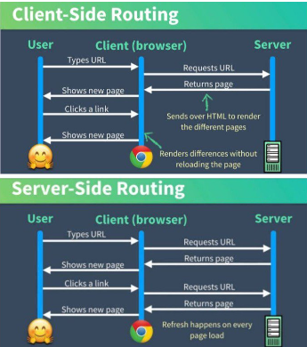
 | Build App for Production
 |  | in package.json
 |  |  | start: react-scripts start
 |  |  | build: react-scripts build
 |  | -> npm run build
 |  | -> build folder

 | Upload Production Code to Server
 |  | A React SPA is a "Static Website"
 |  | Only HTML, CSS & JavaScript
 |  | -> A Static Site Host is needed
 |  |  | Ex. AWS S3, Firebase

 | Configure server: Server-side routing vs Client-side routing
 |  | Configure as a single-page app (rewrite all urls to /index.html)? (y/N)

 |  | Server-side routing |  | Client-side routing
 |  | + only request the data needed |  | + routing between views faster
 |  | + optimized for SEO |  | + smooth transitions and animations
 |  | - every request result a full-page |  | - the first loading takes longer
 |  | - take a while for page rendering |  | - it is possible missing views
 |  |  |  | - SEO is less optimized
 |  |  |  | - require more setup work and library

DOM
https://www.youtube.com/watch?v=x0fSBAgBrOQ&list=PL_-VfJajZj0UXjlKfBwFX73usByw3Ph9Q |  |  |  |  |  |  |  |  |  | Loading API
SPA/MPA là gì? |  |  |  |  |  |  |  |  |  | Multi-language sử dụng i18n
DOM |  |  |  |  |  |  |  |  |  | Sử dụng Redux
document.createElement() để làm gì? |  |  |  |  | <script src="https://unpkg.com/react@18/umd/react.development.js" crossorigin></script> |  |  |  |  |  |  | React
React.createElement() là sao? |  |  |  |  | <script src="https://unpkg.com/react-dom@18/umd/react-dom.development.js" crossorigin></script> |  |  |  |  |  |  | ReactDOM
React-DOM là gì?
JSX là gì?
Làm việc với JSX
 | DOM events?
 | Tạo component linh hoạt (tùy input)
 | Children props và render props
Tạo dự án với React + Webpack
Create React App |  | npx create-react-app

SPA/MPA là gì?
 | SPA - Single-Page Application |  |  |  | MPA - Multi-Page Application
 | + không yêu cầu tải lại trang |  |  |  | + Tải lại trang khi sử dụng (click link,…)
 | + Tách biệt FE - BE |  |  |  | + FE - BE gắn liền với nhau hơn
 | + CSR -> Client Side Rendering |  |  |  | + SSR -> Server Side Rendering
 | + Vd: shopee, zing |  |  |  | + Vd: dantri.com.vn

 | Ở lần tải đầu tiên, SPA trả về 1 trang index.html - gồm 1 root element chưa có nội dung (trắng trơn)
 | sau khi thực thi các javascript thì nội dung div root được hiển thị.
 |  | <body>
 |  | <div id="root"></div>
 |  | <script src="/static/js/bundle.js"></script><script src="/static/js/vendors~main.chunk.js"></script>
 |  | </body>

 | SPA nhanh hơn khi:
 |  | + phần lớn tài nguyên được tải trong lần đầu (lần đầu chậm hơn MPA)
 |  | + Trang chỉ tải thêm dữ liệu khi cần
 | MPA chậm hơn khi sử dụng:
 |  | + luôn tải lại toàn bộ trang khi truy cập và chuyển hướng
 |  | + tốc độ tải từng page nhanh hơn SPA (do server trả về file html nên FE chỉ cần hiển thị)

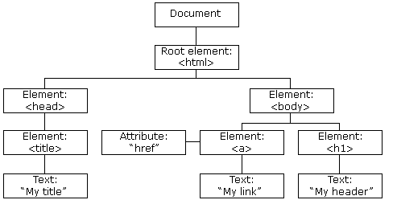
DOM
 | Document Object Model
 | là một API cho HTML và XML document
 | Biểu diễn các page - giúp chương trình có thể thay đổi cấu trúc, style, và nội dung.
 | Định nghĩa cấu trúc logic của documents và cách một document được truy cập và điều khiển.
 | -> document gồm các node và các object.

document.createElement() để làm gì?
 | Ví dụ:
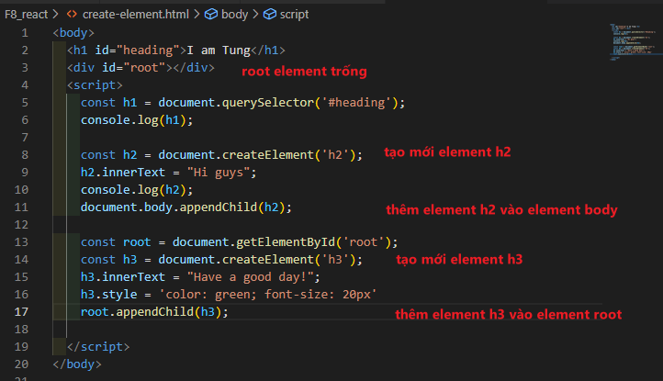

Nhúng ReactJS vào HTML
 | https://reactjs.org/docs/getting-started.html
 |  | <script src="https://unpkg.com/react@18/umd/react.development.js" crossorigin></script> |  |  |  |  |  |  |  |  | React
 |  | <script src="https://unpkg.com/react-dom@18/umd/react-dom.development.js" crossorigin></script> |  |  |  |  |  |  |  |  | ReactDOM

React.createElement() là sao?
 | React.createElement() -> React element |  |  |  |  | document.createElement() -> DOM element
 | Thành phần nhỏ nhất khi làm việc với React |  |  |  |  | Thành phần DOM nhỏ nhất là node

 | Cú pháp: | React.createElement(type, props, children, n)
 | Ví dụ:
 |  | <ul> |  | --> | const ul = React.createElement(
 |  | <li>JavaScript</li> |  |  | 'ul',
 |  | <li>ReactJS</li> |  |  | null,
 |  | </ul> |  |  | React.createElement('li', null, 'JavaScript'),
 |  |  |  |  | React.createElement('li', null, 'ReactJS'),
 |  |  |  |  | )

React-DOM là gì?
 | Thư viện cầu nối giữa React và DOM -> để RENDER UI (render các react element)
 | Tương tự: React-Native -> cầu nối giữa React và Native (Java - Android, Swift - iOS)

 | Cú pháp: | ReactDOM.render(element, container, callback) |  |  |  |  |  | //React17
 |  | ReactDOM.createRoot(container, options) |  |  |  |  |  | //React18
 | Ví dụ:
 |  | // Get root element
 |  | const root = document.getElementById('root');
 |  | // React-DOM@17 |  |  |  |  |  | // React-DOM@18
 |  | ReactDOM.render(ul, root); |  |  |  |  |  | const rootContainer = ReactDOM.createRoot(root);
 |  |  |  |  |  |  |  | rootContainer.render(ul);

JSX là gì?
 | JSX -> JavaScript XML
 | Cú pháp React.createElement phức tạp -> thay thế bằng JavaScript, Babel để dùng JSX
 | https://babeljs.io/setup#installation
 | Ví dụ:
 |  | <script type="text/babel">
 |  |  | const reactCourse = "Learn React"
 |  |  | const ul = <ul>
 |  |  | <li style={{color: 'red'}}>JavaScript</li>
 |  |  | <li>{reactCourse}</li>
 |  |  | </ul>
 |  | </script>

 | JSX render Arrays |  |  |  |  | React.createElement render Arrays
 | const ul3 = ( |  |  |  |  | let elements = [];
 | <ul> |  |  |  |  | for (let i = 0; i < courses.length; i++) {
 | {courses.map(course => |  |  |  |  | elements.push(React.createElement('li', null, courses[i].name));
 | <li style={{color: 'green'}}>{course.name}</li>)} |  |  |  |  | }
 | </ul> |  |  |  |  | const ul2 = React.createElement('ul', null, elements);
 | ) |  |  |  |  | rootContainer.render(ul2);
 | rootContainer.render(ul3);

 | NOTE: warning: Each child in a list should have a unique "key" prop.
 |  | Mỗi children cần có prop là key -> <li key={index}>{course.name}</li>
 |  | Cơ chế tối ưu hiệu năng của reactjs.
 | NOTE: Không render được 2 element đứng song song
 |  | 2 element đứng song song nhau không đúng cú pháp
 |  | -> cần có 1 element Wrap 2 chúng. Ví dụ: <div>…</div>
 |  | -> hoặc dùng thẻ <React.Fragment>...</React.Fragment>

React element types
 | React element types: string, function/class (JSX hỗ trợ)
 |  | - Wrapper
 |  | - Header -> Header component |  |  |  |  | function Header() {}
 |  | - Content -> Content component |  |  |  |  | class Content extends React.Component { render() {...} }
 |  | - Footer -> Footer component

React props
 | Sử dụng props để tái sử dụng React element/React component.
 |  | React element: |  |  |  |  | React component:
 |  | các thẻ HTML kiểu như <div> |  |  |  |  | các function/class
 |  | sử dụng props giống với attribute của thẻ HTML |  |  |  |  | sử dụng props giống như đối số cho function, ví dụ: props.title,…
 |  | 2 props class, for -> chuyển thành className, htmlFor |  |  |  |  | tự do đặt tên props (theo camelCase)
 |  | phải tuân theo quy ước có sẵn
 | Chú ý: prop "key" là prop đặc biệt

Làm việc với JSX phần I: DOM events
 | cho phép JavaScript đăng ký các event handler
 | Ví dụ: abort, copy, cut, click -> onClick, dblclick -> onDoubleClick
 |  | function App() {
 |  | return (
 |  | <div id="wrapper">
 |  | <button onClick={
 |  | (event) => console.log(event.target)
 |  | }>click me</button>
 |  | </div>
 |  | )
 |  | }

Làm việc với JSX phần II: Tạo component linh hoạt
 | Component do chung ta định nghĩa phải viết in hoa kí tự đầu (vd. ExpenseItem,…)
 | Một số cách gán component:
 |  | const Form = {
 |  | Input() {
 |  | return <input />
 |  | },
 |  | Checkbox() {
 |  | return <input type="checkbox" />
 |  | }
 |  | }
 | Cách 1: |  |  |  | Cách 2:
 |  | function App() { |  |  |  | const type = "Input";
 |  | return ( |  |  |  | const Component = Form[type];
 |  | <div id="wrapper"> |  |  |  | return (
 |  | <Form.Input /> |  |  |  | <div id="wrapper">
 |  | <Form.Checkbox /> |  |  |  | <Component /> |  | // không thể dùng trực tiếp Form[type] vì ko đúng cú pháp
 |  | </div> |  |  |  | </div>
 |  | ) |  |  |  | )
 |  | }
 | Bài toán: tạo 1 component |  |  |  |  |  | function Button({title, href, onClick }) {
 |  | - nếu truyền vào prop onClick thì là thẻ 'button' |  |  |  |  | let Component = 'button'; |  |  | // khởi tạo là thẻ 'button'
 |  | - nếu truyền vào prop href thì là thẻ 'a' |  |  |  |  | const props = {};
 |  |  |  |  |  |  | if (href) {
 |  |  |  |  |  |  | Component = 'a'; |  |  | // gán lại thành thẻ 'a'
 |  |  |  |  |  |  | props.href = href;
 |  |  |  |  |  |  | }
 |  |  |  |  |  |  | if (onClick) {
 |  |  |  |  |  |  | props.onClick = onClick;
 |  |  |  |  |  |  | }
 |  |  |  |  |  |  | return (
 |  |  |  |  |  |  | <Component {...props}>{title}</Component>
 |  |  |  |  |  |  | )
 |  |  |  |  |  |  | }
 | Booleans, Null & Undefined không được render.
 | Kết hợp toán tử logic để render theo điều kiện.
 |  | let firstAccess = true;
 |  | {firstAccess && <h1>Welcome to ReactJS</h1>} |  |  |  |  | // Nếu true -> hiển thị text

Làm việc với JSX phần III: Children props và render props
 | Props trong JSX
 |  | <MyComponent
 |  | propName1="String literals"
 |  | propName2={expression}
 |  | />
 | NOTE: expression = các toán tử 3 ngôi, +-*/
 |  | -> viết vào câu if/else, switch/case sẽ bị lỗi
 | Props default to true:
 |  | -> khi không truyền giá trị thì thì props mặc định là true
 | Spread/Rest props
 |  | -> Giúp truyền nhiều prop cùng lúc.
 |  | function Input({label, type, placeholder}) { |  |  |  | --> | function Input({label, …inputProps}) {
 |  | return ( |  |  |  |  | return (
 |  | <div> |  |  |  |  | <div>
 |  | <label>{label}</label> |  |  |  |  | <label>{label}</label>
 |  | <input type={type} placeholder={placeholder} /> |  |  |  |  | <input {…inputProps} />
 |  | </div> |  |  |  |  | </div>
 |  | )} |  |  |  |  | )}

 | Children prop
 |  | <MyComponent>String literals</MyComponent>
 |  | <MyComponent>{expression}</MyComponent>
 |  | ->
 |  | function MyComponent({children}) { … }

 | Render props
 |  | Truyền một function qua props -> thường dùng children prop
 |  |  | function List({ data, children}) { |  |  |  |  | function App() {
 |  |  | return ( |  |  |  |  | const cars = ['Audi', 'BMW'];
 |  |  | <ul> |  |  |  |  | return (
 |  |  | {data.map((item, index) => children(item, index))} |  |  |  |  | <div id="wrapper">
 |  |  | </ul> |  |  |  |  | <List data={cars}>
 |  |  | ) |  |  |  |  | {(item, index) => <li key={index} >{item}</li>}
 |  |  | } |  |  |  |  | </List>
 |  | // truyền vào children prop là một function trả về React element |  |  |  |  |  | </div>
 |  |  |  |  |  |  |  | )
 |  |  |  |  |  |  |  | }

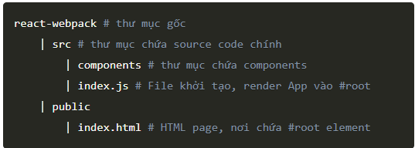
Tạo dự án với React + Webpack
 | Webpack là công cụ giúp compile các module javascript (module bundler) |  |  |  |  |  |  |  | Cấu trúc dự án:
 |  | + phần chia các module và chỉ load khi cần
 |  | + đóng gói tất cả file nguồn thành một file duy nhất
 |  | + nhờ loader có thể biên dịch các file khác nhau
 |  |  | - modules with dependencies --> js, css, jpg, png
 |  | + biến các tài nguyên tĩnh (image, css) thành 1 module
 |  | + chuyển đổi jsx, les, sass, scss thành js

 | https://fullstack.edu.vn/blog/phan-1-tao-du-an-reactjs-voi-webpack-va-babel.html
 | Webpack:
 |  | $ npm init
 |  | $ npm install webpack webpack-cli --save dev
 |  | npm install react@17.0.2 react-dom@17.0.2
 |  | $ npm install @babel/core babel-loader @babel/preset-env @babel/preset-react --save-dev
 | Cài đặt CSS-Loader và Style-Loader
 |  | $ npm install css-loader style-loader --save-dev
 | Tạo webpack.config.js
 | Tạo file .babelrc
 | Thêm scripts cho dự án
 |  | "start": "webpack --mode development --watch",
 |  | "build": "webpack --mode production"
 | Cài đặt html-webpack-plugin
 |  | $ npm install html-webpack-plugin --save-dev
 | Cài đặt webpack-dev-server
 |  | $ npm install webpack-dev-server --save-dev
 |  | "start": "webpack-dev-server --mode development --open --hot",
 | => chạy $ npm start

Create React App
 | Maintain bởi Facebook
 |  | https://github.com/facebook/create-react-app
 |  | $ npx create-react-app clone-shopee

