S1-3.Overview
Intro!A1 | Container; Container Orchestration;
 | Node (Minion); Cluster; Master; kubectl;
 | Minikube; Kubeadm;
 | Section 1 |  | Introduction
 | Objectives
 |  | Kubernetes Overview
 |  | Containers - Docker
 |  | Container Orchestration
 |  | Demo - Setup Kubernetes
 |  | Kubernetes Concepts - PODs | ReplicaSets | Deployment | Services
 |  | Networking in Kubernetes
 |  | Kubernetes Management - Kuberctl
 |  | Kubernetes Definition Files - YAML
 |  | Kubernetes on Cloud - AWS/GCP

 | Kubernetes course series
 |  | Kubernetes for the absolute beginners course
 |  | Certified kubernetes administrator course
 |  | Certified kubernetes application developer course

 | Section 2 |  | Kubernetes Overview
 |  | Container + Orchestration

 | Containerize Applications
 |  | Run each service with its own dependencies in separate containers
 |  |  | Own processes or services
 |  |  | Own networking interfaces
 |  |  | Own mounts like virtual machines
 |  | Docker containers share the underlying Kernel.

 |  | The different between Containers and Virtual Machines
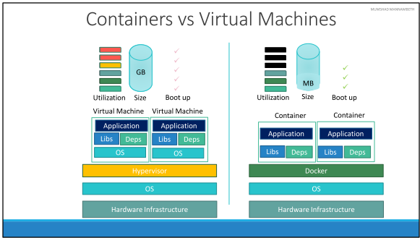

 | Container Orchestration
 |  | Auto deploying and managing containers.
 |  |  | What if the number of users increase and you need to scale your application?
 |  |  | To scale down when the load decreases?

 |  | Advantages
 |  |  | High-availability
 |  |  | The user traffic is load balanced
 |  |  | Deploy app instances in seconds
 |  |  | Scale the number of nodes up/down

 | Kubernetes Architecture
 |  | Node (Minion)
 |  |  | A machine, physical or virtual on which Kubernetes is installed.
 |  |  | A worker machine - where containers are launched.

 |  | Cluster
 |  |  | A set of node grouped together
 |  |  | If one node failes, our app still accessible from the other nodes.
 |  |  | Sharing loads.

 |  | Master
 |  |  | Another node with Kubernetes installed and configured as a Master.
 |  |  | Watches over the nodes in cluster

 |  | Kubernetes Components
 |  |  | API Server
 |  |  |  | Acts as front-end for kubernetes
 |  |  |  | Talks with users, management devices, CLI…
 |  |  | ETCD service
 |  |  |  | key-value store: store all data to manage cluster.
 |  |  | Kubelet service
 |  |  |  | The agent runs on each node in the cluster.
 |  |  | Container runtime
 |  |  |  | Underlying sw used to run containers (ex. Docker).
 |  |  | Controllers
 |  |  |  | Notices and reponds when nodes, containers or endpoint goes down.
 |  |  | Schedulers
 |  |  |  | Distributes work or containers across multiple nodes.

 |  | Master vs Worker Nodes

 |  | kubectl
 |  |  | used to deploy and manage apps on a Kubernetes cluster.
 |  |  |  | $ kubectl run hello-minikube
 |  |  |  | $ kubectl cluster-info
 |  |  |  | $ kubectl get nodes
 |  |  |  | $ kubectl get nodes -o wide

 | Section 3 |  | Setup Kubernetes
 |  | Various options in building Kubernetes cluster from scratch.

 | Setup Kubernetes
 |  | Local
 |  |  | Minikube |  | setup a single Kubernetes instance in an all-in-one setup
 |  |  | Kubeadmin |  | setup a multi-node Kubernetes cluster
 |  | Cloud
 |  |  | GCP / AWS / Azure
 |  | Practice
 |  |  | kodekcloud.com

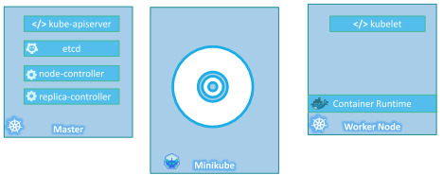
 | Minikube
 |  | Minikube bundles all of Kubernetes different components into a single image (ISO),
 |  | providing us a pre-configured single node kubernetes cluster

 |  | Requirement:
 |  |  | hypervisor installed (ex. Virtualbox, Hyper-V)
 |  |  | kubectl installed
 |  |  | minikube installed

 | Hands-On
 |  | Step 1: Install kubectl
 |  |  | https://kubernetes.io/docs/tasks/tools/
 |  |  | $ kubectl version
 |  | Step 2: Install Minikube
 |  |  | Make sure hypervisor enabled (BIOS)
 |  |  | Install VirtualBox
 |  |  | $ minikube start --driver=virtualbox
 |  |  | $ minikube status
 |  | Step 3: Run hello-minikube example

 | Section 12 |  | Appendix - Setup Multi Node cluster using Kubeadm
 |  | https://kubernetes.io/docs/setup/independent/install-kubeadm/

 | Kubeadm
 |  | helps us setup a multi-node cluster following Kubernetes best practices.
 |  |  | Step 1: Provision multiple systems or VMs for configuring a cluster.
 |  |  | Step 2: Designate one node as Master, and others as Worker nodes.
 |  |  | Step 3: Install docker runtime on the hosts.
 |  |  | Step 4: Install Kubeadm tool on all the nodes.
 |  |  | Step 5: Initialize the Master server.
 |  |  |  | must ensure that network prerequisites are met, POD network.
 |  |  | Step 6: Join the worker node to Master node.

S4-6.Concepts
Intro!A1 | POD; PODs with YAML;
 | Replication Controller; ReplicaSets;
 | Deployments; Update and Rollback;
 | Section 4 |  | Kubernetes Concepts

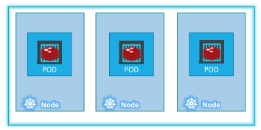
 | POD
 |  | A POD is a single instance of an application.
 |  | A POD is a smallest object we can create in kubernetes.

 |  | We deploy our app in the form of containers on worker node in a cluster.
 |  | Kubernetes does not deploy containers directly on the worker nodes.
 |  | The containers are encapsulated into PODs.

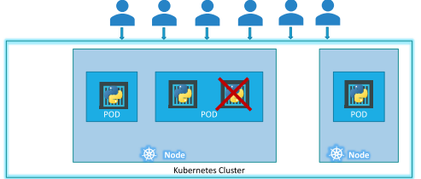
 |  | For example, a single app instance running encapsulated in a POD.
 |  |  | To scale up, new POD created together with a new app instance.
 |  |  | If current node has no sufficient capacity, deploy POD on new node.

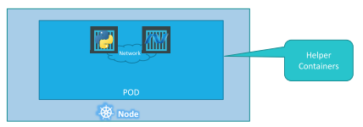
 | Multi-Container PODs
 |  | A single POD can have multiple containers.
 |  | USUALLY NOT multiple containers of the same kind.

 |  | Two containers share the same network namespace => communicate by 'localhost'.

 | kubectl
 |  | $ kubectl run nginx --image=nginx
 |  | $ kubectl get pods
 |  | $ kubectl get pods -o wide
 |  | $ kubectl describe pod nginx
 |  | $ kubectl delete pod nginx

 | Reference
 |  | https://kubernetes.io/docs/concepts/
 |  | https://kubernetes.io/docs/concepts/workloads/pods/pod-overview/

 | Section 6 |  | Kubernetes Concepts - PODs, ReplicaSets, Deployments

 | PODs with YAML
 |  | pod-definition.yaml |  |  |  |  |  |  |  | Kind | Version
 |  |  | apiVersion: |  | version of kubernetes API (v1, apps/v1) |  |  |  |  | Pod | v1
 |  |  | kind: |  | Type of objects (Pod, Service, ReplicaSet, Deployment) |  |  |  |  | Service | v1
 |  |  | metadata: |  | Data about object (name, labels, …) => dictionary |  |  |  |  | ReplicaSet | apps/v1
 |  |  | name: myapp-pod |  |  |  |  |  |  | Deployment | apps/v1
 |  |  | labels: |  |  |  | // Dictionary
 |  |  | app: myapp
 |  |  | type: backend
 |  |  | env: production
 |  |  | spec: |  | Information to Kubernetes pertain object
 |  |  | containers: |  |  |  | // List
 |  |  | - name: nginx-container |  |  |  | // Dictionary of container 1
 |  |  | image: nginx
 |  |  | - name: postgres |  |  |  | // Dictionary of container 2
 |  |  | image: postgres
 |  |  | env: |  |  |  | // List of environment variables
 |  |  | - name: POSTGRES_PASSWORD
 |  |  | value: mysecretpassword

 |  | $ kubectl create -f pod-definition.yaml
 |  | $ kubectl get pods
 |  | $ kubectl describe pod myapp-pod

 |  | $ kubectl run redis --image=redis123 --dry-run=client -o yaml > pod.yaml
 |  | $ kubectl apply -f pod.yaml
 |  | $ kubectl edit pod redis |  |  |  | => correct image from 'redis123' to 'redis'

 |  | $ kubectl exec -it POD_NAME -- /bin/bash

 |  | Tips & Tricks - Developing Kubernetes Manifest files with Visual Studio Code
 |  |  | Extension YAML (Red Hat)
 |  |  | Settings >> Extenstion Settings >> Yaml: Schemas
 |  |  |  | "yaml.schemas": {
 |  |  |  | "kubernetes": "*.yaml"
 |  |  |  | }

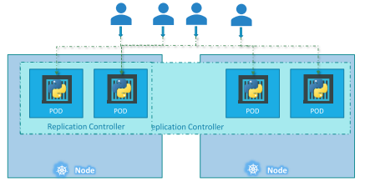
 | Replication Controller => ReplicaSet
 |  | High Availability
 |  |  | helps us run multiple instances of a single POD in the kubenetes cluster
 |  |  | helps by automatically bring up a new POD when the existing one fails.
 |  | Load Balancing & Scaling
 |  |  | creates multiple PODs to share the load

 |  | ReplicationController |  |  |  |  |  | ReplicaSet
 |  | rc-definition.yaml |  |  |  |  |  | replicaset-definition.yaml
 |  |  | apiVersion: v1 |  |  |  |  |  | apiVersion: apps/v1
 |  |  | kind: ReplicationController |  |  |  |  |  | kind: ReplicaSet
 |  |  | metadata: |  |  |  |  |  | metadata:
 |  |  | name: myapp-rc |  |  |  |  |  | name: myapp-replicaset
 |  |  | labels: |  |  |  |  |  | labels:
 |  |  | app: myapp |  |  |  |  |  | app: myapp
 |  |  | type: front-end |  |  |  |  |  | type: front-end
 |  |  | spec: |  |  |  |  |  | spec:
 |  |  | template: |  |  |  |  |  | template:
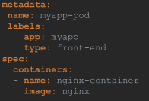
 |  |  | ! |  |  |  |  |  | !
 |  |  | ! |  |  |  |  |  | !
 |  |  | ! |  |  |  |  |  | !
 |  |  | ! |  |  |  |  |  | !
 |  |  | ! |  |  |  |  |  | !
 |  |  | ! |  |  |  |  |  | !
 |  |  | ! |  |  |  |  |  | !
 |  |  | replicas: 3 |  |  |  |  |  | replicas: 3
 |  |  |  |  |  |  |  |  | selector: | // helps replicaset identify what pods fall under it.
 |  |  |  |  |  |  |  |  | matchLabels: | // replicaset can ALSO manage pods that were not created as part of the replicaset creation.
 |  |  |  |  |  |  |  |  | type: front-end

 |  | $ kubectl create -f rc-definition.yaml |  |  |  |  |  |  | $ kubectl create -f replicaset-definition.yaml
 |  | $ kubectl get replicationcontroller |  |  |  |  |  |  | $ kubectl get replicaset
 |  |  |  |  |  |  |  |  | $ kubectl describe replicaset myapp-replicaset
 |  |  |  |  |  |  |  |  | $ kubectl edit replicaset myapp-replicaset |  | // edit kubenetes configuration file
 |  |  |  |  |  |  |  |  | $ kubectl delete replicaset myapp-replicaset

 |  | Labels and Selectors
 |  |  | Under the 'selector' section, we use the 'matchLabels' filter and provide the pod labels.

 |  | Scale
 |  |  | Method 1: increase the replicas (3->6)
 |  |  |  | $ kubectl replace -f replicaset-definition.yml
 |  |  | Method 2: scale cmd
 |  |  |  | $ kubectl scale --replicas=6 -f replicaset-definition.yml
 |  |  |  | $ kubectl scale --replicas=6 replicaset myapp-replicaset

 | Deployment
 |  | Upgrade our docker instances when newer versions available.
 |  | Not upgrade all at once, but upgrade one after the other => ROLLING UPDATE.
 |  | Undo the recent update => ROLLBACK
 |  | Make multiple changes: upgrading, scaling, modifying resource… => PAUSE / RESUME

 |  | Deployment yaml file almost same as Replicaset yaml file.
 |  | deployment-definition.yaml
 |  |  | apiVersion: apps/v1
 |  |  | kind: Deployment
 |  |  | metadata:
 |  |  | name: myapp-deployment

 |  | $ kubectl create -f deployment-definition.yml
 |  | $ kubectl create -f deployment-definition.yml --record
 |  | $ kubectl get deployments
 |  | $ kubectl describe deployment myapp-deployment
 |  | $ kubectl get all

 | Deployment - Update and Rollback

 |  | $ kubectl rollout status deployment/myapp-deployment
 |  | $ kubectl rollout history deployment/myapp-deployment

 |  | Deployment strategy

 |  | Update
 |  | $ kubectl apply -f deployment-definition.yml
 |  | $ kubectl set image deployment/myapp-deployment nginx=nginx:1.91
 |  | $ kubectl describe deployment myapp-deployment |  |  |  |  |  | => See deployment strategy is RECREATE or ROLLING UPDATE.

 |  | Rollback
 |  | $ kubectl rollout undo deployment/myapp-deployment

S7.Networks
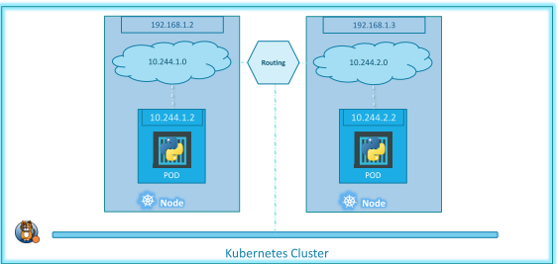
Intro!A1

 | Section 7 |  | Networking in Kubernetes
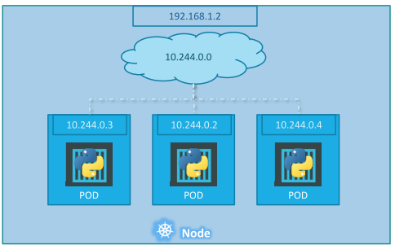
 | Kubernetes Networking
 |  | IP address is assigned to a POD.
 |  | Kubernetes creates an internal private network 10.244.0.0
 |  | NOTE: accessing other PODs using internal IP address is not good.

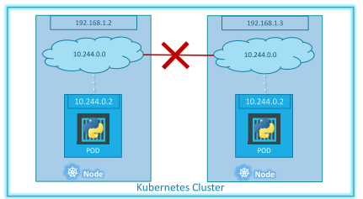
 | Cluster Networking
 |  | All containers/PODs can communicate to one another without NAT
 |  | All nodes can communicate with all containers without NAT.

 |  | => Kubernetes expect US to setup networking to meet requirements.
 |  | =>Pre-build solution: CISCO ACI networks, Cilium, Big Cloud Fabric,…

S8.Service
Intro!A1 | Services: NodePort, ClusterIP, LoadBalancer;

 | Section 8 |  | Services

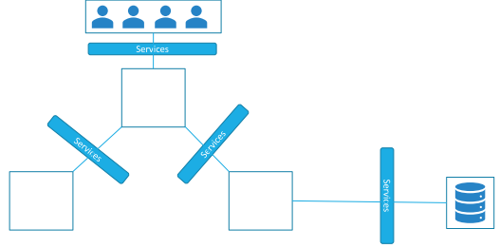
 | Services
 |  | Services enable communication within and outside application.
 |  | Services enable loose coupling between micro-services.

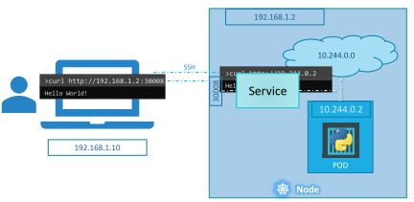
 |  | For example, service listens to port 30008 on a node,
 |  |  | and forward request on that port => NodePort service

 |  | NodePort
 |  |  | Make an internal POD accessible on a Node Port
 |  | ClusterIP
 |  |  | create a virtual IP inside cluster
 |  |  | enable communication between different services
 |  | LoadBalancer
 |  |  | provision a load balancer for service in support cloud providers

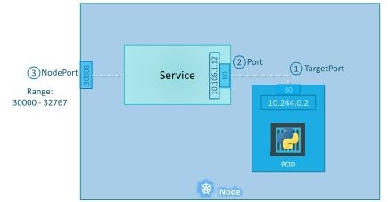
 | NodePort
 |  | TargetPort: Port on POD where actual server running
 |  | Port: Port on Service itself
 |  | NodePort: Port on Node which we use to access the Web externally

 |  | service-nodeport-definition.yaml
 |  |  | apiVersion: v1
 |  |  | kind: Service
 |  |  | metadata:
 |  |  | name: myapp-service
 |  |  | labels:
 |  |  | app: myapp
 |  |  | spec:
 |  |  | type: NodePort
 |  |  | ports:
 |  |  | - targetPort: 80 | // POD port
 |  |  | port: 80 | // service port
 |  |  | nodePort: 30008 | // node port
 |  |  | selector: | // map the PODs to Service
 |  |  | app: myapp
 |  |  | type: front-end

 |  | $ kubectl create -f service-nodeport-definition.yaml
 |  | $ kubectl get services
 |  | $ minikube service myapp-service --url
 |  | $ kubectl describe service myapp-service
 |  | $ kubectl expose deployment simple-webapp-deployment --name=webapp-service /
 |  | --target-port=8080 --type=NodePort --port=8080 --dry-run=client -o yaml > svc.yaml

 |  | How the ports are distributed across multiple nodes
 |  | Kubernetes creates a service that spans across all the nodes in the cluster.
 |  | and maps the TargetPort (ex 80) to the SAME NodePort (ex 30008) on all nodes in the cluster.
 |  | => We can access our app using the IP of any node with the same port number.

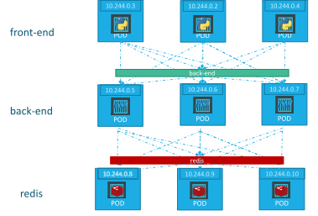
 | ClusterIP
 |  | ClusterIP service groups PODs together and provide a single interface.
 |  | The requests are forwareded to one of the PODs randomly.

 |  | Each service gets an IP and name inside the cluster.
 |  | The name should be used by other PODs to access the service.

 |  | service-clusterIP-definition.yaml
 |  |  | apiVersion: v1
 |  |  | kind: Service
 |  |  | metadata:
 |  |  | name: myapp-service-clusterip
 |  |  | spec:
 |  |  | type: ClusterIP | // default service if type is not defined
 |  |  | ports:
 |  |  | - targetPort: 80 | // POD port
 |  |  | port: 30008 | // service port
 |  |  | selector: | // map the PODs to Service
 |  |  | app: myapp
 |  |  | type: front-end

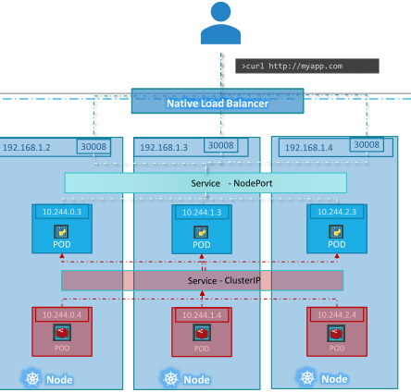
 | LoadBalancer
 |  | External load balancer configuration.
 |  | This only work with supported cloud platforms (GCP, AWS, Azure)
 |  | On local environment, it works like NodePort

 |  | service-loadbalancer-definition.yaml
 |  |  | apiVersion: v1
 |  |  | kind: Service
 |  |  | metadata:
 |  |  | name: azure-vote-front
 |  |  | spec:
 |  |  | type: LoadBalancer
 |  |  | ports:
 |  |  | - port: 80
 |  |  | selector:
 |  |  | app: azure-vote-front

S9.Microservice
Intro!A1 | Microservices;
 | Deploy microservices with PODs and Services;
 | Deploy microservices with Deployments;
 | Section 9 |  | Microservices Architecture

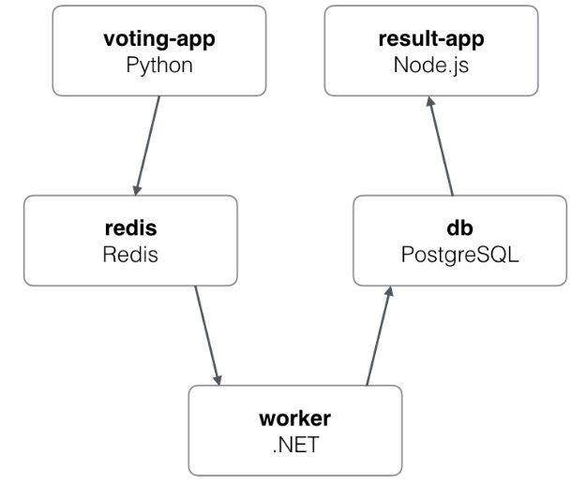
 | Sample application
 |  | voting app |  | front-end app which lets us vote between two options
 |  | redis |  | queue which collects new votes
 |  | worker |  | worker which consumes votes and store them in db
 |  | db |  | database backed by a Docker volume
 |  | result-app |  | webapp which shows the results of the voting in real time

 |  | Example | https://github.com/dockersamples/example-voting-app
 |  |  | https://github.com/mmumshad/example-voting-app-kubernetes-v2

 |  | Remember docker…
 |  |  | docker run -d --name=redis redis
 |  |  | docker run -d --name=db postgres:9.4
 |  |  | docker run -d --name=vote -p 5000:80 --link redis:redis voting-app
 |  |  | docker run -d --name=result -p 5001:80 --link db:db result-app
 |  |  | docker run -d --name=worker --link db:db --link redis:redis worker

 | Microservices app on Kubernetes
 |  | Goals: | 1 - Deploy containers |  | Steps: | 1 - Deploy PODs
 |  |  | 2 - Enable connectivity |  |  | 2 - Create Services (ClusterIP)
 |  |  | 3 - External Access |  |  |  | 1. redis; 2. db;
 |  |  |  |  |  | 3 - Create Services (NodePort)
 |  |  |  |  |  |  | 1. voting-app; 2. result-app

 | Deploy microservices app
 |  | voting-app-pod.yaml |  |  |  |  |  | result-app-pod.yaml
 |  |  | apiVersion: v1 |  |  |  |  |  | apiVersion: v1
 |  |  | kind: Pod |  |  |  |  |  | kind: Pod
 |  |  | metadata: |  |  |  |  |  | metadata:
 |  |  | name: voting-app-pod |  |  |  |  |  | name: result-app-pod
 |  |  | labels: |  |  |  |  |  | labels:
 |  |  | name: voting-app-pod |  |  |  |  |  | name: result-app-pod
 |  |  | app: demo-voting-app |  |  |  |  |  | app: demo-voting-app
 |  |  | spec: |  |  |  |  |  | spec:
 |  |  | containers: |  |  |  |  |  | containers:
 |  |  | - name: voting-app |  |  |  |  |  | - name: result-app
 |  |  | image: kodekloud/examplevotingapp_vote:v1 |  |  |  |  |  | image: kodekloud/examplevotingapp_result:v1
 |  |  | ports: |  |  |  |  |  | ports:
 |  |  | - containerPort: 80 |  |  |  |  |  | - containerPort: 80

 |  | redis-pod.yaml |  |  |  |  |  | postgres-pod.yaml
 |  |  | apiVersion: v1 |  |  |  |  |  | apiVersion: v1
 |  |  | kind: Pod |  |  |  |  |  | kind: Pod
 |  |  | metadata: |  |  |  |  |  | metadata:
 |  |  | name: redis-pod |  |  |  |  |  | name: postgres-pod
 |  |  | labels: |  |  |  |  |  | labels:
 |  |  | name: redis-pod |  |  |  |  |  | name: postgres-pod
 |  |  | app: demo-voting-app |  |  |  |  |  | app: demo-voting-app
 |  |  | spec: |  |  |  |  |  | spec:
 |  |  | containers: |  |  |  |  |  | containers:
 |  |  | - name: redis |  |  |  |  |  | - name: postgres
 |  |  | image: redis |  |  |  |  |  | image: postgres
 |  |  | ports: |  |  |  |  |  | ports:
 |  |  | - containerPort: 6379 |  |  |  |  |  | - containerPort: 5432
 |  |  |  |  |  |  |  |  | env:
 |  |  |  |  |  |  |  |  | - name: POSTGRES_USER
 |  |  |  |  |  |  |  |  | value: "postgres"
 |  |  |  |  |  |  |  |  | - name: POSTGRES_PASSWORD
 |  |  |  |  |  |  |  |  | value: "postgres"

 |  | worker-pod.yaml
 |  |  | apiVersion: v1
 |  |  | kind: Pod
 |  |  | metadata:
 |  |  | name: worker-pod
 |  |  | labels:
 |  |  | name: voting-app-pod
 |  |  | app: demo-voting-app
 |  |  | spec:
 |  |  | containers:
 |  |  | - name: worker-app
 |  |  | image: kodekloud/examplevotingapp_worker:v1

 |  | redis-service.yaml |  |  |  |  |  | postgres-service.yaml
 |  |  | apiVersion: v1 |  |  |  |  |  | apiVersion: v1
 |  |  | kind: Service |  |  |  |  |  | kind: Service
 |  |  | metadata: |  |  |  |  |  | metadata:
 |  |  | name: redis |  |  |  |  |  | name: db
 |  |  | labels: |  |  |  |  |  | labels:
 |  |  | name: redis-service |  |  |  |  |  | name: postgres-service
 |  |  | app: demo-voting-app |  |  |  |  |  | app: demo-voting-app
 |  |  | spec: |  |  |  |  |  | spec:
 |  |  | ports: |  |  |  |  |  | ports:
 |  |  | - port: 6379 |  |  |  |  |  | - port: 5432
 |  |  | targetPort: 6379 |  |  |  |  |  | targetPort: 5432
 |  |  | selector: |  |  |  |  |  | selector:
 |  |  | name: redis-pod |  |  |  |  |  | name: postgres-pod
 |  |  | app: demo-voting-app |  |  |  |  |  | app: demo-voting-app

 |  | voting-app-service.yaml |  |  |  |  |  | result-app-service.yaml
 |  |  | apiVersion: v1 |  |  |  |  |  | apiVersion: v1
 |  |  | kind: Service |  |  |  |  |  | kind: Service
 |  |  | metadata: |  |  |  |  |  | metadata:
 |  |  | name: voting-service |  |  |  |  |  | name: result-service
 |  |  | labels: |  |  |  |  |  | labels:
 |  |  | name: voting-service |  |  |  |  |  | name: result-service
 |  |  | app: demo-voting-app |  |  |  |  |  | app: demo-voting-app
 |  |  | spec: |  |  |  |  |  | spec:
 |  |  | type: NotePort |  |  |  |  |  | type: NotePort
 |  |  | ports: |  |  |  |  |  | ports:
 |  |  | - port: 80 |  |  |  |  |  | - port: 80
 |  |  | targetPort: 80 |  |  |  |  |  | targetPort: 80
 |  |  | nodePort: 30004 |  |  |  |  |  | nodePort: 30005
 |  |  | selector: |  |  |  |  |  | selector:
 |  |  | name: voting-app-pod |  |  |  |  |  | name: result-app-pod
 |  |  | app: demo-voting-app |  |  |  |  |  | app: demo-voting-app

 |  | $ kubectl get pods,svc
 |  | $ minikube service voting-service --url |  |  |  | => http://192.168.99.101:30004
 |  | $ minikube service result-service --url |  |  |  | => http://192.168.99.101:30005

 | Deploy microservices app with Deployments
 |  | Deployment helps us perform rolling updates and rollbacks and maintain a record of revisions.
 |  | https://github.com/kodekloudhub/example-voting-app-kubernetes

Practice
DEMO 1 - Use kubectl to deploy a test server (Pod, Deployment, ReplicaSet, Service)
 | Step 1: Build test server docker image
 |  | Demo server functionality
 |  |  | REQ-1: Listen on port 8080
 |  |  | REQ-2: Return the network interface of container
 |  | Verify server
 |  |  | $ docker build -t tung-server .
 |  |  | $ docker run -d --name tung-server1 -p 8081:8080 tung-server
 | Step 2: Deploy image to Azure container registry
 |  | Create tung-server-pod.yaml file
 |  |  | $ kubectl create -f tung-server-pod.yaml
 |  | TROUBLESHOOT 1: Error: ImagePullBackOff
 |  |  | failed to pull and unpack image "docker.io/library/tung-server:latest"
 |  |  | [NOT WORK] https://stackoverflow.com/questions/57167104/how-to-use-local-docker-image-in-kubernetes-via-kubectl
 |  | => Deploy image to ACR
 |  |  | $ az login
 |  |  | $ az group create --name tung-kube-rg --location australiaeast
 |  |  | $ az acr create --resource-group tung-kube-rg --name tungkuberegistry --sku Basic
 |  |  | Access keys >> Enable Admin user
 |  |  | $ az acr login --name tungkuberegistry --username tungkuberegistry --password xxxxxx
 |  |  | $ docker tag tung-server tungkuberegistry.azurecr.io/tung-server
 |  |  | $ docker push tungkuberegistry.azurecr.io/tung-server
 | Step 3: Create AKS cluster
 |  |  | $ az aks create --resource-group tung-kube-rg --name tungAKSCluster \
 |  |  | --node-count 2 --generate-ssh-keys --attach-acr tungkuberegistry
 |  |  | $ az aks get-credentials --resource-group CAP --name cap-azurecni-public --admin
 |  |  | $ kubectl get nodes
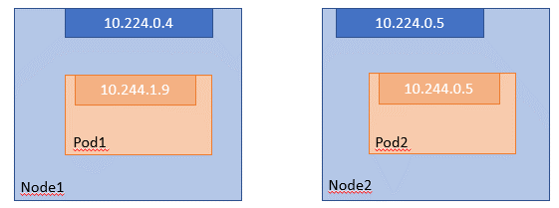
 | Step 4: Run POD yaml
 |  |  | $ kubectl apply -f tung-server-pod.yaml
 |  |  | $ kubectl get pods
 |  |  |  | => tung-app-pod 1/1 Running 0 29s
 |  |  | $ kubectl describe pod tung-app-pod
 |  | Verify application running properly
 |  |  | $ kubectl get nodes
 |  |  | $ kubectl debug node/aks-nodepool1-19874846-vmss000001 -it --image=busybox
 |  |  | $ wget my_pod_ip_address[10.244.1.5:8080]
 |  |  | $ kubectl exec -it tung-app-deployment-5665977898-g6tdh -- sh
 | Step 5: Run Deployment yaml
 |  |  | $ kubectl create -f tung-server-deployment.yaml
 |  |  | $ kubectl get pods,deployments
 |  | Try to delete a pod:
 |  |  | $ kubectl delete pod tung-app-deployment-5665977898-5m6l2
 |  |  |  | => new pod automatically created
 |  | Try to change replica 3 -> 2:
 |  |  | $ kubectl apply -f tung-server-deployment.yaml
 |  |  |  | => One pod is auto deleted
 | Step 6: Run NodePort Service yaml
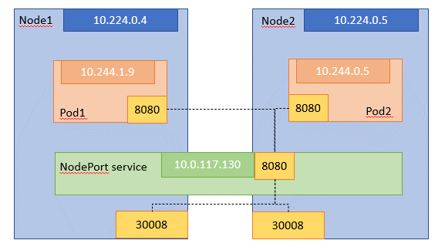
 |  |  | $ kubectl create -f tung-server-nodePort.yaml
 |  |  | $ kubectl get pods,deployments,svc
 |  | Verify node port service running properly
 |  |  | $ kubectl debug node/aks-nodepool1-19874846-vmss000001 -it --image=busybox
 |  |  | $ wget localhost:30008

 | Step 7: Run LoadBalancer Service yaml
 |  |  | $ kubectl.exe create -f tung-server-loadBalancer.yaml
 |  |  | $ kubectl get pods,deployment,svc

 |  | Access http://20.53.190.36:8080

